Alert Lifecycle
ALERT LIFECYCLE
When the system creates an alert, how it is prioritised, and how duplicates/repeats are handled. Bands, severities and the override follow this file’s Scoring Engine and Risk Bands (Config). Distinguishes signal vs alert.

A. Alert generation rules
Alert ID | Trigger | Condition | Severity | Priority | Recipient | Notification | Reason Code | Action SLA | Escalation | Duplicate Suppression | Status
ALERT-001 | No breach | All applicable indicators in the '0' (Normal) band | None | — | — | None | — | — | — | — | No alert
ALERT-002 | Indicator breach (single, immaterial) | One indicator in a low non-zero band, not persistent | Low | P4 | RM | Dashboard only | Indicator reason code | TBD | On repeat → P3 | Collapse into one open signal per indicator | Signal
ALERT-003 | Material / repeated indicator breach | Indicator reaches its material band or repeats over lookback | Medium | P3 | RM | Dashboard + email | Indicator reason code | TBD | Persist → Credit | Suppress if same indicator already open & unchanged | Alert
ALERT-004 | Overall score → Yellow (20-39) | Band transition Green→Yellow | Medium | P3 | RM | Dashboard + email | Band reason codes | TBD | No action in SLA → escalate | One alert per band transition | Yellow Alert
ALERT-005 | Overall score → Amber (40-59) | Band transition into Amber | Medium-High | P2 | RM + Credit | Dashboard + email | Band reason codes | TBD | → Credit review | One per transition; re-fire on worsening | Amber Alert
ALERT-006 | Overall score → Red (60-79) | Band transition into Red | High | P2 | Credit Committee | Dashboard + email + workflow | Band reason codes | TBD | → Senior credit | One per transition; re-fire on worsening | Red Alert
ALERT-007 | Overall score → Critical (80-100) | Band transition into Critical | Critical | P1 | Credit Head + Senior | Email + workflow | Band reason codes | Immediate | → Senior credit / committee | One per transition; re-fire on worsening | Critical Alert
ALERT-008 | Critical override TRUE | N/A — Credit Monitoring has no CRITICAL-flagged indicators, so the override never fires | — | — | — | None | Override reason | — | — | — | Not applicable (no criticals)

B. RM / Credit Action Logic (by risk band)
Status | Trigger | Responsible Role | Required Action | Timeline / SLA | Required Documents | Decision | Escalation | Closure Criteria
Green / Normal | Score 0-19, no override | RM | Standard monitoring; no special action. | BAU cycle | None extra | Continue monitoring | — | N/A
Yellow / Monitor | Score 20-39 | RM | Log trend; RM commentary; review borrower conduct at next cycle. | Next cycle (TBD) | Account statement review; RM remarks | RM notes cause & plan | If unresolved → Credit | Signals return to '0' bands / remarks accepted
Amber / Watchlist | Score 40-59 | RM + Credit | Enhanced monitoring; request updated financials; borrower discussion. | 2-4 weeks (TBD) | Updated financials; account review | RM + Credit note cause & plan | If unresolved → Credit Committee | Condition improves to a lower band & remarks accepted
Red / High | Score 60-79 | Credit Committee | Credit review; obtain updated financials, stock statement, repayment plan; exposure review. | 1-2 weeks (TBD) | Updated financials; stock statement; repayment plan | Credit decides monitoring / exit | If worsening → Senior credit | Condition cleared & Credit sign-off
Red / Critical | Score 80-100 | Senior Credit / Committee | Senior credit review; exposure review; possible freeze / recovery / restructuring depending on trigger. | Immediate | Full credit note; legal / recovery inputs | Committee decision | Recovery / legal / restructuring path | Formal resolution per policy

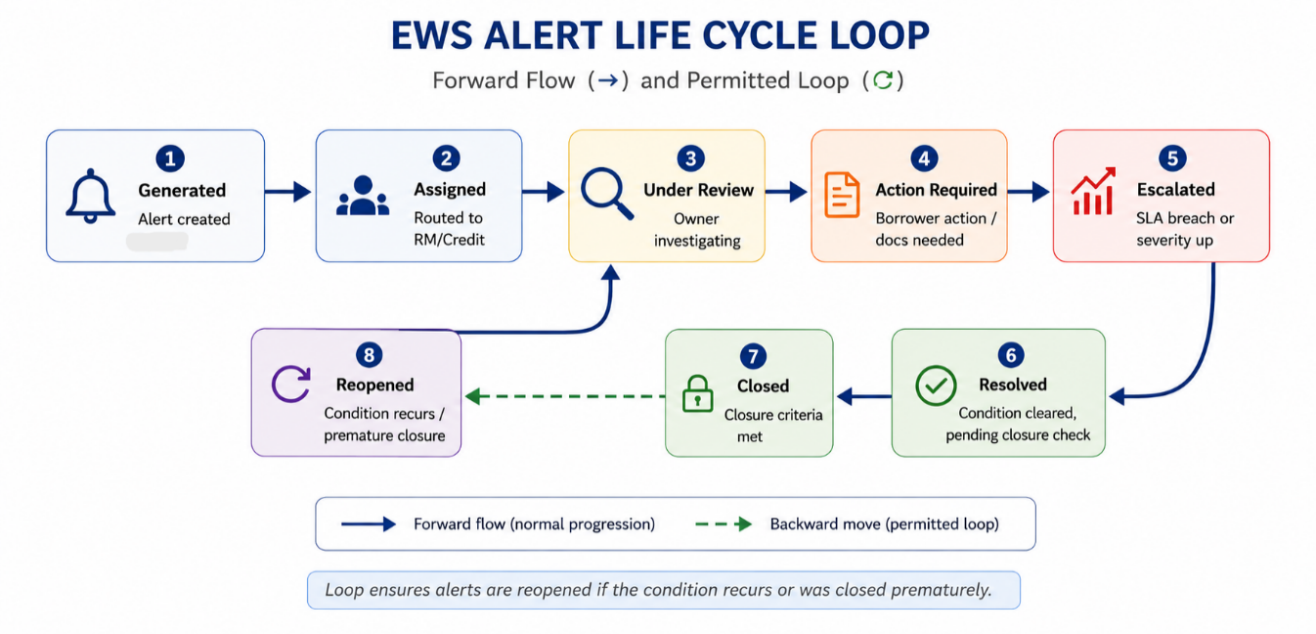
C. Lifecycle states
State | Entry condition | Owner | Allowed next states | Backward move?
Generated | Alert generated in section A | System | Assigned | No
Assigned | Routed to RM / Credit | System | Under Review | No
Under Review | Owner investigating | RM / Credit | Action Required / Resolved | No
Action Required | Borrower action / docs needed | RM / Credit | Escalated / Resolved | No
Escalated | SLA breach or severity up | Credit / Senior | Resolved / Action Required | Yes (to Action Required)
Resolved | Condition cleared, pending closure check | Credit | Closed / Reopened | No
Closed | Closure criteria met (see section E) | Credit | Reopened | Yes (Reopened)
Reopened | Condition recurs / premature closure | Credit | Under Review | Yes

