21031F0002

 |  | SCHOOL OF INFORMATION TECHNOLOGY
 |  | (Constituent Unit of JNTUH)
 |  | Jawaharlal Nehru Technological University Hyderabad
 |  | Kukatpally - 500 085, Telangana (India).
 |  | (Accredited by NAAC with 'A' Grade)
 |  | M.C.A. I Year I Semester (R20) (Reg) - April, 2022
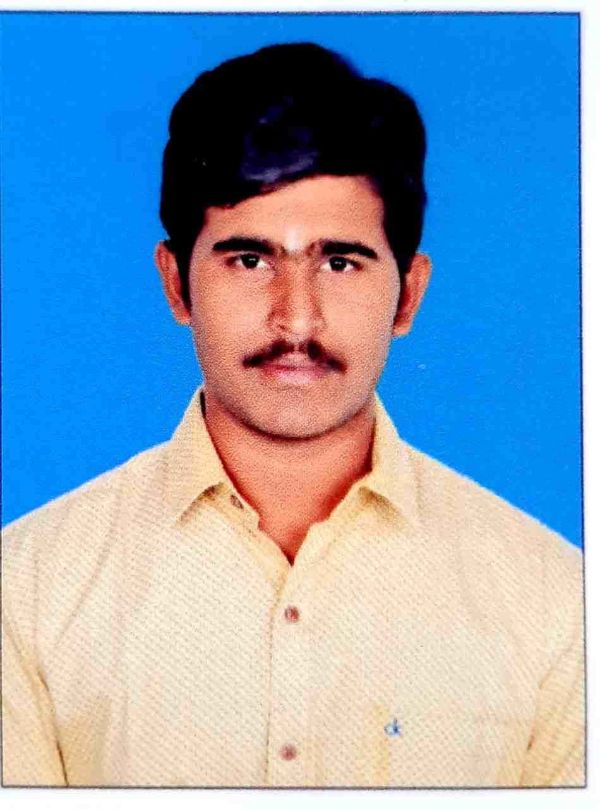

 |  | Roll No.: 21031F0002
 |  | Name: DADYREDDY DHEERAJ KUMAR REDDY
 |  | Course and Branch: M.C.A.

S.No | SubjectCode | SubjectName | Grade | GradePoint | Credits | Result
1 | MC110 | MATHEMATICS FOR COMPUTER SCIENCE | B+ | 7 | 3 | P
2 | MC120 | COMPUTER ARCHITECTURE & ORGANIZATION | B+ | 7 | 3 | P
3 | MC130 | OBJECT ORIENTED PROGRAMMING THROUGH C++ | B+ | 7 | 3 | P
4 | MC140 | OPERATING SYSTEMS | B+ | 7 | 3 | P
5 | MC150 | DATABASE SYSTEMS | C | 5 | 3 | P
6 | MC160 | COMPUTER ARCHITECTURE & ORGANIZATION & OPERATING SYSTEMS LAB | A+ | 9 | 2 | P
7 | MC170 | OBJECT ORIENTED PROGRAMMING THROUGH C++ LAB | A | 8 | 2 | P
8 | MC180 | DATABASE SYSTEMS LAB | A | 8 | 2 | P
9 | MC19A | PROFESSIONAL COMMUNICATION SKILLS | B+ | 7 | 0 | P

 |  | SGPA : 7.1

21031F0004
 |  | SCHOOL OF INFORMATION TECHNOLOGY
 |  | (Constituent Unit of JNTUH)
 |  | Jawaharlal Nehru Technological University Hyderabad
 |  | Kukatpally - 500 085, Telangana (India).
 |  | (Accredited by NAAC with 'A' Grade)
 |  | M.C.A. I Year I Semester (R20) (Reg) - April, 2022


 |  | Roll No.: 21031F0004
 |  | Name: GANGAPURAM AKHILA
 |  | Course and Branch: M.C.A.

S.No | SubjectCode | SubjectName | Grade | GradePoint | Credits | Result
1 | MC110 | MATHEMATICS FOR COMPUTER SCIENCE | A | 8 | 3 | P
2 | MC120 | COMPUTER ARCHITECTURE & ORGANIZATION | B+ | 7 | 3 | P
3 | MC130 | OBJECT ORIENTED PROGRAMMING THROUGH C++ | B | 6 | 3 | P
4 | MC140 | OPERATING SYSTEMS | O | 10 | 3 | P
5 | MC150 | DATABASE SYSTEMS | A | 8 | 3 | P
6 | MC160 | COMPUTER ARCHITECTURE & ORGANIZATION & OPERATING SYSTEMS LAB | A+ | 9 | 2 | P
7 | MC170 | OBJECT ORIENTED PROGRAMMING THROUGH C++ LAB | A+ | 9 | 2 | P
8 | MC180 | DATABASE SYSTEMS LAB | A+ | 9 | 2 | P
9 | MC19A | PROFESSIONAL COMMUNICATION SKILLS | A+ | 9 | 0 | P

 |  | SGPA : 8.14

21031F0005
 |  | SCHOOL OF INFORMATION TECHNOLOGY
 |  | (Constituent Unit of JNTUH)
 |  | Jawaharlal Nehru Technological University Hyderabad
 |  | Kukatpally - 500 085, Telangana (India).
 |  | (Accredited by NAAC with 'A' Grade)
 |  | M.C.A. I Year I Semester (R20) (Reg) - April, 2022


 |  | Roll No.: 21031F0005
 |  | Name: AAKASH NADUPALLI
 |  | Course and Branch: M.C.A.

S.No | SubjectCode | SubjectName | Grade | GradePoint | Credits | Result
1 | MC110 | MATHEMATICS FOR COMPUTER SCIENCE | A | 8 | 3 | P
2 | MC120 | COMPUTER ARCHITECTURE & ORGANIZATION | A+ | 9 | 3 | P
3 | MC130 | OBJECT ORIENTED PROGRAMMING THROUGH C++ | A+ | 9 | 3 | P
4 | MC140 | OPERATING SYSTEMS | A+ | 9 | 3 | P
5 | MC150 | DATABASE SYSTEMS | A | 8 | 3 | P
6 | MC160 | COMPUTER ARCHITECTURE & ORGANIZATION & OPERATING SYSTEMS LAB | O | 10 | 2 | P
7 | MC170 | OBJECT ORIENTED PROGRAMMING THROUGH C++ LAB | O | 10 | 2 | P
8 | MC180 | DATABASE SYSTEMS LAB | O | 10 | 2 | P
9 | MC19A | PROFESSIONAL COMMUNICATION SKILLS | A | 8 | 0 | P

 |  | SGPA : 9.0

21031F0007
 |  | SCHOOL OF INFORMATION TECHNOLOGY
 |  | (Constituent Unit of JNTUH)
 |  | Jawaharlal Nehru Technological University Hyderabad
 |  | Kukatpally - 500 085, Telangana (India).
 |  | (Accredited by NAAC with 'A' Grade)
 |  | M.C.A. I Year I Semester (R20) (Reg) - April, 2022


 |  | Roll No.: 21031F0007
 |  | Name: RENUKUNTLA SHIVA RAMA KRISHNA
 |  | Course and Branch: M.C.A.

S.No | SubjectCode | SubjectName | Grade | GradePoint | Credits | Result
1 | MC110 | MATHEMATICS FOR COMPUTER SCIENCE | B+ | 7 | 3 | P
2 | MC120 | COMPUTER ARCHITECTURE & ORGANIZATION | B+ | 7 | 3 | P
3 | MC130 | OBJECT ORIENTED PROGRAMMING THROUGH C++ | A+ | 9 | 3 | P
4 | MC140 | OPERATING SYSTEMS | A | 8 | 3 | P
5 | MC150 | DATABASE SYSTEMS | A | 8 | 3 | P
6 | MC160 | COMPUTER ARCHITECTURE & ORGANIZATION & OPERATING SYSTEMS LAB | A+ | 9 | 2 | P
7 | MC170 | OBJECT ORIENTED PROGRAMMING THROUGH C++ LAB | A+ | 9 | 2 | P
8 | MC180 | DATABASE SYSTEMS LAB | A+ | 9 | 2 | P
9 | MC19A | PROFESSIONAL COMMUNICATION SKILLS | A | 8 | 0 | P

 |  | SGPA : 8.14

21031F0008
 |  | SCHOOL OF INFORMATION TECHNOLOGY
 |  | (Constituent Unit of JNTUH)
 |  | Jawaharlal Nehru Technological University Hyderabad
 |  | Kukatpally - 500 085, Telangana (India).
 |  | (Accredited by NAAC with 'A' Grade)
 |  | M.C.A. I Year I Semester (R20) (Reg) - April, 2022
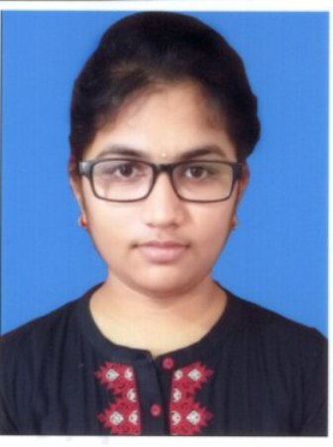

 |  | Roll No.: 21031F0008
 |  | Name: VEMURI VIDYA MADHURI
 |  | Course and Branch: M.C.A.

S.No | SubjectCode | SubjectName | Grade | GradePoint | Credits | Result
1 | MC110 | MATHEMATICS FOR COMPUTER SCIENCE | O | 10 | 3 | P
2 | MC120 | COMPUTER ARCHITECTURE & ORGANIZATION | O | 10 | 3 | P
3 | MC130 | OBJECT ORIENTED PROGRAMMING THROUGH C++ | A+ | 9 | 3 | P
4 | MC140 | OPERATING SYSTEMS | A+ | 9 | 3 | P
5 | MC150 | DATABASE SYSTEMS | A | 8 | 3 | P
6 | MC160 | COMPUTER ARCHITECTURE & ORGANIZATION & OPERATING SYSTEMS LAB | O | 10 | 2 | P
7 | MC170 | OBJECT ORIENTED PROGRAMMING THROUGH C++ LAB | A+ | 9 | 2 | P
8 | MC180 | DATABASE SYSTEMS LAB | A+ | 9 | 2 | P
9 | MC19A | PROFESSIONAL COMMUNICATION SKILLS | A | 8 | 0 | P

 |  | SGPA : 9.24

21031F0009
 |  | SCHOOL OF INFORMATION TECHNOLOGY
 |  | (Constituent Unit of JNTUH)
 |  | Jawaharlal Nehru Technological University Hyderabad
 |  | Kukatpally - 500 085, Telangana (India).
 |  | (Accredited by NAAC with 'A' Grade)
 |  | M.C.A. I Year I Semester (R20) (Reg) - April, 2022
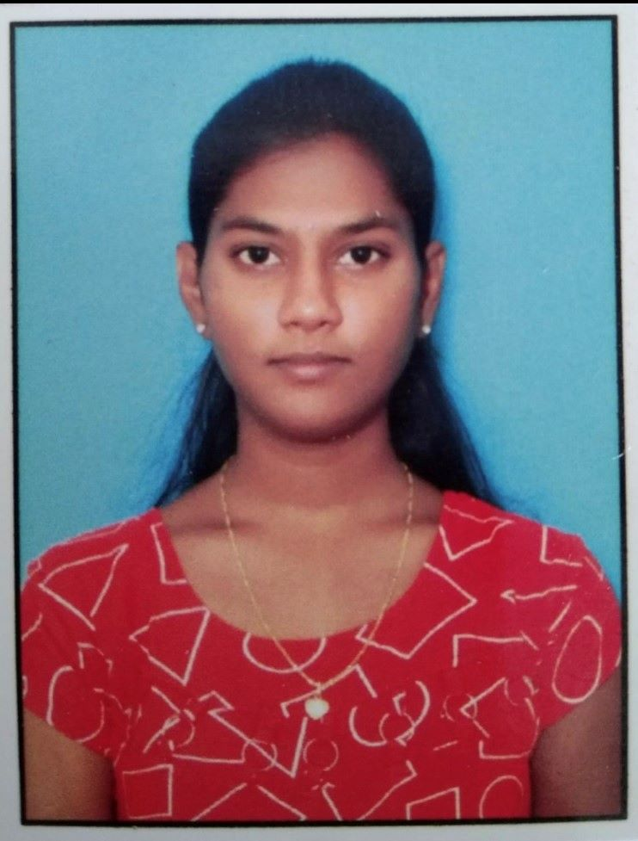

 |  | Roll No.: 21031F0009
 |  | Name: BOLLIPALLI AKANKSHA
 |  | Course and Branch: M.C.A.

S.No | SubjectCode | SubjectName | Grade | GradePoint | Credits | Result
1 | MC110 | MATHEMATICS FOR COMPUTER SCIENCE | O | 10 | 3 | P
2 | MC120 | COMPUTER ARCHITECTURE & ORGANIZATION | A | 8 | 3 | P
3 | MC130 | OBJECT ORIENTED PROGRAMMING THROUGH C++ | A+ | 9 | 3 | P
4 | MC140 | OPERATING SYSTEMS | A+ | 9 | 3 | P
5 | MC150 | DATABASE SYSTEMS | A | 8 | 3 | P
6 | MC160 | COMPUTER ARCHITECTURE & ORGANIZATION & OPERATING SYSTEMS LAB | O | 10 | 2 | P
7 | MC170 | OBJECT ORIENTED PROGRAMMING THROUGH C++ LAB | O | 10 | 2 | P
8 | MC180 | DATABASE SYSTEMS LAB | A+ | 9 | 2 | P
9 | MC19A | PROFESSIONAL COMMUNICATION SKILLS | A | 8 | 0 | P

 |  | SGPA : 9.05

21031F0010
 |  | SCHOOL OF INFORMATION TECHNOLOGY
 |  | (Constituent Unit of JNTUH)
 |  | Jawaharlal Nehru Technological University Hyderabad
 |  | Kukatpally - 500 085, Telangana (India).
 |  | (Accredited by NAAC with 'A' Grade)
 |  | M.C.A. I Year I Semester (R20) (Reg) - April, 2022
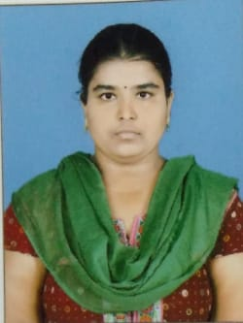

 |  | Roll No.: 21031F0010
 |  | Name: CHINTHA CHANDANA
 |  | Course and Branch: M.C.A.

S.No | SubjectCode | SubjectName | Grade | GradePoint | Credits | Result
1 | MC110 | MATHEMATICS FOR COMPUTER SCIENCE | A+ | 9 | 3 | P
2 | MC120 | COMPUTER ARCHITECTURE & ORGANIZATION | B+ | 7 | 3 | P
3 | MC130 | OBJECT ORIENTED PROGRAMMING THROUGH C++ | A | 8 | 3 | P
4 | MC140 | OPERATING SYSTEMS | A | 8 | 3 | P
5 | MC150 | DATABASE SYSTEMS | A | 8 | 3 | P
6 | MC160 | COMPUTER ARCHITECTURE & ORGANIZATION & OPERATING SYSTEMS LAB | A+ | 9 | 2 | P
7 | MC170 | OBJECT ORIENTED PROGRAMMING THROUGH C++ LAB | A | 8 | 2 | P
8 | MC180 | DATABASE SYSTEMS LAB | A+ | 9 | 2 | P
9 | MC19A | PROFESSIONAL COMMUNICATION SKILLS | A+ | 9 | 0 | P

 |  | SGPA : 8.19

21031F0012
 |  | SCHOOL OF INFORMATION TECHNOLOGY
 |  | (Constituent Unit of JNTUH)
 |  | Jawaharlal Nehru Technological University Hyderabad
 |  | Kukatpally - 500 085, Telangana (India).
 |  | (Accredited by NAAC with 'A' Grade)
 |  | M.C.A. I Year I Semester (R20) (Reg) - April, 2022
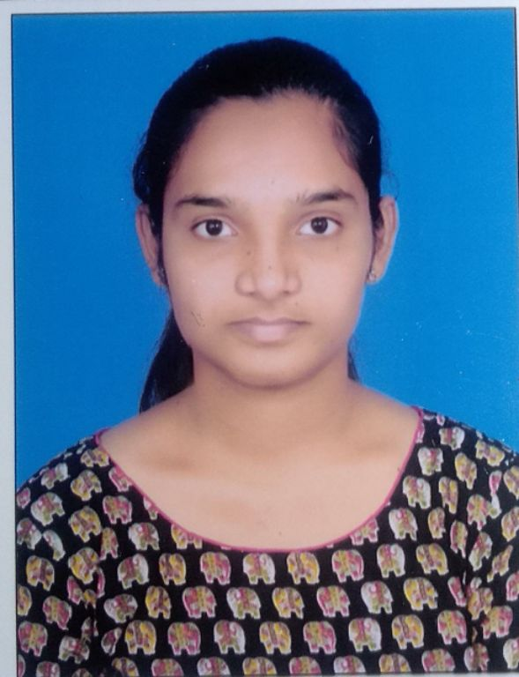

 |  | Roll No.: 21031F0012
 |  | Name: KARNE RAMYA
 |  | Course and Branch: M.C.A.

S.No | SubjectCode | SubjectName | Grade | GradePoint | Credits | Result
1 | MC110 | MATHEMATICS FOR COMPUTER SCIENCE | A | 8 | 3 | P
2 | MC120 | COMPUTER ARCHITECTURE & ORGANIZATION | B+ | 7 | 3 | P
3 | MC130 | OBJECT ORIENTED PROGRAMMING THROUGH C++ | A | 8 | 3 | P
4 | MC140 | OPERATING SYSTEMS | B+ | 7 | 3 | P
5 | MC150 | DATABASE SYSTEMS | B | 6 | 3 | P
6 | MC160 | COMPUTER ARCHITECTURE & ORGANIZATION & OPERATING SYSTEMS LAB | A+ | 9 | 2 | P
7 | MC170 | OBJECT ORIENTED PROGRAMMING THROUGH C++ LAB | A+ | 9 | 2 | P
8 | MC180 | DATABASE SYSTEMS LAB | A | 8 | 2 | P
9 | MC19A | PROFESSIONAL COMMUNICATION SKILLS | A | 8 | 0 | P

 |  | SGPA : 7.62

21031F0014
 |  | SCHOOL OF INFORMATION TECHNOLOGY
 |  | (Constituent Unit of JNTUH)
 |  | Jawaharlal Nehru Technological University Hyderabad
 |  | Kukatpally - 500 085, Telangana (India).
 |  | (Accredited by NAAC with 'A' Grade)
 |  | M.C.A. I Year I Semester (R20) (Reg) - April, 2022


 |  | Roll No.: 21031F0014
 |  | Name: M HARSHITH
 |  | Course and Branch: M.C.A.

S.No | SubjectCode | SubjectName | Grade | GradePoint | Credits | Result
1 | MC110 | MATHEMATICS FOR COMPUTER SCIENCE | B+ | 7 | 3 | P
2 | MC120 | COMPUTER ARCHITECTURE & ORGANIZATION | B+ | 7 | 3 | P
3 | MC130 | OBJECT ORIENTED PROGRAMMING THROUGH C++ | B+ | 7 | 3 | P
4 | MC140 | OPERATING SYSTEMS | B+ | 7 | 3 | P
5 | MC150 | DATABASE SYSTEMS | B | 6 | 3 | P
6 | MC160 | COMPUTER ARCHITECTURE & ORGANIZATION & OPERATING SYSTEMS LAB | A | 8 | 2 | P
7 | MC170 | OBJECT ORIENTED PROGRAMMING THROUGH C++ LAB | A+ | 9 | 2 | P
8 | MC180 | DATABASE SYSTEMS LAB | A | 8 | 2 | P
9 | MC19A | PROFESSIONAL COMMUNICATION SKILLS | A | 8 | 0 | P

 |  | SGPA : 7.24

21031F0015
 |  | SCHOOL OF INFORMATION TECHNOLOGY
 |  | (Constituent Unit of JNTUH)
 |  | Jawaharlal Nehru Technological University Hyderabad
 |  | Kukatpally - 500 085, Telangana (India).
 |  | (Accredited by NAAC with 'A' Grade)
 |  | M.C.A. I Year I Semester (R20) (Reg) - April, 2022
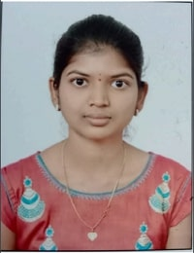

 |  | Roll No.: 21031F0015
 |  | Name: BATTIKADI SREEDIVYA
 |  | Course and Branch: M.C.A.

S.No | SubjectCode | SubjectName | Grade | GradePoint | Credits | Result
1 | MC110 | MATHEMATICS FOR COMPUTER SCIENCE | A | 8 | 3 | P
2 | MC120 | COMPUTER ARCHITECTURE & ORGANIZATION | A | 8 | 3 | P
3 | MC130 | OBJECT ORIENTED PROGRAMMING THROUGH C++ | A+ | 9 | 3 | P
4 | MC140 | OPERATING SYSTEMS | A | 8 | 3 | P
5 | MC150 | DATABASE SYSTEMS | A+ | 9 | 3 | P
6 | MC160 | COMPUTER ARCHITECTURE & ORGANIZATION & OPERATING SYSTEMS LAB | A+ | 9 | 2 | P
7 | MC170 | OBJECT ORIENTED PROGRAMMING THROUGH C++ LAB | A+ | 9 | 2 | P
8 | MC180 | DATABASE SYSTEMS LAB | A+ | 9 | 2 | P
9 | MC19A | PROFESSIONAL COMMUNICATION SKILLS | A+ | 9 | 0 | P

 |  | SGPA : 8.57

21031F0018
 |  | SCHOOL OF INFORMATION TECHNOLOGY
 |  | (Constituent Unit of JNTUH)
 |  | Jawaharlal Nehru Technological University Hyderabad
 |  | Kukatpally - 500 085, Telangana (India).
 |  | (Accredited by NAAC with 'A' Grade)
 |  | M.C.A. I Year I Semester (R20) (Reg) - April, 2022


 |  | Roll No.: 21031F0018
 |  | Name: DONTULA RAKESH
 |  | Course and Branch: M.C.A.

S.No | SubjectCode | SubjectName | Grade | GradePoint | Credits | Result
1 | MC110 | MATHEMATICS FOR COMPUTER SCIENCE | A | 8 | 3 | P
2 | MC120 | COMPUTER ARCHITECTURE & ORGANIZATION | A | 8 | 3 | P
3 | MC130 | OBJECT ORIENTED PROGRAMMING THROUGH C++ | A+ | 9 | 3 | P
4 | MC140 | OPERATING SYSTEMS | A | 8 | 3 | P
5 | MC150 | DATABASE SYSTEMS | A+ | 9 | 3 | P
6 | MC160 | COMPUTER ARCHITECTURE & ORGANIZATION & OPERATING SYSTEMS LAB | A+ | 9 | 2 | P
7 | MC170 | OBJECT ORIENTED PROGRAMMING THROUGH C++ LAB | O | 10 | 2 | P
8 | MC180 | DATABASE SYSTEMS LAB | A+ | 9 | 2 | P
9 | MC19A | PROFESSIONAL COMMUNICATION SKILLS | A | 8 | 0 | P

 |  | SGPA : 8.67

21031F0021
 |  | SCHOOL OF INFORMATION TECHNOLOGY
 |  | (Constituent Unit of JNTUH)
 |  | Jawaharlal Nehru Technological University Hyderabad
 |  | Kukatpally - 500 085, Telangana (India).
 |  | (Accredited by NAAC with 'A' Grade)
 |  | M.C.A. I Year I Semester (R20) (Reg) - April, 2022
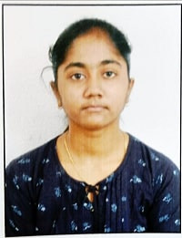

 |  | Roll No.: 21031F0021
 |  | Name: MAMEDIPELLY SAHITYA
 |  | Course and Branch: M.C.A.

S.No | SubjectCode | SubjectName | Grade | GradePoint | Credits | Result
1 | MC110 | MATHEMATICS FOR COMPUTER SCIENCE | A+ | 9 | 3 | P
2 | MC120 | COMPUTER ARCHITECTURE & ORGANIZATION | A | 8 | 3 | P
3 | MC130 | OBJECT ORIENTED PROGRAMMING THROUGH C++ | O | 10 | 3 | P
4 | MC140 | OPERATING SYSTEMS | A+ | 9 | 3 | P
5 | MC150 | DATABASE SYSTEMS | A+ | 9 | 3 | P
6 | MC160 | COMPUTER ARCHITECTURE & ORGANIZATION & OPERATING SYSTEMS LAB | O | 10 | 2 | P
7 | MC170 | OBJECT ORIENTED PROGRAMMING THROUGH C++ LAB | A+ | 9 | 2 | P
8 | MC180 | DATABASE SYSTEMS LAB | A+ | 9 | 2 | P
9 | MC19A | PROFESSIONAL COMMUNICATION SKILLS | A | 8 | 0 | P

 |  | SGPA : 9.1

21031F0022
 |  | SCHOOL OF INFORMATION TECHNOLOGY
 |  | (Constituent Unit of JNTUH)
 |  | Jawaharlal Nehru Technological University Hyderabad
 |  | Kukatpally - 500 085, Telangana (India).
 |  | (Accredited by NAAC with 'A' Grade)
 |  | M.C.A. I Year I Semester (R20) (Reg) - April, 2022
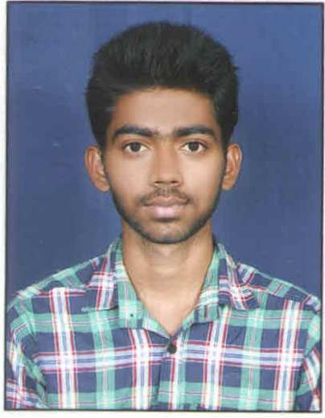

 |  | Roll No.: 21031F0022
 |  | Name: MOODA YADAGIRI
 |  | Course and Branch: M.C.A.

S.No | SubjectCode | SubjectName | Grade | GradePoint | Credits | Result
1 | MC110 | MATHEMATICS FOR COMPUTER SCIENCE | A | 8 | 3 | P
2 | MC120 | COMPUTER ARCHITECTURE & ORGANIZATION | B+ | 7 | 3 | P
3 | MC130 | OBJECT ORIENTED PROGRAMMING THROUGH C++ | A | 8 | 3 | P
4 | MC140 | OPERATING SYSTEMS | B+ | 7 | 3 | P
5 | MC150 | DATABASE SYSTEMS | A | 8 | 3 | P
6 | MC160 | COMPUTER ARCHITECTURE & ORGANIZATION & OPERATING SYSTEMS LAB | A+ | 9 | 2 | P
7 | MC170 | OBJECT ORIENTED PROGRAMMING THROUGH C++ LAB | A | 8 | 2 | P
8 | MC180 | DATABASE SYSTEMS LAB | A+ | 9 | 2 | P
9 | MC19A | PROFESSIONAL COMMUNICATION SKILLS | A | 8 | 0 | P

 |  | SGPA : 7.9

21031F0024
 |  | SCHOOL OF INFORMATION TECHNOLOGY
 |  | (Constituent Unit of JNTUH)
 |  | Jawaharlal Nehru Technological University Hyderabad
 |  | Kukatpally - 500 085, Telangana (India).
 |  | (Accredited by NAAC with 'A' Grade)
 |  | M.C.A. I Year I Semester (R20) (Reg) - April, 2022


 |  | Roll No.: 21031F0024
 |  | Name: MACHA SAIKRISHNA
 |  | Course and Branch: M.C.A.

S.No | SubjectCode | SubjectName | Grade | GradePoint | Credits | Result
1 | MC110 | MATHEMATICS FOR COMPUTER SCIENCE | A+ | 9 | 3 | P
2 | MC120 | COMPUTER ARCHITECTURE & ORGANIZATION | A | 8 | 3 | P
3 | MC130 | OBJECT ORIENTED PROGRAMMING THROUGH C++ | A | 8 | 3 | P
4 | MC140 | OPERATING SYSTEMS | B+ | 7 | 3 | P
5 | MC150 | DATABASE SYSTEMS | A | 8 | 3 | P
6 | MC160 | COMPUTER ARCHITECTURE & ORGANIZATION & OPERATING SYSTEMS LAB | A+ | 9 | 2 | P
7 | MC170 | OBJECT ORIENTED PROGRAMMING THROUGH C++ LAB | A+ | 9 | 2 | P
8 | MC180 | DATABASE SYSTEMS LAB | O | 10 | 2 | P
9 | MC19A | PROFESSIONAL COMMUNICATION SKILLS | A | 8 | 0 | P

 |  | SGPA : 8.38

21031F0025
 |  | SCHOOL OF INFORMATION TECHNOLOGY
 |  | (Constituent Unit of JNTUH)
 |  | Jawaharlal Nehru Technological University Hyderabad
 |  | Kukatpally - 500 085, Telangana (India).
 |  | (Accredited by NAAC with 'A' Grade)
 |  | M.C.A. I Year I Semester (R20) (Reg) - April, 2022
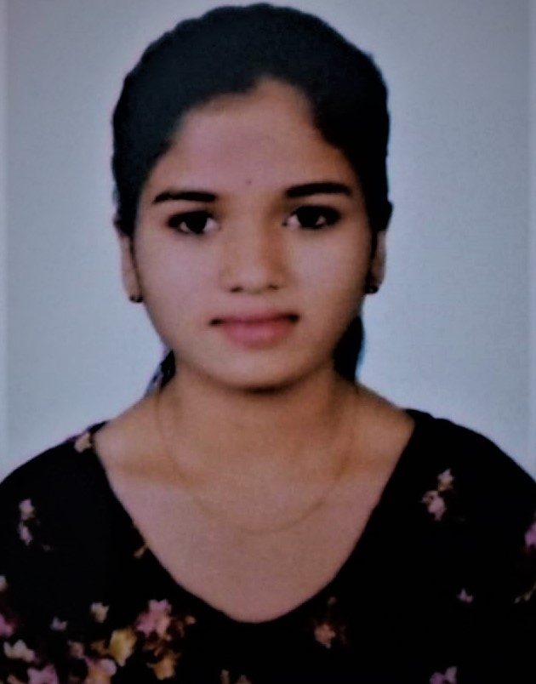

 |  | Roll No.: 21031F0025
 |  | Name: AROORI Y JHANSI
 |  | Course and Branch: M.C.A.

S.No | SubjectCode | SubjectName | Grade | GradePoint | Credits | Result
1 | MC110 | MATHEMATICS FOR COMPUTER SCIENCE | B+ | 7 | 3 | P
2 | MC120 | COMPUTER ARCHITECTURE & ORGANIZATION | B | 6 | 3 | P
3 | MC130 | OBJECT ORIENTED PROGRAMMING THROUGH C++ | F | 0 | 0 | F
4 | MC140 | OPERATING SYSTEMS | B | 6 | 3 | P
5 | MC150 | DATABASE SYSTEMS | C | 5 | 3 | P
6 | MC160 | COMPUTER ARCHITECTURE & ORGANIZATION & OPERATING SYSTEMS LAB | A+ | 9 | 2 | P
7 | MC170 | OBJECT ORIENTED PROGRAMMING THROUGH C++ LAB | A | 8 | 2 | P
8 | MC180 | DATABASE SYSTEMS LAB | A | 8 | 2 | P
9 | MC19A | PROFESSIONAL COMMUNICATION SKILLS | B | 6 | 0 | P

 |  | SGPA : 6.78

21031F0029
 |  | SCHOOL OF INFORMATION TECHNOLOGY
 |  | (Constituent Unit of JNTUH)
 |  | Jawaharlal Nehru Technological University Hyderabad
 |  | Kukatpally - 500 085, Telangana (India).
 |  | (Accredited by NAAC with 'A' Grade)
 |  | M.C.A. I Year I Semester (R20) (Reg) - April, 2022
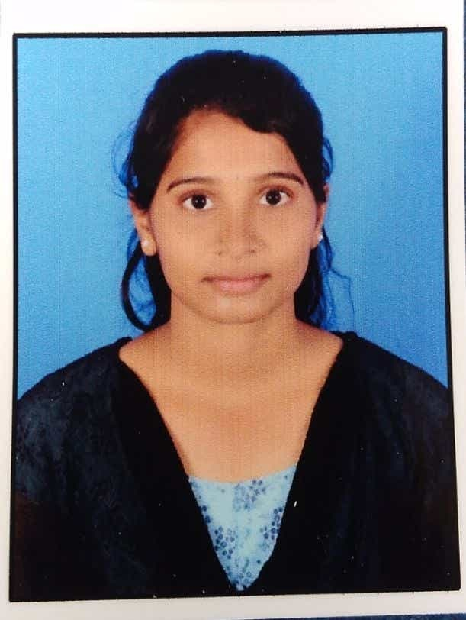

 |  | Roll No.: 21031F0029
 |  | Name: JATAVATH SINDHU
 |  | Course and Branch: M.C.A.

S.No | SubjectCode | SubjectName | Grade | GradePoint | Credits | Result
1 | MC110 | MATHEMATICS FOR COMPUTER SCIENCE | B | 6 | 3 | P
2 | MC120 | COMPUTER ARCHITECTURE & ORGANIZATION | B+ | 7 | 3 | P
3 | MC130 | OBJECT ORIENTED PROGRAMMING THROUGH C++ | A | 8 | 3 | P
4 | MC140 | OPERATING SYSTEMS | B+ | 7 | 3 | P
5 | MC150 | DATABASE SYSTEMS | B+ | 7 | 3 | P
6 | MC160 | COMPUTER ARCHITECTURE & ORGANIZATION & OPERATING SYSTEMS LAB | A+ | 9 | 2 | P
7 | MC170 | OBJECT ORIENTED PROGRAMMING THROUGH C++ LAB | A | 8 | 2 | P
8 | MC180 | DATABASE SYSTEMS LAB | B+ | 7 | 2 | P
9 | MC19A | PROFESSIONAL COMMUNICATION SKILLS | B+ | 7 | 0 | P

 |  | SGPA : 7.29

