21031F0002

 |  | SCHOOL OF INFORMATION TECHNOLOGY
 |  | (Constituent Unit of JNTUH)
 |  | Jawaharlal Nehru Technological University Hyderabad
 |  | Kukatpally - 500 085, Telangana (India).
 |  | (Accredited by NAAC with 'A' Grade)
 |  | M.C.A. I Year I Semester (R20) (Reg) - April, 2022
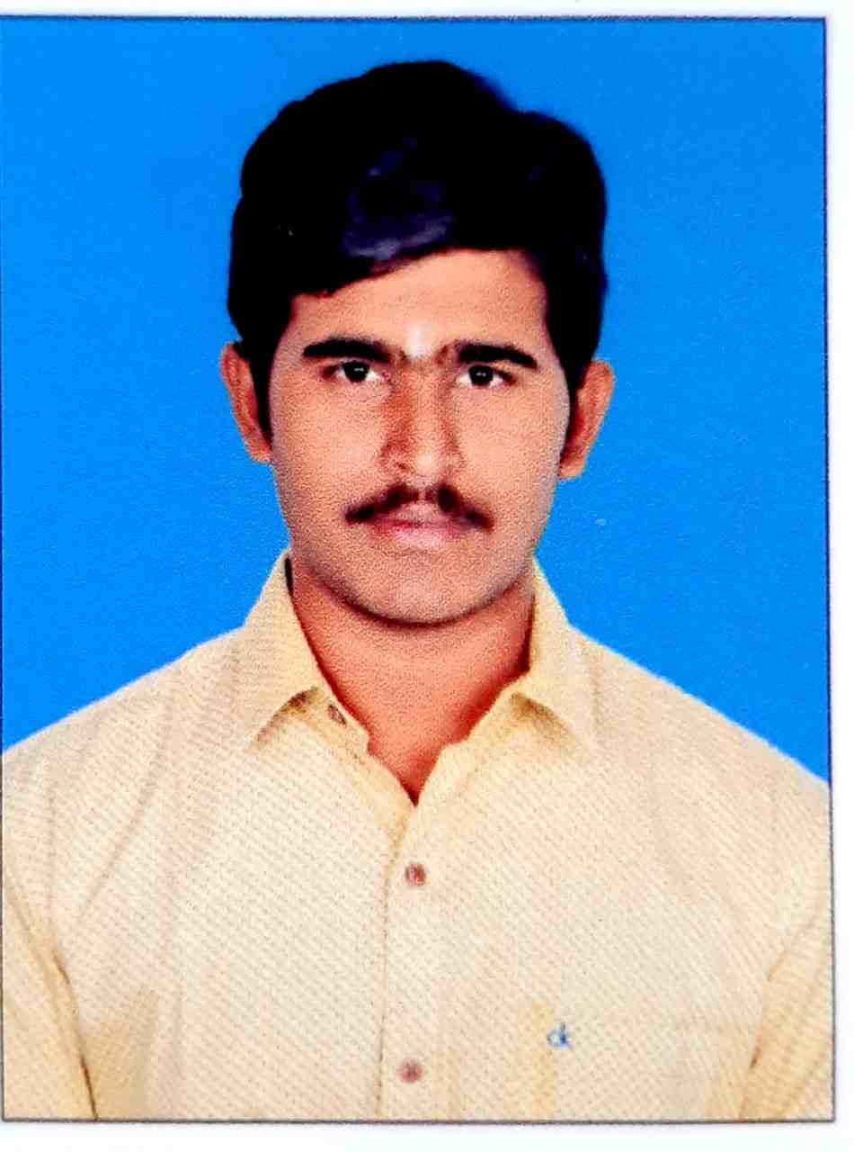

 |  | Roll No.: 21031F0002
 |  | Name: DADYREDDY DHEERAJ KUMAR REDDY
 |  | Course and Branch: M.C.A.

S.No. | Subject Code | Subject Name | Grade | Grade Point | Credits | Result
1 | MC110 | MATHEMATICS FOR COMPUTER SCIENCE | B+ | 7 | 3 | P
2 | MC120 | COMPUTER ARCHITECTURE & ORGANIZATION | B+ | 7 | 3 | P
3 | MC130 | OBJECT ORIENTED PROGRAMMING THROUGH C++ | B+ | 7 | 3 | P
4 | MC140 | OPERATING SYSTEMS | B+ | 7 | 3 | P
5 | MC150 | DATABASE SYSTEMS | C | 5 | 3 | P
6 | MC160 | COMPUTER ARCHITECTURE & ORGANIZATION & OPERATING SYSTEMS LAB | A+ | 9 | 2 | P
7 | MC170 | OBJECT ORIENTED PROGRAMMING THROUGH C++ LAB | A | 8 | 2 | P
8 | MC180 | DATABASE SYSTEMS LAB | A | 8 | 2 | P
9 | MC19A | PROFESSIONAL COMMUNICATION SKILLS | B+ | 7 | 0 | P
 |  |  |  | 149 | 21

 |  | SGPA : | 7.095

21031F0004
 |  | SCHOOL OF INFORMATION TECHNOLOGY
 |  | (Constituent Unit of JNTUH)
 |  | Jawaharlal Nehru Technological University Hyderabad
 |  | Kukatpally - 500 085, Telangana (India).
 |  | (Accredited by NAAC with 'A' Grade)
 |  | M.C.A. I Year I Semester (R20) (Reg) - April, 2022


 |  | Roll No.: 21031F0004
 |  | Name: GANGAPURAM AKHILA
 |  | Course and Branch: M.C.A.

S.No. | Subject Code | Subject Name | Grade | Grade Point | Credits | Result
1 | MC110 | MATHEMATICS FOR COMPUTER SCIENCE | A | 8 | 3 | P
2 | MC120 | COMPUTER ARCHITECTURE & ORGANIZATION | B+ | 7 | 3 | P
3 | MC130 | OBJECT ORIENTED PROGRAMMING THROUGH C++ | B | 6 | 3 | P
4 | MC140 | OPERATING SYSTEMS | O | 10 | 3 | P
5 | MC150 | DATABASE SYSTEMS | A | 8 | 3 | P
6 | MC160 | COMPUTER ARCHITECTURE & ORGANIZATION & OPERATING SYSTEMS LAB | A+ | 9 | 2 | P
7 | MC170 | OBJECT ORIENTED PROGRAMMING THROUGH C++ LAB | A+ | 9 | 2 | P
8 | MC180 | DATABASE SYSTEMS LAB | A+ | 9 | 2 | P
9 | MC19A | PROFESSIONAL COMMUNICATION SKILLS | A+ | 9 | 0 | P
 |  |  |  | 171 | 21

 |  | SGPA : | 8.143

21031F0005
 |  | SCHOOL OF INFORMATION TECHNOLOGY
 |  | (Constituent Unit of JNTUH)
 |  | Jawaharlal Nehru Technological University Hyderabad
 |  | Kukatpally - 500 085, Telangana (India).
 |  | (Accredited by NAAC with 'A' Grade)
 |  | M.C.A. I Year I Semester (R20) (Reg) - April, 2022


 |  | Roll No.: 21031F0005
 |  | Name: AAKASH NADUPALLI
 |  | Course and Branch: M.C.A.

S.No. | Subject Code | Subject Name | Grade | Grade Point | Credits | Result
1 | MC110 | MATHEMATICS FOR COMPUTER SCIENCE | A | 8 | 3 | P
2 | MC120 | COMPUTER ARCHITECTURE & ORGANIZATION | A+ | 9 | 3 | P
3 | MC130 | OBJECT ORIENTED PROGRAMMING THROUGH C++ | A+ | 9 | 3 | P
4 | MC140 | OPERATING SYSTEMS | A+ | 9 | 3 | P
5 | MC150 | DATABASE SYSTEMS | A | 8 | 3 | P
6 | MC160 | COMPUTER ARCHITECTURE & ORGANIZATION & OPERATING SYSTEMS LAB | O | 10 | 2 | P
7 | MC170 | OBJECT ORIENTED PROGRAMMING THROUGH C++ LAB | O | 10 | 2 | P
8 | MC180 | DATABASE SYSTEMS LAB | O | 10 | 2 | P
9 | MC19A | PROFESSIONAL COMMUNICATION SKILLS | A | 8 | 0 | P
 |  |  |  | 189 | 21

 |  | SGPA : | 9

21031F0007
 |  | SCHOOL OF INFORMATION TECHNOLOGY
 |  | (Constituent Unit of JNTUH)
 |  | Jawaharlal Nehru Technological University Hyderabad
 |  | Kukatpally - 500 085, Telangana (India).
 |  | (Accredited by NAAC with 'A' Grade)
 |  | M.C.A. I Year I Semester (R20) (Reg) - April, 2022


 |  | Roll No.: 21031F0007
 |  | Name: RENUKUNTLA SHIVA RAMA KRISHNA
 |  | Course and Branch: M.C.A.

S.No. | Subject Code | Subject Name | Grade | Grade Point | Credits | Result
1 | MC110 | MATHEMATICS FOR COMPUTER SCIENCE | B+ | 7 | 3 | P
2 | MC120 | COMPUTER ARCHITECTURE & ORGANIZATION | B+ | 7 | 3 | P
3 | MC130 | OBJECT ORIENTED PROGRAMMING THROUGH C++ | A+ | 9 | 3 | P
4 | MC140 | OPERATING SYSTEMS | A | 8 | 3 | P
5 | MC150 | DATABASE SYSTEMS | A | 8 | 3 | P
6 | MC160 | COMPUTER ARCHITECTURE & ORGANIZATION & OPERATING SYSTEMS LAB | A+ | 9 | 2 | P
7 | MC170 | OBJECT ORIENTED PROGRAMMING THROUGH C++ LAB | A+ | 9 | 2 | P
8 | MC180 | DATABASE SYSTEMS LAB | A+ | 9 | 2 | P
9 | MC19A | PROFESSIONAL COMMUNICATION SKILLS | A | 8 | 0 | P
 |  |  |  | 171 | 21

 |  | SGPA : | 8.143

21031F0008
 |  | SCHOOL OF INFORMATION TECHNOLOGY
 |  | (Constituent Unit of JNTUH)
 |  | Jawaharlal Nehru Technological University Hyderabad
 |  | Kukatpally - 500 085, Telangana (India).
 |  | (Accredited by NAAC with 'A' Grade)
 |  | M.C.A. I Year I Semester (R20) (Reg) - April, 2022
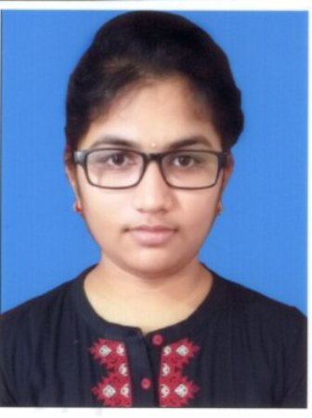

 |  | Roll No.: 21031F0008
 |  | Name: VEMURI VIDYA MADHURI
 |  | Course and Branch: M.C.A.

S.No. | Subject Code | Subject Name | Grade | Grade Point | Credits | Result
1 | MC110 | MATHEMATICS FOR COMPUTER SCIENCE | O | 10 | 3 | P
2 | MC120 | COMPUTER ARCHITECTURE & ORGANIZATION | O | 10 | 3 | P
3 | MC130 | OBJECT ORIENTED PROGRAMMING THROUGH C++ | A+ | 9 | 3 | P
4 | MC140 | OPERATING SYSTEMS | A+ | 9 | 3 | P
5 | MC150 | DATABASE SYSTEMS | A | 8 | 3 | P
6 | MC160 | COMPUTER ARCHITECTURE & ORGANIZATION & OPERATING SYSTEMS LAB | O | 10 | 2 | P
7 | MC170 | OBJECT ORIENTED PROGRAMMING THROUGH C++ LAB | A+ | 9 | 2 | P
8 | MC180 | DATABASE SYSTEMS LAB | A+ | 9 | 2 | P
9 | MC19A | PROFESSIONAL COMMUNICATION SKILLS | A | 8 | 0 | P
 |  |  |  | 194 | 21

 |  | SGPA : | 9.238

21031F0009
 |  | SCHOOL OF INFORMATION TECHNOLOGY
 |  | (Constituent Unit of JNTUH)
 |  | Jawaharlal Nehru Technological University Hyderabad
 |  | Kukatpally - 500 085, Telangana (India).
 |  | (Accredited by NAAC with 'A' Grade)
 |  | M.C.A. I Year I Semester (R20) (Reg) - April, 2022
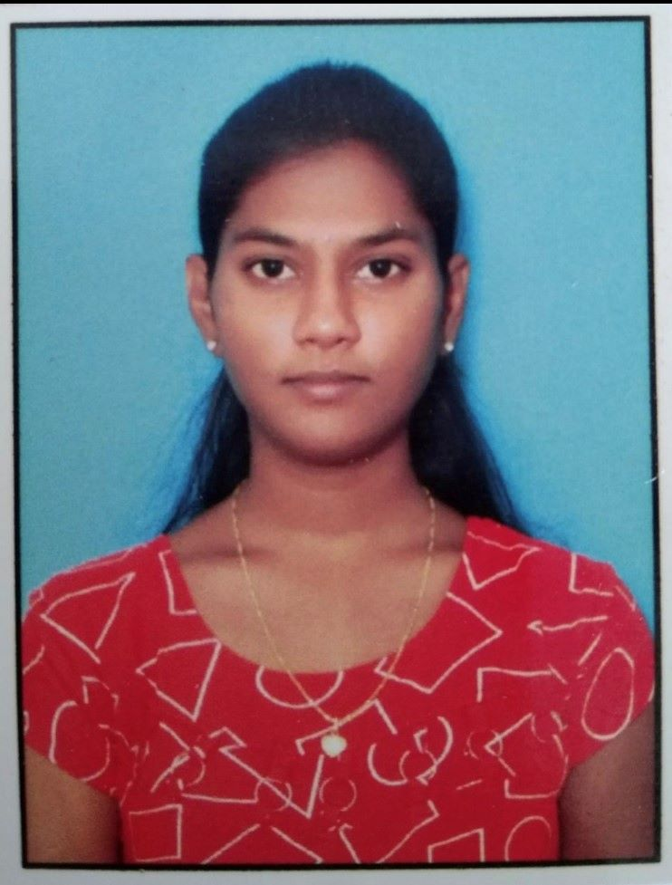

 |  | Roll No.: 21031F0009
 |  | Name: BOLLIPALLI AKANKSHA
 |  | Course and Branch: M.C.A.

S.No. | Subject Code | Subject Name | Grade | Grade Point | Credits | Result
1 | MC110 | MATHEMATICS FOR COMPUTER SCIENCE | O | 10 | 3 | P
2 | MC120 | COMPUTER ARCHITECTURE & ORGANIZATION | A | 8 | 3 | P
3 | MC130 | OBJECT ORIENTED PROGRAMMING THROUGH C++ | A+ | 9 | 3 | P
4 | MC140 | OPERATING SYSTEMS | A+ | 9 | 3 | P
5 | MC150 | DATABASE SYSTEMS | A | 8 | 3 | P
6 | MC160 | COMPUTER ARCHITECTURE & ORGANIZATION & OPERATING SYSTEMS LAB | O | 10 | 2 | P
7 | MC170 | OBJECT ORIENTED PROGRAMMING THROUGH C++ LAB | O | 10 | 2 | P
8 | MC180 | DATABASE SYSTEMS LAB | A+ | 9 | 2 | P
9 | MC19A | PROFESSIONAL COMMUNICATION SKILLS | A | 8 | 0 | P
 |  |  |  | 190 | 21

 |  | SGPA : | 9.048

21031F0010
 |  | SCHOOL OF INFORMATION TECHNOLOGY
 |  | (Constituent Unit of JNTUH)
 |  | Jawaharlal Nehru Technological University Hyderabad
 |  | Kukatpally - 500 085, Telangana (India).
 |  | (Accredited by NAAC with 'A' Grade)
 |  | M.C.A. I Year I Semester (R20) (Reg) - April, 2022
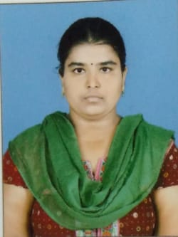

 |  | Roll No.: 21031F0010
 |  | Name: CHINTHA CHANDANA
 |  | Course and Branch: M.C.A.

S.No. | Subject Code | Subject Name | Grade | Grade Point | Credits | Result
1 | MC110 | MATHEMATICS FOR COMPUTER SCIENCE | A+ | 9 | 3 | P
2 | MC120 | COMPUTER ARCHITECTURE & ORGANIZATION | B+ | 7 | 3 | P
3 | MC130 | OBJECT ORIENTED PROGRAMMING THROUGH C++ | A | 8 | 3 | P
4 | MC140 | OPERATING SYSTEMS | A | 8 | 3 | P
5 | MC150 | DATABASE SYSTEMS | A | 8 | 3 | P
6 | MC160 | COMPUTER ARCHITECTURE & ORGANIZATION & OPERATING SYSTEMS LAB | A+ | 9 | 2 | P
7 | MC170 | OBJECT ORIENTED PROGRAMMING THROUGH C++ LAB | A | 8 | 2 | P
8 | MC180 | DATABASE SYSTEMS LAB | A+ | 9 | 2 | P
9 | MC19A | PROFESSIONAL COMMUNICATION SKILLS | A+ | 9 | 0 | P
 |  |  |  | 172 | 21

 |  | SGPA : | 8.19

21031F0012
 |  | SCHOOL OF INFORMATION TECHNOLOGY
 |  | (Constituent Unit of JNTUH)
 |  | Jawaharlal Nehru Technological University Hyderabad
 |  | Kukatpally - 500 085, Telangana (India).
 |  | (Accredited by NAAC with 'A' Grade)
 |  | M.C.A. I Year I Semester (R20) (Reg) - April, 2022
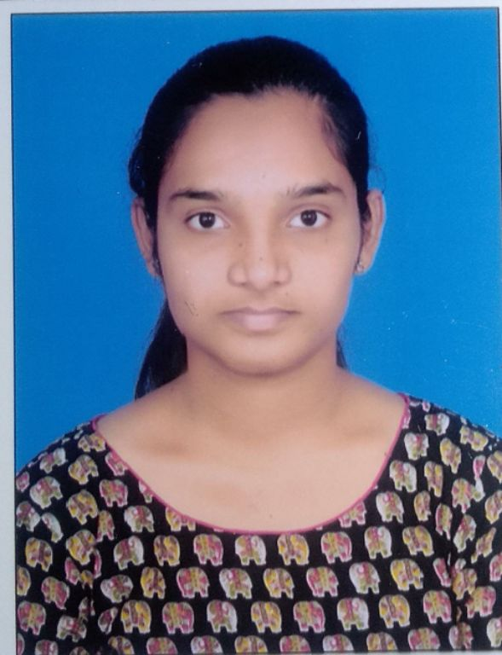

 |  | Roll No.: 21031F0012
 |  | Name: KARNE RAMYA
 |  | Course and Branch: M.C.A.

S.No. | Subject Code | Subject Name | Grade | Grade Point | Credits | Result
1 | MC110 | MATHEMATICS FOR COMPUTER SCIENCE | A | 8 | 3 | P
2 | MC120 | COMPUTER ARCHITECTURE & ORGANIZATION | B+ | 7 | 3 | P
3 | MC130 | OBJECT ORIENTED PROGRAMMING THROUGH C++ | A | 8 | 3 | P
4 | MC140 | OPERATING SYSTEMS | B+ | 7 | 3 | P
5 | MC150 | DATABASE SYSTEMS | B | 6 | 3 | P
6 | MC160 | COMPUTER ARCHITECTURE & ORGANIZATION & OPERATING SYSTEMS LAB | A+ | 9 | 2 | P
7 | MC170 | OBJECT ORIENTED PROGRAMMING THROUGH C++ LAB | A+ | 9 | 2 | P
8 | MC180 | DATABASE SYSTEMS LAB | A | 8 | 2 | P
9 | MC19A | PROFESSIONAL COMMUNICATION SKILLS | A | 8 | 0 | P
 |  |  |  | 160 | 21

 |  | SGPA : | 7.619

21031F0014
 |  | SCHOOL OF INFORMATION TECHNOLOGY
 |  | (Constituent Unit of JNTUH)
 |  | Jawaharlal Nehru Technological University Hyderabad
 |  | Kukatpally - 500 085, Telangana (India).
 |  | (Accredited by NAAC with 'A' Grade)
 |  | M.C.A. I Year I Semester (R20) (Reg) - April, 2022
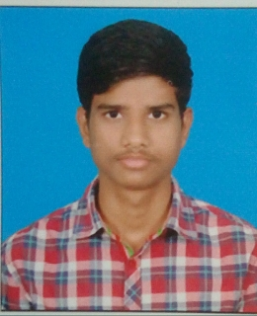

 |  | Roll No.: 21031F0014
 |  | Name: M HARSHITH
 |  | Course and Branch: M.C.A.

S.No. | Subject Code | Subject Name | Grade | Grade Point | Credits | Result
1 | MC110 | MATHEMATICS FOR COMPUTER SCIENCE | B+ | 7 | 3 | P
2 | MC120 | COMPUTER ARCHITECTURE & ORGANIZATION | B+ | 7 | 3 | P
3 | MC130 | OBJECT ORIENTED PROGRAMMING THROUGH C++ | B+ | 7 | 3 | P
4 | MC140 | OPERATING SYSTEMS | B+ | 7 | 3 | P
5 | MC150 | DATABASE SYSTEMS | B | 6 | 3 | P
6 | MC160 | COMPUTER ARCHITECTURE & ORGANIZATION & OPERATING SYSTEMS LAB | A | 8 | 2 | P
7 | MC170 | OBJECT ORIENTED PROGRAMMING THROUGH C++ LAB | A+ | 9 | 2 | P
8 | MC180 | DATABASE SYSTEMS LAB | A | 8 | 2 | P
9 | MC19A | PROFESSIONAL COMMUNICATION SKILLS | A | 8 | 0 | P
 |  |  |  | 152 | 21

 |  | SGPA : | 7.238

21031F0015
 |  | SCHOOL OF INFORMATION TECHNOLOGY
 |  | (Constituent Unit of JNTUH)
 |  | Jawaharlal Nehru Technological University Hyderabad
 |  | Kukatpally - 500 085, Telangana (India).
 |  | (Accredited by NAAC with 'A' Grade)
 |  | M.C.A. I Year I Semester (R20) (Reg) - April, 2022
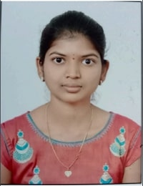

 |  | Roll No.: 21031F0015
 |  | Name: BATTIKADI SREEDIVYA
 |  | Course and Branch: M.C.A.

S.No. | Subject Code | Subject Name | Grade | Grade Point | Credits | Result
1 | MC110 | MATHEMATICS FOR COMPUTER SCIENCE | A | 8 | 3 | P
2 | MC120 | COMPUTER ARCHITECTURE & ORGANIZATION | A | 8 | 3 | P
3 | MC130 | OBJECT ORIENTED PROGRAMMING THROUGH C++ | A+ | 9 | 3 | P
4 | MC140 | OPERATING SYSTEMS | A | 8 | 3 | P
5 | MC150 | DATABASE SYSTEMS | A+ | 9 | 3 | P
6 | MC160 | COMPUTER ARCHITECTURE & ORGANIZATION & OPERATING SYSTEMS LAB | A+ | 9 | 2 | P
7 | MC170 | OBJECT ORIENTED PROGRAMMING THROUGH C++ LAB | A+ | 9 | 2 | P
8 | MC180 | DATABASE SYSTEMS LAB | A+ | 9 | 2 | P
9 | MC19A | PROFESSIONAL COMMUNICATION SKILLS | A+ | 9 | 0 | P
 |  |  |  | 180 | 21

 |  | SGPA : | 8.571

21031F0018
 |  | SCHOOL OF INFORMATION TECHNOLOGY
 |  | (Constituent Unit of JNTUH)
 |  | Jawaharlal Nehru Technological University Hyderabad
 |  | Kukatpally - 500 085, Telangana (India).
 |  | (Accredited by NAAC with 'A' Grade)
 |  | M.C.A. I Year I Semester (R20) (Reg) - April, 2022


 |  | Roll No.: 21031F0018
 |  | Name: DONTULA RAKESH
 |  | Course and Branch: M.C.A.

S.No. | Subject Code | Subject Name | Grade | Grade Point | Credits | Result
1 | MC110 | MATHEMATICS FOR COMPUTER SCIENCE | A | 8 | 3 | P
2 | MC120 | COMPUTER ARCHITECTURE & ORGANIZATION | A | 8 | 3 | P
3 | MC130 | OBJECT ORIENTED PROGRAMMING THROUGH C++ | A+ | 9 | 3 | P
4 | MC140 | OPERATING SYSTEMS | A | 8 | 3 | P
5 | MC150 | DATABASE SYSTEMS | A+ | 9 | 3 | P
6 | MC160 | COMPUTER ARCHITECTURE & ORGANIZATION & OPERATING SYSTEMS LAB | A+ | 9 | 2 | P
7 | MC170 | OBJECT ORIENTED PROGRAMMING THROUGH C++ LAB | O | 10 | 2 | P
8 | MC180 | DATABASE SYSTEMS LAB | A+ | 9 | 2 | P
9 | MC19A | PROFESSIONAL COMMUNICATION SKILLS | A | 8 | 0 | P
 |  |  |  | 182 | 21

 |  | SGPA : | 8.667

21031F0021
 |  | SCHOOL OF INFORMATION TECHNOLOGY
 |  | (Constituent Unit of JNTUH)
 |  | Jawaharlal Nehru Technological University Hyderabad
 |  | Kukatpally - 500 085, Telangana (India).
 |  | (Accredited by NAAC with 'A' Grade)
 |  | M.C.A. I Year I Semester (R20) (Reg) - April, 2022
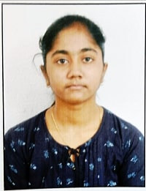

 |  | Roll No.: 21031F0021
 |  | Name: MAMEDIPELLY SAHITYA
 |  | Course and Branch: M.C.A.

S.No. | Subject Code | Subject Name | Grade | Grade Point | Credits | Result
1 | MC110 | MATHEMATICS FOR COMPUTER SCIENCE | A+ | 9 | 3 | P
2 | MC120 | COMPUTER ARCHITECTURE & ORGANIZATION | A | 8 | 3 | P
3 | MC130 | OBJECT ORIENTED PROGRAMMING THROUGH C++ | O | 10 | 3 | P
4 | MC140 | OPERATING SYSTEMS | A+ | 9 | 3 | P
5 | MC150 | DATABASE SYSTEMS | A+ | 9 | 3 | P
6 | MC160 | COMPUTER ARCHITECTURE & ORGANIZATION & OPERATING SYSTEMS LAB | O | 10 | 2 | P
7 | MC170 | OBJECT ORIENTED PROGRAMMING THROUGH C++ LAB | A+ | 9 | 2 | P
8 | MC180 | DATABASE SYSTEMS LAB | A+ | 9 | 2 | P
9 | MC19A | PROFESSIONAL COMMUNICATION SKILLS | A | 8 | 0 | P
 |  |  |  | 191 | 21

 |  | SGPA : | 9.095

21031F0022
 |  | SCHOOL OF INFORMATION TECHNOLOGY
 |  | (Constituent Unit of JNTUH)
 |  | Jawaharlal Nehru Technological University Hyderabad
 |  | Kukatpally - 500 085, Telangana (India).
 |  | (Accredited by NAAC with 'A' Grade)
 |  | M.C.A. I Year I Semester (R20) (Reg) - April, 2022
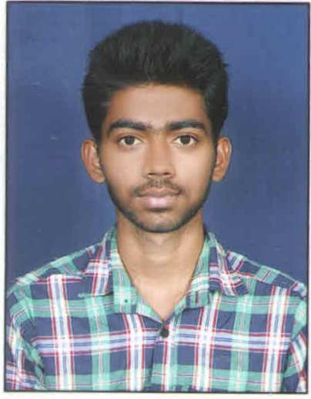

 |  | Roll No.: 21031F0022
 |  | Name: MOODA YADAGIRI
 |  | Course and Branch: M.C.A.

S.No. | Subject Code | Subject Name | Grade | Grade Point | Credits | Result
1 | MC110 | MATHEMATICS FOR COMPUTER SCIENCE | A | 8 | 3 | P
2 | MC120 | COMPUTER ARCHITECTURE & ORGANIZATION | B+ | 7 | 3 | P
3 | MC130 | OBJECT ORIENTED PROGRAMMING THROUGH C++ | A | 8 | 3 | P
4 | MC140 | OPERATING SYSTEMS | B+ | 7 | 3 | P
5 | MC150 | DATABASE SYSTEMS | A | 8 | 3 | P
6 | MC160 | COMPUTER ARCHITECTURE & ORGANIZATION & OPERATING SYSTEMS LAB | A+ | 9 | 2 | P
7 | MC170 | OBJECT ORIENTED PROGRAMMING THROUGH C++ LAB | A | 8 | 2 | P
8 | MC180 | DATABASE SYSTEMS LAB | A+ | 9 | 2 | P
9 | MC19A | PROFESSIONAL COMMUNICATION SKILLS | A | 8 | 0 | P
 |  |  |  | 166 | 21

 |  | SGPA : | 7.905

21031F0024
 |  | SCHOOL OF INFORMATION TECHNOLOGY
 |  | (Constituent Unit of JNTUH)
 |  | Jawaharlal Nehru Technological University Hyderabad
 |  | Kukatpally - 500 085, Telangana (India).
 |  | (Accredited by NAAC with 'A' Grade)
 |  | M.C.A. I Year I Semester (R20) (Reg) - April, 2022


 |  | Roll No.: 21031F0024
 |  | Name: MACHA SAIKRISHNA
 |  | Course and Branch: M.C.A.

S.No. | Subject Code | Subject Name | Grade | Grade Point | Credits | Result
1 | MC110 | MATHEMATICS FOR COMPUTER SCIENCE | A+ | 9 | 3 | P
2 | MC120 | COMPUTER ARCHITECTURE & ORGANIZATION | A | 8 | 3 | P
3 | MC130 | OBJECT ORIENTED PROGRAMMING THROUGH C++ | A | 8 | 3 | P
4 | MC140 | OPERATING SYSTEMS | B+ | 7 | 3 | P
5 | MC150 | DATABASE SYSTEMS | A | 8 | 3 | P
6 | MC160 | COMPUTER ARCHITECTURE & ORGANIZATION & OPERATING SYSTEMS LAB | A+ | 9 | 2 | P
7 | MC170 | OBJECT ORIENTED PROGRAMMING THROUGH C++ LAB | A+ | 9 | 2 | P
8 | MC180 | DATABASE SYSTEMS LAB | O | 10 | 2 | P
9 | MC19A | PROFESSIONAL COMMUNICATION SKILLS | A | 8 | 0 | P
 |  |  |  | 176 | 21

 |  | SGPA : | 8.381

21031F0025
 |  | SCHOOL OF INFORMATION TECHNOLOGY
 |  | (Constituent Unit of JNTUH)
 |  | Jawaharlal Nehru Technological University Hyderabad
 |  | Kukatpally - 500 085, Telangana (India).
 |  | (Accredited by NAAC with 'A' Grade)
 |  | M.C.A. I Year I Semester (R20) (Reg) - April, 2022
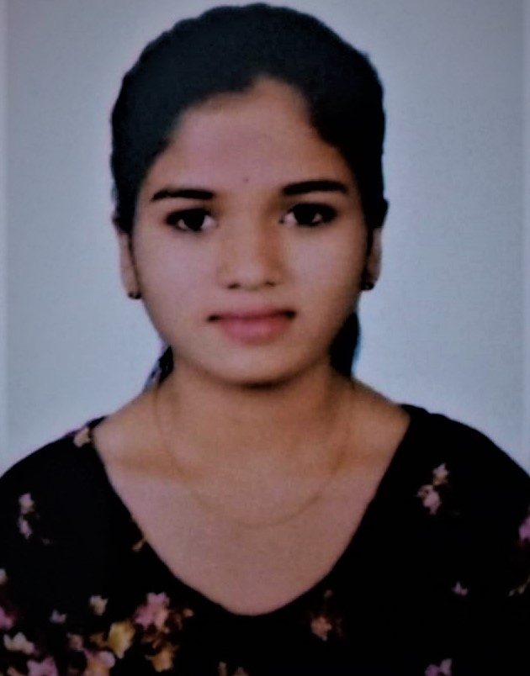

 |  | Roll No.: 21031F0025
 |  | Name: AROORI Y JHANSI
 |  | Course and Branch: M.C.A.

S.No. | Subject Code | Subject Name | Grade | Grade Point | Credits | Result
1 | MC110 | MATHEMATICS FOR COMPUTER SCIENCE | B+ | 7 | 3 | P
2 | MC120 | COMPUTER ARCHITECTURE & ORGANIZATION | B | 6 | 3 | P
3 | MC130 | OBJECT ORIENTED PROGRAMMING THROUGH C++ | F | 0 | 0 | F
4 | MC140 | OPERATING SYSTEMS | B | 6 | 3 | P
5 | MC150 | DATABASE SYSTEMS | C | 5 | 3 | P
6 | MC160 | COMPUTER ARCHITECTURE & ORGANIZATION & OPERATING SYSTEMS LAB | A+ | 9 | 2 | P
7 | MC170 | OBJECT ORIENTED PROGRAMMING THROUGH C++ LAB | A | 8 | 2 | P
8 | MC180 | DATABASE SYSTEMS LAB | A | 8 | 2 | P
9 | MC19A | PROFESSIONAL COMMUNICATION SKILLS | B | 6 | 0 | P
 |  |  |  | 122 | 18

 |  | SGPA : | 6.778

21031F0029
 |  | SCHOOL OF INFORMATION TECHNOLOGY
 |  | (Constituent Unit of JNTUH)
 |  | Jawaharlal Nehru Technological University Hyderabad
 |  | Kukatpally - 500 085, Telangana (India).
 |  | (Accredited by NAAC with 'A' Grade)
 |  | M.C.A. I Year I Semester (R20) (Reg) - April, 2022
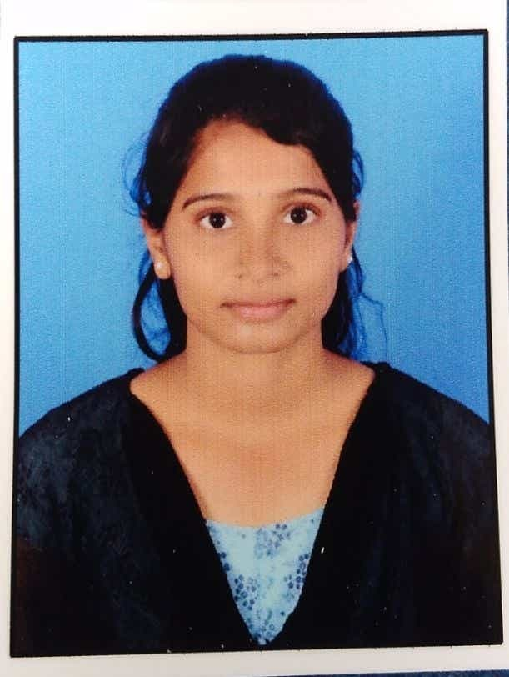

 |  | Roll No.: 21031F0029
 |  | Name: JATAVATH SINDHU
 |  | Course and Branch: M.C.A.

S.No. | Subject Code | Subject Name | Grade | Grade Point | Credits | Result
1 | MC110 | MATHEMATICS FOR COMPUTER SCIENCE | B | 6 | 3 | P
2 | MC120 | COMPUTER ARCHITECTURE & ORGANIZATION | B+ | 7 | 3 | P
3 | MC130 | OBJECT ORIENTED PROGRAMMING THROUGH C++ | A | 8 | 3 | P
4 | MC140 | OPERATING SYSTEMS | B+ | 7 | 3 | P
5 | MC150 | DATABASE SYSTEMS | B+ | 7 | 3 | P
6 | MC160 | COMPUTER ARCHITECTURE & ORGANIZATION & OPERATING SYSTEMS LAB | A+ | 9 | 2 | P
7 | MC170 | OBJECT ORIENTED PROGRAMMING THROUGH C++ LAB | A | 8 | 2 | P
8 | MC180 | DATABASE SYSTEMS LAB | B+ | 7 | 2 | P
9 | MC19A | PROFESSIONAL COMMUNICATION SKILLS | B+ | 7 | 0 | P
 |  |  |  | 153 | 21

 |  | SGPA : | 7.286

