FILL YOUR CONTRACT DATA IN THIS
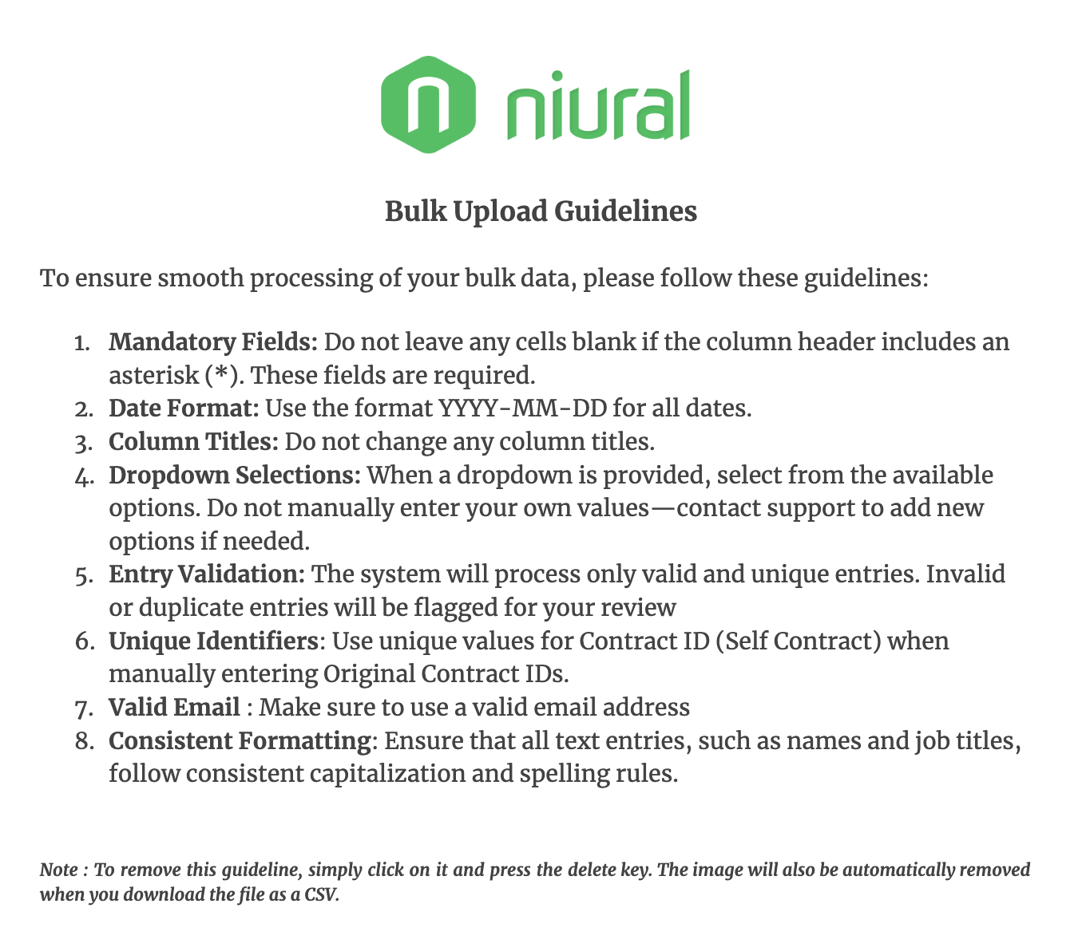
Contract Title* | Contractor Type* | Entity Name ( If Entity ) | First Name* | Middle Name | Last Name* | Email Address* | Country of Tax Residence* | State/Province | Job title* | Scope of work* | Contract Start Date* ( YYYY-MM-DD ) | Contract End date | Notice Period (days) | Contract | Contract Id( Self Upload) | Special Clause | Your Sign

