Human
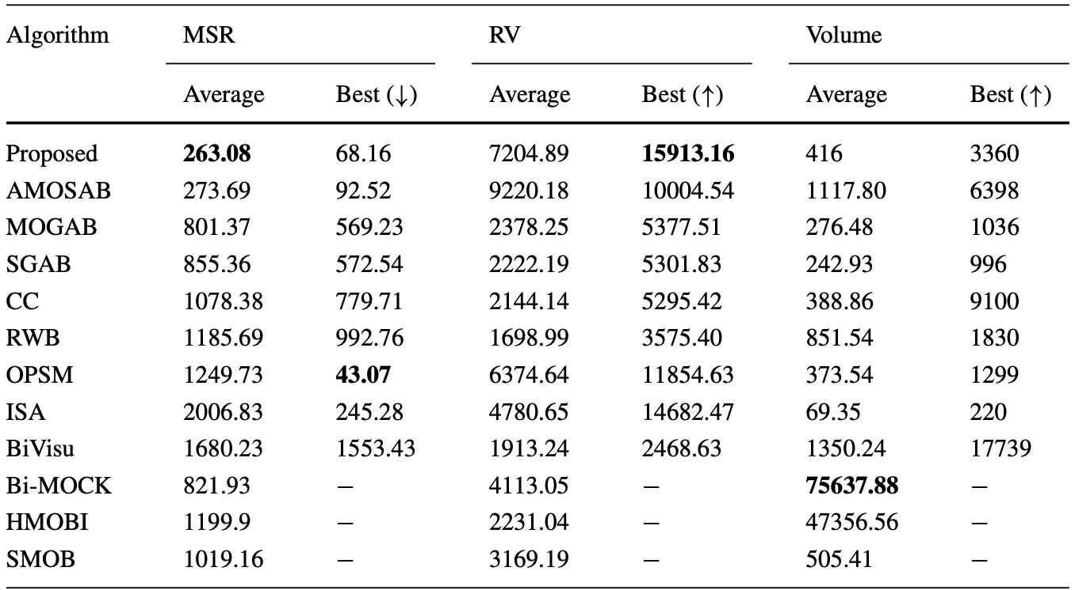

OUR APPORACH | 26657.86 | 20515 | 66712.77 | 71254 | 41343.53 | 54306

Yeast C&C
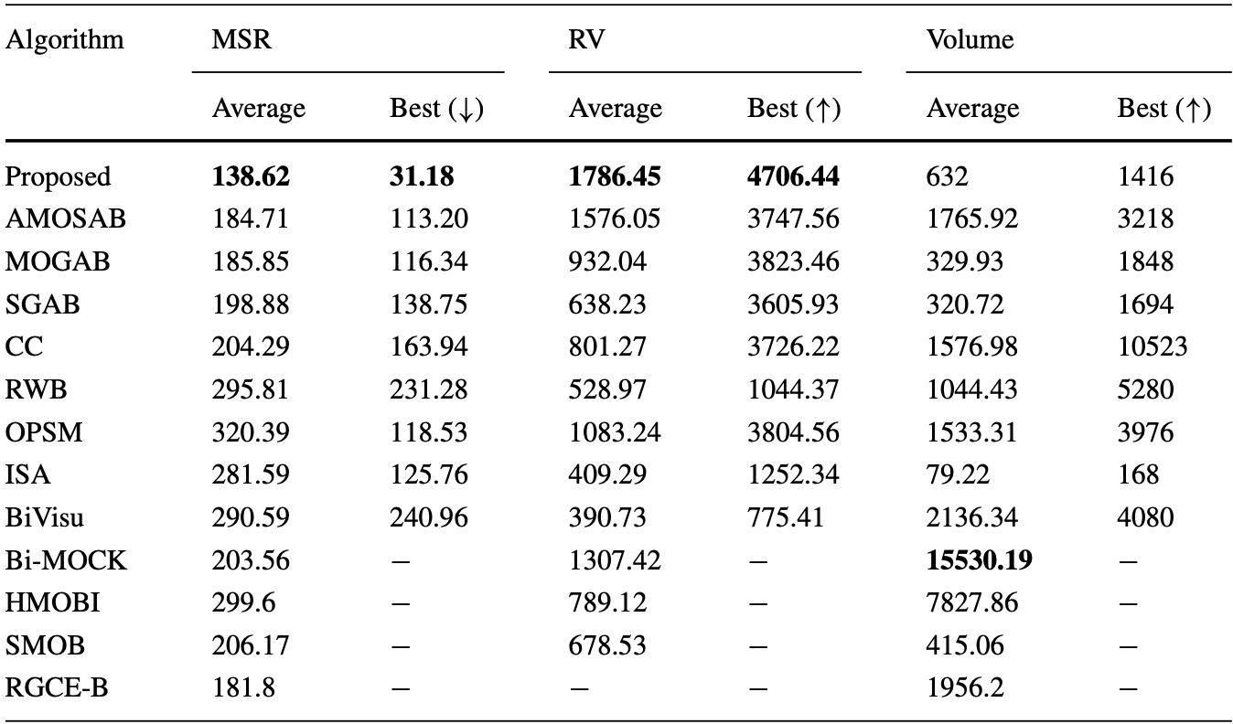

Our | 210.47 | 20.43 | 7852.6 | 20193.68 | 903.71 | 10890

