Main
IA.
 | Audi |  |  | Hyundai |  |  | Nissan |  |  | Kia |  | NAME: Aakash Pillai
 | 6.7 |  |  | 10.3 |  |  | 10.9 |  |  | 9.5 |  | RUID: 193002155
 | 8.3 |  |  | 9.5 |  |  | 9.7 |  |  | 10.1
 | 5.7 |  |  | 9.2 |  |  | 8.2 |  |  | 8.6
 | 5.5 |  |  | 6.5 |  |  | 9.5 |  |  | 7.2
 | 8 |  |  | 7.2 |  |  | 8.4 |  |  | 8.8
 | 8.1 |  |  | 6.2 |  |  | 7.7
 |  |  |  | 7.6
 | Descriptive Statistics |  |  | Descriptive Statistics |  |  | Descriptive Statistics |  |  | Descriptive Statistics
 | Mean | 7.05 |  | Mean | 8.0714285714 |  | Mean | 9.0666666667 |  | Mean | 8.84
 | Median | 7.35 |  | Median | 7.6 |  | Median | 8.95 |  | Median | 8.8
 | Mode | #N/A |  | Mode | #N/A |  | Mode | #N/A |  | Mode | #N/A
 | S.D. | 1.258173279 |  | S.D. | 1.5934389286 |  | S.D. | 1.1843422929 |  | S.D. | 1.0922453937
 | Variance | 1.583 |  | Variance | 2.539047619 |  | Variance | 1.4026666667 |  | Variance | 1.193
 | Minimum | 5.5 |  | Minimum | 6.2 |  | Minimum | 7.7 |  | Minimum | 7.2
 | Q1 | 5.95 |  | Q1 | 6.85 |  | Q1 | 8.25 |  | Q1 | 8.6
 | Median | 7.35 |  | Median | 7.6 |  | Median | 8.95 |  | Median | 8.8
 | Q3 | 8.075 |  | Q3 | 9.35 |  | Q3 | 9.65 |  | Q3 | 9.5
 | Maximum | 8.3 |  | Maximum | 10.3 |  | Maximum | 10.9 |  | Maximum | 10.1
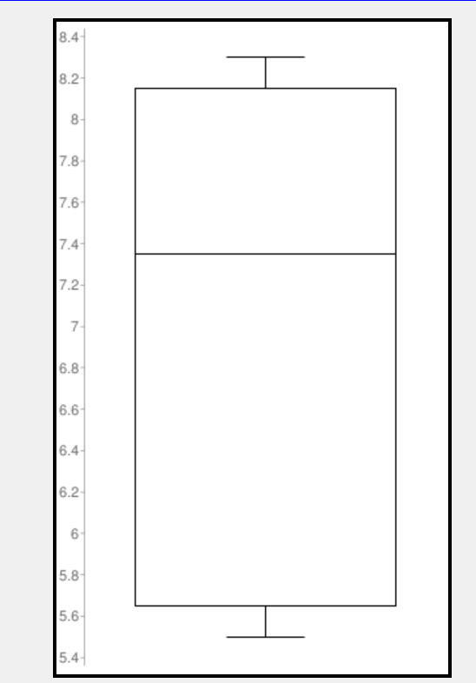
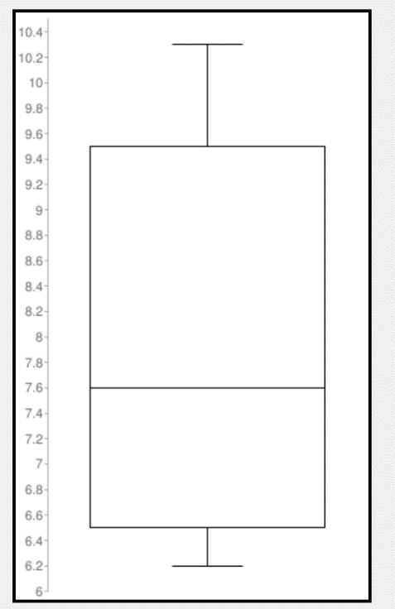
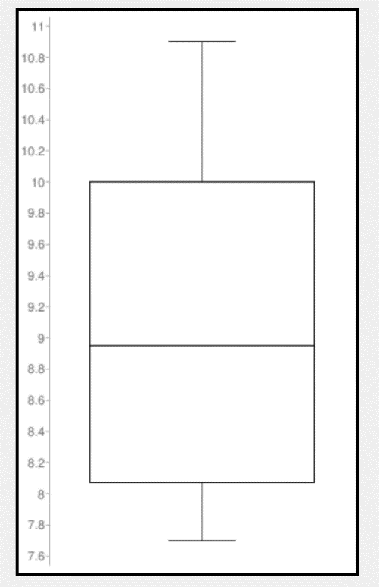
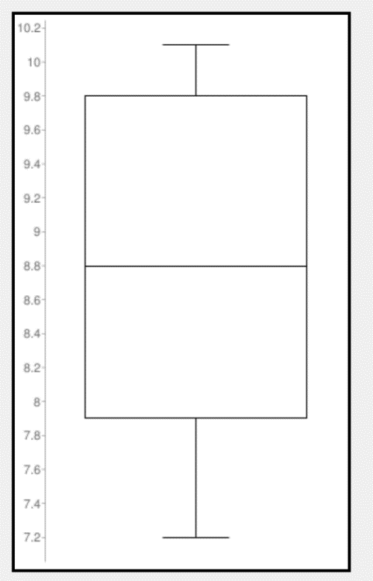

This box-plot demonstrates tht the fastest 0-60MPH time is 5.5 seconds and the slowest is 8.3 seconds. From the 6 models tested, the average 0-60 time is 7.050. Overall, this box plot is negatively skewed.
This box-plot demonstrates tht the fastest 0-60MPH time is 6.2 seconds and the slowest is 10,3 seconds. From the 7 models tested, the average 0-60 time is 8.071. Overall, this box plot is positively skewed.
This box-plot demonstrates tht the fastest 0-60MPH time is 7.7 seconds and the slowest is 10.9 seconds. From the 6 models tested, the average 0-60 time is 9.067. Overall, this box plot is positively skewed.
This box-plot demonstrates tht the fastest 0-60MPH time is 7.2 seconds and the slowest is 10.1 seconds. From the 5 models tested, the average 0-60 time is 8.840.

Lowest Price by Make
IB

Pie Chart - Lowest Price |  |  | Audi | Hyundai | Nissan | Kia
 |  |  | 40.35 | 14.745 | 14.18 | 13.99
 |  |  | 29.9 | 17.259 | 16.48 | 15.89
 |  |  | 46.2 | 21.15 | 22.3 | 21.69
 |  |  | 77.4 | 61.5 | 22.79 | 34
 |  |  | 40 | 34 | 26.53 | 15.19
 |  |  | 42.4 | 26.75 | 29.51
 |  |  |  | 30.15
 |  | Total | 276.25 | 205.554 | 131.79 | 100.76 | 714.354
 |  | Proportions | 0.38671303023 | 0.28774809128 | 0.18448836291 | 0.14105051557 | 1

Highest Price by Make
Bar Graph - Highest Price |  |  | Audi | Hyundai | Nissan | Kia
 |  |  | 51.7 | 17.495 | 17.96 | 18.29
 |  |  | 41.1 | 22.6 | 20.67 | 21.89
 |  |  | 70.9 | 33.525 | 32.35 | 35.5
 |  |  | 137.9 | 68.75 | 29.63 | 43.8
 |  |  | 79.2 | 38.2 | 43.18 | 35.7
 |  |  | 42.4 | 34.6 | 43.1
 |  |  |  | 36
 |  | Total | 423.2 | 251.17 | 186.89 | 155.18 | 1016.44
 |  | Proportions | 0.4163551218 | 0.24710755185 | 0.18386722286 | 0.1526701035 | 1

II. Confidence Interval (One-Mean t-Interval Procedure)

Table (CITY MPG)
Audi | Hyundai | Nissan | Kia |  |  | 23
23 | 28 | 31 | 31 |  |  | 23
23 | 28 | 30 | 30 |  |  | 19
19 | 25 | 27 | 27 |  |  | 17
17 | 16 | 25 | 25 |  |  | 20
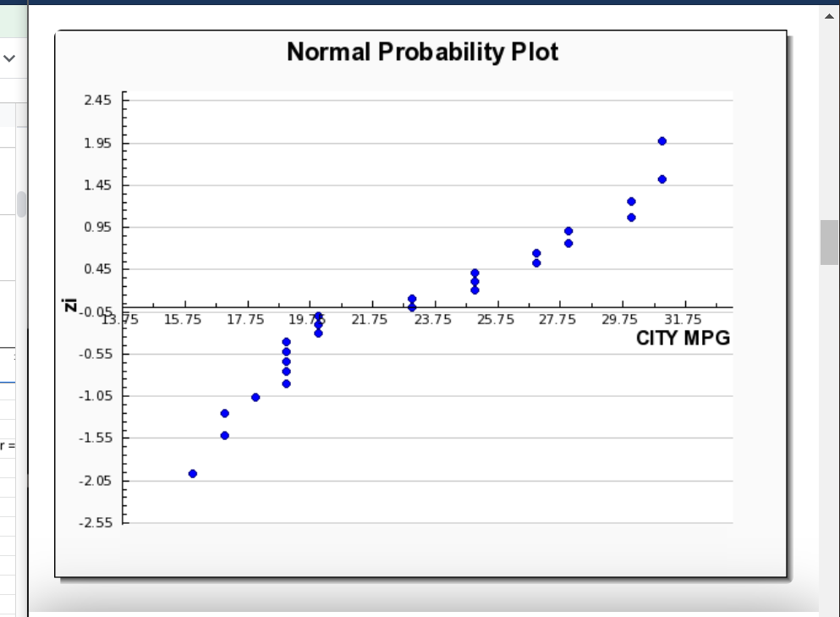
20 | 20 | 19 | 19 |  |  | 20
20 | 17 | 19 | 19 |  |  | 28
 | 18 |  |  |  |  | 28 |  |  |  | `
 |  |  |  |  |  | 25
Total | 557 |  |  | Descriptive Statistics |  | 16
Average | 23.208333333 |  |  | Mean | 23.208333333 | 20
n | 24 |  |  | Median | 23 | 17
df | 23 |  |  | Mode | 19 | 18
sign.level | 0.01 |  |  | S.D. | 4.9165131393 | 31
sign.level/2 | 0.005 |  |  | Variance | 24.172101449 | 30
 |  |  |  | Minimum | 16 | 27
t-interval | 20.128 | 25.505 |  | Q1 | 19 | 25
xbar | 23.208333333 |  |  | Median | 23 | 19
Sx | 4.43 |  |  | Q3 | 27 | 19
 |  |  |  | Maximum | 31 | 31
We can be 99% confident that the mean City MPG, among the makes/models provided, is somewhere between 20.128 and 25.505
 |  |  |  |  |  | 30
 |  |  |  |  |  | 27
 |  |  |  |  |  | 25
 |  |  |  |  |  | 19
 |  |  |  |  |  | 19

 |  |  |  |  |  |  |  |  | NORMALLY DISTRIBUTED
III. Correlation
variables: length of car and wheelbase

Length of Car (X) | Wheelbase (Y)
165 | 97 |  | r | 0.94454436378
175 | 104 |  | r^2 | 0.89216405515
Length of Car (x-axis) vs. Wheelbase (y-axis)
194 | 115
207 | 123
182 | 108
186 | 110
172 | 101
179 | 106
191 | 110
203 | 120
194 | 112
182 | 111
193 | 110
164 | 102
182 | 106
192 | 109
182 | 107
201 | 118
192 | 112
172 | 101
180 | 106
191 | 110
196 | 112
163 | 101
Evidently, length of car is quite useful for predicting wheelbase, because 89.22% (r^2) of the variation
in the observed wheelbases is explained by the regression of wheelbase on length. The linear correlation coefficient, r = 0.944544,
suggests a strong positive linear correlation between length of car and wheelbase.

Correlation t-Test
Null Hypothesis: p = 0 (population linear correlation coefficient)
Alternative Hypothesis: p != 0 (two-tailed)
sign. level: 0.01 (arbitrary)
t test statistic: | 13.491241838
The p-value is < .00001.
The result is significant at p < .01.
Hence, reject the null hypothesis

At 1% significance level, the data provide sufficient evidence to conclude that length of car
and wheelbase are linearly corelated (as p != 0)

IV.
U-turn diameter for <105 Wheelbase
36 | 37 | 37
37 | 32 | 36

MEAN | 35.833333333 |  | F-test
S.D. (sample) | 1.9407902171 |  | F-statistic | 1.334027639
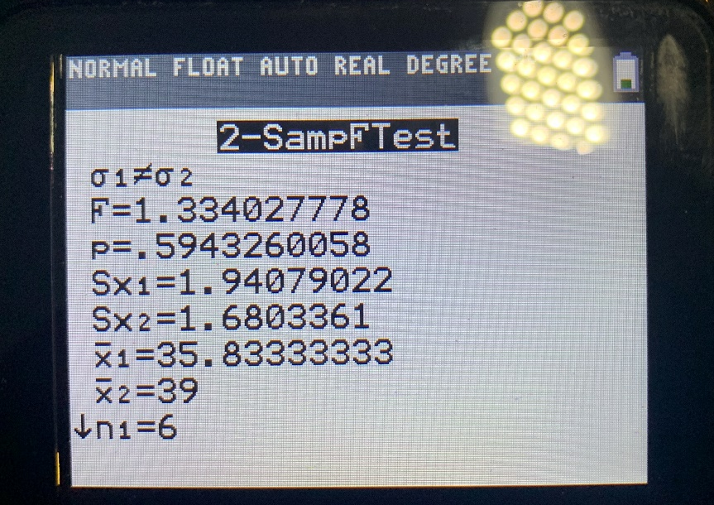
U-turn diameter for >=105 wheelbase
41 | 43 | 39
39 | 36 | 37
41 | 39 | 40
39 | 37 | 40
38 | 39 | 40
38 | 38 | 38

MEAN | 39
S.D. (sample) | 1.6803361008

At alpha = .01, do not reject the null hypothesis, hence the two population standard deviations are equal, meaning we will conduct a pooled t-test

Pooled t-Test (two tailed)
xbar1 | 35.83333
xbar2 | 39
n1 | 6
n2 | 18
s1 | 1.94079
s2 | 1.680336
sp | 1.742951042
t-statistic | -3.854107964
Null Hypothesis: | population mean 1 is equal to population mean 2
Alternative Hypothesis: |  | population mean 1 is not equal to population mean 2
critical values: | +/-2.819
Reject the null hypothesis

Normal Probability Plot (data set 1)

Normal Probability Plots

Data Set 1
X | Position | fi = | z-value
32 | 1 | 0.1 | -1.2815515655
36 | 2 | 0.26 | -0.64334540539
36 | 3 | 0.42 | -0.20189347914
37 | 4 | 0.58 | 0.20189347914
37 | 5 | 0.74 | 0.64334540539
37 | 6 | 0.9 | 1.2815515655

Normal Probability Plot (data set 2)
Data Set 2
X | Position | fi = | z-value
36 | 1 | 0.034246575342 | -1.8217485299
37 | 2 | 0.08904109589 | -1.3466834901
37 | 3 | 0.14383561644 | -1.0632441777
38 | 4 | 0.19863013699 | -0.84652438929
38 | 5 | 0.25342465753 | -0.66375158863
38 | 6 | 0.30821917808 | -0.50090447044
38 | 7 | 0.36301369863 | -0.35041483145
39 | 8 | 0.41780821918 | -0.20750378326
39 | 9 | 0.47260273973 | -0.068728817417
39 | 10 | 0.52739726027 | 0.068728817417
39 | 11 | 0.58219178082 | 0.20750378326
39 | 12 | 0.63698630137 | 0.35041483145
40 | 13 | 0.69178082192 | 0.50090447044
40 | 14 | 0.74657534247 | 0.66375158863
40 | 15 | 0.80136986301 | 0.84652438929
41 | 16 | 0.85616438356 | 1.0632441777
41 | 17 | 0.91095890411 | 1.3466834901
43 | 18 | 0.96575342466 | 1.8217485299

The two populations are normally distributed
This test is appropriate, b/c the following criteria are met:
simple random samples, independent samples,
normal populations/large samples, and equal population standard deviations

Conclusion: at 1% significance level, the data provide sufficient evidence to conclude
that a difference exists between the mean U-turn diameter
of vehicles with a <105 wheelbase and a >=105 wheelbase

V. Regression Analysis

Independent Variable: Weight
Dependant Variable: Acc030 |  |  | REGRESSION EQUATION LISTED BELOW
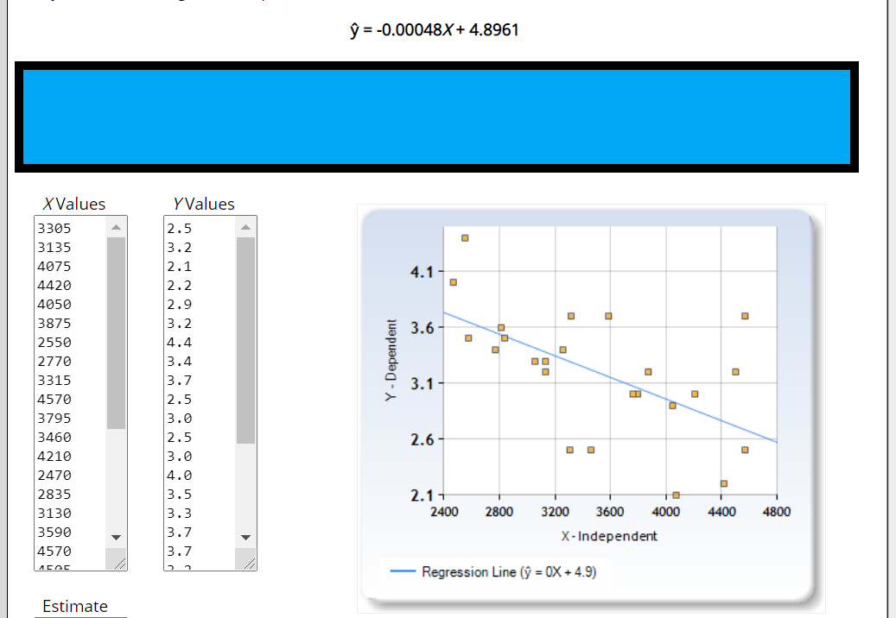
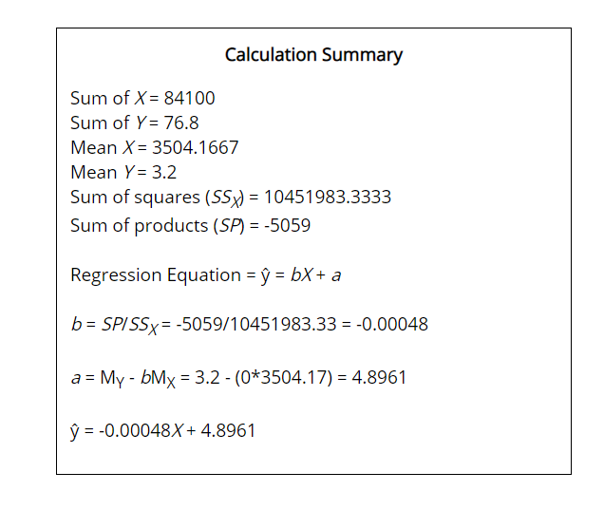

Assumed Value of X: 3000
Y(hat) | 3.4561

Prediction Interval for X = 3000 (prediction interval to the right of the blue arrow)

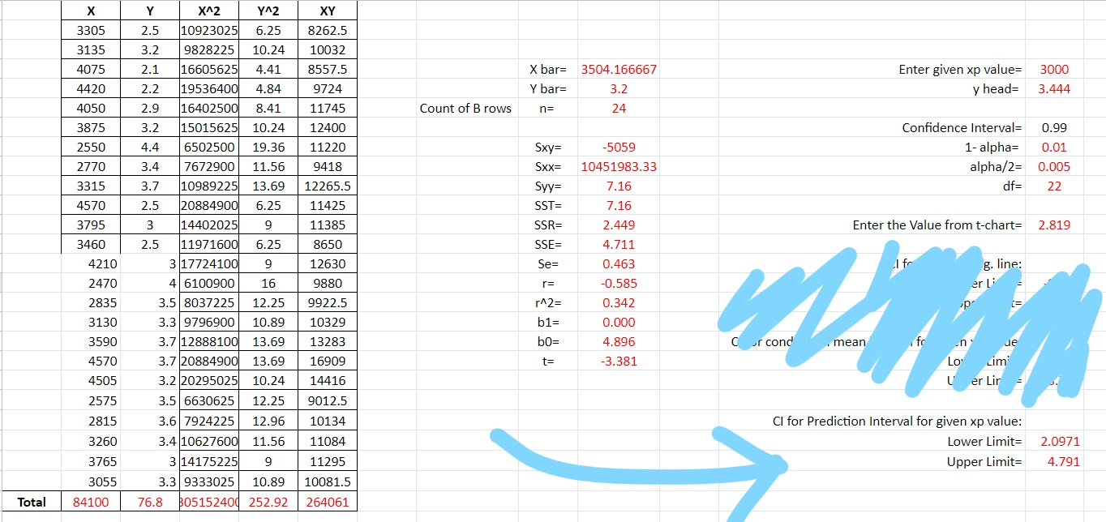

 |  |  |  |  |  |  |  |  |  | PREDICTION INTERVAL LISTED HERE

We can be 99% certain that the Acceleration from 0 to 30 for a 3000 weight vehicle
will be somewhere between 2.0971 and 4.791 (differs little from true values due to truncation)

R^2 | 0.342

Evidently, weight of a vehicle is only somewhat useful for predicting Acc030, because 34.2% (r^2) of the variation
in the observed Acc030's is explained by the regression of Acc030 on weight. The linear correlation coefficient, r = -0.585
suggests a moderate negative linear correlation between weight and Acc030.

Regression t-Test
Null Hypothesis: B1 = 0 (predictor variable is not useful for making predictions)
Alternative Hypothesis: B1 != 0 (predictor variable is useful for making predictions)
alpha: 0.01
t statistic | -3.352
critical values | +/-2.819
Reject the null hypothesis
At 1% significance level, the data provde sufficient evidence to conclude that the slop of the
population regression line is not 0 and hence that age is weight is useful as a linear predictor of
Acc030.

p-value | 0.002883
result is significant at p < .01

VI ANOVA | THE MULTIPLE COMPARISONS ARE LISTED AT THE VERY BOTTOM OF THIS FILE!
MPG Highway | Audi | Hyundai | Nissan | Kia
 | 31 | 37 | 40 | 36
 | 33 | 38 | 39 | 36
 | 28 | 37 | 38 | 34
 | 27 | 24 | 32 | 28
 | 26 | 28 | 24 | 31
 | 27 | 26 | 25
 |  | 24
sum | 172 | 214 | 198 | 165
One Way ANOVA

Null hypothesis: H0: populationMean1 = populationMean2 = populationMean3 = populationMean4
Alternative hypothesis: Ha: Not all the means are equal
alpha: .10
info | n1 = 6 | n2 = 7 | n3 = 6 | n4 = 5 | n = 24
k = 4 | t1 = 172 | t2 = 214 | t3 = 198 | t4 = 165
x summed | 749
sum of all squares | 24045
SST | 669.95833333
SSTR | 76.910714286
SSE | 593.04761905

One-Way ANOVA Table
Source | df | SS | MS=SS/df | F-Statistic
Treatment | 3 | 76.910714286 | 25.636904762 | 0.86458168828
Error | 20 | 593.0476 | 29.65238
Total | 23 | 669.9583

critical value: 2.38
do not reject null hypothesis
At 5% significance level, the data does not provide sufficient evidence to conclude
that a difference exists in the mean MPG Highway for the different makes

F Statistic | 0.08645816883

MULTIPLE COMPARISONS DATA/CHARTS

Summary statistics (Quantitative data):

Variable | Observations | Obs. with missing data | Obs. without missing data | Minimum | Maximum | Mean | Std. deviation
Y | 24 | 0 | 24 | 24.000 | 40.000 | 31.208 | 5.397

Summary statistics (Qualitative data):

Variable | Categories | Counts | Frequencies | %
MPG Highway | Audi | 6 | 6 | 25.000
 | Hyundai | 7 | 7 | 29.167
 | Kia | 5 | 5 | 20.833
 | Nissan | 6 | 6 | 25.000

Correlation matrix:

 | MPG Highway-Audi | MPG Highway-Hyundai | MPG Highway-Kia | MPG Highway-Nissan | Y
MPG Highway-Audi | 1 | -0.370 | -0.296 | -0.333 | -0.278
MPG Highway-Hyundai | -0.370 | 1 | -0.329 | -0.370 | -0.077
MPG Highway-Kia | -0.296 | -0.329 | 1 | -0.296 | 0.174
MPG Highway-Nissan | -0.333 | -0.370 | -0.296 | 1 | 0.196
Y | -0.278 | -0.077 | 0.174 | 0.196 | 1

Regression of variable Y:

Goodness of fit statistics (Y):

Observations | 24
Sum of weights | 24
DF | 20
R² | 0.115
Adjusted R² | -0.018
MSE | 29.652
RMSE | 5.445
MAPE | 14.335
DW | 0.563
Cp | 4.000
AIC | 84.973
SBC | 89.686
PC | 1.239

Analysis of variance (Y):

Source | DF | Sum of squares | Mean squares | F | Pr > F
Model | 3 | 76.911 | 25.637 | 0.865 | 0.476
Error | 20 | 593.048 | 29.652
Corrected Total | 23 | 669.958
Computed against model Y=Mean(Y)

Model parameters (Y):

Source | Value | Standard error | t | Pr > |t| | Lower bound (95%) | Upper bound (95%)
Intercept | 33.000 | 2.223 | 14.844 | <0.0001 | 28.363 | 37.637
MPG Highway-Audi | -4.333 | 3.144 | -1.378 | 0.183 | -10.891 | 2.225
MPG Highway-Hyundai | -2.429 | 3.030 | -0.802 | 0.432 | -8.748 | 3.891
MPG Highway-Kia | 0.000 | 3.297 | 0.000 | 1.000 | -6.878 | 6.878
MPG Highway-Nissan | 0.000 | 0.000

Equation of the model (Y):

Y = 33-4.33333333333332*MPG Highway-Audi-2.42857142857142*MPG Highway-Hyundai

Standardized coefficients (Y):

Source | Value | Standard error | t | Pr > |t| | Lower bound (95%) | Upper bound (95%)
MPG Highway-Audi | -0.355 | 0.258 | -1.378 | 0.183 | -0.893 | 0.182
MPG Highway-Hyundai | -0.209 | 0.261 | -0.802 | 0.432 | -0.753 | 0.335
MPG Highway-Kia | 0.000 | 0.253 | 0.000 | 1.000 | -0.529 | 0.529
MPG Highway-Nissan | 0.000 | 0.000

Y / Standardized coefficients(95% conf. interval)
MPG Highway-Audi | -0.355
MPG Highway-Hyundai | -0.209
MPG Highway-Kia | 0.000
MPG Highway-Nissan | 0.000

Predictions and residuals (Y):

Observation | Weight | Y | Pred(Y) | Residual | Std. residual | Std. dev. on pred. (Mean) | Lower bound 95% (Mean) | Upper bound 95% (Mean) | Std. dev. on pred. (Observation) | Lower bound 95% (Observation) | Upper bound 95% (Observation)
Obs1 | 1 | 31.000 | 28.667 | 2.333 | 0.428 | 2.223 | 24.029 | 33.304 | 5.882 | 16.398 | 40.936
Obs2 | 1 | 37.000 | 30.571 | 6.429 | 1.181 | 2.058 | 26.278 | 34.865 | 5.821 | 18.428 | 42.715
Obs3 | 1 | 40.000 | 33.000 | 7.000 | 1.285 | 2.223 | 28.363 | 37.637 | 5.882 | 20.731 | 45.269
Obs4 | 1 | 36.000 | 33.000 | 3.000 | 0.551 | 2.435 | 27.920 | 38.080 | 5.965 | 20.557 | 45.443
Obs5 | 1 | 33.000 | 28.667 | 4.333 | 0.796 | 2.223 | 24.029 | 33.304 | 5.882 | 16.398 | 40.936
Obs6 | 1 | 38.000 | 30.571 | 7.429 | 1.364 | 2.058 | 26.278 | 34.865 | 5.821 | 18.428 | 42.715
Obs7 | 1 | 39.000 | 33.000 | 6.000 | 1.102 | 2.223 | 28.363 | 37.637 | 5.882 | 20.731 | 45.269
Obs8 | 1 | 36.000 | 33.000 | 3.000 | 0.551 | 2.435 | 27.920 | 38.080 | 5.965 | 20.557 | 45.443
Obs9 | 1 | 28.000 | 28.667 | -0.667 | -0.122 | 2.223 | 24.029 | 33.304 | 5.882 | 16.398 | 40.936
Obs10 | 1 | 37.000 | 30.571 | 6.429 | 1.181 | 2.058 | 26.278 | 34.865 | 5.821 | 18.428 | 42.715
Obs11 | 1 | 38.000 | 33.000 | 5.000 | 0.918 | 2.223 | 28.363 | 37.637 | 5.882 | 20.731 | 45.269
Obs12 | 1 | 34.000 | 33.000 | 1.000 | 0.184 | 2.435 | 27.920 | 38.080 | 5.965 | 20.557 | 45.443
Obs13 | 1 | 27.000 | 28.667 | -1.667 | -0.306 | 2.223 | 24.029 | 33.304 | 5.882 | 16.398 | 40.936
Obs14 | 1 | 24.000 | 30.571 | -6.571 | -1.207 | 2.058 | 26.278 | 34.865 | 5.821 | 18.428 | 42.715
Obs15 | 1 | 32.000 | 33.000 | -1.000 | -0.184 | 2.223 | 28.363 | 37.637 | 5.882 | 20.731 | 45.269
Obs16 | 1 | 28.000 | 33.000 | -5.000 | -0.918 | 2.435 | 27.920 | 38.080 | 5.965 | 20.557 | 45.443
Obs17 | 1 | 26.000 | 28.667 | -2.667 | -0.490 | 2.223 | 24.029 | 33.304 | 5.882 | 16.398 | 40.936
Obs18 | 1 | 28.000 | 30.571 | -2.571 | -0.472 | 2.058 | 26.278 | 34.865 | 5.821 | 18.428 | 42.715
Obs19 | 1 | 24.000 | 33.000 | -9.000 | -1.653 | 2.223 | 28.363 | 37.637 | 5.882 | 20.731 | 45.269
Obs20 | 1 | 31.000 | 33.000 | -2.000 | -0.367 | 2.435 | 27.920 | 38.080 | 5.965 | 20.557 | 45.443
Obs21 | 1 | 27.000 | 28.667 | -1.667 | -0.306 | 2.223 | 24.029 | 33.304 | 5.882 | 16.398 | 40.936
Obs22 | 1 | 26.000 | 30.571 | -4.571 | -0.840 | 2.058 | 26.278 | 34.865 | 5.821 | 18.428 | 42.715
Obs23 | 1 | 25.000 | 33.000 | -8.000 | -1.469 | 2.223 | 28.363 | 37.637 | 5.882 | 20.731 | 45.269
Obs24 | 1 | 24.000 | 30.571 | -6.571 | -1.207 | 2.058 | 26.278 | 34.865 | 5.821 | 18.428 | 42.715

Pred(Y) - Y
28.667 | 31.000
30.571 | 37.000
33.000 | 40.000
33.000 | 36.000
28.667 | 33.000
30.571 | 38.000
33.000 | 39.000
33.000 | 36.000
28.667 | 28.000
30.571 | 37.000
33.000 | 38.000
33.000 | 34.000
28.667 | 27.000
30.571 | 24.000
33.000 | 32.000
33.000 | 28.000
28.667 | 26.000
30.571 | 28.000
33.000 | 24.000
33.000 | 31.000
28.667 | 27.000
30.571 | 26.000
33.000 | 25.000
30.571 | 24.000
Y / Standardized residuals
31.000 | 0.428
37.000 | 1.181
40.000 | 1.285
36.000 | 0.551
33.000 | 0.796
38.000 | 1.364
39.000 | 1.102
36.000 | 0.551
28.000 | -0.122
37.000 | 1.181
38.000 | 0.918
34.000 | 0.184
27.000 | -0.306
24.000 | -1.207
32.000 | -0.184
28.000 | -0.918
26.000 | -0.490
28.000 | -0.472
24.000 | -1.653
31.000 | -0.367
27.000 | -0.306
26.000 | -0.840
25.000 | -1.469
24.000 | -1.207
Pred(Y) / Standardized residuals
28.667 | 0.428
30.571 | 1.181
33.000 | 1.285
33.000 | 0.551
28.667 | 0.796
30.571 | 1.364
33.000 | 1.102
33.000 | 0.551
28.667 | -0.122
30.571 | 1.181
33.000 | 0.918
33.000 | 0.184
28.667 | -0.306
30.571 | -1.207
33.000 | -0.184
33.000 | -0.918
28.667 | -0.490
30.571 | -0.472
33.000 | -1.653
33.000 | -0.367
28.667 | -0.306
30.571 | -0.840
33.000 | -1.469
30.571 | -1.207

Standardized residuals / Y
Obs1 | 0.428
Obs2 | 1.181
Obs3 | 1.285
Obs4 | 0.551
Obs5 | 0.796
Obs6 | 1.364
Obs7 | 1.102
Obs8 | 0.551
Obs9 | -0.122
Obs10 | 1.181
Obs11 | 0.918
Obs12 | 0.184
Obs13 | -0.306
Obs14 | -1.207
Obs15 | -0.184
Obs16 | -0.918
Obs17 | -0.490
Obs18 | -0.472
Obs19 | -1.653
Obs20 | -0.367
Obs21 | -0.306
Obs22 | -0.840
Obs23 | -1.469
Obs24 | -1.207

LS Means for factor MPG Highway:

Category | LS mean | Standard error | Lower bound (95%) | Upper bound (95%)
Audi | 28.667 | 2.223 | 24.029 | 33.304
Hyundai | 30.571 | 2.058 | 26.278 | 34.865
Kia | 33.000 | 2.435 | 27.920 | 38.080
Nissan | 33.000 | 2.223 | 28.363 | 37.637

Means(Y) - MPG Highway
Audi | 28.667
Hyundai | 30.571
Kia | 33.000
Nissan | 33.000

ANOVA
You are using the XLSTAT trial version. Number of days remaining until the trial expires: -48

XLSTAT 2020.4.1.1036 - ANOVA - Start time: 15/12/2020 at 20:13:31 / End time: 15/12/2020 at 20:13:32 / Microsoft Excel 16.013426
These results have been generated using XLSTAT Free. You can benefit from many more tools and options with a full version.
Data table: Workbook = AAKASH FINAL PROJECT.xlsx / Sheet = Sheet1 / Range = Sheet1!$A$335:$E$342 / 8 rows and 5 columns
Constraints: an=0
Confidence interval (%): 95
Tolerance: 0.0001
Use least squares means: Yes

Summary statistics (Quantitative data):

Variable | Observations | Obs. with missing data | Obs. without missing data | Minimum | Maximum | Mean | Std. deviation
Y | 24 | 0 | 24 | 24.000 | 40.000 | 31.208 | 5.397

Summary statistics (Qualitative data):

Variable | Categories | Counts | Frequencies | %
MPG Highway | Audi | 6 | 6 | 25.000
 | Hyundai | 7 | 7 | 29.167
 | Kia | 5 | 5 | 20.833
 | Nissan | 6 | 6 | 25.000

Correlation matrix:

 | MPG Highway-Audi | MPG Highway-Hyundai | MPG Highway-Kia | MPG Highway-Nissan | Y
MPG Highway-Audi | 1 | -0.370 | -0.296 | -0.333 | -0.278
MPG Highway-Hyundai | -0.370 | 1 | -0.329 | -0.370 | -0.077
MPG Highway-Kia | -0.296 | -0.329 | 1 | -0.296 | 0.174
MPG Highway-Nissan | -0.333 | -0.370 | -0.296 | 1 | 0.196
Y | -0.278 | -0.077 | 0.174 | 0.196 | 1

Regression of variable Y:

Goodness of fit statistics (Y):

Observations | 24
Sum of weights | 24
DF | 20
R² | 0.115
Adjusted R² | -0.018
MSE | 29.652
RMSE | 5.445
MAPE | 14.335
DW | 0.563
Cp | 4.000
AIC | 84.973
SBC | 89.686
PC | 1.239

Analysis of variance (Y):

Source | DF | Sum of squares | Mean squares | F | Pr > F
Model | 3 | 76.911 | 25.637 | 0.865 | 0.476
Error | 20 | 593.048 | 29.652
Corrected Total | 23 | 669.958
Computed against model Y=Mean(Y)

Model parameters (Y):

Source | Value | Standard error | t | Pr > |t| | Lower bound (95%) | Upper bound (95%)
Intercept | 33.000 | 2.223 | 14.844 | <0.0001 | 28.363 | 37.637
MPG Highway-Audi | -4.333 | 3.144 | -1.378 | 0.183 | -10.891 | 2.225
MPG Highway-Hyundai | -2.429 | 3.030 | -0.802 | 0.432 | -8.748 | 3.891
MPG Highway-Kia | 0.000 | 3.297 | 0.000 | 1.000 | -6.878 | 6.878
MPG Highway-Nissan | 0.000 | 0.000

Equation of the model (Y):

Y = 33-4.33333333333332*MPG Highway-Audi-2.42857142857142*MPG Highway-Hyundai

Standardized coefficients (Y):

Source | Value | Standard error | t | Pr > |t| | Lower bound (95%) | Upper bound (95%)
MPG Highway-Audi | -0.355 | 0.258 | -1.378 | 0.183 | -0.893 | 0.182
MPG Highway-Hyundai | -0.209 | 0.261 | -0.802 | 0.432 | -0.753 | 0.335
MPG Highway-Kia | 0.000 | 0.253 | 0.000 | 1.000 | -0.529 | 0.529
MPG Highway-Nissan | 0.000 | 0.000

Y / Standardized coefficients(95% conf. interval)

Predictions and residuals (Y):

Observation | Weight | Y | Pred(Y) | Residual | Std. residual | Std. dev. on pred. (Mean) | Lower bound 95% (Mean) | Upper bound 95% (Mean) | Std. dev. on pred. (Observation) | Lower bound 95% (Observation) | Upper bound 95% (Observation)
Obs1 | 1 | 31.000 | 28.667 | 2.333 | 0.428 | 2.223 | 24.029 | 33.304 | 5.882 | 16.398 | 40.936
Obs2 | 1 | 37.000 | 30.571 | 6.429 | 1.181 | 2.058 | 26.278 | 34.865 | 5.821 | 18.428 | 42.715
Obs3 | 1 | 40.000 | 33.000 | 7.000 | 1.285 | 2.223 | 28.363 | 37.637 | 5.882 | 20.731 | 45.269
Obs4 | 1 | 36.000 | 33.000 | 3.000 | 0.551 | 2.435 | 27.920 | 38.080 | 5.965 | 20.557 | 45.443
Obs5 | 1 | 33.000 | 28.667 | 4.333 | 0.796 | 2.223 | 24.029 | 33.304 | 5.882 | 16.398 | 40.936
Obs6 | 1 | 38.000 | 30.571 | 7.429 | 1.364 | 2.058 | 26.278 | 34.865 | 5.821 | 18.428 | 42.715
Obs7 | 1 | 39.000 | 33.000 | 6.000 | 1.102 | 2.223 | 28.363 | 37.637 | 5.882 | 20.731 | 45.269
Obs8 | 1 | 36.000 | 33.000 | 3.000 | 0.551 | 2.435 | 27.920 | 38.080 | 5.965 | 20.557 | 45.443
Obs9 | 1 | 28.000 | 28.667 | -0.667 | -0.122 | 2.223 | 24.029 | 33.304 | 5.882 | 16.398 | 40.936
Obs10 | 1 | 37.000 | 30.571 | 6.429 | 1.181 | 2.058 | 26.278 | 34.865 | 5.821 | 18.428 | 42.715
Obs11 | 1 | 38.000 | 33.000 | 5.000 | 0.918 | 2.223 | 28.363 | 37.637 | 5.882 | 20.731 | 45.269
Obs12 | 1 | 34.000 | 33.000 | 1.000 | 0.184 | 2.435 | 27.920 | 38.080 | 5.965 | 20.557 | 45.443
Obs13 | 1 | 27.000 | 28.667 | -1.667 | -0.306 | 2.223 | 24.029 | 33.304 | 5.882 | 16.398 | 40.936
Obs14 | 1 | 24.000 | 30.571 | -6.571 | -1.207 | 2.058 | 26.278 | 34.865 | 5.821 | 18.428 | 42.715
Obs15 | 1 | 32.000 | 33.000 | -1.000 | -0.184 | 2.223 | 28.363 | 37.637 | 5.882 | 20.731 | 45.269
Obs16 | 1 | 28.000 | 33.000 | -5.000 | -0.918 | 2.435 | 27.920 | 38.080 | 5.965 | 20.557 | 45.443
Obs17 | 1 | 26.000 | 28.667 | -2.667 | -0.490 | 2.223 | 24.029 | 33.304 | 5.882 | 16.398 | 40.936
Obs18 | 1 | 28.000 | 30.571 | -2.571 | -0.472 | 2.058 | 26.278 | 34.865 | 5.821 | 18.428 | 42.715
Obs19 | 1 | 24.000 | 33.000 | -9.000 | -1.653 | 2.223 | 28.363 | 37.637 | 5.882 | 20.731 | 45.269
Obs20 | 1 | 31.000 | 33.000 | -2.000 | -0.367 | 2.435 | 27.920 | 38.080 | 5.965 | 20.557 | 45.443
Obs21 | 1 | 27.000 | 28.667 | -1.667 | -0.306 | 2.223 | 24.029 | 33.304 | 5.882 | 16.398 | 40.936
Obs22 | 1 | 26.000 | 30.571 | -4.571 | -0.840 | 2.058 | 26.278 | 34.865 | 5.821 | 18.428 | 42.715
Obs23 | 1 | 25.000 | 33.000 | -8.000 | -1.469 | 2.223 | 28.363 | 37.637 | 5.882 | 20.731 | 45.269
Obs24 | 1 | 24.000 | 30.571 | -6.571 | -1.207 | 2.058 | 26.278 | 34.865 | 5.821 | 18.428 | 42.715

Y / Standardized residuals
Pred(Y) / Standardized residuals
Pred(Y) - Y

Standardized residuals / Y

LS Means for factor MPG Highway:

Category | LS mean | Standard error | Lower bound (95%) | Upper bound (95%)
Audi | 28.667 | 2.223 | 24.029 | 33.304
Hyundai | 30.571 | 2.058 | 26.278 | 34.865
Kia | 33.000 | 2.435 | 27.920 | 38.080
Nissan | 33.000 | 2.223 | 28.363 | 37.637

Means(Y) - MPG Highway

