Sheet1
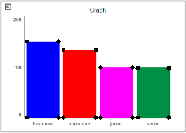
Color of Bar | Height in px | Image with Markings
Color | 70
Color | 71
Color | 96
Color | 108

 | Row x Column
 | 190 x 265

