Sheet1
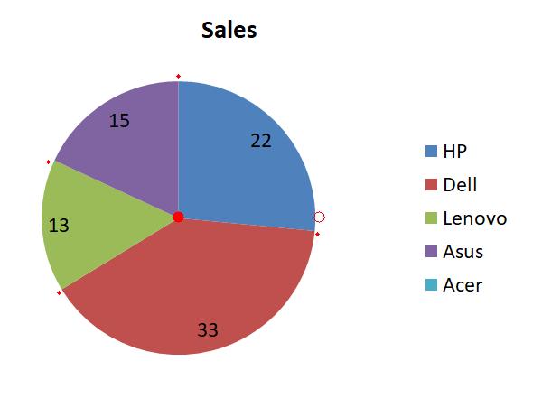
Color of Segment | %age Value | Image with Markings
Color | 15.44%
Color | 18.68%
Color | 27.04%
Color | 38.84%

 | Sum of Angles
 | 360.0000000000001 Degrees

