START
Landslide-generated Impulse Waves in Reservoirs - Basics and Computation
Computational tool v1.0

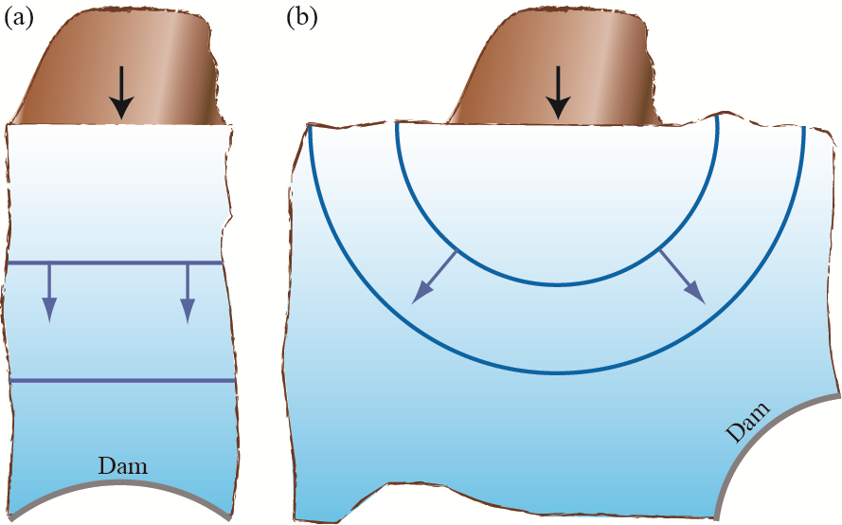
Project:

Generation | Propagation (2D)
Computes 2D impulse wave characteristics based on governing slide parameters at a streamwise distance x (Figure 3-2a)
Generation | Propagation (3D)
Computes 3D impulse wave characteristics based on governing slide parameters at a radial distance r and a propagation angle γ (Figure 3-2b)
Run-up | Overtopping
Computes run-up heights and overtopping characteristics based on governing impulse wave (2D or 3D input) and shore/dam parameters
Overland flow
Computes overland flow characteristics based on governing impulse wave (2D or 3D input) and shore parameters
Wave force
Definition sketch with (a) 2D and (b) 3D wave propagation (Figure 3-2)
Computes wave force based on governing impulse wave (2D or 3D input) and dam parameters

Colour coding
 | Insert parameter value
 | Within limitation range
 | Outside limitation range

Generation | Propagation (2D)
Generation | Propagation (2D)
Project:

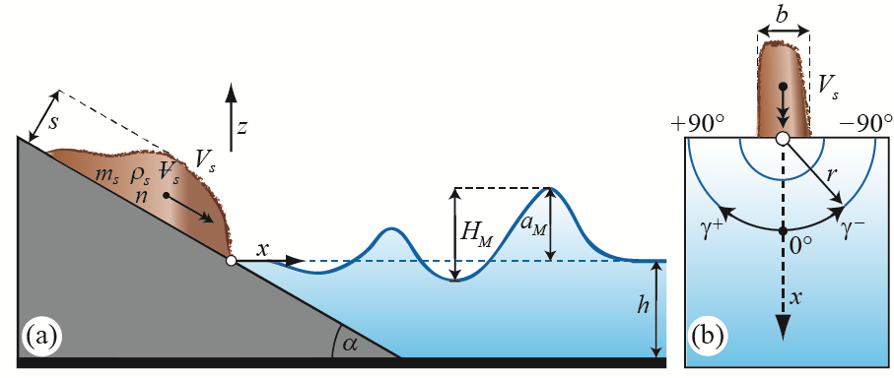
Governing parameters
Wave generation
Slide impact velocity | Vs |  | [m/s]
Bulk slide volume | Vs |  | [m3]
Slide thickness | s |  | [m]
Slide/reservoir width | b |  | [m]
Bulk slide density | ρs |  | [kg/m3]
Bulk slide porosity | n |  | [%]
Definition sketch (Figure 3-3a)
Slide impact angle | α |  | [°]
Still water depth | h |  | [m]
Wave propagation
Streamwise distance | x |  | [m] | Limitations (Table 3-2)
 |  |  |  | Slide Froude number | 0.86 ≤ F ≤ 6.83 | [-]
Main results |  |  |  | Relative slide thickness | 0.09 ≤ S ≤ 1.64 | [-]
Maximum wave height | HM | Eq. (3.13) | [m] | Relative slide mass | 0.11 ≤ M ≤ 10.02 | [-]
Maximum wave amplitude | aM | Eq. (3.16) | [m] | Relative slide density | 0.59 ≤ D ≤ 1.72 | [-]
Streamwise distance of aM | xM | Eq. (3.14) | [m] | Relative granulate density | 0.96 ≤ ρg/ρw ≤ 2.75 | [-]
Wave period at xM | TM | Eq. (3.15) | [s] | Relative slide volume | 0.05 ≤ V ≤ 5.94 | [-]
Wave celerity at xM | c(xM) | Eq. (3.17) | [m/s] | Bulk slide porosity | 30.7 ≤ n ≤ 43.3 | [%]
Wave length at xM | LM | Eq. (3.18) | [m] | Slide impact angle | 30 ≤ α ≤ 90 | [°]
Wave height at x | H(x) | Eq. (3.19) | [m] | Relative slide width | 0.74 ≤ B ≤ 3.33 | [-]
Wave amplitude at x | a(x) | Eq. (3.16) | [m] | Relative streamwise distance | 2.7 ≤ X ≤ 59.2 | [-]
Wave period at x | T(x) | Eq. (3.20) | [s] | Impulse product parameter | 0.17 ≤ P ≤ 8.13 | [-]
Wave celerity at x | c(x) | Eq. (3.17) | [m/s]
Wave length at x | L(x) | Eq. (3.21) | [m]

Generation | Propagation (3D)
Generation | Propagation (3D)
Project:

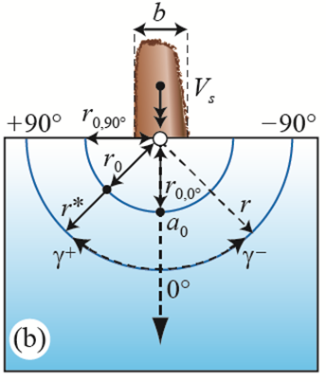
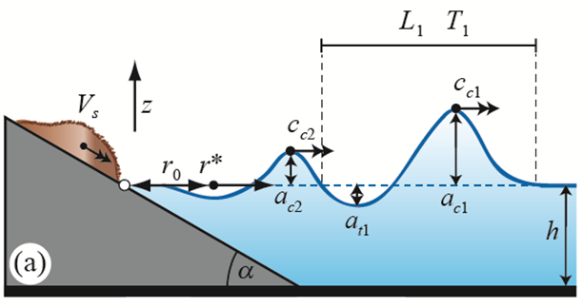
Governing parameters
Wave generation
Slide impact velocity | Vs |  | [m/s]
Bulk slide volume | Vs |  | [m3]
Slide thickness | s |  | [m]
Slide width | b |  | [m]
Bulk slide density | ρs |  | [kg/m3]
Bulk slide porosity | n |  | [%]
Slide impact angle | α |  | [°]
Still water depth | h |  | [m]
Definition sketch (Figure 3-6)
Wave propagation
Radial distance | r |  | [m]
Wave propagation angle | γ |  | [°]
 |  |  |  | Limitations (Table 3-3)
Main results |  |  |  | Slide Froude number | 0.40 ≤ F ≤ 3.40 | [-]
Impact radius for γ = 0° | r0,0° | Eq. (3.22) | [m] | Relative slide thickness | 0.15 ≤ S ≤ 0.60 | [-]
Impact radius for γ = 90° | r0,90° | Eq. (3.23) | [m] | Relative slide mass | 0.25 ≤ M ≤ 1.00 | [-]
Impact radius | r0(γ) | Eq. (3.24) | [m] | Relative slide density | 0.59 ≤ D ≤ 1.72 | [-] (1)
Surrogate radial distance | r* | Eq. (3.25) | [m] | Relative granulate density | 0.96 ≤ ρg/ρw ≤ 2.75 | [-] (1)
Initial first wave crest amplitude | a0,c1 | Eq. (3.26) | [m] | Relative slide volume | 0.187 ≤ V ≤ 0.750 | [-]
Initial first wave trough amplitude | a0,t1 | Eq. (3.27) | [m] | Bulk slide porosity | 30.7 ≤ n ≤ 43.3 | [%] (1)
Initial second wave crest amplitude | a0,c2 | Eq. (3.28) | [m] | Slide impact angle | 30° ≤ α ≤ 90° | [°]
First wave crest amplitude | ac1 | Eq. (3.29) | [m] | Relative slide width | 0.83 ≤ B ≤ 5.00 | [-]
First wave trough amplitude | at1 | Eq. (3.30) | [m] | Relative radial distance | 1 ≤ r/h ≤ 16 | [-]
Second wave crest amplitude | ac2 | Eq. (3.31) | [m] | Wave propagation angle | −90° ≤ γ ≤ 90° | [°]
First wave crest celerity | cc1 | Eq. (3.32) | [m/s] | Impulse product parameter | 0.13 ≤ P ≤ 2.08 | [-]
Second wave crest celerity | cc2 | Eq. (3.33) | [m/s] | (1) extended density range 0.59 ≤ D ≤ 1.72
Wave period (first wave) | T1 | Eq. (3.34) | [s]
Wave length (first wave) | L1 | Eq. (3.35) | [m]

Run-up | Overtopping
Run-up | Overtopping
Project:

Governing parameters
Wave parameters
Wave parameters input source | (2D or 3D)
Wave crest amplitude | a |  | [m] (1)
Wave height | H |  | [m] (2)
Still water depth | h |  | [m]
Shore/dam parameters
Definition sketch (Figure A-1)
Run-up angle | β |  | [°]
Freeboard | f |  | [m]
Dam crest width | bK |  | [m]
 |  |  |  | Limitations (Tables 3-4, 3-5 and A-1)
Main results |  |  |  | Wave run-up
Wave run-up |  |  |  | Relative wave crest amplitude | 0.007 ≤ ε ≤ 0.69 | [-]
Run-up height | R | Eq. (3.36) | [m] | Non-linearity | 0.57 ≤ a/H ≤ 1.04 | [-]
Wave overtopping (rigid dam) |  |  |  | Run-up angle | 10° ≤ β ≤ 90° | [°]
Overtopping volume per unit dam crest length | V | Eq. (3.38) | [m3/m] | Slope parameter | So ≥ 0.37 | [-]
Maximum overtopping flow depth | d0 | Eq. (3.39) | [m] | Wave overtopping (rigid dam)
Wave overtopping duration | tO | Eq. (3.40) | [s] | Relative wave crest amplitude | 0.013 ≤ ε ≤ 0.700 | [-]
Average unit discharge | qm | Eq. (3.41) | [m2/s] | Relative effective wave amplitude | 0.02 ≤ aw/bK ≤ 130 | [-]
Wave overtopping (granular dam) (see Appendix A) |  |  |  | Relative still water depth | 0.67 ≤ h/w ≤ 1.00 | [-]
Overtopping volume per unit dam crest length | V | Eq. (A.1) | [m3/m] | Dam angle | 18.4° ≤ β ≤ 90° | [°]
Maximum overtopping flow depth | d0 | Eq. (A.2) | [m] | Non-linearity | 0.63 ≤ a/H ≤ 1.00 | [-]
Wave overtopping duration | tO | Eq. (A.3) | [s] | Relative crest width | 0.07 ≤ bK/w ≤ 0.53 | [-]
Average unit discharge | qm | Eq. (A.4) | [m2/s] | Wave overtopping (granular dam)
Eroded crest depth | he | Eq. (A.5) | [m] | Relative wave crest amplitude | 0.25 ≤ ε ≤ 0.75 | [-]
(1) 3D: a = ac1 if ac1 > ac2 or a = ac2 if ac1 < ac2 |  |  |  | Wave-freeboard ratio | 0.8 ≤ a/f ≤ 11.4 | [-]
(2) 3D: H = ac1 + at1 if ac1 > ac2 or H = ac2 + at1 if ac1 < ac2 |  |  |  | Relative still water depth | 0.70 ≤ h/w ≤ 0.95 | [-]
 |  |  |  | Dam angle | 18.4° ≤ β ≤ 33.3° | [°]
 |  |  |  | Non-linearity | a/H = 1.00 | [-]
 |  |  |  | Relative crest width | 0 ≤ bK/w ≤ 0.5 | [-]

Overland flow
Overland flow
Project:

Governing parameters
Wave parameters
Wave parameter input source | (2D or 3D)
Wave crest amplitude | a |  | [m] (1)
Still water depth | h |  | [m]
Shore parameters
Run-up angle | β |  | [°]
Freeboard | f |  | [m]
Definition sketch (Figure 3-8)
Streamwise overland flow distance | xov |  | [m]
Overland flow propagation time | t |  | [s]

Main results |  |  |  | Limitations (Table 3-6)
Minimum relative wave amplitude | εmin | Eq. (3.42) | [-] | Relative wave crest amplitude | 0.1 ≤ ε ≤ 0.7 | [-]
Effective relative wave amplitude | εeff | Eq. (3.43) | [-] | Run-up angle | 11° ≤ β ≤ 34° | [°]
Flow front position at time t | xf | Eq. (3.44) | [m] | Relative freeboard | 0.04 ≤ f/h ≤ 0.56 | [-]
Maximum flow depth at xtr | d0 | Eq. (3.45) | [m] | Overland flow distance | 0 ≤ xov/w ≤ 10 | [-]
Relative overland flow position | x*max | Eq. (3.46) | [-]
Maximum flow depth at xov | dmax | Eq. (3.47) | [m]
Maximum depth averaged flow velocity at xtr | ṽx,max | Eq. (3.48) | [m/s]
Maximum flow front velocity at xov/w = 5 | vf,max | Eq. (3.49) | [m/s]
Maximum specific discharge at xtr | q0 | Eq. (3.51) | [m2/s]
(1) 3D: a = ac1 if ac1 > ac2 or a = ac2 if ac1 < ac2

Wave force
Wave force
Project:

Governing parameters
Wave parameters
Wave parameter input source | (2D or 3D)
Wave crest amplitude | a |  | [m] (1)
Still water depth | h |  | [m]
Dam parameters
Run-up angle | β |  | [°]
Freeboard | f |  | [m]

Definition sketch (Figure 3-11)
Main results
Hydrostatic pressure force (horizontal component) | FRW,h | Eq. (3.52) | [N/m]
Hydrostatic pressure force (vertical component) | FRW,v | Eq. (3.53) | [N/m]
Hydrostatic pressure force by 2a+h (horizontal) | Fhs,h | Eq. (3.55) | [N/m]
Total horizontal force due to wave (horizontal) | Ftot,h | Eq. (3.54) | [N/m] | Limitation
Total horizontal force due to wave (vertical) | Ftot,v | - | [N/m] | Relative wave crest amplitude | 0 ≤ ε ≤ 0.6 | [-]
Pressure at dam crest | pK | Eq. (3.56) | [N/m2]
Reduced overtopping force (horizontal) | Ftot,h,red | Eq. (3.57) | [N/m]
Reduced overtopping force (vertical) | Ftot,v,red | - | [N/m]
Elevation of the resultant of Ktot,h,red | zK,tot,h,red | Eq. (3.58) | [m]
(1) 3D: a = ac1 if ac1 > ac2 or a = ac2 if ac1 < ac2

