Checklist
Plan Group | Plan Name | Period | SPIFF
Partner | D2D | Weekly
Partner | Indirect | Weekly
Partner | Outbound | Weekly
Partner | Dig Partners | Weekly

Employee | MDU | Monthly
Employee | D2D | Monthly
Employee | Management - New Logo Emerging | Monthly
Employee | Management - SMB | Monthly
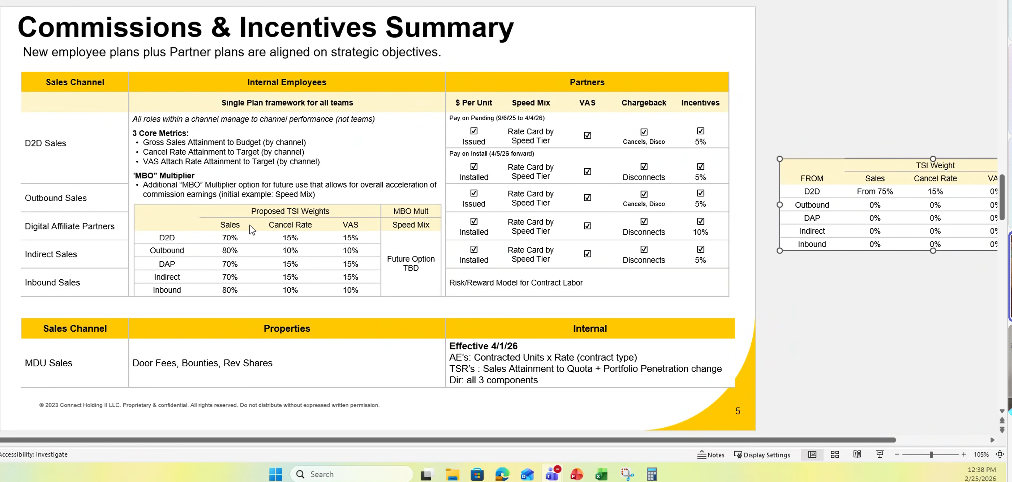
Employee | Management - Sales Engineer - Enterprise | Monthly
Employee | Management - Sales Engineer - SMB | Monthly

Sales Engineering (Active) | Sales Engineer - Enterprise | Annual | X
Sales Engineering (Active) | Sales Engineer - SMB | Semi Annual | X

Channel​ | # of Partners​ | Sale ​ Issued or Installed​ | New ​ | Migration​ | VOIP & VAS​ | Chargebacks​ | Freq​
 |  |  | by Speed Rate per unit​ | by Speed Rate per unit​ | per unit​
D2D​ | 13​ | Prior to 9/6: Installed​ | $350 - $625​ | $350 - $625​ | $15 - $50​ | Vol Discos (Installed) and Cancels (Issued)​ | Weekly​
 |  | 9/7 forward: Issued​ |  |  |  | RCC Compliance Failure​
Indirect​ | 10​ | Installed​ | $300 - $575​ | $250 - $375​ | $15 - $50​ | Vol Discos​ | Weekly​
Outbound​ | 5​ | Issued​ | $450 - $700​ | $125 - $185​ | $15 - $50​ | Cancels​ | Monthly​
 |  |  | Penalty applied for below quota​
Dig Partners​ | 6​ | Installed​ | Acquisition: $90​ | All: $150​ | $35 - $80​ | Vol Discos​ | Monthly​
 |  |  | Branded: $170 - $250​ | ​
 |  |  | Non-Branded: $230 - $500​
 |  |  | Non-Paid Media: $230 - $475​

Functional Requirements
Functional Requirements

Plan ID | Plan Category | Category | CIQ Plan Name | Channel Name | Component / Product | Weight | Achievement Bands | Multiplier/Rates | Eligibility Period | Payout Frequency | Crediting type | Datasource | Eligibility Criteria | Eligibility logic / formula / definition | Attainment logic / formula / definition | Split Eligibility | Payout Calculation Details | LOA Considerations | Calculated vs lookup | Payout Cap | Adjustments & Overrides | Clawback Criteria | Ramping Criteria & Logic | Team Notes | Build Reference (clone from which other Plan) | Statement Details (# required per plan, components needed) | Comments | Component Design Status | Component Build Status | Statement Status | Testing Status | Customer Approval | Customer Approval Date
1 | Partner | Partner | D2D | D2D | Install | 1.00 | 0% - 100% | 1.00 | Weekly (Sunday to Saturday) | Weekly | Based on Install Date |  | To be eligible for credit and payment on a closed opportunity, the following conditions must be met: Opportunity Status: The opportunity must have and install Date in the payment period date Partner Status: The Partner must be Active at the time the opportunity is closed , Agent status is not relevant Timing: The opportunity must be installed within the period being calculated for payout. Product Assignment: Products must be assigned a rate effective on the install date. Plan Enrollment: The partner must be assigned to a compensation plan at the time of credit eligibility. | Any opportunity which is installed in the week period, is paid out based on the rate card . Sunday to Saturday currently in GST Data comes in on Monday for Piror week, process and complete it by Friday and gets paid on following Monday after approvals | if Install Date(Feb 1 ) is between Feb 1 and Feb 8 and Technology is Fibre and Channel is D2D and Product Name is Fiber 1 GB and ORDER Type is Migration : look up rate | Based on Opp Data uploaded from Excel | Payout = Sum commission payout + payment adjustments + NRD payments + any previous period commission owe *Variable Data Changes: If a variable (e.g., plan, role, territory) changes on or before the 12th of the month, the change will be backdated to the 1st of the month for credit purposes. If the change occurs on or after the 13th, it will be effective from the 1st of the following month. If ONLY variable changes (not plan, quota, or territory) then we prorate the change by business day. e.g. if variable changes effective the 15th, we calculate (old variable / business days in month * business days on old variable) + (new variable / business days in month * business days on new variable) | not applicable to Partners |  | not applicable to Partners | Manual Upload Rep Attainment Adjustments must follow this criteria: a. Adjustment has Vendor ID in upload to map to Plan b. Adjustment date is in period c. Adjustment date must be >= plan period effective date and <= plan period end date d. Vendor must active on the adjustment date |  | not applicable to Partners | Calculate the payout, for weekly amount, and then subtract the amount for cancellation between last 90 days True Up: until the plan assignment changes or the Fiscal year. True Up: previous quarter true will no longer exist. Only the current quarter true up exists |  |  |  | FALSE | FALSE | FALSE | FALSE | FALSE
 |  |  |  |  |  |  |  |  |  |  |  |  | Installed​
2 | Partner | Partner | Indirect | Partner - Indirect | BS Broadband | 1.00 | Install - New Install |  | Annual | Weekly | Based on Install Date |  |  |  |  |  |  |  |  | No Cap |  |  |  |  |  |  |  | FALSE | FALSE
 |  |  |  |  |  |  | Install - Migration
 |  |  |  |  |  |  | BS Broadband
 |  |  |  |  |  |  | WIFI EXTENDER
 |  |  |  |  | WiFi Extender |  | wifi Protection |  |  |  |  |  |  |  |  |  |  |  |  |  |  |  |  | Pacing Kicker doesn't match the Planned Doc and Set up in CIQ
 |  |  |  |  | QF Broadband |  | BrightSpeed Total Home Tech Support
 |  |  |  |  | VOIP |  | Residence Voice Line
 |  |  |  |  |  |  | BrightSpeed Fiber Voice
 |  |  |  |  |  |  | FIBER INTERNET 5 GIG
 |  |  |  |  |  |  |  |  |  |  |  |  |  |  |  |  |  |  |  |  | Manual Upload Rep Attainment Adjustments must follow this criteria: a. Adjustment has rep ID in upload to map to rep in Spiff b. Adjustment date is in period c. Adjustment date must be >= plan effective date and <= plan end date d. Rep must not be on NRD on the adjustment date
3 |  |  | Outbound | Outbound |  |  | Fiber |  |  | Monthly |  |  | Issued​ | This is for the Deal Reg component a. Opp is assigned to same territory as rep b. Opp is closed won in period c. Opp close date must be >= plan effective date and <= plan end date d. Rep must not be on NRD on the close date of the Opp e. Exclude opportunities with “Exclude from Compensation” Boolean = true f. Opp has related Partner Registration__c object g. Partner Registration Record Type = Deal Registration h. Partner Registration Record Status = Approve i. Related PartnerRegistration__c has the following criteria met (“DR TYPE” Check) j. These Reseller_Account__c.Name are interchangeable for Opportunity.Partner__c.Name k. Opportunity.Record_Type_Name__c must be CDW -USA = CDWG - Government CDWG - Government = CDW Connection = GovConnection GovConnection = Connection MoreDirect = Connection GovConnection = MoreDirect MoreDirect = GovConnection i. New Sale, New Logo ( Transactional, Ammendment, Renewal), or Cross Sell | ARR / Quota = Attainment | Based on Opp Data from SalesForce | Sum Deal Reg Salesforce GARR + Manual Upload Territory Attainment Adjustments Deal Reg + Manual Upload Rep Attainment Adjustments GARR |  |  | No Cap |  | Entire amount will be clawed back in the following month/months. |  | Manual Upload Territory Attainment Adjustments must follow this criteria: a. Adjustment has territory in upload to map to territory assignment in Spiff b. Territory Adjustment is for the territory the rep is assigned to c. Adjustment date is in period d. Adjustment date must be >= plan effective date and <= plan end date e. Rep must not be on NRD on the adjustment date |  |  |  | FALSE | FALSE
 |  |  |  |  |  |  | Copper
 |  |  |  |  |  |  | New Install Brightspeed 4G Voice |  |  |  |  |  |  |  | Attainment * Weighted Variable = Payout
 |  |  |  |  |  |  | Residence Voice Line
 |  |  |  |  |  |  | Digital Voice - Standard
 |  |  |  |  |  |  | Total Home Tech Support
 |  |  |  |  |  |  | Wi-Fi Extender
 |  |  |  |  |  |  | Wi-Fi Protection
 |  |  |  |  |  |  | Inside Wire Protection
 |  |  |  |  |  |  | Migrations (Including Seamless Migrations)

4 |  |  | Dig Partners | Dig Partners |  |  |  |  |  | Monthly |  |  | Installed |  |  | Based on Opp Data from SalesForce |  |  |  | No Cap | Manual Upload Rep Attainment Adjustments must follow this criteria: a. Adjustment has rep ID in upload to map to rep in Spiff b. Adjustment date is in period c. Adjustment date must be >= plan effective date and <= plan end date d. Rep must not be on NRD on the adjustment date | Entire amount will be clawed back in the following month/months. |  | True Up: until the plan assignment changes or the Fiscal year. True Up: previous quarter true will no longer exist. Only the current quarter true up exists |  |  |  | FALSE | FALSE

5 | Employee | MDU | AE | AE | Units Contracted | 1.00 | Access | 70% | Monthly | Monthly |  |  | There are two types of MDU plans,
 |  |  |  |  |  |  | Shared | 90% |  |  |  |  | 1. AE, National AE and Sr Manager - have 4 types of contracts, are paid Monthly, have monthly targets and are paid monthly
 |  |  |  |  |  |  | Exclusive | 110% |  |  |  |  | 2. TSR, Director and Sr Director
 |  |  |  |  |  |  | Bulk | 140% |  |  |  |  | Units Sold * Rate
 |  |  | National AE | National AE | Units Contracted | 1.00 | Access | 70% |  |  |  |  | Difference Between National Ae and AE is Teritorry
 |  |  |  |  |  |  | Shared | 90% |  |  |  |  | AE
 |  |  | Sr Manager | Sr Manager |  |  | Exclusive | 110% |  |  |  |  | Natl AE
 |  |  |  |  |  |  | Bulk | 140% |  |  |  |  | Sr. Manager

Target and Rate Setting Notes: - Target set at 90% for AEs but this target is not a component of the plan
- Base Rate set by dividing TSI by Target (if Target changes, so does the base rate)
6 | Employee | MDU | TSR | TSR | Sales Attainment | 0.50

 |  |  |  |  | Penetration | 0.50

 |  |  |  |  |  |  |  |  |  |  |  |  | 50% penetration + 50% units sold
7 | Employee | MDU | Director | Director | units contracted (AE results) | 0.50 |  |  |  |  |  |  | Goals are by Quarter

 |  |  |  |  | penetration (TSR results) | 0.25

 |  |  |  |  | units sold (TSR results) | 0.25

 |  |  | Sr Director | Sr Director

