Sheet2
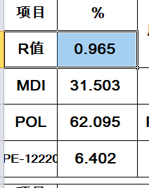
R | 1 |  |  |  |  |  | NO.1 | 设POL为1mol
B/p | 10.48 |  |  |  |  |  | NO.2 | 计算MDI、POL、PE-12220质量
PE-12220/35DX |  |  |  |  |  |  | NO.3 | (m1+m2+m3)/m1*w1=95.4
M—— |  |  |  |  |  |  | NO.4 | 算出w1、w2、w3
MDI | 250.25 |  |  |  |  |  | NO.5 | 验证R值、B/P、归一化
POL | 45
PE-12220 | 90.12
ADDIT | 4.6

 |  | N
R值 |  | 0.965
MDI |  | 250.25

PE-1320P/E100801 | 56.000 | 2003.5714286 |  | mdi | 1089.3670288 |  | 1089.3670288 | 31.502
 |  |  |  | pol | 2003.5714286 |  | 2003.5714286 | 57.938
1,4BG+35DX | 118.170 | 98.5 | 0.7:0.3 | pe-12220 | 221.487924 |  | 345.8335 | 10.001
 |  |  |  | 35dx | 124.345576 | 118.053 | 3438.7719573
NCO | 0.965 |  |  | hh | 345.8335
B/P |  | 3.511 |  |  |  |  | 1.4 | 6.405
 |  |  |  |  |  |  | 35dx | 3.596

US-103 | 0.002 | 0.2000
PA-329 | 0.001 | 0.1000
PA-337 | 0.001 | 0.1000
35DX | 0.036188637146 | 3.6189
DA-03 | 0.0008 | 0.0800
DA-04 | 0.0008 | 0.0800
 | 0.042 | 4.1789
 | 4.179 | 0.56

