Sheet1
Test ID | Scenario | Expected Result | Actual Result | Status | Evidence
UAT 01 | Submit Valid Form | SharePoint Item Created | Item Created | Pass | 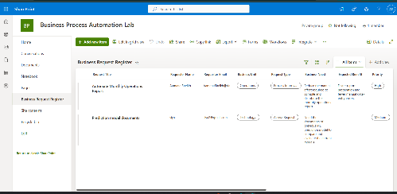
UAT-02 | Submit Form | Confirmation Email Received | Email Received | Pass | 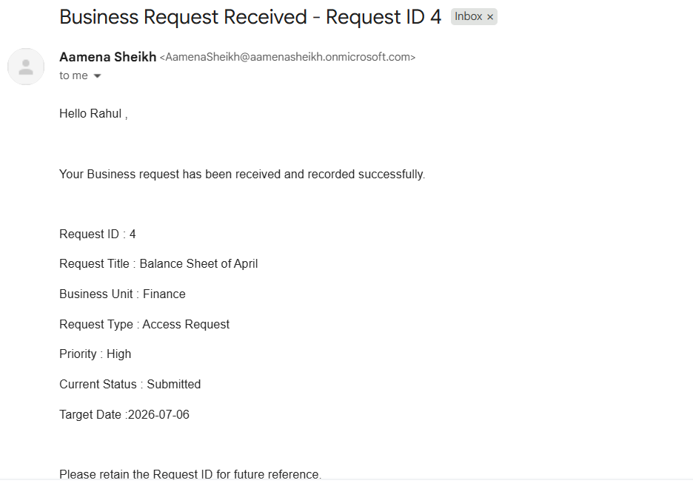
UAT-03 | Check Sharepoint ID | Unique ID generated | ID generated | Pass
UAT-04 | Run Weekly Digest | Digest Email contains current Request | Email Received | Pass | 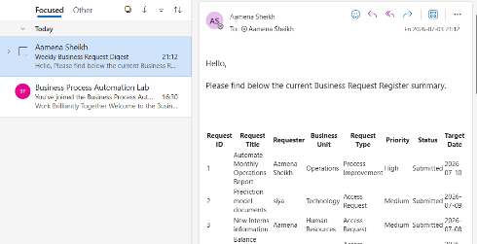
UAT-05 | Refresh Power BI | Dashboard Reflects Sharepoint Data | Data Updated | Pass | 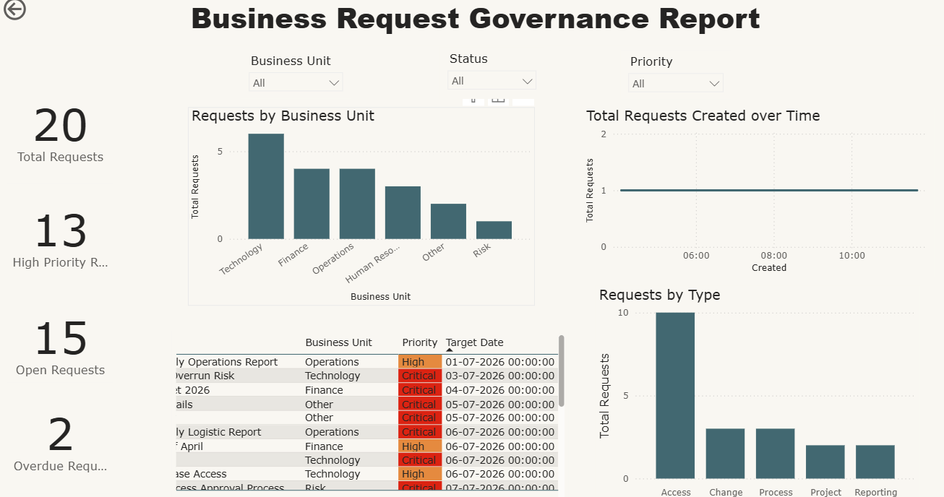
UAT-06 | Leave Required Field Blank | Form Prevents Submission | Submission Blocked | Pass | 