Arkusz1
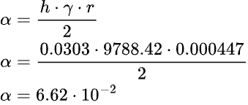
Opis | r [m] | R [m] | l_0 [m] | l_k [m] | Delta l_k [m] | m [kg] | k [N/m] | l [m] | l_sr [m] | Delta l_sr [m] | Alfa [N/m]
2023-11-01 | 2.14E-02 | 2.17E-02 | 4.50E-01 | 5.00E-01 | 5.00E-02 | 1.00E-03 | 1.96E-01 | 5.25E-01 | 5.23E-01 | 0.073 | 5.29E-02
 |  |  |  |  |  |  |  | 5.22E-01
 |  |  |  |  |  |  |  | 5.23E-01
 |  |  |  |  |  |  |  | 5.22E-01
 |  |  |  |  |  |  |  | 5.23E-01
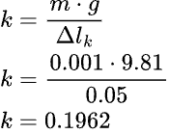
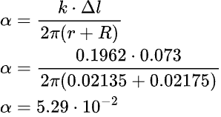

Opis | p [m] | n | n_sr | h [m] | r [m] | y [N/m^3] | Alfa [N/m]
2023-11-02 | 1.59E-03 | 19 | 19 | 3.03E-02 | 4.47E-04 | 9788.418 | 6.62E-02 |  | T_wody
 |  | 19 |  |  |  |  |  |  | 22.0
 |  | 19

