BOL_cell_fct_CRate
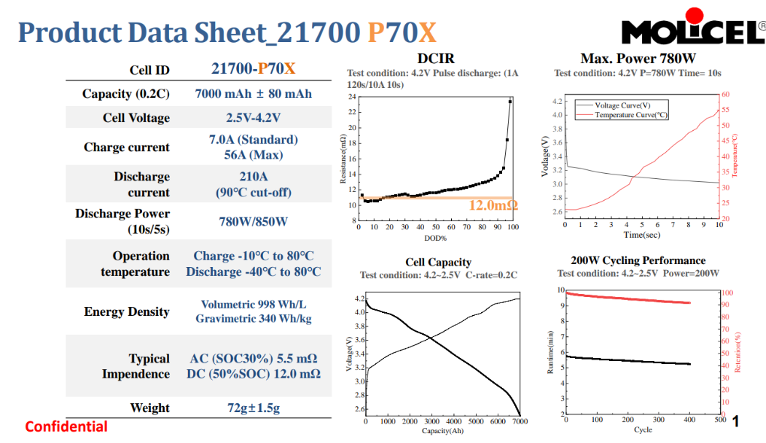
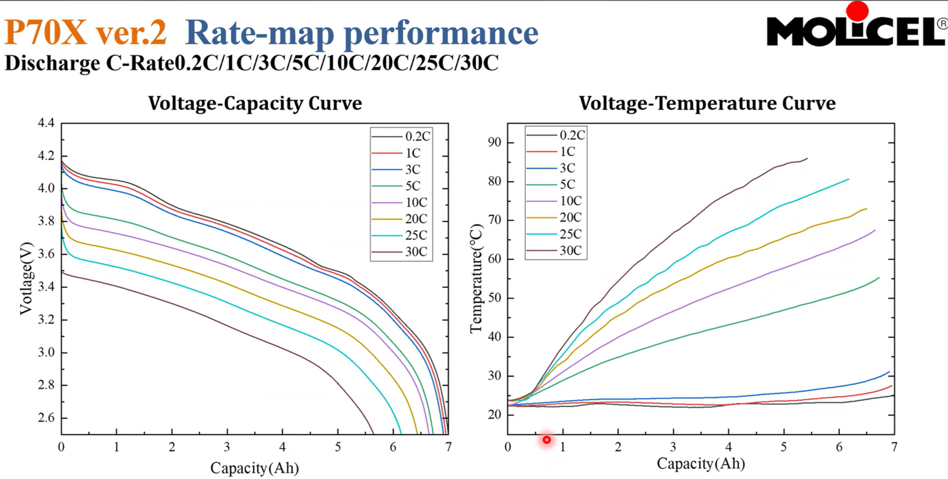
SOC | OCV | IR_REF_do_not_use | IR_0C | IR_1C | IR_3C | IR_5C | IR_10C | IR1 | C1 | Crate_col | Crate_value | CRate | capacity_Ah | mass_cell | Cp_cell | min_temp | max_temp
0.00 | 2.607 | 23.35 | 26.35 | 26.35 | 26.35 | 26.35 | 26.35 | 0 | 0 | IR_0C | 0 | 8 | 7.8 | 0.075 | 850 | -20 | 60
0.05 | 3.089 | 16.38 | 19.38 | 19.38 | 19.38 | 19.38 | 19.38 | 0 | 0 | IR_1C | 8
0.10 | 3.242 | 13.94 | 16.94 | 16.94 | 16.94 | 16.94 | 16.94 | 0 | 0 | IR_3C | 24
0.15 | 3.365 | 13.33 | 16.33 | 16.33 | 16.33 | 16.33 | 16.33 | 0 | 0 | IR_5C | 40
0.20 | 3.461 | 12.90 | 15.90 | 15.90 | 15.90 | 15.90 | 15.90 | 0 | 0 | IR_10C | 80
0.25 | 3.541 | 12.67 | 15.67 | 15.67 | 15.67 | 15.67 | 15.67 | 0 | 0
0.30 | 3.585 | 12.43 | 15.43 | 15.43 | 15.43 | 15.43 | 15.43 | 0 | 0
0.35 | 3.631 | 12.20 | 15.20 | 15.20 | 15.20 | 15.20 | 15.20 | 0 | 0
0.40 | 3.688 | 12.01 | 15.01 | 15.01 | 15.01 | 15.01 | 15.01 | 0 | 0
0.45 | 3.737 | 11.83 | 14.83 | 14.83 | 14.83 | 14.83 | 14.83 | 0 | 0
0.50 | 3.784 | 11.68 | 14.68 | 14.68 | 14.68 | 14.68 | 14.68 | 0 | 0
0.55 | 3.825 | 11.62 | 14.62 | 14.62 | 14.62 | 14.62 | 14.62 | 0 | 0
0.60 | 3.858 | 11.38 | 14.38 | 14.38 | 14.38 | 14.38 | 14.38 | 0 | 0
0.65 | 3.888 | 11.33 | 14.33 | 14.33 | 14.33 | 14.33 | 14.33 | 0 | 0
0.70 | 3.929 | 11.43 | 14.43 | 14.43 | 14.43 | 14.43 | 14.43 | 0 | 0
0.75 | 3.980 | 11.32 | 14.32 | 14.32 | 14.32 | 14.32 | 14.32 | 0 | 0
0.80 | 4.038 | 11.16 | 14.16 | 14.16 | 14.16 | 14.16 | 14.16 | 0 | 0
0.85 | 4.070 | 10.95 | 13.95 | 13.95 | 13.95 | 13.95 | 13.95 | 0 | 0
0.90 | 4.084 | 10.66 | 13.66 | 13.66 | 13.66 | 13.66 | 13.66 | 0 | 0
0.95 | 4.108 | 10.60 | 13.60 | 13.60 | 13.60 | 13.60 | 13.60 | 0 | 0
1.00 | 4.185 | 11.38 | 14.38 | 14.38 | 14.38 | 14.38 | 14.38 | 0 | 0
Adding 3 mOhms

