LBV_model
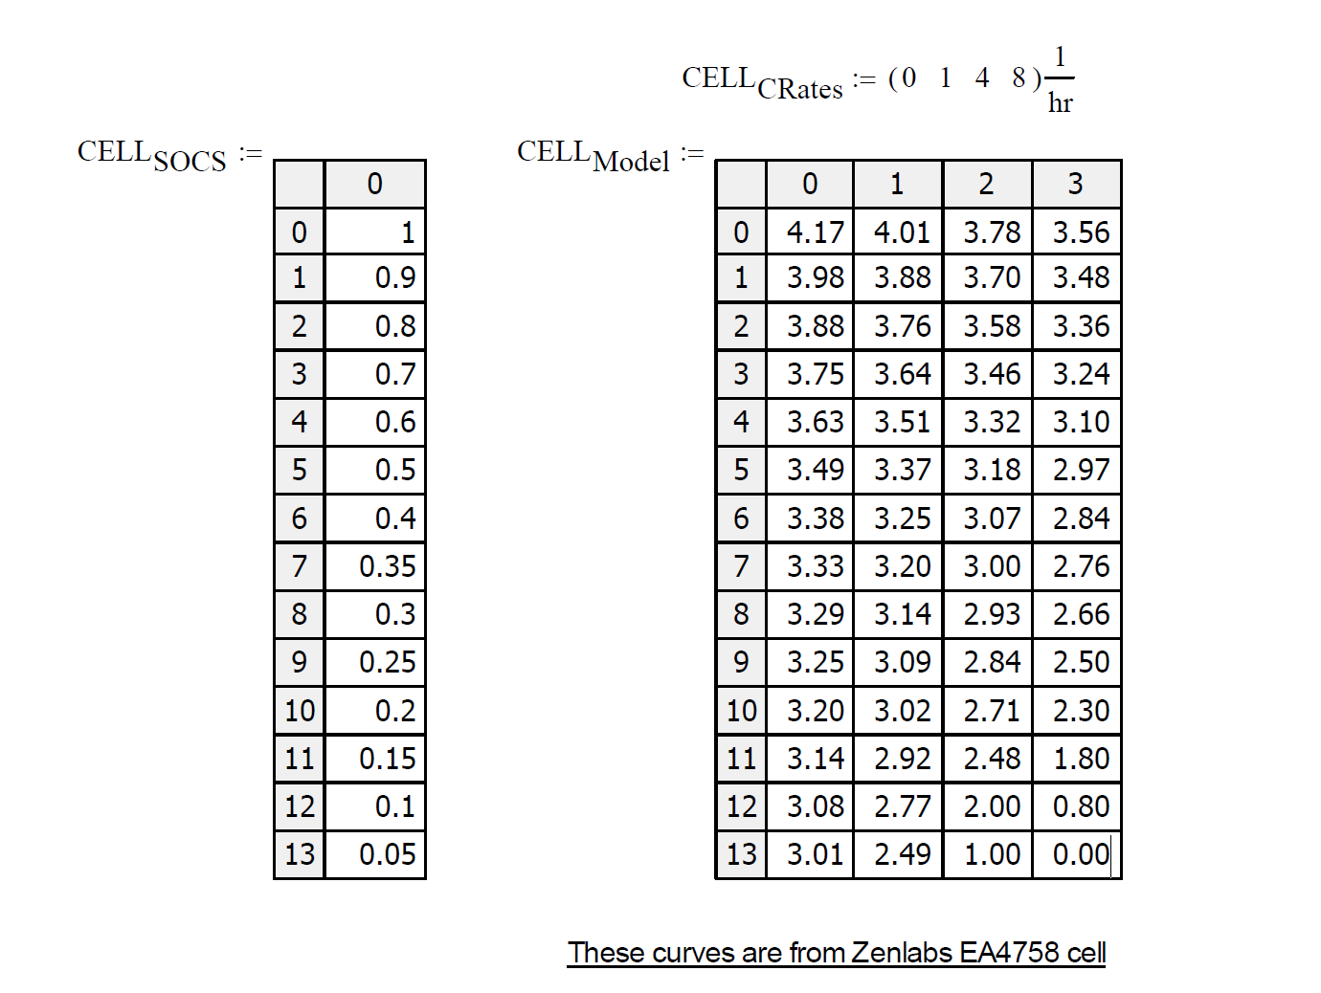
Crating | 33.3 |  |  |  |  |  |  |  |  |  |  |  | Error
 | 0 | 1 | 2 | 3 |  | 1 | 4 | 8 | avg | 1 | 4 | 8 | 1 | 4 | 8
1 | 4.17 | 4.01 | 3.78 | 3.56 | 1 | 0.0048048048048 | 0.0029279279279 | 0.0022897897898 | 0.0033408408408 | 4.05875 | 3.725 | 3.28 | 9.75 | -11 | -56
0.9 | 3.98 | 3.88 | 3.7 | 3.48 | 0.9 | 0.003003003003 | 0.0021021021021 | 0.0018768768769 | 0.0023273273273 | 3.9025 | 3.67 | 3.36 | 4.5 | -6 | -24
0.8 | 3.88 | 3.76 | 3.58 | 3.36 | 0.8 | 0.0036036036036 | 0.0022522522523 | 0.001951951952 | 0.0026026026026 | 3.7933333333 | 3.5333333333 | 3.1866666667 | 6.6666666667 | -9.3333333333 | -34.666666667
0.7 | 3.75 | 3.64 | 3.46 | 3.24 | 0.7 | 0.0033033033033 | 0.0021771771772 | 0.0019144144144 | 0.002464964965 | 3.6679166667 | 3.4216666667 | 3.0933333333 | 5.5833333333 | -7.6666666667 | -29.333333333
0.6 | 3.63 | 3.51 | 3.32 | 3.1 | 0.6 | 0.0036036036036 | 0.0023273273273 | 0.0019894894895 | 0.0026401401401 | 3.5420833333 | 3.2783333333 | 2.9266666667 | 6.4166666667 | -8.3333333333 | -34.666666667
0.5 | 3.49 | 3.37 | 3.18 | 2.97 | 0.5 | 0.0036036036036 | 0.0023273273273 | 0.001951951952 | 0.0026276276276 | 3.4025 | 3.14 | 2.79 | 6.5 | -8 | -36
0.4 | 3.38 | 3.25 | 3.07 | 2.84 | 0.4 | 0.0039039039039 | 0.0023273273273 | 0.002027027027 | 0.0027527527528 | 3.2883333333 | 3.0133333333 | 2.6466666667 | 7.6666666667 | -11.333333333 | -38.666666667
0.35 | 3.33 | 3.2 | 3 | 2.76 | 0.35 | 0.0039039039039 | 0.0024774774775 | 0.0021396396396 | 0.0028403403403 | 3.2354166667 | 2.9516666667 | 2.5733333333 | 7.0833333333 | -9.6666666667 | -37.333333333
0.3 | 3.29 | 3.14 | 2.93 | 2.66 | 0.3 | 0.0045045045045 | 0.0027027027027 | 0.0023648648649 | 0.0031906906907 | 3.18375 | 2.865 | 2.44 | 8.75 | -13 | -44
0.25 | 3.25 | 3.09 | 2.84 | 2.5 | 0.25 | 0.0048048048048 | 0.0030780780781 | 0.0028153153153 | 0.0035660660661 | 3.13125 | 2.775 | 2.3 | 8.25 | -13 | -40
0.2 | 3.2 | 3.02 | 2.71 | 2.3 | 0.2 | 0.0054054054054 | 0.0036786786787 | 0.0033783783784 | 0.0041541541542 | 3.0616666667 | 2.6466666667 | 2.0933333333 | 8.3333333333 | -12.666666667 | -41.333333333
0.15 | 3.14 | 2.92 | 2.48 | 1.8 | 0.15 | 0.0066066066066 | 0.004954954955 | 0.00503003003 | 0.0055305305305 | 2.9558333333 | 2.4033333333 | 1.6666666667 | 7.1666666667 | -15.333333333 | -26.666666667
0.1 | 3.08 | 2.77 | 2 | 0.8 | 0.1 | 0.0093093093093 | 0.0081081081081 | 0.0085585585586 | 0.0086586586587 | 2.7916666667 | 1.9266666667 | 0.77333333333 | 4.3333333333 | -14.666666667 | -5.3333333333
0.05 | 3.01 | 2.49 | 1 | 0 | 0.05 | 0.015615615616 | 0.01509009009 | 0.011298798799 | 0.014001501502 | 2.54375 | 1.145 | -0.72 | 10.75 | 29 | -144

Voltage
IR0

