WAIT_TIME_VAR
DATE | DAY | FREQUENCY OF PATIENTS | WAITING TIME |  |  |  |  |  |  | WAITING TIME VARIATIONS
2018-08-01 | Wednesday | 6 | Monday | Tuesday | Wednesday | Thursday | Friday | Saturday | Sunday | DAY | MEAN | S.D. | VARIANCE | C.V. | FREQUENCY
2018-08-02 | Thursday | 10 | 6 | 4 | 14 | 12 | 6 | 5 | 3 | Monday | 11.44 | 10.86 | 117.98 | 94.91 | 45
2018-08-03 | Friday | 12 | 6 | 6 | 15 | 6 | 16 | 7 | 15 | Tuesday | 11.48 | 10.16 | 103.13 | 88.42 | 33
2018-08-04 | Saturday | 5 | 12 | 14 | 8 | 35 | 7 | 19 | 60 | Wednesday | 9.95 | 7.31 | 53.38 | 73.39 | 22
2018-08-05 | Sunday | CLOSED | 16 | 14 | 12 | 32 | 10 | 11 | 60 | Thursday | 9.13 | 7.60 | 57.75 | 83.21 | 45
2018-08-06 | Monday | 12 | 1 | 13 | 25 | 6 | 5 | 4 | 30 | Friday | 12.78 | 13.07 | 170.83 | 102.27 | 41
2018-08-07 | Tuesday | 8 | 2 | 3 | 14 | 10 | 20 | 16 | 30 | Saturday | 11.44 | 10.66 | 113.54 | 93.16 | 32
2018-08-08 | Wednesday | 6 | 5 | 16 | 12 | 3 | 20 | 3 | 90 | Sunday | 37.25 | 30.08 | 904.79 | 80.75 | 8
2018-08-09 | Thursday | 3 | 0 | 12 | 10 | 12 | 10 | 3 | 10 |  |  |  |  | TOTAL | 226
The mean waiting time is the highest for Sunday and the lowest for Thursday.
However, the number of observations for Sunday are too few to draw a conclusion.
Friday has the highest mean waiting time (barring Sunday) as well as the highest coefficient of variation and is also the busiest day in terms of the number of appointments.
2018-08-10 | Friday | 10 | 16 | 2 | 2 | 22 | 29 | 1
2018-08-11 | Saturday | 13 | 3 | 20 | 6 | 7 | 4 | 4
2018-08-12 | Sunday | 7 | 7 | 13 | 1 | 3 | 5 | 15
2018-08-13 | Monday | 12 | 8 | 6 | 4 | 5 | 5 | 4
2018-08-14 | Tuesday | 12 | 12 | 4 | 4 | 6 | 10 | 54
2018-08-15 | Wednesday | CLOSED | 6 | 5 | 4 | 5 | 17 | 16
2018-08-16 | Thursday | 15 | 2 | 5 | 31 | 5 | 5 | 30
2018-08-17 | Friday | 14 | 15 | 2 | 5 | 10 | 10 | 11
2018-08-18 | Saturday | 5 | 10 | 27 | 10 | 5 | 6 | 28
2018-08-19 | Sunday | 1 | 10 | 12 | 5 | 10 | 2 | 6
2018-08-20 | Monday | 8 | 14 | 2 | 11 | 5 | 10 | 10
2018-08-21 | Tuesday | 5 | 4 | 14 | 15 | 5 | 11 | 14
2018-08-22 | Wednesday | 7 | 11 | 10 | 6 | 5 | 7 | 10
2018-08-23 | Thursday | 12 | 28 | 3 | 5 | 3 | 4 | 10
2018-08-24 | Friday | 5 | 30 | 3 |  | 5 | 5 | 10
2018-08-25 | Saturday | 9 | 3 | 15 |  | 6 | 5 | 10
2018-08-26 | Sunday | NA | 5 | 0 |  | 5 | 10 | 5
2018-08-27 | Monday | 13 | 62 | 5 |  | 0 | 5 | 6
2018-08-28 | Tuesday | 8 | 10 | 50 |  | 5 | 5 | 3
2018-08-29 | Wednesday | 3 | 30 | 26 |  | 5 | 30 | 8
2018-08-30 | Thursday | 5 | 20 | 4 |  | 2 | 0 | 3
 |  |  | 10 | 15 |  | 11 | 10 | 25
 |  |  | 10 | 22 |  | 12 | 15 | 5
 |  |  | 26 | 9 |  | 4 | 5 | 10
 |  |  | 5 | 23 |  | 13 | 5
 |  |  | 5 |  |  | 15 | 60
 |  |  | 5 |  |  | 26 | 30
 |  |  | 5 |  |  | 10 | 5
 |  |  | 5 |  |  | 10 | 60
 |  |  | 20 |  |  | 12 | 14
 |  |  | 5 |  |  | 22 | 20
 |  |  | 10 |  |  | 11 | 10
 |  |  | 20 |  |  | 1 | 11
 |  |  | 10 |  |  | 7
 |  |  | 5 |  |  | 4
 |  |  | 15 |  |  | 10
 |  |  | 5 |  |  | 3

SERV_TIME_VAR
 | TREATMENT |  |  |  |  | ONLY INDIVIDUAL TREATMENTS TAKEN
SERVICE TIME | Consultation | Check up | Scaling | Crown Cementation | Root Canal
 | 24 | 22 | 33 | 60 | 60 | SERVICE TIME VARIATIONS
 | 31 | 17 | 30 | 30 | 135 | TREATMENT | MEAN | S.D. | VARIANCE | C.V. | FREQUENCY
 | 33 | 26 | 26 | 90 | 15 | Consultation | 31.40 | 11.35 | 128.93 | 36.16 | 10
 | 30 | 33 | 30 | 30 | 15 | Check up | 26.71 | 12.80 | 163.78 | 47.92 | 24
 | 30 | 15 | 45 | 30 | 60 | Scaling | 37.23 | 12.65 | 160.03 | 33.98 | 13
 | 60 | 10 | 30 | 30 | 34 | Crown Cementation | 70.55 | 68.74 | 4724.79 | 97.43 | 20
 | 32 | 20 | 30 | 330 | 29 | Root Canal | 51.58 | 46.63 | 2174.15 | 90.40 | 19
 | 28 | 30 | 60 | 113 | 60
 | 31 | 30 | 30 | 71 | 28
 | 15 | 36 | 45 | 60 | 60
According to the given coefficients of variation for the top 5 treatments, Crown cementation and Root Canals have the highest variation for service times. The CV for the same are 97.43% and 90.40% respectively, which should be significantly reduced to around 50% in order to decrease the waiting time for the next patient in line.
 |  | 30 | 30 | 30 | 31
 |  | 31 | 30 | 30 | 30
 |  | 26 | 65 | 30 | 210
 |  | 15 |  | 30 | 30
 |  | 33 |  | 120 | 30
 |  | 25 |  | 55 | 46
 |  | 15 |  | 61 | 30
 |  | 30 |  | 120 | 32
 |  | 60 |  | 60 | 45
 |  | 60 |  | 31
 |  | 31
 |  | 10
 |  | 15
 |  | 21

DAILY_SUMMARY
DAY | AVG. NO. OF APPOINTMENTS | AVG. APPROXIMATE REVENUE | AVG. REVENUE PER CUSTOMER
Monday | 11.25 | 31591.45 | 702.03222222
Tuesday | 8.25 | 47158.2 | 1429.0363636
Wednesday | 5.5 | 28083.23 | 1276.5104545
Thursday | 9 | 38286.56 | 850.81244444
Friday | 10.25 | 56008.05 | 1366.05
Saturday | 8 | 26874.85 | 839.8390625
Sunday | 4 | 24066.6 | 3008.325

Monday has the highest average number of appointments. However, the average revenue per customer is the lowest for Mondays because people come for treatments like check-ups and consultations that are relatively less expensive.
Friday is the second busiest day. It has the highest average revenue, the highest mean waiting time(barring Sunday) and the highest coefficient of variation for the waiting times. Therefore, it is integral to manage the patients appointments on Fridays.
Sunday is predominantly for major treatments that require high service times and therefore the average number of appointments are low. Even though Saturdays are relatively light, appointments on Saturdays and Sundays should be discouraged to let the doctors have the weekend off, thereby increasing employee satisfaction.
To encourage appointments on Wednesdays, patients should be given promotional treatments, as the average number of appointments is the lowest for Wednesdays(barring Sunday).

REV_BREAKDOWN
The number of females are 1.45 times the number of males. However, the revenue generated by females is 1.97 times that of males.
Therefore, there are more females visiting the clinic and the treatments they do are on an average 35.86% more expensive than those done by males.
TOP REVENUE GENERATING TREATMENTS |  | TOTAL REVENUE |  | 998,429.12 | Busiest Hour | Frequency | % | Cumulative Probability
Implant Surgery | 351,000 |  |  |  | 7AM to 8AM | 3 | 1.33% | 1.33%
Root Canal | 173,500 |  | GENDER |  | 8AM to 9AM | 3 | 1.33% | 2.65%
Crown related | 171,129 |  | MALE | FEMALE | 9AM to 10AM | 18 | 7.96% | 10.62%
Ortho treatment | 43,500 | COUNT | 92 | 134 | 10AM to 11AM | 34 | 15.04% | 25.66%
Scaling | 43,433 | REVENUE | 335,597 | 662,831 | 11AM to 12PM | 21 | 9.29% | 34.96%
Consultation | 37,000 | PERCENTAGE | 40.71% | 59.29% | 12PM to 1PM | 34 | 15.04% | 50.00%
Check up | 14,100 |  |  |  | 1PM to 2PM | 38 | 16.81% | 66.81%
 |  |  |  |  | 2PM to 3PM | 17 | 7.52% | 74.34%
Treatment By Revenue
Implant Surgery | 351000
Root Canal | 173500
Check up | 14100
Consultation | 37000
Scaling | 43433
Crown related | 171129
Ortho treatment | 43500
 |  |  |  |  | 3PM to 4PM | 18 | 7.96% | 82.30%
 |  |  |  |  | 4PM to 5PM | 20 | 8.85% | 91.15%
 |  |  |  |  | 5PM to 6PM | 12 | 5.31% | 96.46%
 |  |  |  |  | 6PM to 7PM | 6 | 2.65% | 99.12%
 |  |  |  |  | 7PM to 8PM | 2 | 0.88% | 100.00%
 |  |  |  |  | TOTAL | 226

STAFF_ABSENT_WAIT_TIME
The correlation between the number of staff absent and the waiting time is 0.66 which is high. This indicates that when more staff are absent, the waiting time is high.
The patients should be well informed that there may be a delay due to lack of staff and he should be given the option of rescheduling the appointment to another day. A substitute could also be arranged in order to avoid disturbing the appointment schedule.
DATE | A-P Dental Assistant | B-S Dental Assistant | C-K Dental Assistant | D-D Dental Assistant | A 1 Front Desk Executive | J 1 Junior Dentist | J 2 Junior Dentist | Dr Sunanda | NO. OF STAFF ABSENT | AVG. WAITING TIME
01/08/2018 | P | P | P | P | P | P | P | P | 0 | 14.8 | CORRELATION | 0.66005142362
02/08/2018 | P | P | P | P | P | P | P | P | 0 | 14.5
03/08/2018 | P | P | P | P | P | P | P | P | 0 | 11.416667
04/08/2018 | P | P | P | P | P | P | P | P | 0 | 9.2
06/08/2018 | P | P | P | P | P | P | P | P | 0 | 6.83333
07/08/2018 | P | P | P | P | P | P | P | P | 0 | 11.25
08/08/2018 | P | P | P | P | P | P | P | P | 0 | 5.83333
09/08/2018 | P | P | P | P | P | P | P | P | 0 | 4.66667
10/08/2018 | P | P | A | P | P | P | P | P | 1 | 8.2
11/08/2018 | P | P | P | P | P | P | P | P | 0 | 14.6923
12/08/2018 | P | P | P | P | P | A | A | A | 3 | 41.14285
13/08/2018 | P | P | A | P | P | P | P | P | 1 | 12.083333
14/08/2018 | P | P | P | P | P | P | P | P | 0 | 9.3333
16/08/2018 | P | P | P | P | P | P | P | P | 0 | 5.266667
17/08/2018 | P | P | P | P | P | A | P | P | 1 | 13.5714
18/08/2018 | P | P | P | P | P | P | P | P | 0 | 10.8
19/08/2018 | P | P | P | P | P | P | P | P | 0 | 10
20/08/2018 | P | P | P | P | A | P | P | P | 1 | 21.625
21/08/2018 | P | P | P | P | P | P | P | P | 0 | 6.2
22/08/2018 | P | P | P | P | P | P | P | P | 0 | 10
23/08/2018 | P | P | P | P | P | P | P | A | 1 | 12.3333
24/08/2018 | P | P | A | P | P | P | P | A | 2 | 23
25/08/2018 | P | P | P | P | P | P | P | A | 1 | 8.3333
27/08/2018 | P | P | P | P | P | P | A | A | 2 | 8.8462
28/08/2018 | P | P | P | P | P | P | P | A | 1 | 19.25
29/08/2018 | P | P | P | P | P | P | P | A | 1 | 8.6667
30/08/2018 | P | P | P | P | P | P | P | A | 1 | 5

 |  |  |  |  |  |  |  |  | CORRELATION | 0.66005142362

FINANCIAL_IMPACT
 | DAILY DOCTOR CONTRIBUTION |  | QUALIFICATION LEVEL | DOCTOR NAME | TOTAL REVENUE | % REVENUE | Treatment | Cost | Cost with Specialist
Date | 1st August, 2018 |  | 3 | Dr. Sandeep Khanna | 497,200 | 64.38% | Implant Surgery | 37500 | 25000-50000
Doctor Name | Dr. Sandeep Khanna |  | 2 | Dr. Vineet Rege | 185,430 | 24.01% | 2 Root Canals | 11000 | 15000
Qualifications | MDS | 3 | 1 | Dr. Priyanka Shetty | 89,666 | 11.61% | 3 Fillings | 4500 | 7500
Treatments | Treatment Plan Discussion | 0 |  |  | 772,296 |  | CBCT Scan | 3000
 | Consultation and CBCT Scan | 3500 |  |  |  |  | Check-up | 200 | 500
 | Second Stage of Implant Surgery | 37500 |  |  |  |  | Consultation | 200 | 500
 | Check up | 500 |  | CORRELATION | 0.95622896794 |  | Crown Cementation | 2466.6
 | Trial and Cementation(of Crown) | 4933.2 |  |  |  |  | Crown lengthening Procedure | 5000
 | TOTAL | 46433.2 |  |  |  |  | Crown Preparation | 2466.6
 |  |  |  |  |  |  | Crown Removal | 1000
 |  |  |  |  |  |  | Crowns follow up stitches | 2466.6
Date | 1st August, 2018 |  |  |  |  |  | Dental Flosser | 3500
Doctor Name | Dr. Vineet Rege |  |  |  |  |  | Denture | 20000
Qualifications | BDS | 2 |  |  |  |  | Denture Delivery | 0
Treatments | Consultation and Scaling | 1700 |  |  |  |  | Denture Repair | 500-1000
 | TOTAL | 1700 |  |  |  |  | Extraction | 1000 | 4500
 |  |  |  |  |  |  | Filling | 1500 | 2500
 |  |  |  |  |  |  | Implant Denture | 37500 | 50000
Date | 2nd August, 2018 |  |  |  |  |  | Impression for Crown | 2466.6
Doctor Name | Dr. Sandeep Khanna |  |  |  |  |  | Impression for Nightguard | 3000 | 5000
Qualifications | MDS | 3 |  |  |  |  | OPG | 500
Treatments | Check up | 500 |  |  |  |  | Ortho Consultation | 500
 | TOTAL | 500 |  |  |  |  | Ortho Treatment | 20000 | 50000
 |  |  |  |  |  |  | POR | 1500
 |  |  |  |  |  |  | Removal (Post surgery) | 0
Date | 2nd August, 2018 |  |  |  |  |  | Root Canal | 5500 | 7500
Doctor Name | Dr. Vineet Rege |  |  |  |  |  | Scaling | 1500 | 2500
Qualifications | BDS | 2 |  |  |  |  | Suture Removal | 0
Treatments | Crown Removal | 1000 |  |  |  |  | Treatment plan discussion | 0
 | TOTAL | 1000 |  |  |  |  | Trial of Crown | 2466.6

The correlation between the qualifications and financial contribution is 0.9662, which suggests that there is a high correlation between the two variables.
Out of the total revenue, Dr. Priyanka Shetty contributes to 11.61% of the company’s total revenue while Dr.Vineet Rege is accountable for 24.01% of the total revenue. Dr.Sandeep Khanna is by far their most valuable asset as he is responsible for upwards of 64.38% of the total revenue of this Signature Smiles branch.
Hence, Dr. Sandeep’s absence would lead to a critical loss for the company.
On an average, Dr. Priyanka’s daily contribution is Rs. 3320.96, Dr. Vineet adds Rs. 6867.78, and Dr.Sandeep is accountable for Rs. 18414.81.
Date | 2nd August, 2018
Doctor Name | Dr. Priyanka Shetty
Qualifications | BDS | 1
Treatments | Impression for Nightguard | 3000
 | Consultation | 200
 | 3 Fillings | 4500
 | Crown Removal | 1000
 | Scaling | 1500
 | Check up | 200
 | TOTAL | 10400

Date | 2nd August, 2018
Doctor Name | Dr. Sagar Khanna
Qualifications | MDS | 3
Treatments | 2 Root Canals | 15000
 | TOTAL | 15000

Date | 2nd August, 2018
Doctor Name | Dr. Manoj Garg
Qualifications | MDS | 3
Treatments | Check up | 500
 | TOTAL | 500

Date | 3rd August, 2018
Doctor Name | Dr. Sandeep Khanna
Qualifications | MDS | 3
Treatments | Implant Surgery | 37500
 | Trial of Crown | 2466.6
 | Check up | 500
 | Trial of Crown | 2466.6
 | TOTAL | 42933.2

Date | 3rd August, 2018
Doctor Name | Dr. Vineet Rege
Qualifications | BDS | 2
Treatments | CBCT Scan | 3000
 | Check up and Nightguard Delivered | 200
 | Check up | 200
 | POR and Crown Preparation | 3966.6
 | Scaling | 1500
 | TOTAL | 8866.6

Date | 4th August, 2018
Doctor Name | Dr. Vineet Rege
Qualifications | BDS | 2
Treatments | Filling | 1500
 | Crown Preparation and Impression for Crown | 4933.2
 | TOTAL | 6433.2

Date | 4th August, 2018
Doctor Name | Dr. Priyanka Shetty
Qualifications | BDS | 1
Treatments | POR, Crown Preparation and Impression for Crown | 6433.2
 | Check up | 200
 | Scaling and Zoom Whitening | 1500
 | TOTAL | 8133.2

Date | 6th August, 2018
Doctor Name | Dr. Priyanka Shetty
Qualifications | BDS | 1
Treatments | Crown Trial | 2466.6
 | Check up | 200
 | Check up | 200
 | TOTAL | 2866.6

Date | 6th August, 2018
Doctor Name | Dr. Vineet Rege
Qualifications | BDS | 2
Treatments | Check up | 200
 | Crown Cementation | 2466.6
 | Crown Cementation | 2466.6
 | POR, Crown Preparation and Impression for Crown | 6433.2
 | TOTAL | 5133.2

Date | 6th August, 2018
Doctor Name | Dr. Sagar Khanna
Qualifications | MDS | 3
Treatments | Root Canal | 7500
 | Root Canal | 7500
 | Root Canal | 7500
 | TOTAL | 22500

Date | 6th August, 2018
Doctor Name | Dr. Sandeep Khanna
Qualifications | MDS | 3
Treatments | Trial of Crown | 2466.6
 | Check up | 500
 | TOTAL | 2966.6

Date | 7th August, 2018
Doctor Name | Dr. Sagar Khanna
Qualifications | MDS | 3
Treatments | Root Canal | 7500
 | Root Canal | 7500
 | TOTAL | 15000

Date | 7th August, 2018
Doctor Name | Dr. Vineet Rege
Qualifications | BDS | 2
Treatments | OPG, Scan, Impression | 5966.6
 | Scaling and Filling | 3000
 | TOTAL | 8966.6

Date | 7th August, 2018
Doctor Name | Dr. Priyanka Shetty
Qualifications | BDS | 1
Treatments | Filling | 1500
 | Denture | 20000
 | TOTAL | 21500

Date | 7th August, 2018
Doctor Name | Dr. Sandeep Khanna
Qualifications | MDS | 3
Treatments | Crown Cementation | 2466.6
 | Implant Denture | 50000
 | TOTAL | 52466.6

AGE_SERVICE_TIME
We have computed the correlations between the age and service time for the top 5 treatments.
For consultation, the correlation turns out to be 0.4713. This indicates that older patients take longer for consultation. This may be because of their other health issues they require additional help and take additional time. Also, the doctor might have to be more careful while dealing with elder patients. Additionally, it may take the doctor longer to explain the treatment to them. Similarly, for crown cementation, the correlation turns out to be 0.4697.
However, for root canals the correlation between age and service time is 0.0355. Since root canals do not involve too much explanation etc. to be given to the patients, and the treatment is standard; hence the age of the patient does not significantly impact the treatment time.
PATIENT NAME | AGE | SERVICE TIME(IN MINUTES)
Shital Shah | 41 | 31 | CONSULTATION
Glen Shiotsugu | 54 | 38 | AGE | SERVICE TIME(IN MINUTES) | CORRELATION
Cathleen Winter | 68 | 32 | 20 | 35 | 0.47131320194
Paul Kennedy | 48 | 78 | 22 | 24
Kuntal Lalwani | 32 | 22 | 61 | 31
Letitia Muresan | 60 | 272 | 60 | 33
Marita Angilley | 54 | 18 | 30 | 15
Apeksha Pawar | 20 | 35 | 63 | 30
Letitia Muresan | 60 | 17 | 32 | 30
Hans Steffen | 79 | 62 | 60 | 60
Muskan Samal | 11 | 90 | 26 | 32
Nikhil Gajjar | 30 | 26 | 32 | 28
Hans Steffen | 79 | 48 | 26 | 31
Paul Kennedy | 48 | 67 | 27 | 15
Sabina Parekh | 59 | 33
Gauri Gowde | 33 | 33 | CHECK UP
Paul Kennedy | 48 | 60 | AGE | SERVICE TIME(IN MINUTES) | CORRELATION
Alex Mcdougall | 27 | 135 | 32 | 22 | 0.075449926219
Fatima Contractor | 50 | 25 | 60 | 17
Harshvadhan Balsubramani | 27 | 6 | 30 | 26 |  | TREATMENT | CORRELATION
Bhavna Dattani | 52 | 93 | 33 | 33 |  | Consultation | 0.4713
Russell May | 61 | 20 | 27 | 15 |  | Check-up | 0.0754
Lynne May | 27 | 15 | 33 | 10 |  | Crown Cementation | 0.4697
S.S. Rawat | 53 | 45 | 28 | 20 |  | Root Canal | 0.0355
Hans Steffen | 79 | 120 | 65 | 30 |  | Scaling | -0.2799
Gauri Gowde | 33 | 10 | 71 | 30
Rekha Muni | 41 | 60 | 66 | 36
Suyash Bayani | 25 | 30 | 64 | 30
Sachin Puntembakar | 43 | 44 | 22 | 31
Marita Angilley | 54 | 335 | 48 | 26
Paul Kennedy | 48 | 66 | 34 | 15
Divya Panchal | 28 | 20 | 34 | 33
Dr. Rupali Sabale | 32 | 62 | 57 | 25
Rajiv Gupta | 65 | 30 | 38 | 30
Geetanjali Anderson | 37 | 35 | 54 | 60
Percy Angilley | 57 | 60 | 27 | 60
Avantika Sinha | 35 | 30 | 29 | 31
Kuntal Lalwani | 32 | 15 | 60 | 10
Leena Lalwani | 61 | 15 | 20 | 15
Hans Steffen | 79 | 60 | 54 | 21
Hans Steffen | 79 | 210
Bipin | 43 | 60 | CROWN CEMENTATION
Raksha Chokshi | 71 | 30 | AGE | SERVICE TIME(IN MINUTES) | CORRELATION
Kuldeep Bhagat | 66 | 36 | 57 | 60 | 0.46965049338
Rita Bhagat | 64 | 30 | 35 | 30
Vidhi Thakkar | 27 | 34 | 53 | 90
Deepa Bhatia | 45 | 29 | 43 | 30
Asha Asrani | 54 | 92 | 43 | 30
Muskan Samal | 11 | 63 | 42 | 30
Keshini Navlakha | 20 | 60 | 79 | 330
S.S. Rawat | 53 | 90 | 28 | 113
Hemlata Bhatia | 47 | 60 | 54 | 71
Rekha Muni | 41 | 66 | 50 | 60
James Stanton | 28 | 151 | 45 | 30
Paula Hammond | 44 | 30 | 22 | 30
Kushroo Mistry | 22 | 31 | 65 | 30
Archana Rai | 43 | 30 | 44 | 30
Bipin | 43 | 30 | 27 | 120
Fatima Contractor | 50 | 45 | 43 | 55
Vidhi Thakkar | 27 | 60 | 70 | 61
Hans Steffen | 79 | 122 | 59 | 120
Anand Sathe | 40 | 63 | 40 | 60
Alex Mcdougall | 27 | 207 | 38 | 31
Harshvardhan Balsubramani | 27 | 91
Khushroo Mistry | 22 | 60 | TRIAL OF CROWNS
Khushroo Mistry | 22 | 60 | AGE | SERVICE TIME(IN MINUTES) | CORRELATION
Paul Kennedy | 48 | 26 | 50 | 25 | 0.36617028892
Archana Rai | 42 | 30 | 53 | 45
Marita Angilley | 54 | 145 | 41 | 60
Deepa Bhatia | 45 | 60 | 43 | 60
Asha Asrani | 54 | 29 | 50 | 45
Sadique Shaikh | 22 | 24 | 79 | 122
Kusum Gupta | 78 | 116 | 54 | 145
Rajiv Gupta | 65 | 91 | 37 | 45
Paula Hammond | 44 | 150 | 27 | 90
Mirnal Deshraj | 43 | 15 | 54 | 60
Amit Bhandari | 53 | 85
Rekha Stein | 59 | 30 | SCALING
Anjana Jaisingh | 46 | 30 | AGE | SERVICE TIME(IN MINUTES) | CORRELATION
Alfredo Sr. | 70 | 26 | 59 | 33 | -0.27990885255
Alfredo Jr. | 43 | 30 | 25 | 30
Heldi | 36 | 30 | 49 | 26
Hans Steffen | 79 | 330 | 37 | 30
Samaira Sandhu | 34 | 15 | 21 | 45
Meera Shah | 24 | 24 | 52 | 30
Hans Steffen | 79 | 62 | 44 | 30
Karen Gallagher | 65 | 210 | 46 | 60
Kim Havis | 61 | 31 | 26 | 30
Kim Havis | 61 | 26 | 33 | 45
Glenda Bellis | 60 | 33 | 68 | 30
Glenda Bellis | 60 | 35 | 45 | 30
Carmen Hanusz | 49 | 26 | 32 | 65
James Stanton | 28 | 30
Dawn Hall | 54 | 177 | ROOT CANAL
Tulsi Gulabani | 52 | 28 | AGE | SERVICE TIME(IN MINUTES) | CORRELATION
Meera Shah | 24 | 30 | 48 | 60 | 0.035508950438
Alfredo Jr. | 43 | 25 | 27 | 135
James Stanton | 28 | 113 | 32 | 15
Alfredo Sr. | 70 | 25 | 61 | 15
Geetanjali Anderson | 37 | 45 | 79 | 60
Marita Angilley | 54 | 71 | 27 | 34
Lakhbir Kaur | 34 | 33 | 45 | 29
Rekha Stein | 59 | 25 | 22 | 60
Hemlata Bhatia | 47 | 30 | 52 | 28
Rekha Stein | 59 | 180 | 43 | 60
Fatima Contractor | 50 | 60 | 36 | 31
Laurence Cooper | 57 | 25 | 70 | 30
Deepa Bhatia | 45 | 30 | 54 | 210
Avantika Sinha | 35 | 63 | 23 | 30
Nikhil Gajjar | 30 | 15 | 38 | 30
Alfredo Jr. | 43 | 60 | 32 | 46
Trishna Mehta | 32 | 31 | 32 | 30
Mahzbeen Parekh | 20 | 32 | 53 | 32
Heldi | 36 | 31 | 54 | 45
Rupal Shah | 40 | 90
Marita Angilley | 54 | 60
Paula Hammond | 44 | 145
Rekha Stein | 59 | 177
Sonia Navani | 36 | 110
Asha Asrani | 54 | 102
Khushroo Mistry | 22 | 30
Alfredo Sr. | 70 | 30
Alfredo Jr. | 43 | 150
Carina Panchal | 37 | 30
Raelynn Panchal | 8 | 45
Varsha Khakhar | 38 | 30
Khwaish Chhabra | 12 | 15
Reeta Mor | 33 | 15
Saya Parekh | 19 | 15
Mujahid Anas | 17 | 30
Mihir Chavan | 21 | 45
Alex Mcdougall | 27 | 90
Dawn Hall | 54 | 210
Dawn Hall | 54 | 240
Kalpana Desai | 63 | 30
Shruti Pingley | 32 | 30
Rajiv Gupta | 65 | 30
Alfredo Sr. | 70 | 150
Asha Asrani | 54 | 60
Nakul Warudhkar | 23 | 30
Varsha Khakhar | 38 | 30
Ratanlal Gupta | 58 | 60
Sarita Gupta | 52 | 30
Ekta Sharma | 44 | 30
Paula Hammond | 44 | 30
Alex Mcdougall | 27 | 120
Atmaram Jeswani | 60 | 60
Sally Walls | 26 | 60
Kusum Gupta | 78 | 30
Natasha Malhotra | 34 | 60
Karen Gallagher | 65 | 60
Alfredo Jr. | 43 | 55
Dawn Hall | 54 | 60
N.K.Prasad | 88 | 29
Alfredo Sr. | 70 | 61
Shridhar Kshirsagar | 49 | 58
Sharad Alve | 58 | 60
Rekha Stein | 59 | 120
Anjana Jaisingh | 46 | 60
Rekha Stein | 59 | 61
Samaira Sandhu | 34 | 56
Varsha Khakhar | 38 | 63
Priyanka Bhatia | 16 | 31
Rohan Gupta | 26 | 32
Polina Elagina | 32 | 28
Alex Mcdougall | 27 | 60
Nina Kedar | 29 | 31
Atmaram Jeswani | 60 | 30
N.K.Prasad | 88 | 12
Sharad Alve | 58 | 62
Anand Sathe | 40 | 60
Polina Elagina | 32 | 46
Atmaram Jeswani | 60 | 10
Rohan Gupta | 26 | 31
Rekha Muni | 41 | 31
Priyanka Bhatia | 16 | 30
Chaitee Patne | 25 | 20
Akshay Gavai | 24 | 15
Carlson Creado | 26 | 15
Maevesh Mirza | 14 | 15
Harshal Sukhdeve | 31 | 30
Pratham Khandari | 13 | 15
Dhruv Jain | 12 | 30
Glen Shiotsugu | 68 | 60
Sabhajeet Mishra | 49 | 120
Bilkish Nathani | 45 | 30
Asha Asrani | 54 | 15
Ipsita Agarwal | 20 | 30
Rohan Gupta | 26 | 30
Mandar Padola | 23 | 15
Pratham Khandari | 13 | 15
Khwaish Chhabra | 12 | 10
Abhishek Desai | 21 | 15
Chiranjivee | 26 | 60
Justin Kulkiewski | 35 | 15
Aditya Vardhan | 20 | 15
Dhrumil Shah | 27 | 60
Polina Elagina | 32 | 30
Kuntal Lalwani | 32 | 30
Nakul Warudhkar | 23 | 60
Rohini Wahi | 63 | 30
Nimish Morzariya | 33 | 45
Asha Asrani | 54 | 60
Minal Patil | 58 | 90
Nayna Patel | 28 | 30
Asha Asrani | 54 | 75
Samaria Sandhu | 34 | 10
Anjana Jaisingh | 46 | 40
Kshitij Agarwal | 27 | 15
Saba Ullal | 44 | 30
Glen Shiotsugu | 68 | 30
Leena Menon | 52 | 20
Alex Mcdougall | 27 | 11
NA | NA | 5
Manu Karke | 32 | 35
Varsha Khakhar | 38 | 31
Asha Asrani | 54 | 21
Bhavika | 43 | 121
Shital Shah | 41 | 132
Khwaish Chabbra | 12 | 30
Manish Thakkar | 45 | 30
Adrienne | 53 | 32
Kuntal Lalwani | 32 | 65
Asha Asrani | 54 | 62
Asha Asrani | 54 | 45
Ajit Singh | 52 | 76

 | VARIANCE | 2709.8932547

 | S.D. | 52.056635069

 |  | 56.008849558

 |  | 92.943589236

CONTROL_CHARTS
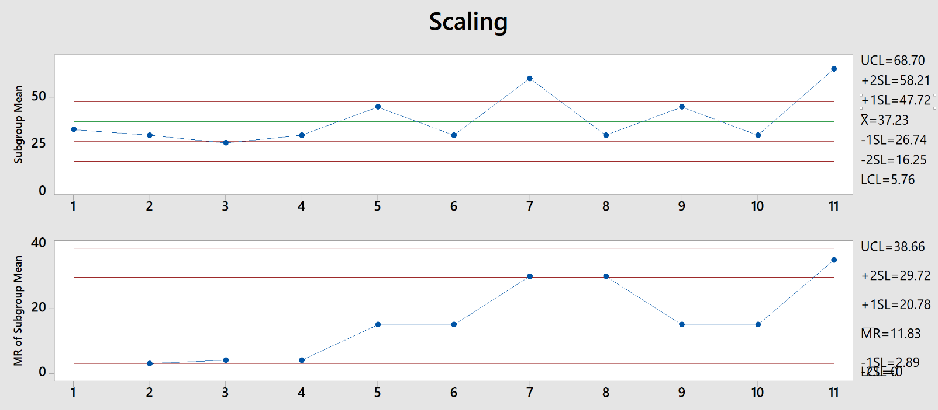
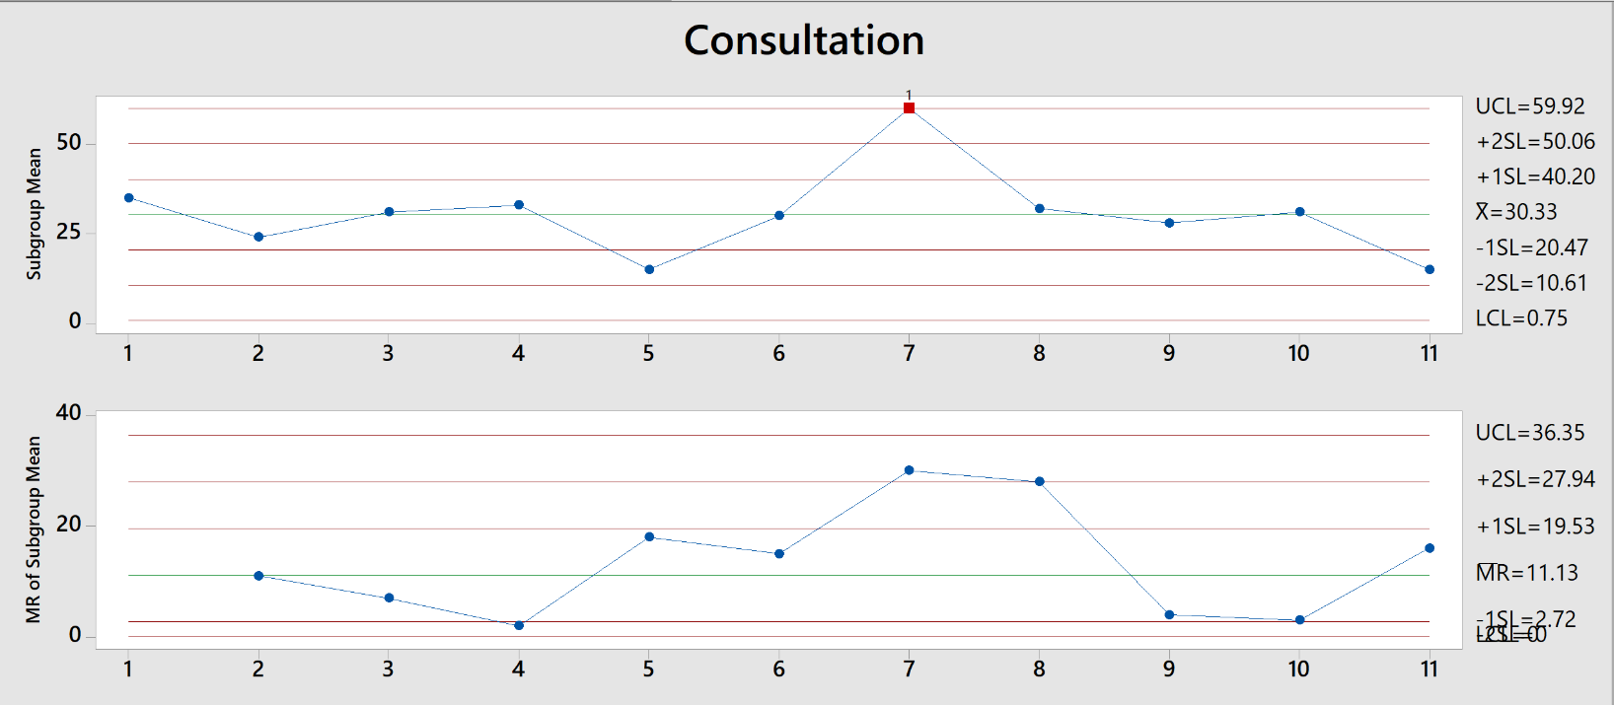
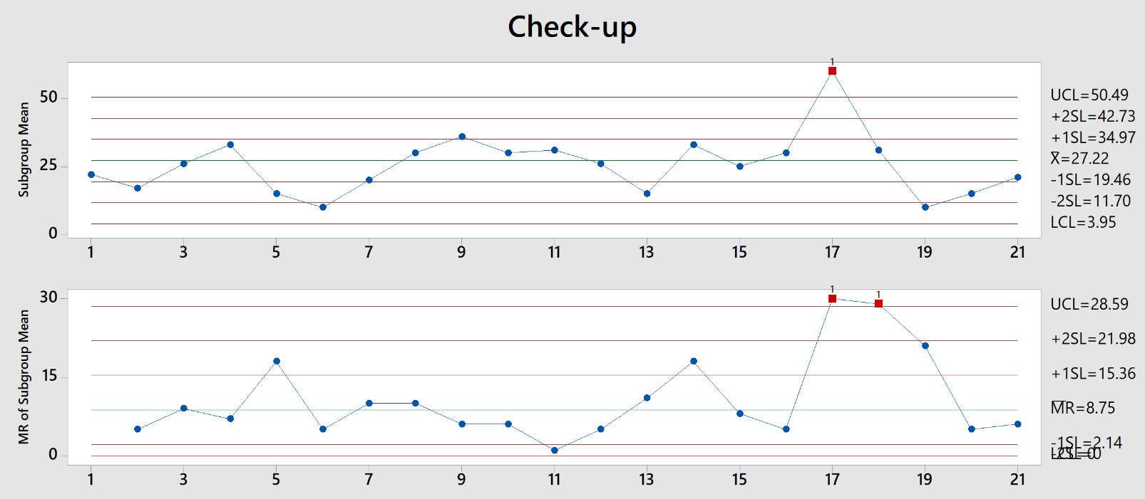
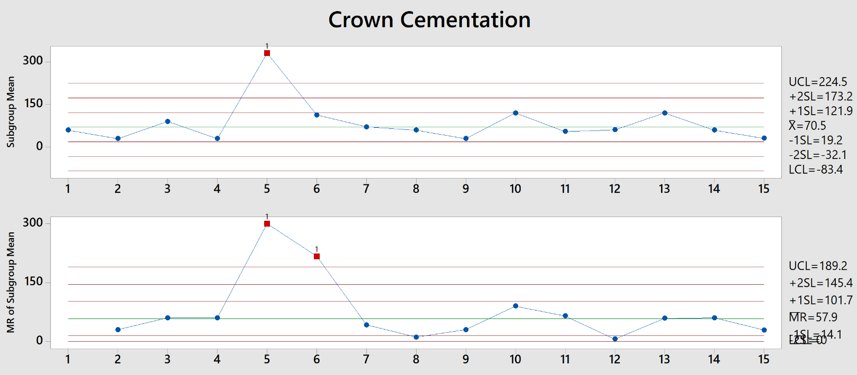
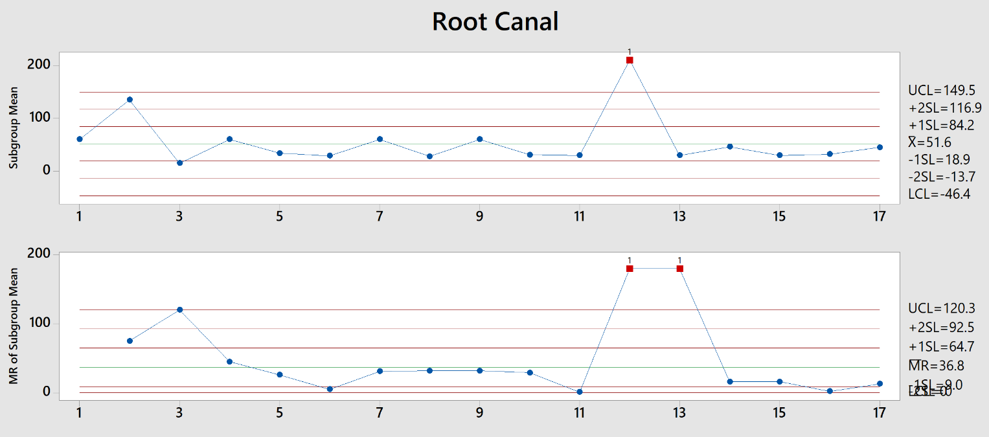
 | TREATMENT
 | Consultation | Check up | Scaling | Crown Cementation | Root Canal
SERVICE TIME | 24 | 22 | 33 | 60 | 60 | ONLY INDIVIDUAL TREATMENTS TAKEN
 | 31 | 17 | 30 | 30 | 135
 | 33 | 26 | 26 | 90 | 15
 | 30 | 33 | 30 | 30 | 15
 | 30 | 15 | 45 | 30 | 60
 | 60 | 10 | 30 | 30 | 34
 | 32 | 20 | 30 | 330 | 29
 | 28 | 30 | 60 | 113 | 60
 | 31 | 30 | 30 | 71 | 28
 | 15 | 36 | 45 | 60 | 60
 |  | 30 | 30 | 30 | 31
 |  | 31 | 30 | 30 | 30
 |  | 26 | 65 | 30 | 210
 |  | 15 |  | 30 | 30
 |  | 33 |  | 120 | 30
 |  | 25 |  | 55 | 46
 |  | 15 |  | 61 | 30
 |  | 30 |  | 120 | 32
 |  | 60 |  | 60 | 45
 |  | 60 |  | 31
 |  | 31
 |  | 10
 |  | 15
 |  | 21

SPECIALISTS
When to call in the specialists?

Mondays and Wednesdays are the lightest days with rank 4 and 5 respectively. On speaking to the specialists, they say they prefer the following time slots on Mondays and Wednesdays.
Even though Saturdays are relatively light, appointments on Saturdays and Sundays should be discouraged to let the doctors have the weekend off, thereby increasing employee satisfaction.
To encourage appointments on Mondays and Wednesdays, patients should be given a free generic treatment like zoom whitening or any other promotional treatments, as the data indicates that most patients prefer the latter half of the week to come in for treatments.
NAME | SPECIALIST | TIME TO CALL
Dr. Sagar Khanna | ROOT CANAL | Wednesday 2pm-5pm

Dr. Siddharth Shah | ORTHODONTIST | Wednesday 5pm-8pm

CAUSES OF WAITING TIME
PATIENT NAME | WAIT-TIME(IN MINUTES) | DOCTOR NAME | TREATMENT | CAUSE OF WAITING TIME | PATIENT NAME | TOTAL SERVICE TIME(IN MINUTES) | UNIQUE TREATMENT(AVG MINS)
Shital Shah | 14 | Dr. Sandeep Khanna | Treatment Plan Discussion | Analysing the Case Sheet | Shital Shah | 31 | Implant Surgery (105.33)
Glen Shiotsugu | 8 | Dr. Sandeep Khanna | Consultation & CBCT Scan | Analysing the Case Sheet | Glen Shiotsugu | 38 | 3 Fillings (90)
Cathleen Winter | 15 | Dr. Vineet Rege | Consultation & Scaling | Analysing the Case Sheet | Cathleen Winter | 32 | CBCT Scan (38.5)
Paul Kennedy | 12 | Dr. Sandeep Khanna | Second Stage of Implant Surgery | Setting Up Room | Paul Kennedy | 78 | Check-up (26)
Kuntal Lalwani | 25 | Dr. Sandeep Khanna | Check-up | Analysing the Case Sheet | Kuntal Lalwani | 22 | CLP
Letitia Muresan | 14 | Dr. Sandeep Khanna | Trial & Cementation | Setting Up Room | Letitia Muresan | 272 | Consultation (31.73)
Marita Angilley | 6 | Dr. Priyanka Shetty | Imp for Nightgaurd | Setting Up Room | Letitia Muresan | 17 | Crown lengthening (43.33) | Before we start, first explain the entire set up plan, no. of rooms, no. of surgeries, as-is map, etc, increase in waiting
Apeksha Pawar | 12 | Dr. Priyanka Shetty | Consultation | Analysing the Case Sheet | Hans Steffen | 62 | Crown Preparation
Letitia Muresan | 6 | Dr. Sandeep Khanna | Check-up | Analysing the Case Sheet | Apeksha Pawar | 35 | Crown Removal (123)
38% of the times, patients have waited due to the case sheet being analysed. This could be done earlier before the patient arrives in order to reduce his/her waiting time.
1% of the number of instances of waiting times are caused due to arranging equipment eg. Denture delivery, delivery of dental flosser.
13.27% of the waiting time instances are because of change in doctors. The new doctor takes a while to go through the case and then treat the patient. This also leads to patient dissatisfaction(as claimed by the patients in the feedback), as they wish to be treated by the same doctor each time they come.
While 2.6% are caused due to patients that come in together who may be related/ family friends, hence one has to wait for the other to finish.
Whereas, 36.28% are caused due to setting up of the room.
3.98% are due to the visiting doctor arriving late.
The other patients had negligible waiting time.
Hans Steffen | 35 | Dr. Vineet Rege | Crown Removal | Setting Up Room | Muskan Samal | 90 | Crowns follow up stitches
Muskan Samal | 10 | Dr. Priyanka Shetty | 3 Fillings | Analysing the Case Sheet | Hans Steffen | 48 | Dental Flosser (10)
Nikhil Gajjar | 32 | Dr. Manoj Garg | Check-up | Visiting doctor is late | Paul Kennedy | 67 | Denture Delivery (24.33)
Hans Steffen | 3 | Dr. Sagar Khanna | 2 Root Canals | Change in Doctor | Sabina Parekh | 33 | Denture Repair (10)
Paul Kennedy | 12 | Dr. Priyanka Shetty | Crown Removal | Change in Doctor | Nikhil Gajjar | 26 | Extraction (31.67)
Sabina Parekh | 22 | Dr. Priyanka Shetty | Scaling | Analysing the Case Sheet | Gauri Gowde | 33 | Filling (53.4)
Gauri Gowde | 7 | Dr. Priyanka Shetty | Check-up | Analysing the Case Sheet | Paul Kennedy | 60 | Implant Denture (63)
Paul Kennedy | 6 | Dr. Sagar Khanna | Root Canal | Change in Doctor | Bhavna Dattani | 93 | Impression for Nightguard (18)
Alex Mcdougall | 16 | Dr. Sagar Khanna | Root Canal | Setting Up Room | S.S. Rawat | 45 | OPG
Fatima Contractor | 7 | Dr. Priyanka Shetty | Trial of Crown | Previous Treatment Time Wrongly Estimated | Gauri Gowde | 10 | Ortho Consultation (30.14)
Harshvardhan Balsubramani | 5 | Dr. Vineet Rege | CBCT Scan | Analysing the Case Sheet | Rekha Muni | 60 | Ortho Treatment (23.19)
Bhavna Dattani | 10 | Dr. Sandeep Khanna | Implant Surgery | Setting Up Room | Russell May | 20 | POR (61.5)
Russell May | 20 | Dr. Vineet Rege | Check-up & Nightguard delivered | Analysing the Case Sheet | Lynne May | 15 | Removal (Post surgery) (5)
Lynne May | 20 | Dr. Vineet Rege | Check-up | Analysing the Case Sheet | Hans Steffen | 120 | Root Canal (53.75)
S.S. Rawat | 10 | Dr. Sandeep Khanna | Trial of Crown | Setting Up Room | Suyash Bayani | 30 | Scaling (34.69)
Hans Steffen | 4 | Dr. Vineet Rege | POR & Crown Preparation | Setting Up Room | Fatima Contractor | 25 | Suture Removal (22.5)
Gauri Gowde | 29 | Dr. Sandeep Khanna | Check-up | Change in Doctor | Harshvadhan Balsubramani | 6 | Treatment plan discussion(30.29)
Rekha Muni | 5 | Dr. Sandeep Khanna | Trial of Crown | Setting Up Room | Sachin Puntembakar | 44 | Trial of Crown (66.55)
Suyash Bayani | 5 | Dr. Vineet Rege | Scaling | Analysing the Case Sheet | Marita | 335
Sachin Puntembakar | 5 | Dr. Vineet Rege | Filling | Analysing the Case Sheet | Dr. Rupali Sabale | 62 | Setting Up Room | RC | Imp | 1st Ortho | Cementation
Marita Angilley | 7 | Dr. Vineet Rege | Crown Preparation & Impression for Crowns | Change in Doctor | Divya Panchal | 20 | Change in Doctor
Paul Kennedy | 19 | Dr. Priyanka Shetty | POR, Crown Prep & Imp for Crown | Setting Up Room | Geetanjali Anderson | 35 | Analysing the Case Sheet
Divya Panchal | 11 | Dr. Priyanka Shetty | Check-up | Analysing the Case Sheet | Leena Lalwani | 30 | Visiting doctor is late
Dr. Rupali Sabale | 4 | Dr. Priyanka Shetty | Scaling & Zoom Whitening | Analysing the Case Sheet | Kuntal Lalwani | 15 | Previous Treatment Time Wrongly Estimated
Rajiv Gupta | 6 | Dr. Vineet Rege | Check-up | Analysing the Case Sheet | Hans Steffen | 60 | No Delay
Geetanjali Anderson | 6 | Dr. Priyanka Shetty | Crown Trial | Setting Up Room | Hans Steffen | 210 | Arranging for Equipment
Percy Angilley | 12 | Dr. Vineet Rege | Crown Cementation | Setting Up Room | Rajiv Gupta | 30
Avantika Sinha | 2 | Dr. Vineet Rege | Crown Cementation | Setting Up Room | Rita Bhagat | 36
Kuntal Lalwani | 16 | Dr. Sagar Khanna | Root Canal | Change in Doctor | Kuldeep Bhagat | 30
Leena Lalwani | 1 | Dr. Sagar Khanna | Root Canal | Setting Up Room | Percy | 60
Hans Steffen | 5 | Dr. Sagar Khanna | Root Canal | Setting Up Room | Bipin | 60
Hans Steffen | 0 | Dr. Vineet Rege | POR, Crown Prep & Imp for Crown | Setting Up Room | Raksha Chokshi | 30
Bipin | 16 | Dr. Sandeep Khanna | Trial of Crown | Setting Up Room | Vidhi Thakkar | 34
Raksha Chokshi | 3 | Dr. Priyanka Shetty | Check-up | Analysing the Case Sheet | Deepa Bhatia | 29
Kuldeep Bhagat | 7 | Dr. Sandeep Khanna | Check-up | Analysing the Case Sheet | Asha Asrani | 92
Rita Bhagat | 8 | Dr. Priyanka Shetty | Check-up | Analysing the Case Sheet | Muskan Samal | 63
Vidhi Thakkar | 4 | Dr. Sagar Khanna | Root Canal | Setting Up Room | S.S. Rawat | 90
Deepa Bhatia | 6 | Dr. Sagar Khanna | Root Canal | Setting Up Room | Rekha Muni | 60
Asha Asrani | 14 | Dr. Vineet Rege | OPG,Scan, Imp taken for study models | Analysing the Case Sheet | Hemlata Bhatia | 66
Muskan Samal | 14 | Dr. Priyanka Shetty | Filling | Analysing the Case Sheet | James Stanton | 151
Keshini Navlakha | 13 | Dr. Vineet Rege | Scaling & Filling | Analysing the Case Sheet | Paula Hammond | 30
S.S. Rawat | 11 | Dr. Sandeep Khanna | Crown Cementation | Setting Up Room | Kushroo Mistry | 31
Hemlata Bhatia | 16 | Dr. Priyanka Shetty | Denture | Analysing the Case Sheet | Bipin | 30
Rekha Muni | 12 | Dr. Sandeep Khanna | Implant Denture | Setting Up Room | Archana Rai | 30
James Stanton | 10 | Dr. Vineet Rege | POR, Crown Prep & Imp for Crown | Setting Up Room | Vidhi Thakkar | 60
Paula Hammond | 12 | Dr. Sandeep Khanna | CBCT Scan | Analysing the Case Sheet | Hans Steffen | 122
Khushroo Mistry | 2 | Dr. Priyanka Shetty | Check-up | Setting Up Room | Anand Sathe | 63
Archana Rai | 6 | Dr. Vineet Rege | Crown Cementation | Setting Up Room | Harshvardhan Balsubramani | 91
Bipin | 1 | Dr. Sandeep Khanna | Crown Cementation | Setting Up Room | Paul Kennedy | 26
Fatima Contractor | 4 | Dr. Priyanka Shetty | Trial of Crown | Setting Up Room | Asha Asrani | 29
Vidhi Thakkar | 3 | Dr. Vineet Rege | Fillings | Change in Doctor | Alex Mcdougall | 207
Hans Steffen | 5 | Dr. Vineet Rege | Trial of Crown | Setting Up Room | Archana Rai | 30
Anand Sathe | 6 | Dr. Vineet Rege | Crown Prep & Imp for Crown | Setting Up Room | Marita | 145
Alex Mcdougall | 10 | Dr. Vineet Rege | POR, Crown Prep & Imp for Crown | Change in Doctor | Khushroo Mistry | 60
Harshvardhan Balsubramani | 17 | Dr. Sandeep Khanna | Implant Surgery | Change in Doctor | Deepa Bhatia | 60
Khushroo Mistry | 5 | Dr. Priyanka Shetty | Root Canal | Setting Up Room | Kusum Gupta | 116
Khushroo Mistry | 6 | Dr. Aditya | POR, Crown Prep & Imp for Crown | Change in Doctor | Rekha Stein | 30
Paul Kennedy | 10 | Dr. Sandeep Khanna | Check-up | Analysing the Case Sheet | Alfredo Sr. | 26
Archana Rai | 2 | Dr. Vineet Rege | Crown Cementation | Setting Up Room | Alfredo Jr. | 30
Marita Angilley | 11 | Dr. Vineet Rege | Trial of Crown | Setting Up Room | Heldi | 30
Deepa Bhatia | 7 | Dr. Priyanka Shetty | POR, Crown Prep & Imp for Crown | Change in Doctor | Samaira | 15
Asha Asrani | 10 | Dr. Sandeep Khanna | Treatment plan discussion | Change in Doctor | Meera Shah | 24
Sadique Shaikh | 4 | Dr. Sandeep Khanna | Consultation | Analysing the Case Sheet | Rajiv Gupta | 91
Kusum Gupta | 16 | Dr. Sandeep Khanna | Implant Surgery | Setting Up Room | Paula Hammond | 150
Rajiv Gupta | 3 | Dr. Vineet Rege | Imp for Crown | Setting Up Room | Amit Bhandari | 85
Paula Hammond | 3 | Dr. Priyanka Shetty | Crown Removal & Imp taken for crown | Change in Doctor | Hans Steffen | 330
Mirnal Deshraj | 4 | Dr. Vineet Rege | Crown Recementation | Setting Up Room | Anjana Jaisingh | 30
Amit Bhandari | 1 | Dr. Vineet Rege | Scaling & Polishing and Extraction | Setting Up Room | Hans Steffen | 62
Rekha Stein | 15 | Dr. Sandeep Khanna | Consultation, CBCT Scan & Study Model | Analysing the Case Sheet | Karen Gallagher | 210
Anjana Jaisingh | 4 | Dr. Manoj Garg | Extraction | Visiting doctor is late | Kim Havis | 31
Alfredo Sr. | 16 | Dr. Sandeep Khanna | Consultation, CBCT Scan & Study Model | Analysing the Case Sheet | Kim Havis | 26
Alfredo Jr. | 30 | Dr. Sandeep Khanna | Consultation, CBCT Scan & Study Model | Come Together | Glenda Bellis | 33
Heldi | 54 | Dr. Sandeep Khanna | Consultation, CBCT Scan & Study Model | Come Together | Glenda Bellis | 35
Hans Steffen | 11 | Dr. Vineet Rege | Crown Cementation | Setting Up Room | Carmen Hanusz | 26
Samaira Sandhu | 28 | Dr. Sandeep Khanna | Check-up | Analysing the Case Sheet | Dawn Hall | 177
Meera Shah | 6 | Dr. Sandeep Khanna | Consultation & OPG | Analysing the Case Sheet | Alfredo Jr. | 25
Hans Steffen | 3 | Dr. Vineet Rege | Check-up & Nightguard delivered | Analysing the Case Sheet | Lakhbir Kaur | 33
Karen Gallagher | 15 | Dr. Sandeep Khanna | Second Stage of Implant Surgery | Setting Up Room | Rekha Stein | 25
Kim Havis | 60 | Dr. Sandeep Khanna | Consultation | Come Together | James Stanton | 113
Kim Havis | 60 | Dr. Vineet Rege | Scaling, Crown Recementation | Setting Up Room | Marita | 71
Glenda Bellis | 30 | Dr. Sandeep Khanna | Consultation | Come Together | Meera Shah | 30
Glenda Bellis | 30 | Dr. Vineet Rege | Scaling and Polishing | Come Together | Geetanjali Anderson | 45
Carmen Hanusz | 90 | Dr. Vineet Rege | Scaling | Come Together | Tulsi Gulabani | 28
James Stanton | 12 | Dr. Siddharth Shah | Ortho Consultation | Visiting doctor is late | James Stanton | 30
Dawn Hall | 6 | Dr. Vineet Rege | Crown Removal and Root Canal | Setting Up Room | Rekha Stein | 180
Tulsi Gulabani | 28 | Dr. Sagar Khanna | Root Canal | Setting Up Room | Fatima Contractor | 60
Meera Shah | 15 | Dr. Siddharth Shah | Ortho Consultation | Visiting doctor is late | Deepa Bhatia | 30
Alfredo Jr. | 10 | Dr. Sandeep Khanna | Treatment plan discussion | Analysing the Case Sheet | Nikhil Gajjar | 15
James Stanton | 2 | Dr. Vineet Rege | Crown Cementation | Setting Up Room | Alfredo Jr. | 60
Alfredo Sr. | 10 | Dr. Sandeep Khanna | Treatment plan discussion | Analysing the Case Sheet | Heldi | 31
Geetanjali Anderson | 4 | Dr. Priyanka Shetty | Trial of Crown | Setting Up Room | Laurence Cooper | 25
Marita Angilley | 11 | Dr. Vineet Rege | Crown Cementation | Setting Up Room | Avantika Sinha | 63
Lakhbir Kaur | 14 | Dr. Sandeep Khanna | Check-up | Analysing the Case Sheet | Trishna Mehta | 31
Rekha Stein | 30 | Dr. Sandeep Khanna | Treatment plan discussion | Analysing the Case Sheet | Mahzbeen Parekh | 32
Hemlata Bhatia | 3 | Dr. Priyanka Shetty | Denture Delivery | Analysing the Case Sheet | Rupal Shah | 90
Rekha Stein | 2 | Dr. Sagar Khanna | Root Canal & Crown Cutting | Change in Doctor | Sonia Navani | 110
Fatima Contractor | 20 | Dr. Priyanka Shetty | Crown Cementation | Previous Treatment Time Wrongly Estimated | Asha Asrani | 102
Laurence Cooper | 13 | Dr. Vineet Rege | Check-up | Analysing the Case Sheet | Rekha Stein | 177
Deepa Bhatia | 6 | Dr. Priyanka Shetty | Crown Cementation | Setting Up Room | Paula Hammond | 145
Avantika Sinha | 4 | Dr. Vineet Rege | Post Root Canal (POR) | Setting Up Room | Khushroo Mistry | 30
Nikhil Gajjar | 5 | Dr. Manoj Garg | Consultation | Visiting doctor is late | Alfredo Sr. | 30
Alfredo Jr. | 5 | Dr. Sagar Khanna | Root Canal | Change in Doctor | Alfredo Jr. | 150
Trishna Mehta | 2 | Dr. Vineet Rege | Consultation and Scaling | Analysing the Case Sheet | Varsha Khakhar | 30
Mahzbeen Parekh | 27 | Dr. Vineet Rege | Consultation and Scaling | Analysing the Case Sheet | Carina Panchal | 30
Heldi | 12 | Dr. Sagar Khanna | Root Canal | Change in Doctor | Raelynn Panchal | 45
Rupal Shah | 2 | Dr. Priyanka Shetty | Check-up and Scaling | Analysing the Case Sheet | Khwaish Chhabra | 15
Marita Angilley | 14 | Dr. Vineet Rege | Check-up & Nightguard delivered | Analysing the Case Sheet | Rita Mor | 15
Paula Hammond | 5 | Dr. Priyanka Shetty | Scaling and Zoom Whitening | Setting Up Room | Mujahid Anas | 30
Rekha Stein | 5 | Dr. Vineet Rege | POR, Crown Prep & Imp for Crown | Change in Doctor | Mihir Chavan | 45
Sonia Navani | 10 | Dr. Sandeep Khanna | Implant Surgery | Setting Up Room | Alex Mcdougall | 90
Asha Asrani | 5 | Dr. Sandeep Khanna | Implant Surgery | Setting Up Room | Dawn Hall | 240
Khushroo Mistry | 10 | Dr. Priyanka Shetty | Crown Cementation | Setting Up Room | Alfredo Sr. | 150
Alfredo Sr. | 5 | Dr. Sagar Khanna | Root Canal | Change in Doctor | Kalpana Desai | 30
Alfredo Jr. | 5 | Dr. Vineet Rege | POR, Crown Prep & Imp for Crown | Change in Doctor | Shruti Pingley | 30
Carina Panchal | 6 | Dr. Priyanka Shetty | Scaling | Setting Up Room | Asha Asrani | 60
Raelynn Panchal | 3 | Dr. Siddharth Shah | Ortho Consultation | Setting Up Room | Rajiv Gupta | 30
Varsha Khakhar | 5 | Dr. Vineet Rege | Check-up | Analysing the Case Sheet | Dawn Hall | 210
Khwaish Chhabra | 5 | Dr. Siddharth Shah | Ortho Treatment | Analysing the Case Sheet | Nakul Warudhkar | 30
Reeta Mor | 5 | Dr. Siddharth Shah | Ortho Treatment | Analysing the Case Sheet | Varsha Khakhar | 30
Saya Parekh | 0 | Dr. Siddharth Shah | Ortho Treatment | No Delay | Ratanlal Gupta | 60
Mujahid Anas | 5 | Dr. Siddharth Shah | Ortho Treatment | Analysing the Case Sheet | Sarita Gupta | 30
Mihir Chavan | 5 | Dr. Priyanka Shetty | Scaling | Analysing the Case Sheet | Ekta Sharma | 30
Alex Mcdougall | 5 | Dr. Vineet Rege | Trial of Crown | Setting Up Room | Alex Mcdougall | 120
Dawn Hall | 10 | Dr. Sagar Khanna | Root Canal | Change in Doctor | Sally Walls | 60
Dawn Hall | 5 | Dr. Vineet Rege | Crown Removal | Setting Up Room | Kusum Gupta | 30
Kalpana Desai | 5 | Dr. Sandeep Khanna | Consultation | Analysing the Case Sheet | Atmaram Jeswani | 60
Shruti Pingley | 30 | Dr. Sandeep Khanna | Consultation | Analysing the Case Sheet | Natasha Malhotra | 60
Rajiv Gupta | 5 | Dr. Vineet Rege | Crown Cementation | Setting Up Room | Karen Gallagher | 60
Alfredo Sr. | 0 | Dr. Vineet Rege | POR, Crown Prep & Imp for Crown | Change in Doctor | Dawn Hall | 60
Asha Asrani | 10 | Dr. Sandeep Khanna | Check-up | Analysing the Case Sheet | N.K.Prasad | 10
Nakul Warudhkar | 15 | Dr. Sagar Khanna | Root Canal | Setting Up Room | Sharad Alve | 60
Varsha Khakhar | 5 | Dr. Sagar Khanna | Root Canal | Change in Doctor | Alfredo Jr. | 55
Ratanlal Gupta | 5 | Dr. Priyanka Shetty | Scaling & Filling | Analysing the Case Sheet | Alfredo Sr. | 61
Sarita Gupta | 60 | Dr. Priyanka Shetty | Scaling | Analysing the Case Sheet | Rekha Stein | 120
Ekta Sharma | 30 | Dr. Priyanka Shetty | Scaling | Analysing the Case Sheet | Anjana Jaisingh | 60
Paula Hammond | 5 | Dr. Priyanka Shetty | Crown Cementation | Setting Up Room | Shridhar Kshirsagar | 58
Alex Mcdougall | 10 | Dr. Vineet Rege | Crown Cementation | Setting Up Room | Priyanka Bhatia | 31
Atmaram Jeswani | 14 | Dr. Sandeep Khanna | Consultation | Previous Treatment Time Wrongly Estimated | Rekha Stein | 61
Sally Walls | 10 | Dr. Priyanka Shetty | Consultation and Scaling | Analysing the Case Sheet | Varsha Khakhar | 63
Kusum Gupta | 10 | Dr. Sandeep Khanna | Suture Removal | Setting Up Room | Rohan Gupta | 32
Natasha Malhotra | 10 | Dr. Vineet Rege | Check-up & Crown Removal | Setting Up Room | Polina Elagina | 28
Karen Gallagher | 10 | Dr. Sandeep Khanna | Impression | Setting Up Room | N.K.Prasad | 12
Alfredo Jr. | 5 | Dr. Vineet Rege | Crown Cementation | Setting Up Room | Alex Mcdougall | 60
Dawn Hall | 10 | Dr. Sandeep Khanna | Trial of Crown | Change in Doctor | Anand Sathe | 60
N.K.Prasad | 30 | Dr. Sandeep Khanna | Denture Repair | Arranging for Equipment | Atmaram Jeswani | 30
Alfredo Sr. | 62 | Dr. Vineet Rege | Crown Cementation | Setting Up Room | Polina Elagina | 46
Shridhar Kshirsagar | 20 | Dr. Vineet Rege | CBCT Scan | Analysing the Case Sheet | Atmaram Jeswani | 10
Sharad Alve | 10 | Dr. Sandeep Khanna | CBCT Scan | Analysing the Case Sheet | Rohan Gupta | 31
Rekha Stein | 10 | Dr. Vineet Rege | Crown Cementation | Setting Up Room | Rekha Muni | 31
Anjana Jaisingh | 26 | Dr. Vineet Rege | Scaling | Previous Treatment Time Wrongly Estimated | Priyanka Bhatia | 30
Rekha Stein | 10 | Dr. Vineet Rege | Check-up & Nightguard delivered | Analysing the Case Sheet | Akshay Gavai | 15
Samaira Sandhu | 3 | Dr. Siddharth Shah | Ortho Treatment | Visiting doctor is late | Carlson Creado | 15
Varsha Khakhar | 3 | Dr. Vineet Rege | POR, Crown Prep & Imp for Crown | Setting Up Room | Mahesh Mirza | 15
Priyanka Bhatia | 15 | Dr. Siddharth Shah | Ortho Consultation | Analysing the Case Sheet | Pratham Khandari | 15
Rohan Gupta | 0 | Dr. Vineet Rege | Consultation | No Delay | Dhruv Jain | 30
Polina Elagina | 4 | Dr. Sandeep Khanna | Consultation | Analysing the Case Sheet | Glen Shiotsugu | 60
Alex Mcdougall | 4 | Dr. Vineet Rege | Check-up | Analysing the Case Sheet | Sabhajeet Mishra | 120
Nina Kedar | 5 | Dr. Sandeep Khanna | Check-up | Analysing the Case Sheet | Asha Asrani | 15
Atmaram Jeswani | 31 | Dr. Manoj Garg | Extraction | Change in Doctor | Bilkish Nathani | 30
N.K.Prasad | 10 | Dr. Sandeep Khanna | Denture Delivery | Arranging for Equipment | Ipsita Agarwal | 30
Sharad Alve | 11 | Dr. Sandeep Khanna | Treatment Plan | Analysing the Case Sheet | Rohan Gupta | 30
Anand Sathe | 5 | Dr. Vineet Rege | Crown Cementation | Setting Up Room | Mandar Padola | 15
Polina Elagina | 2 | Dr. Sagar Khanna | Root Canal | Setting Up Room | Khwaish Chhabra | 10
Atmaram Jeswani | 11 | Dr. Vineet Rege | Check-up | Change in Doctor | Abhishek Desai | 15
Rohan Gupta | 12 | Dr. Vineet Rege | Consultation | Analysing the Case Sheet | Chiranjivee | 60
Rekha Muni | 13 | Dr. Sandeep Khanna | Denture Delivery | Arranging for Equipment | Justin Kulkiewski | 15
Priyanka Bhatia | 4 | Dr. Siddharth Shah | Ortho Treatment | Visiting doctor is late | Aditya Vardhan | 15
Chaitee Patne | 15 | Dr. Siddharth Shah | Ortho Treatment | Analysing the Case Sheet | Dhrumil Shah | 60
Akshay Gavai | 26 | Dr. Siddharth Shah | Ortho Treatment | Previous Treatment Time Wrongly Estimated | Polina Elagina | 30
Carlson Creado | 10 | Dr. Siddharth Shah | Ortho Treatment | Analysing the Case Sheet | Kuntal Lalwani | 30
Maevesh Mirza | 10 | Dr. Siddharth Shah | Ortho Treatment | Analysing the Case Sheet | Rohini Wahi | 30
Harshal Sukhdeve | 12 | Dr. Siddharth Shah | Ortho Consultation | Analysing the Case Sheet | Nakul Warudhkar | 60
Pratham Khandari | 22 | Dr. Siddharth Shah | Ortho Consultation | Previous Treatment Time Wrongly Estimated | Nimish Morzariya | 45
Dhruv Jain | 11 | Dr. Siddharth Shah | Ortho Consultation | Analysing the Case Sheet | Nayan Patel | 60
Glen Shiotsugu | 14 | Dr. Vineet Rege | Fillings | Change in Doctor | Minal Patil | 90
Sabhajeet Mishra | 60 | Dr. Sandeep Khanna | Implant Surgery | Setting Up Room | Asha Asrani | 75
Bilkish Nathani | 20 | Dr. Vineet Rege | Scaling and Crown Recementation | Setting Up Room | Samaria Sandhu | 10
Asha Asrani | 10 | Dr. Sandeep Khanna | Suture Removal | Setting Up Room | Anjana Jaisingh | 40
Ipsita Agarwal | 11 | Dr. Vineet Rege | Consultation and OPG | Analysing the Case Sheet | Kshitij Agarwal | 15
Rohan Gupta | 10 | Dr. Vineet Rege | Scaling | Setting Up Room | Glen Shiotsugu | 30
Mandar Padola | 5 | Dr. Siddharth Shah | Ortho Treatment | Visiting doctor is late | Leena Menon | 20
Pratham Khandari | 3 | Dr. Siddharth Shah | Treatment Plan Discussion | Analysing the Case Sheet | Alex Mcdougall | 11
Khwaish Chhabra | 6 | Dr. Siddharth Shah | Ortho Treatment | Analysing the Case Sheet | NA | 5
Abhishek Desai | 8 | Dr. Siddharth Shah | Ortho Treatment | Analysing the Case Sheet | Varsha | 31
Chiranjivee | 3 | Dr. Siddharth Shah | Ortho Treatment | Analysing the Case Sheet | Manu Karke | 35
Justin Kulkiewski | 25 | Dr. Siddharth Shah | Ortho Treatment | Previous Treatment Time Wrongly Estimated | Asha Asrani | 4
Aditya Vardhan | 5 | Dr. Siddharth Shah | Check-up | Analysing the Case Sheet | Bhavika | 121
Dhrumil Shah | 10 | Dr. Vineet Rege | Consultation and GIC Filling | Analysing the Case Sheet | Shital Shah | 132
Polina Elagina | 5 | Dr. Sagar Khanna | Root Canal + Post and Core | Setting Up Room | Manish Thakkar | 30
Kuntal Lalwani | 5 | Dr. Sagar Khanna | Root Canal | Setting Up Room | Asha Asrani | 62
Nakul Warudhkar | 5 | Dr. Vineet Rege | Post Root Canal (POR) | Change in Doctor | Adrienne | 32
Rohini Wahi | 5 | Dr. Sandeep Khanna | Check-up and OPG | Analysing the Case Sheet | Kuntal Lalwani | 65
Nimish Morzariya | 5 | Dr. Sandeep Khanna | Scaling | Analysing the Case Sheet | Ajit Singh | 45
Asha Asrani | 10 | Dr. Vineet Rege | CLP and Extraction | Setting Up Room
Minal Patil | 5 | Dr. Vineet Rege | 3 Fillings | Analysing the Case Sheet
Nayna Patel | 20 | Dr. Sandeep Khanna | Consultation and CBCT Scan | Analysing the Case Sheet
Asha Asrani | 20 | Dr. Sandeep Khanna | Crown lengthening & Extraction | Setting Up Room
Samaira Sandhu | 10 | NA | Dental Flosser | Arranging for Equipment
Anjana Jaisingh | 5 | Dr. Vineet Rege | Filling | Analysing the Case Sheet
Kshitij Agarwal | 15 | Dr. Vineet Rege | Consultation | Analysing the Case Sheet
Saba Ullal | 5 | Dr. Sandeep Khanna | Check-up & OPG | Analysing the Case Sheet

Glen Shiotsugu | 5 | Dr. Vineet Rege | Scaling | Setting Up Room
Leena Menon | 50 | Dr. Sandeep Khanna | Check-up for Implants | Setting Up Room
Alex Mcdougall | 26 | Dr. Sandeep Khanna | Crowns follow up stitches | Change in Doctor
NA | 4 | Dr. Vineet Rege | Removal (Post surgery) | Setting Up Room
Manu Karke | 15 | Dr. Ishani | Extraction | Analysing the Case Sheet
Varsha Khakhar | 22 | Dr. Vineet Rege | Crown Cementation | Setting Up Room
Asha Asrani | 9 | Dr. Sandeep Khanna | Check-up | Analysing the Case Sheet
Bhavika | 23 | Dr. Sandeep & Dr. Vineet | Implant+Measurement for Cap | Setting Up Room

Shital Shah | 15 | Dr. Sandeep Khanna | Implant Surgery & Extraction | Setting Up Room
Khwaish Chhabbra | 6 | Dr. Siddharth Shah | Ortho Treatment | Visiting doctor is late
Manish Thakkar | 5 | Dr. Vineet Rege | Scaling | Analysing the Case Sheet

Adrienne | 3 | Dr. Sagar Khanna | Root Canal | Setting Up Room
Kuntal Lalwani | 1 | Dr. Vineet Rege | Scaling | Change in Doctor
Asha Asrani | 7 | Dr. Vineet Rege | POR and Scaling | Setting Up Room
Asha Asrani | 10 | Dr. Sagar Khanna | Root Canal | Change in Doctor
Ajit Singh | 4 | Dr. Sandeep Khanna | Consultation, OPG and Treatment Plan Discussion | Analysing the Case Sheet

 |  |  |  | 0.03982300885

SCALING_BRAIN
BRAINSTORMING ON SCALING
H₀: µ = 30 minutes
H₁: µ > 30 minutes
n = 13
$\overline{x}$ = 37.23076923
s = 12.65012415
t_{cal} = 2.0609
The null hypothesis is rejected.
The scaling procedure involves removing stains, plaque, tartar and tobacco marks from the patient's teeth.
Setting up the room involves getting a new set of instruments, putting a new disposable cup and changing the scaler tips to new sterilised scaler tips.
The process takes longer than the doctors expect it to take because patients could gag during the treatment when the scaling tip is inserted in their mouth. Some patients even feel like vomitting. Additionally, the scaling tip needs to be changed often if the patient's mouth is very dirty. Hence, these factors could cause a delay in the scaling process, causing it to take longer than expected.

t-test
Treatment: Check up
$Hypothesis: H0: μ$ = 30 vs $H_{1 }: μ>30$
μ₀ = 30
n = 23
$$\overline{x}=27.2174$$
s = 12.8345
t_{cal} = $\frac{\overline{x} − \text{μ}}{s/{\sqrt{n}}}$ = -1.0398
t_{tab} = t_{22,0.05} = 1.717
|t_{cal}|< |t_{tab}|, we accept H₀ at 5% level of significance.
Treatment: Consultation
$Hypothesis: H0: μ$ = 25 vs $H_{1 }: μ>25$
μ₀ = 25
n = 12
$$\overline{x}=30.3333$$
s = 11.39643751
t_{cal} = $\frac{\overline{x} − \text{μ}}{s/{\sqrt{n}}}$ = 1.621128807
t_{tab} = t_{11,0.05} = 1.796
|t_{cal}|< |t_{tab}|, we accept H₀ at 5% level of significance.
TREATMENT | tcal | ttab | DECISION
Check-up | -1.0398 | 1.717 | Accept H0
Consultation | 1.6211 | 1.796 | Accept H0
Crown Cementation | 0.6864 | 1.729 | Accept H0
Scaling | 2.0609 | 1.782 | Reject H0
Root Canal | 0.615 | 1.734 | Accept H0

Treatment: Crown Cementation
$Hypothesis: H0: μ$ = 60 vs $H_{1 }: μ>60$
μ₀ = 60
n = 20
$$\overline{x}=70.55$$
s = 68.73708491
t_{cal} = $\frac{\overline{x} − \text{μ}}{s/{\sqrt{n}}}$ = 0.6863985342
t_{tab} = t_{19,0.05} = 1.729
|t_{cal}|< |t_{tab}|, we accept H₀ at 5% level of significance.
Treatment: Scaling
$Hypothesis: H0: μ$ = 30 vs $H_{1 }: μ>30$
μ₀ = 30
n = 13
$$\overline{x}=37.230769$$
s = 12.65012415
t_{cal} = $\frac{\overline{x} − \text{μ}}{s/{\sqrt{n}}}$ = 2.0609
t_{tab} = t_{12,0.05} = 1.782
|t_{cal}|> |t_{tab}|, we reject H₀ at 5% level of significance.

Treatment: Root Canal
$Hypothesis: H0: μ$ = 45 vs $H_{1 }: μ>45$
μ₀ = 45
n = 19
$$\overline{x}=51.57894737$$
s = 46.62774066
t_{cal} = $\frac{\overline{x} − \text{μ}}{s/{\sqrt{n}}}$ = 0.6150
t_{tab} = t_{18,0.05} = 1.734
|t_{cal}|< |t_{tab}|, we accept H₀ at 5% level of significance.

PARETO_CHART
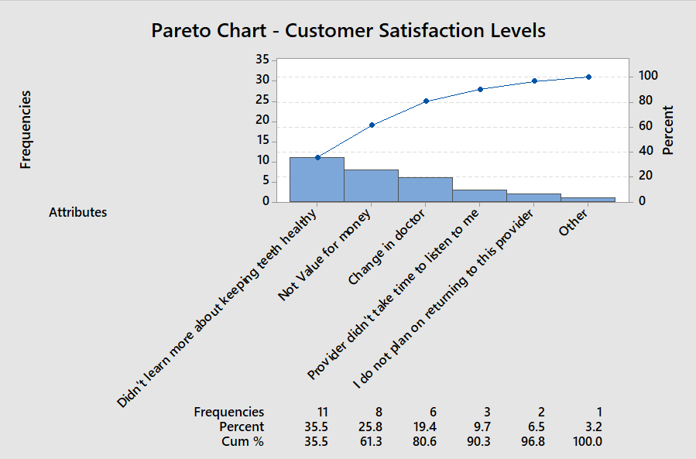
PARETO CHARTS

