Monthly Ledger
12-Month Operating Ledger (Sample Actuals)

Month | Cups Sold (Q) | Total Cost ($) | Revenue ($) | Profit ($) | Cost/Cup | Profit Margin
Jan | 3,200 | $14,820.00 | $17,600.00 | $2,780.00 | $4.63 | 15.8%
Feb | 3,450 | $15,240.00 | $18,975.00 | $3,735.00 | $4.42 | 19.7%
Mar | 3,800 | $15,890.00 | $20,900.00 | $5,010.00 | $4.18 | 24.0%
Apr | 4,100 | $16,450.00 | $22,550.00 | $6,100.00 | $4.01 | 27.1%
May | 4,450 | $17,120.00 | $24,475.00 | $7,355.00 | $3.85 | 30.1%
Jun | 4,800 | $17,800.00 | $26,400.00 | $8,600.00 | $3.71 | 32.6%
Jul | 5,100 | $18,350.00 | $28,050.00 | $9,700.00 | $3.60 | 34.6%
Aug | 4,950 | $18,120.00 | $27,225.00 | $9,105.00 | $3.66 | 33.4%
Sep | 4,300 | $16,880.00 | $23,650.00 | $6,770.00 | $3.93 | 28.6%
Oct | 4,000 | $16,290.00 | $22,000.00 | $5,710.00 | $4.07 | 26.0%
Nov | 3,700 | $15,710.00 | $20,350.00 | $4,640.00 | $4.25 | 22.8%
Dec | 4,600 | $17,460.00 | $25,300.00 | $7,840.00 | $3.80 | 31.0%

Monthly Revenue vs Total Cost

Regression
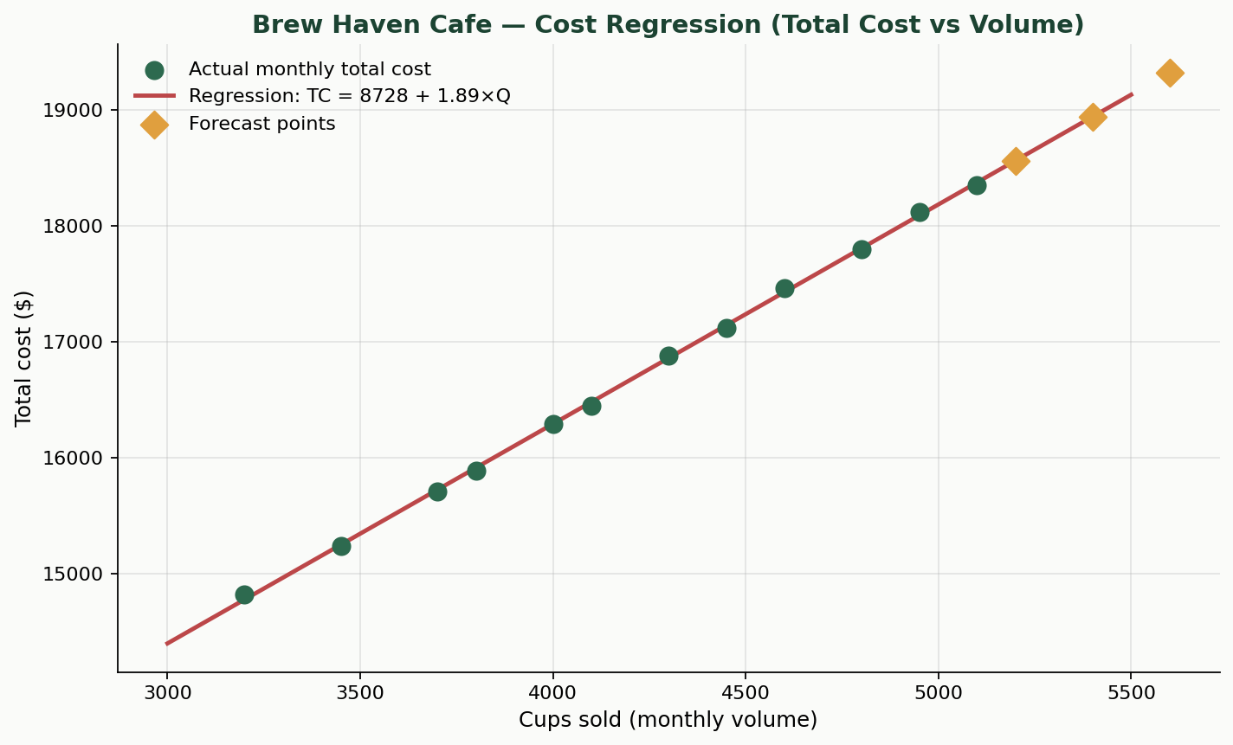
Simple Linear Regression — Forecasting Total Cost from Volume
Model: Total Cost (Y) = Intercept (a) + Slope (b) × Cups Sold (X)

Regression Output (equivalent to Excel Data Analysis > Regression)
Statistic | Value | Interpretation
Intercept (a) — Fixed cost estimate | $8,728.31 | When cups = 0, expected monthly cost ≈ $8,728
Slope (b) — Variable cost / cup | $1.89 | Each extra cup adds ≈ $1.89 to total cost
R-squared | 0.9995 | 99.9% of cost variation explained by volume
Correlation (r) | 0.9997 | Strong positive linear relationship
p-value (slope) | 7.71E-18 | Slope is statistically significant (p < 0.05)
Standard error (slope) | 0.0134 | Precision of the variable-cost estimate
Observations (n) | 12 | Months of operating data

Fitted values & residuals
Month | Cups (X) | Actual Cost (Y) | Predicted Cost | Residual | Cups | Cost
Jan | 3200 | $14,820.00 | $14,778.83 | $41.17 | 3200 | 14820
Feb | 3450 | $15,240.00 | $15,251.53 | -$11.53 | 3450 | 15240
Mar | 3800 | $15,890.00 | $15,913.31 | -$23.31 | 3800 | 15890
Apr | 4100 | $16,450.00 | $16,480.54 | -$30.54 | 4100 | 16450
May | 4450 | $17,120.00 | $17,142.32 | -$22.32 | 4450 | 17120
Jun | 4800 | $17,800.00 | $17,804.09 | -$4.09 | 4800 | 17800
Jul | 5100 | $18,350.00 | $18,371.33 | -$21.33 | 5100 | 18350
Aug | 4950 | $18,120.00 | $18,087.71 | $32.29 | 4950 | 18120
Sep | 4300 | $16,880.00 | $16,858.70 | $21.30 | 4300 | 16880
Oct | 4000 | $16,290.00 | $16,291.46 | -$1.46 | 4000 | 16290
Nov | 3700 | $15,710.00 | $15,724.23 | -$14.23 | 3700 | 15710
Dec | 4600 | $17,460.00 | $17,425.94 | $34.06 | 4600 | 17460

3-Month Cost Forecast
Period | Projected Cups | Forecast Total Cost | Implied Revenue @ $5.50 | Implied Profit
Month +1 | 5200 | $18,560.41 | $28,600.00 | $10,039.59
Month +2 | 5400 | $18,938.57 | $29,700.00 | $10,761.43
Month +3 | 5600 | $19,316.73 | $30,800.00 | $11,483.27

Total Cost vs Cups Sold

