1065318_1
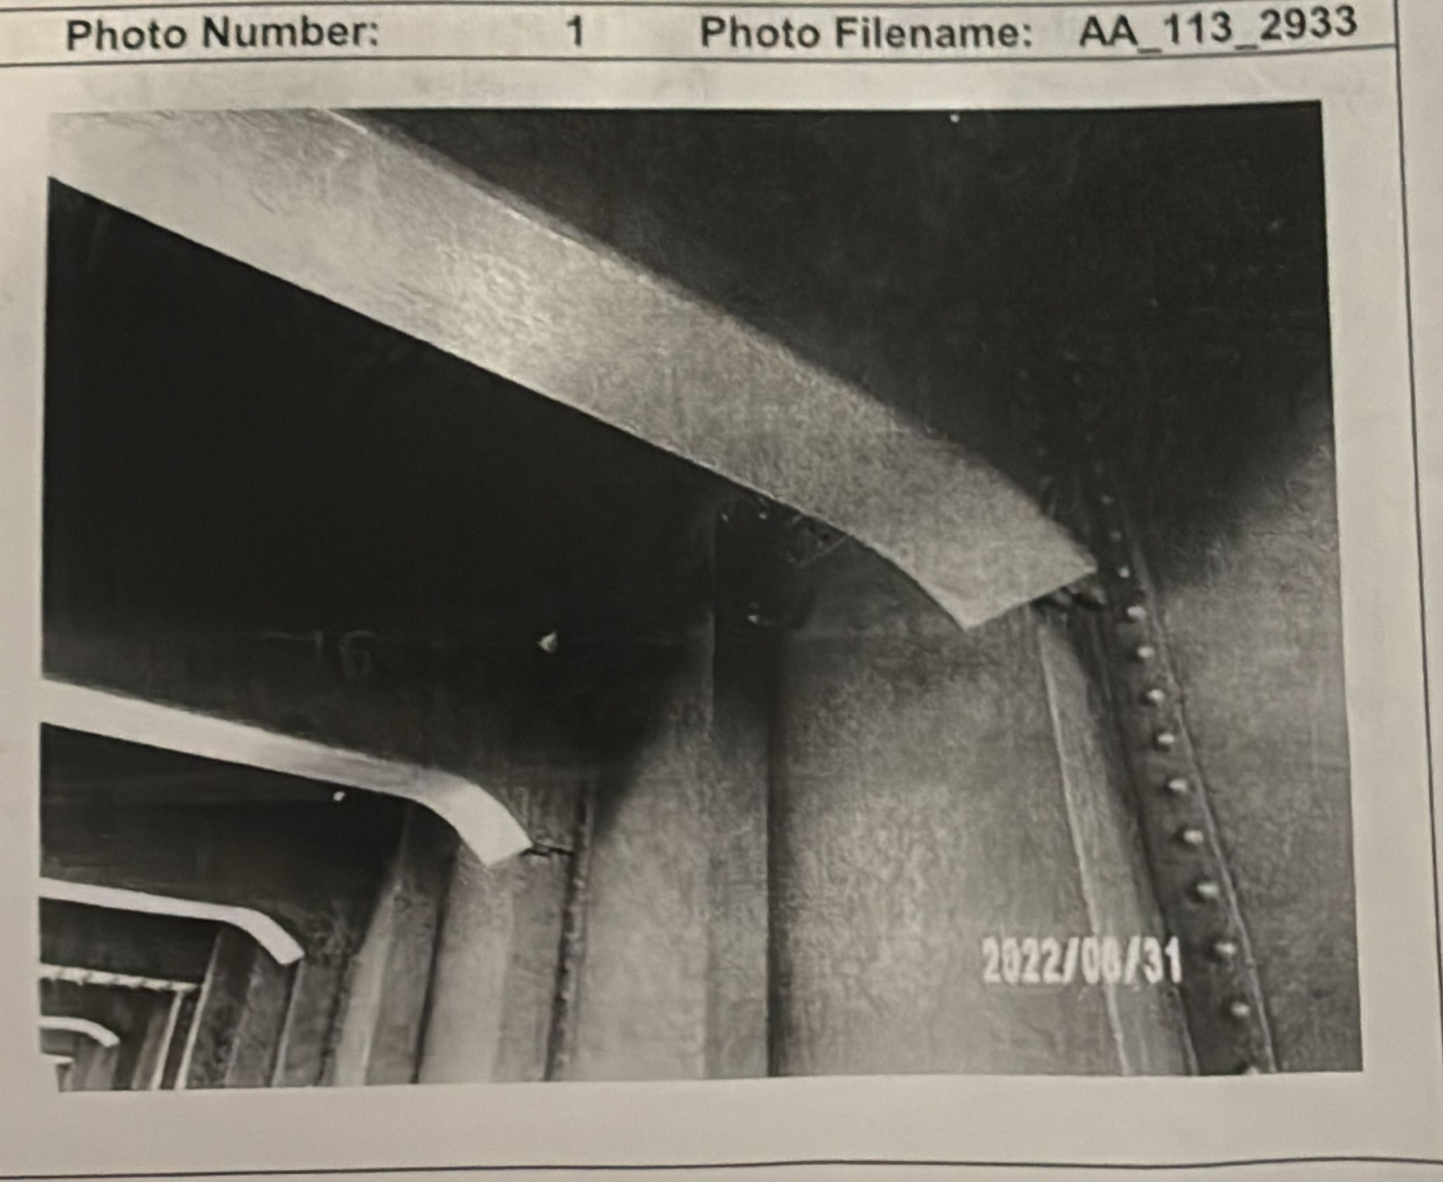
2022 GOWANUS EXPRESSWAY IN-DEPTH INSPECTION

BIN: | 1065318 |  |  |  |  |  |  |  | Inspection Date: | 2022-08-31

Team Leader: | Alex Abreu, PE |  |  |  |  |  |  |  | Weather: | 80 Degrees F, Sunny
Span: | 71 | Location: | GIRDER G16 |  |  |  |  |  | Asst. Team Leader: | Tommy Silvers

Notes:
35' bucket truck and left lane closure was utilized on 3rd Ave (eastbound). Sketch is not to scale.

Location: | 107 - Open Steel Girder |  |  |  | CS0 | CS1 | CS2 | CS3 | CS4 | CS5
 |  |  |  |  | 0 | 1 | 0 | 1 | 0 | 0
Note: | Same findings apply for 83' : Steel Beam End (Unit = 1 Each)
Condition State: | 3
References Photo(s):
References Sketch(es)
Description:
The end of Girder G16 in Span 71 at Pier 70 exhibits section loss in the web along the connection angles...

Inspection Photographs

 |  |  |  | Photo Number: | 1 |  | Photo Filename: | AA_113_2933
Span 71 – Pier 70 – Girder G16 – General view, looking begin and right.

1065319_2
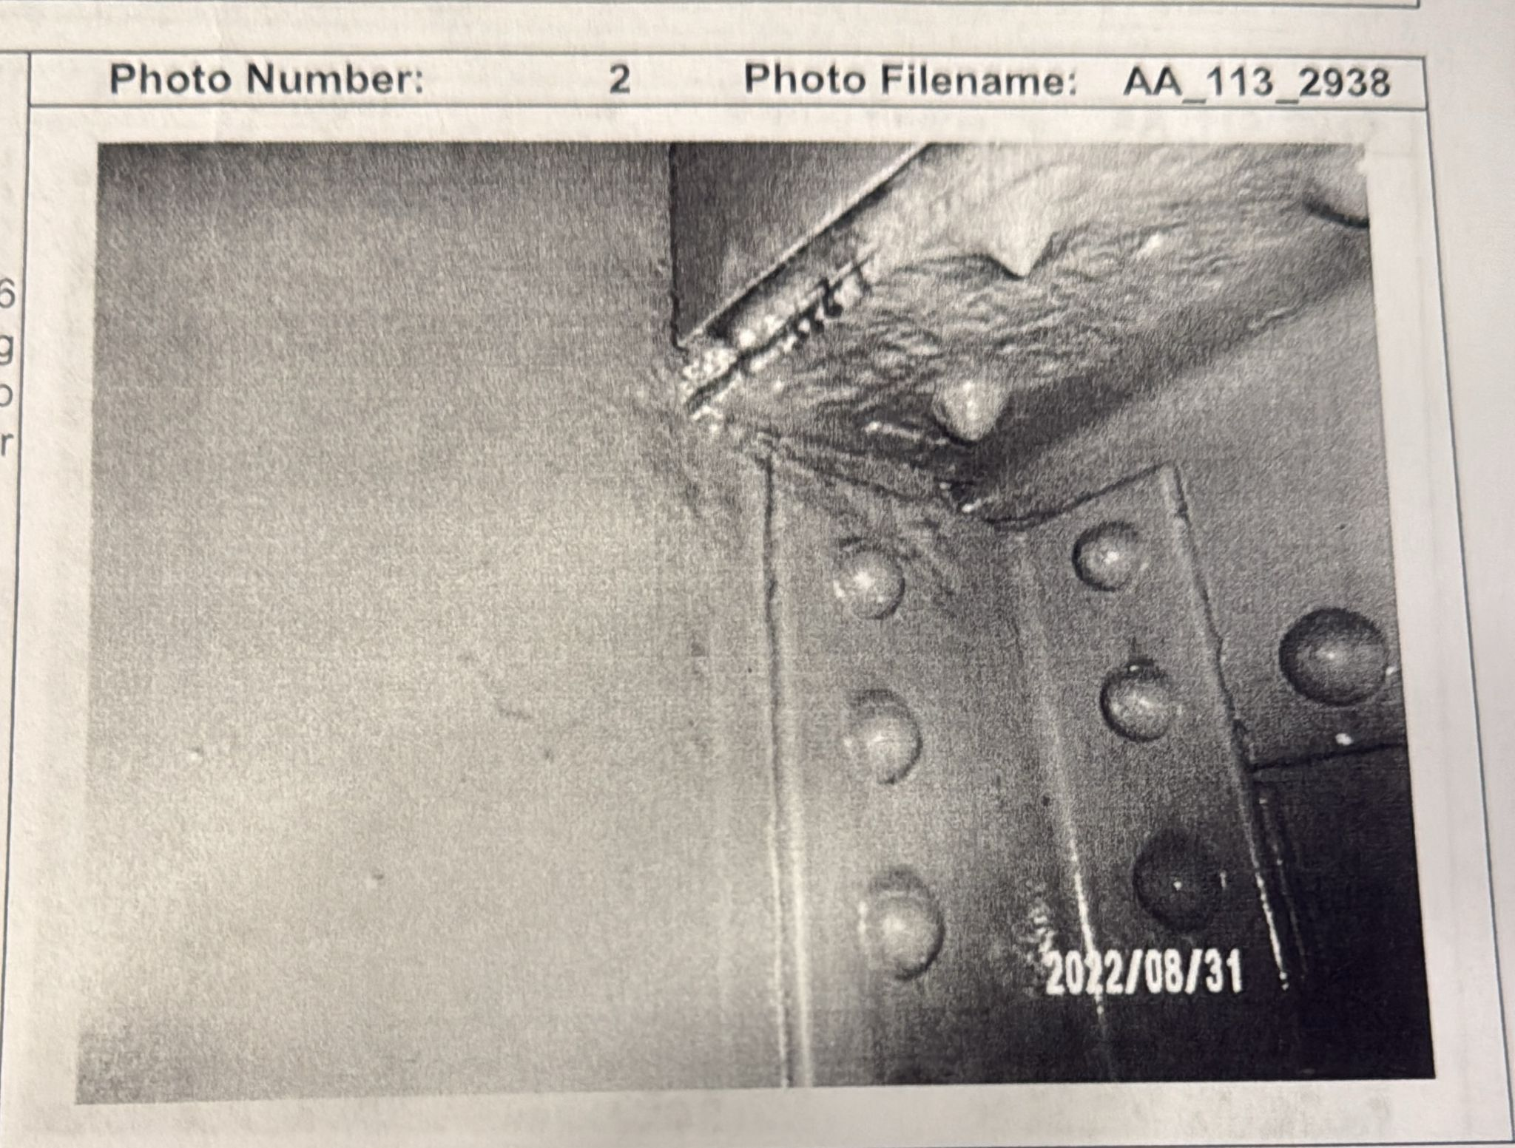
2022 GOWANUS EXPRESSWAY IN-DEPTH INSPECTION

BIN: | 1065319 |  |  |  |  |  |  |  | Inspection Date: | 2022-09-15

Team Leader: | Jamie Rivera, PE |  |  |  |  |  |  |  | Weather: | 75 Degrees F, Cloudy
Span: | 12 | Location: | GIRDER G05 |  |  |  |  |  | Asst. Team Leader: | Kris Lee

Notes:
Night inspection due to lane closure constraints.

Location: | 105 - Open Steel Girder |  |  |  | CS0 | CS1 | CS2 | CS3 | CS4 | CS5
 |  |  |  |  | 0 | 1 | 1 | 0 | 0 | 0
Note: | Check at next inspection cycle.
Condition State: | 2
References Photo(s):
References Sketch(es)
Description:
Minor corrosion observed on lower flange; no pack rust at connections.

Inspection Photographs

 |  |  |  | Photo Number: | 2 |  | Photo Filename: | BB_001_0002
Span 12 – Pier 3 – Girder G05 – General view.

