SK-U05 18
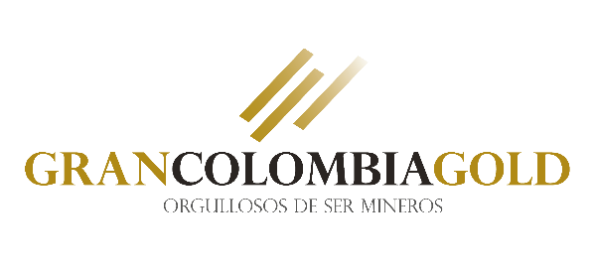

 |  |  |  |  |  | Pozos Geología Minas

 |  |  | Validated by: |  |  |  | Validation date:

Select | jobno | dhid | from sample | to sample | length sample | sampno | lithology | vn_mod | au_ppm sample | ag_ppm sample | From Grade | To Grade | Length Grade | Au gr/t Grade | Ag gr/t Grade

