Cover Page
 | Splice Point #: |  |  | Release #:
 | 101142 |  |  | 2.0

FIBER OPTIC SPLICE ENGINEERING PACKAGE

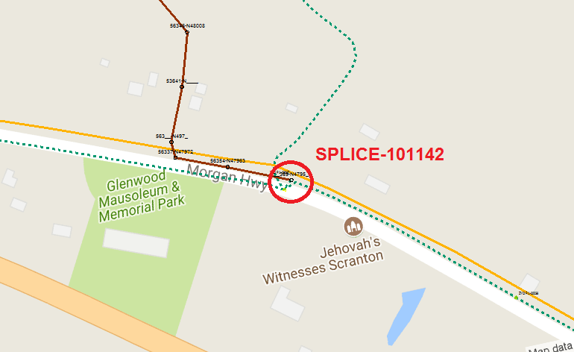

 | Manhole/Pole Number | Owner | Location Description: | City, State:
 | ZYO PA-00037 | ZAYO

 | Enclosure Make/Model: |  | Notes
 | RAYCHEM FOSC 400 D5

 | Fiber Engineer: | Date: | Project Manager: | Release #:
 | Doug Shannon | 2017-11-10 | Leo Schneider | 2.0

 | Service Order: | Internal Service Order: | Splice Point #:
 | 963969 | 0234296 | 101142

 | Customer: | Customer Number:
 | XO Communications

 |  |  | Other Splice Points in Handhole:

Smallworld Snapshot

 | Splice Point #: | Release #:
 | 101142 | 2.0

FIBER OPTIC SPLICE ENGINEERING PACKAGE

