Smallworld Snapshot
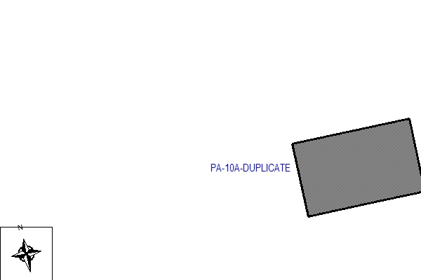
 | Splice Point #: | Release #:
 | 101143 | 2.0

FIBER OPTIC SPLICE ENGINEERING PACKAGE

