Cover Page
 | Splice Point #: |  |  | Release #:
 | 101108 |  |  | 3.0

FIBER OPTIC SPLICE ENGINEERING PACKAGE

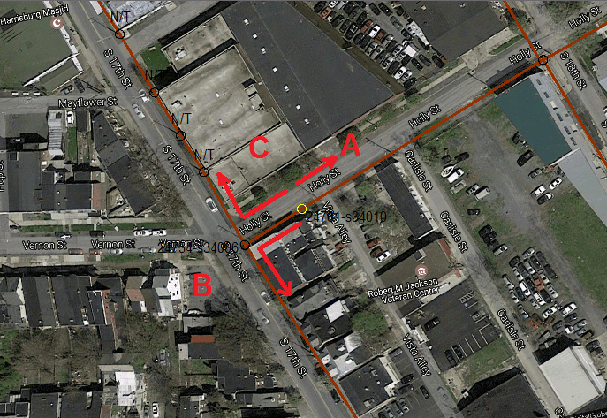

 | Manhole/Pole Number | Owner | Location Description: | City, State:
 | 24761-s34010 | MET-ED | Holly St ne/o 17th St (40° 15' 49.0",-76° 51' 45.5") | Harrisburg, PA

 | Enclosure Make/Model: |  | Notes
 | LUCENT LST1U-072/7 073-144

 | Fiber Engineer: | Date: | Project Manager: | Release #:
 | Doug Shannon | 2017-04-11 |  | 3.0

 | Service Order: | Internal Service Order: | Splice Point #:
 | 784234 | 0195658 | 101108

 | Customer: | Customer Number:
 | T-Systems North America

 |  |  | Other Splice Points in Pole:

Smallworld Snapshot

 | Splice Point #: | Release #:
 | 101108 | 3.0

FIBER OPTIC SPLICE ENGINEERING PACKAGE

