Cover Page
 | Splice Point #: |  |  | Release #:
 | 10118 |  |  | 135.0

FIBER OPTIC SPLICE ENGINEERING PACKAGE

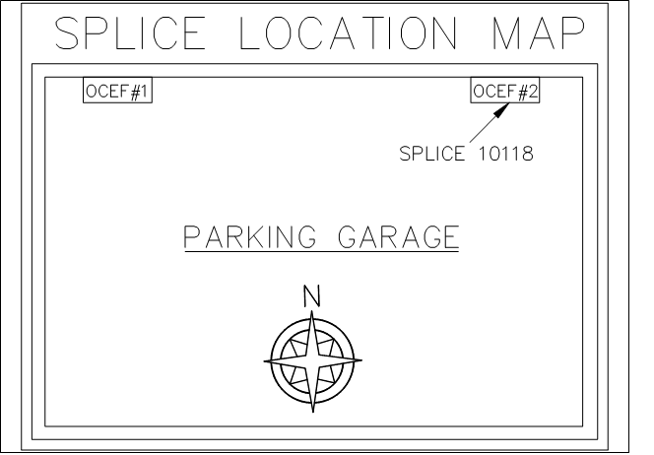

 | Address | Owner | Location Description: | City, State:
 | 1275 K STREET NW, WASHINGTON, DC, 20005 | Unknown | Room : Parking Garage Floor : 1st Floor | WASHINGTON,DC

 | Enclosure Make/Model: |  | Notes
 | Lucent OCEF1-288/22 Wall Mount

 | Fiber Engineer: | Date: | Project Manager: | Release #:
 | Corey LaFontaine | 2018-01-11 | Ann Muller | 135.0

 | Order Number: | Date: | Splice Point #:
 |  |  | 10118
 | Customer Information (for this release only):

 |  |  | Other Splice Points in Commercial:

Smallworld Snapshot
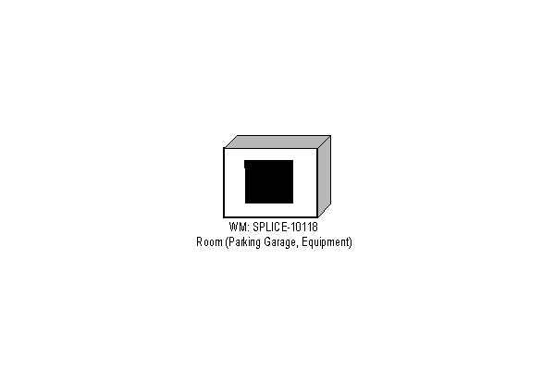
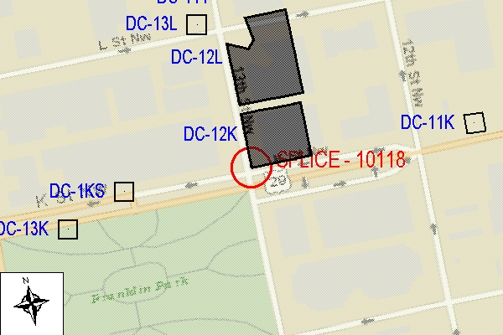
 | Splice Point #: | Release #:
 | 10118 | 135.0

FIBER OPTIC SPLICE ENGINEERING PACKAGE

