Cover Page
 | Splice Point #: |  |  | Release #:
 | 10156 |  |  | 73.0

FIBER OPTIC SPLICE ENGINEERING PACKAGE

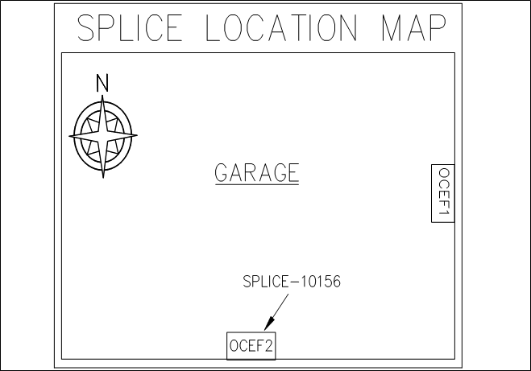

 | Address | Owner | Location Description: | City, State:
 | 8100 BOONE BOULEVARD, VIENNA, VA, 22182 | Unknown | Room : Garage Floor : B-1 Parking | VIENNA,VA

 | Enclosure Make/Model: |  | Notes
 | Lucent OCEF1-288/22 Wall Mount

 | Fiber Engineer: | Date: | Project Manager: | Release #:
 | Michael Oakes | 2018-02-02 | Doug Schuele | 73.0

 | Order Number: | Date: | Splice Point #:
 |  |  | 10156
 | Customer Information (for this release only):

 |  |  | Other Splice Points in Commercial:

Smallworld Snapshot
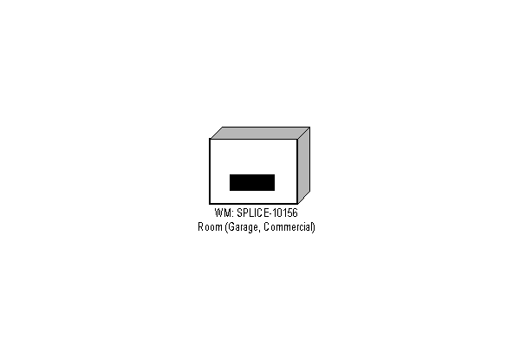
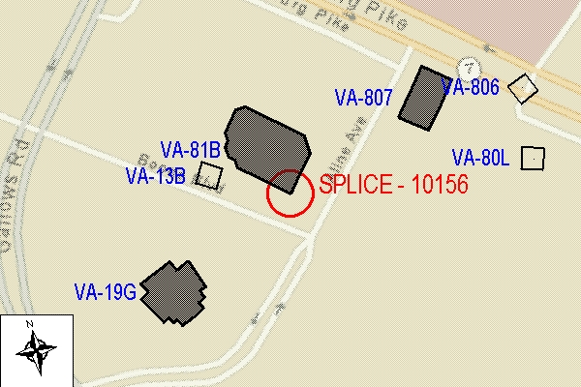
 | Splice Point #: | Release #:
 | 10156 | 73.0

FIBER OPTIC SPLICE ENGINEERING PACKAGE

