Cover - Location Info
 |  |  |  |  |  | 1 | SEP TEMPLATE VERSION 4.0 |  |  | 0
 |  |  |  |  |  | 0 |  |  |  | 0
 |  |  |  |  |  |  |  |  |  | 0

 |  |  |  |  |  |  | ENTER SEP DATA HERE

SPLICE ENGINEERING PACKAGE - OSP |  |  |  |  |  |  |  | Splice Point #: | 95550

 |  |  |  |  |  |  | Release #: |  | 1.0
 |  |  |  |  | 0

 |  |  |  |  |  |  | ←←←←TO EDIT THE VISIO ORIENTATION PICTURE (LEFT), RIGHT CLICK AND SELECT "VISIO OBJECT - OPEN".

 |  |  |  |  |  |  |  |  | In order to utilize a Custom Picture (BELOW), paste image into the "Pics" Tab. The Custom Picture can then be dragged onto the Cover page.




 | Manhole / Pole ID | Owner | Location Description | City, State
 | Aerial Pole | TBD | BYRON HWY & 2,253' N. BYRON HOT SPRINGS | Byron, CA

21 | Enclosure Make/Model: |  | OSP Cables In Splice (Cable Info Tab)
 | TYCO D ENCLOSURE |  | BB CA-B32 (PLTN 2.3) BB CA-B32 (PLTN 2.3)

 | Fiber Engineer: | Release Date: | OSP PM | Release #:
 | Ben Delman | 2016-06-01 | Dave Rugg | 1.0

 | NOTES |  | Splice Point #:
 | GPS COORDINATES; N 37*51'14", W 121*37'33" |  | 95550

 |  | Select Checkbox!

Pics
 | SPLICE CASE PICTURES

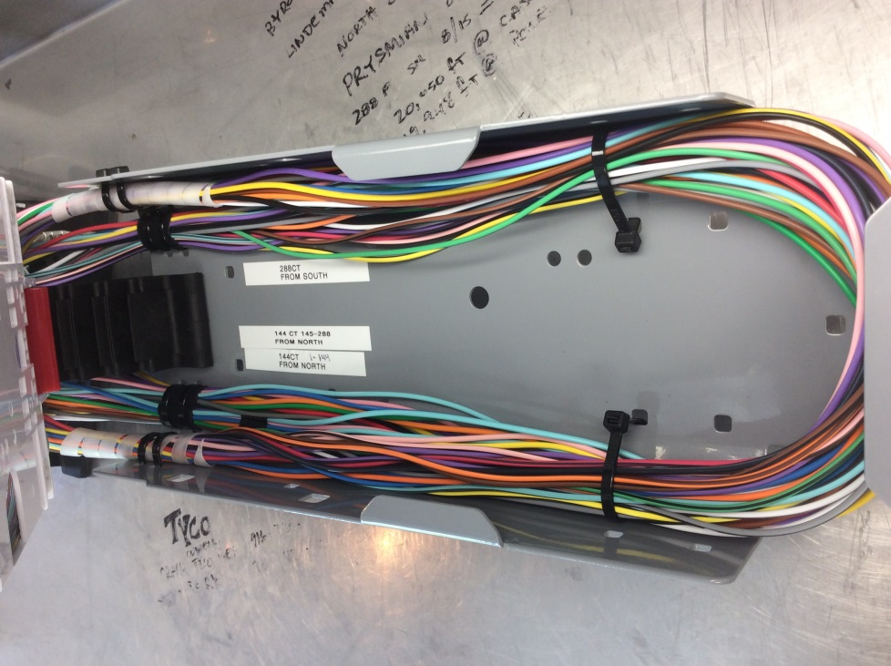 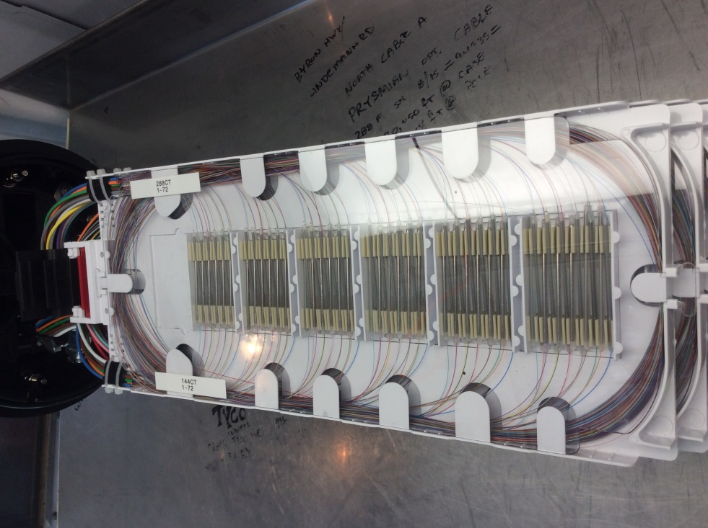 | 