Pics
 | ALTERNATE COVER PICTURE

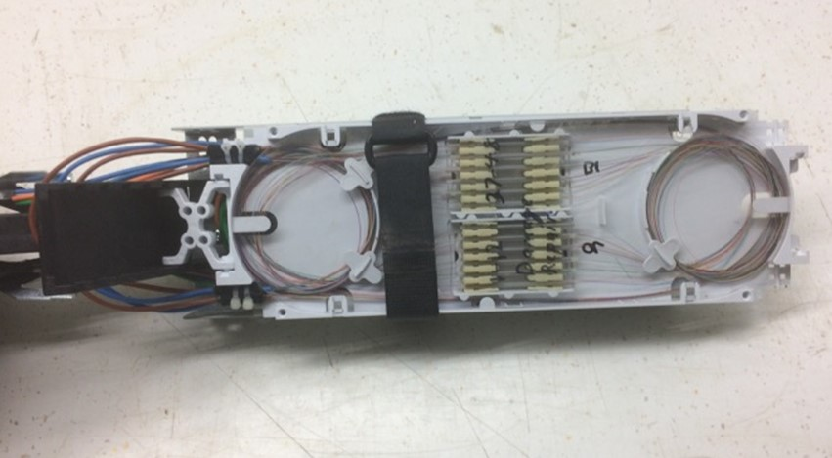 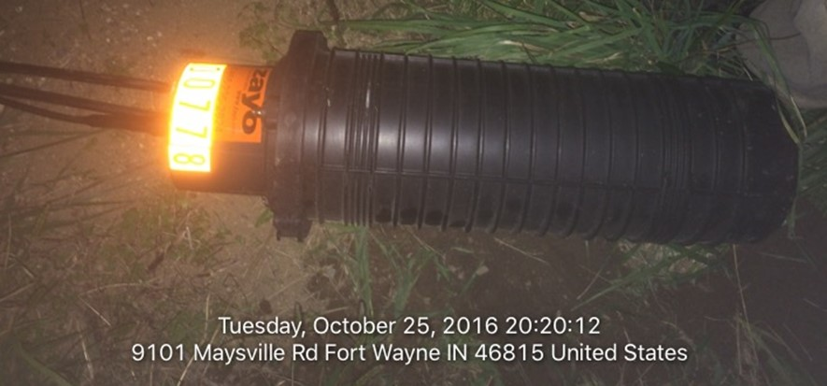 | Custom Picture

Paste Picture within Orange boundary. Entire space within Orange Boundary will be displayed on the Cover

