Pics
 |  | ALTERNATE COVER PICTURE

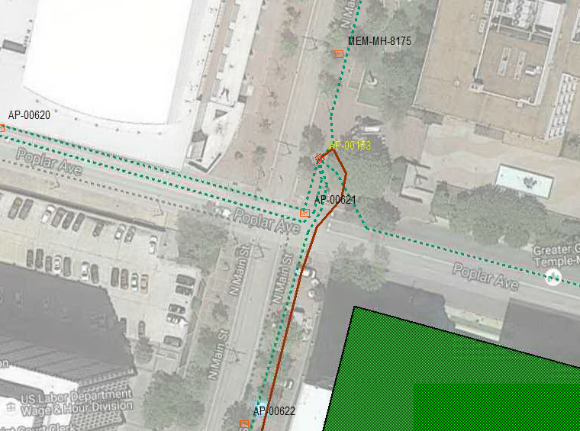 |  | Custom Picture

 | Paste Picture within Orange boundary. Entire space within Orange Boundary will be displayed on the Cover

