Pics
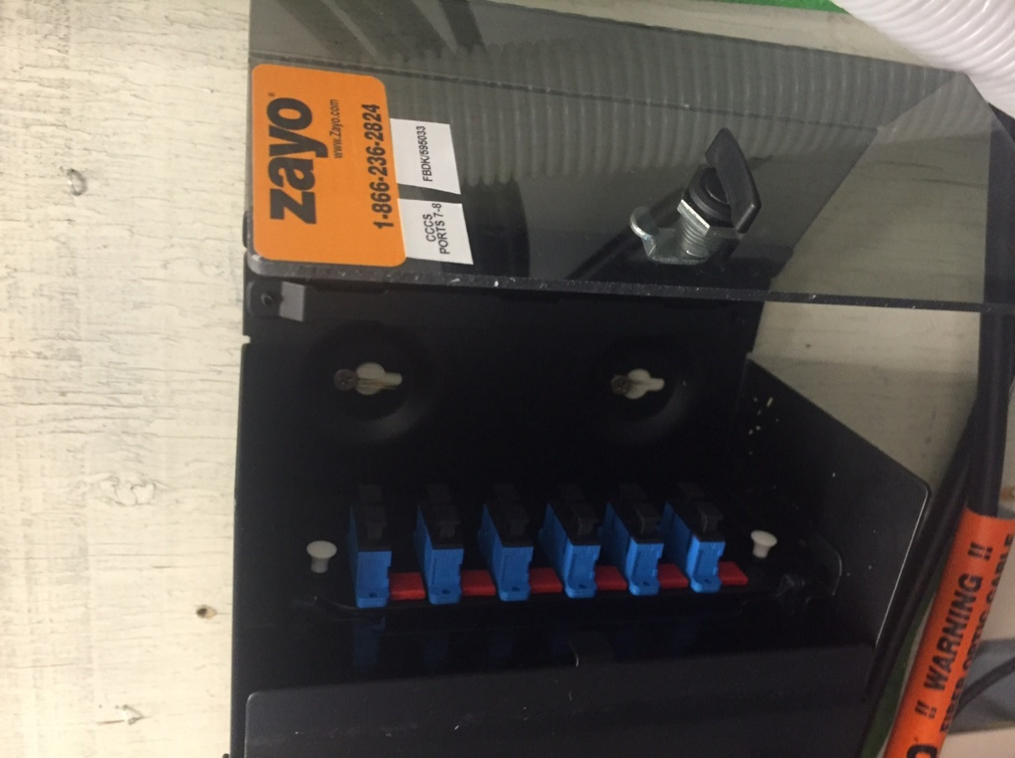
 | ALTERNATE COVER PICTURE

 | 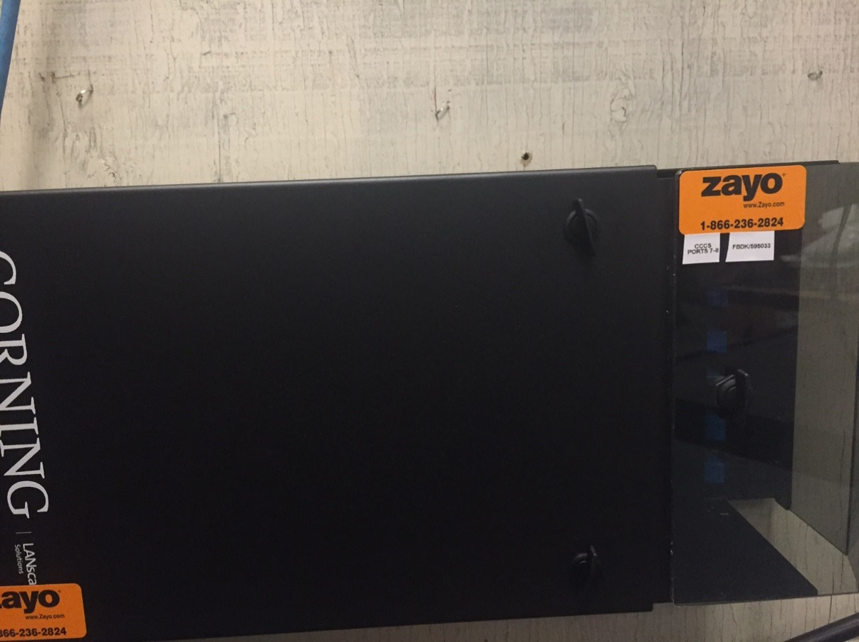 Custom Picture | 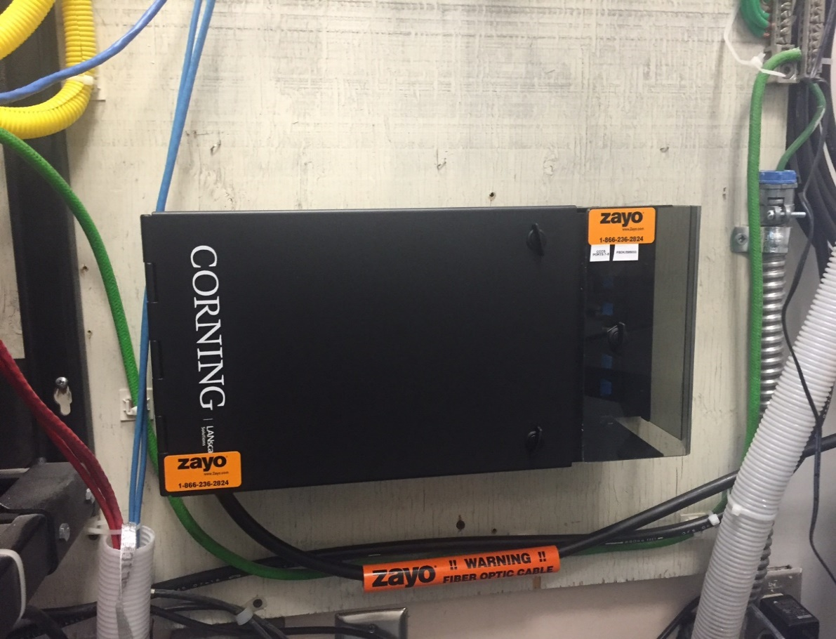
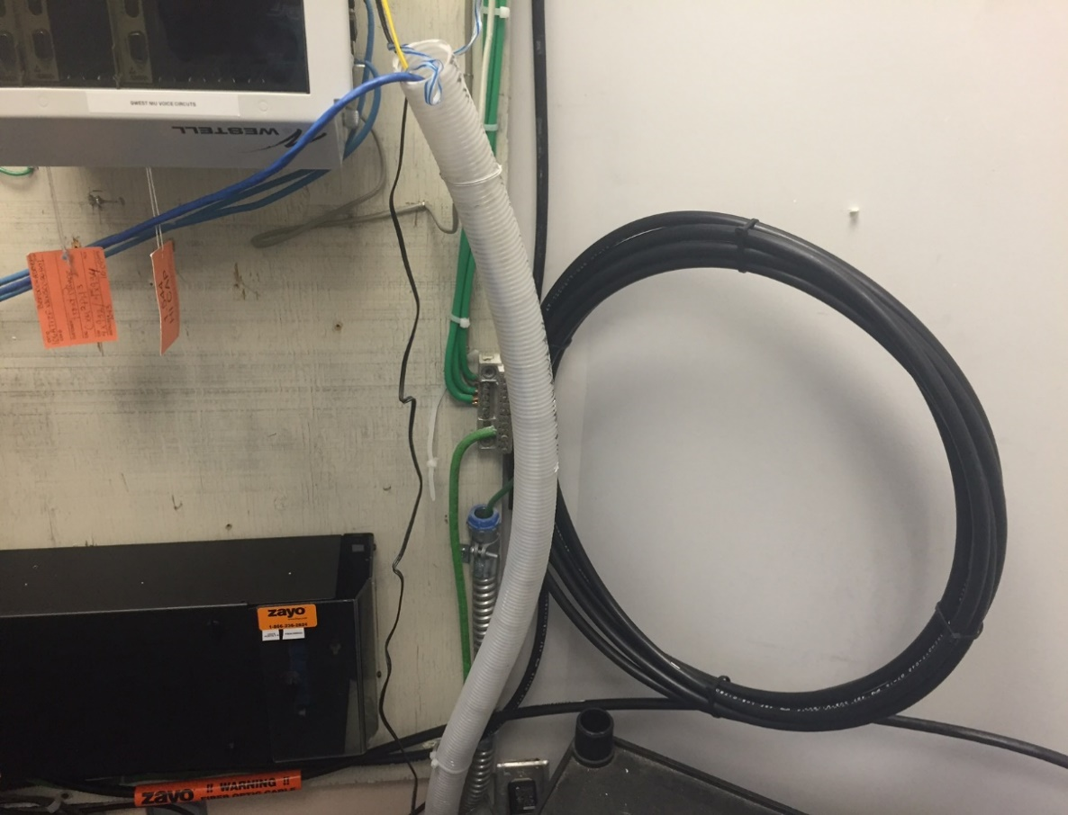
Paste Picture within Orange boundary. Entire space within Orange Boundary will be displayed on the Cover

