Pics
 | ALTERNATE COVER PICTURE

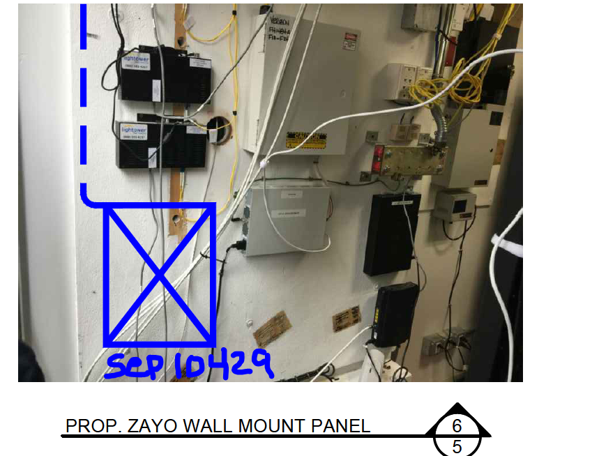

Paste Picture within Orange boundary. Entire space within Orange Boundary will be displayed on the Cover

