Regional Grouping_Counties
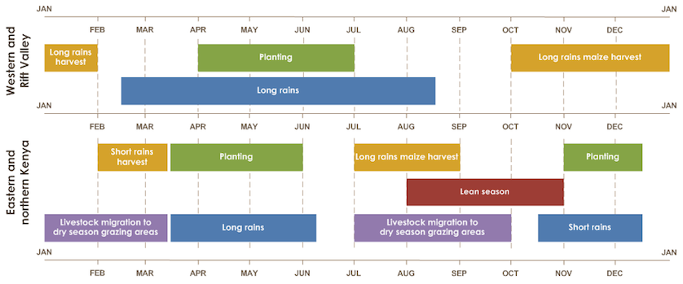
County | Code | Regions | Long Rain Seasons (FEWSNET)
Mombasa County | KE001 | Eastern and Northern Kenya | Mid March to June
Kwale County | KE002 | Eastern and Northern Kenya | Mid March to June
Kilifi County | KE003 | Eastern and Northern Kenya | Mid March to June
Tana River County | KE004 | Eastern and Northern Kenya | Mid March to June
Lamu County | KE005 | Eastern and Northern Kenya | Mid March to June
Taita Taveta County | KE006 | Eastern and Northern Kenya | Mid March to June
Garissa County | KE007 | Eastern and Northern Kenya | Mid March to June
Wajir County | KE008 | Eastern and Northern Kenya | Mid March to June
Mandera County | KE009 | Eastern and Northern Kenya | Mid March to June
Marsabit County | KE010 | Eastern and Northern Kenya | Mid March to June
Isiolo County | KE011 | Eastern and Northern Kenya | Mid March to June
Meru County | KE012 | Eastern and Northern Kenya | Mid March to June
Tharaka Nithi County | KE013 | Eastern and Northern Kenya | Mid March to June
Embu County | KE014 | Eastern and Northern Kenya | Mid March to June
Kitui County | KE015 | Eastern and Northern Kenya | Mid March to June
Machakos County | KE016 | Eastern and Northern Kenya | Mid March to June
Makueni County | KE017 | Eastern and Northern Kenya | Mid March to June
Nyandarua County | KE018 | Western and Rift Valley | March to August
Nyeri County | KE019 | Western and Rift Valley | March to August
Kirinyaga County | KE020 | Western and Rift Valley | March to August
Muranga County | KE021 | Western and Rift Valley | March to August
Kiambu County | KE022 | Western and Rift Valley | March to August
Turkana County | KE023 | Eastern and Northern Kenya | Mid March to June
West Pokot County | KE024 | Eastern and Northern Kenya | Mid March to June
Samburu County | KE025 | Eastern and Northern Kenya | Mid March to June
Trans Nzoia County | KE026 | Western and Rift Valley | March to August
Uasin Gishu County | KE027 | Western and Rift Valley | March to August
Elgeyo Marakwet County | KE028 | Western and Rift Valley | March to August
Nandi County | KE029 | Western and Rift Valley | March to August
Baringo County | KE030 | Western and Rift Valley | March to August
Laikipia County | KE031 | Western and Rift Valley | March to August
Nakuru County | KE032 | Western and Rift Valley | March to August
Narok County | KE033 | Western and Rift Valley | March to August
Kajiado County | KE034 | Western and Rift Valley | March to August
Kericho County | KE035 | Western and Rift Valley | March to August
Bomet County | KE036 | Western and Rift Valley | March to August
Kakamega County | KE037 | Western and Rift Valley | March to August
Vihiga County | KE038 | Western and Rift Valley | March to August
Bungoma County | KE039 | Western and Rift Valley | March to August
Busia County | KE040 | Western and Rift Valley | March to August
Siaya County | KE041 | Western and Rift Valley | March to August
Kisumu County | KE042 | Western and Rift Valley | March to August
Homa Bay County | KE043 | Western and Rift Valley | March to August
Migori County | KE044 | Western and Rift Valley | March to August
Kisii County | KE045 | Western and Rift Valley | March to August
Nyamira County | KE046 | Western and Rift Valley | March to August
Nairobi County | KE047 | Eastern and Northern Kenya | March to August

