Final
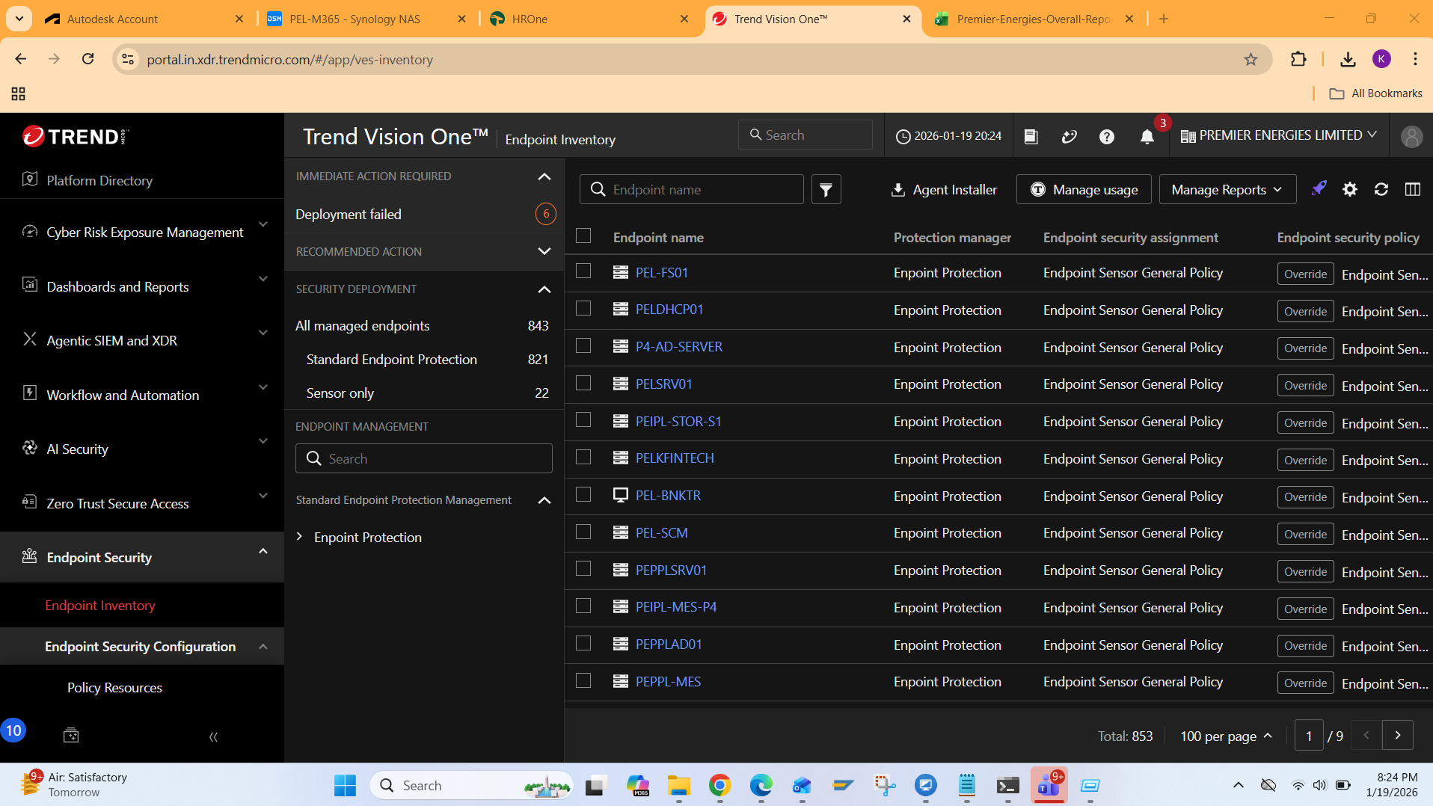
Antivirus Data | Nos. | Antivirus Systems after PAV | Nos.
Antivirus Site Data - Attached | 843 | Till DEC-2025 | 793
 |  | In JAN-2026 | 25
 |  | Total | 818

 |  | Diff. | 25 | Inactive, Repair and Transfer

