Project Cost Details
Parameters | Quantity | Rate | Sub Total | GST | Total
ASRS |  |  | 306,000,000 | 55,080,000 | 361,080,000.00
Racking system | 8928 | 14,278 | 127,473,984 | 22,945,317.12 | 150,419,301.12
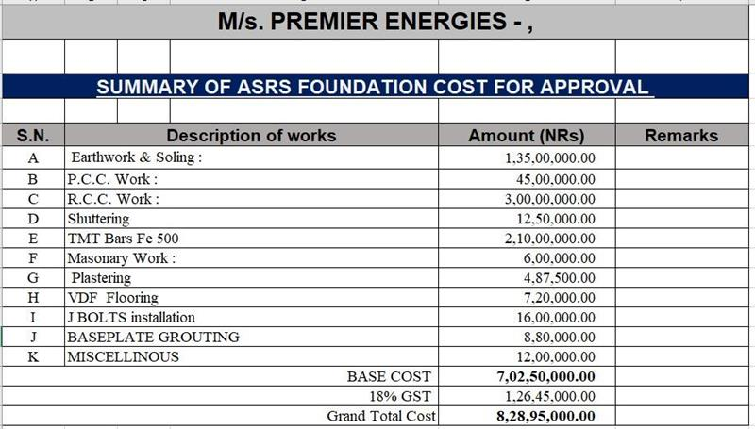
Cladding for high bay | 50 | 240,000 | 12,000,000 | 2,160,000.00 | 14,160,000.00
Double deep Stacker crane | 20 | 2,765,000 | 55,300,000 | 9,954,000.00 | 65,254,000.00
Bottom Rail with aisle accessories | 4 | 3,362,696 | 13,450,784 | 2,421,141.12 | 15,871,925.12
Conveyor system | 50 | 298,000 | 14,900,000 | 2,682,000.00 | 17,582,000.00
Critical spares | 2 | 1,400,000 | 2,800,000 | 504,000.00 | 3,304,000.00
Metal pallets | 8928 | 9,000 | 80,352,000 | 14,463,360.00 | 94,815,360.00
Discount |  |  | -276,768 | -49,818.24 | -326,586.24
Civil Cost |  |  | 75,737,500 | 13,632,750 | 89,370,250
Earthworks and soiling |  |  | 13,500,000 | 2,430,000 | 15,930,000.00
PCC works |  |  | 4,500,000 | 810,000 | 5,310,000.00
RCC works |  |  | 30,000,000 | 5,400,000 | 35,400,000.00
Shuttering |  |  | 1,250,000 | 225,000 | 1,475,000.00
TMT bards Fe 500 |  |  | 21,000,000 | 3,780,000 | 24,780,000.00
Masonary works |  |  | 600,000 | 108,000 | 708,000.00
Plastering |  |  | 487,500 | 87,750 | 575,250.00
VDF Flooring |  |  | 720,000 | 129,600 | 849,600.00
J BOLTS installation |  |  | 1,600,000 | 288,000 | 1,888,000.00
Baseplate Grouting |  |  | 880,000 | 158,400 | 1,038,400.00
Miscellenous |  |  | 1,200,000 | 216,000 | 1,416,000.00
Road |  |  | 14,326,335 | 2,578,740 | 16,905,075
Electrical
CDA
FHS and FAS for the ASRS
Dock levellers | 8 | 429,544 | 3,436,352 | 618,543.36 | 8,384,699
Contingency | 5% |  |  |  | 23,787,001
Pre - operating expenses |  |  |  |  | 5,412,517
IDC |  |  |  |  | 34,026,072 | 6.28%
Finance cost |  |  |  |  | 2,694,828
Working Capital Margin

Total |  |  |  |  | 541,660,442

Project Financing
Debt |  | 100% |  |  | 541,660,442
Equity |  | 0% |  |  | 0
Total |  | 100% |  |  | 541,660,442

Radiant Reference
 | Warehouse cost to company |  |  |  |  | Pallets availabity
 | Total space available | 71,858 | sq. ft. |  |  | Storage duration of each pallet | 1 | days
 | Maximum storage capacity | 2,903 | pallets | 2,903 |  | Annual inventory turnover | 365 | times per year

1 | Rentals
 | Rent/month | 22 | Rs./sq.ft/month |  |  |  |  | Sqft | Pallots |  |  | Cost per pallet
 | Total rent /month | 1,865,434 | Rs./month |  | Kottur | 7,099,747 |  | 261,597 | 9354.8387097 | 27.14 |  | 758.94
 | Security Deposit (SD) | 5,596,301 | 3 months |  | Rediant | 1,865,434 |  | 71,858 | 2902.9032258 | 25.96 |  | 642.61 |  |  | 80%
 | Total annual cost excl. SD | 22,385,204 | Rs./year |  |  | 8,965,181.15 |  | 333,455 | 12,258 | 26.89 |  | 731.38928788 | 24.379642929 | 8928 | 63557144.005
 | y.o.y. escalation | 1% |  |  |  |  |  |  |  |  |  | 8928 |  |  | 6.3557144005
 | Rent period | 1 | year |  |  |  |  |  |  |  |  | 6529843.5622
 |  |  |  |  |  |  |  |  |  |  |  | 78358122.746
2 | Manpower Requirement |  |  |  |  | 85,196,969.58 |  |  |  |  |  | 7.8358122746
 | Total number of employees |  | Monthly salary | Total annual cost |  | 36500000
 | Security | 2 | 15000 | 360,000 |  | 121,696,969.58
 | Site incharge | 1 | 50000 | 600,000
 | Managers | 3 | 15000 | 540,000
 | Operators | 8 | 12000 | 1,152,000
 | Total |  |  | 2,652,000.00
 | Escalation |  |  | 5%

3 | IT assets |  | Cost per month | Total annual cost
 | Printer | 1 | 5,000 | 60,000
 | Laptops |  | 8,333 | 100,000
 | Wifi | 1 | 1,500 | 18,000
 | Total |  |  | 178,000.00

4 | Machineries
 | Rentals
 | Rental Electrical Forklifts charges | 2 | 138,702.50 | 3,328,860.00
 | BOPT | 2 | 50,000.00 | 1,200,000.00
 | Total |  |  | 4,528,860.00
 | One time payment
 | Dock Levellers | 2 | 462,611.92 | 925,223.84
 | Installation | 2 | 19470 | 38,940.00
 | Total |  |  | 964,163.84

5 | Transportation cost
 | Monthly contract rate | 145,000.00 | Rs./month
 | GST | 26,100.00 | Rs./month
 | Total | 171,100.00 | Rs./month
 | Annual cost | 2,053,200.00 | Rs./year
 | Escalation | 3%

 | Year (in Rs. Cr.) | 1 | - | - | - | - | - | - | - | - | - | - | - | - | - | -
 | Annual rent | 2.24 | - | - | - | - | - | - | - | - | - | - | - | - | - | -
 | SD | - | - | - | - | - | - | - | - | - | - | - | - | - | - | -
 | Total | 2.24 | - | - | - | - | - | - | - | - | - | - | - | - | - | -
 | Electricity | 0.03 | - | - | - | - | - | - | - | - | - | - | - | - | - | -
 | Manpower | 0.27 | - | - | - | - | - | - | - | - | - | - | - | - | - | -
 | IT Cost | 0.02 | - | - | - | - | - | - | - | - | - | - | - | - | - | -
 | Machineries | 0.55 | - | - | - | - | - | - | - | - | - | - | - | - | - | -
 | Transporatation | 0.21 | - | - | - | - | - | - | - | - | - | - | - | - | - | -
 | Total cost | 3.31 | - | - | - | - | - | - | - | - | - | - | - | - | - | -
20% | Present Value | 2.76 | - | - | - | - | - | - | - | - | - | - | - | - | - | -
 | Cost per pallet per year (Rs.) | 31 | - | - | - | - | - | - | - | - | - | - | - | - | - | -
 | Average (Rs.) | 31 | Cost per pallet per day

 |  |  |  |  |  | 131449 |  |  |  |  |  |  |  |  |  |  |  |  |  |  |  |  |  | 31.82
 | DATE | Month | O/P stock | Receipt | Dispatches | Closing stock | Change | Average Inventory Level |  |  |  |  | Start | End | Days | Opening | Change average | Closing | AIL | Pallets | Rental Cost + CAPEX | Operational Cost | Total | Rs./pallet/day | Utilisation
 | 2024-10-04 | 10 |  |  |  |  | 0 | 0 |  |  |  | 10 | 2024-10-01 | 2024-10-31 | 31.00 | #DIV/0! | - | #DIV/0! | - | - | 2,412,139.09 | 784,338.33 | 3,196,477.42 | #DIV/0! | #DIV/0!
 | 2024-10-05 | 10 |  |  |  |  | 0 | 0 |  |  |  | 11 | 2024-11-01 | 2024-11-30 | 30.00 | #DIV/0! | - | #DIV/0! | - | - | 2,412,139.09 | 784,338.33 | 3,196,477.42 | #DIV/0! | #DIV/0!
 | 2024-10-06 | 10 |  |  |  |  | 0 | 0 |  |  |  | 12 | 2024-12-01 | 2024-12-31 | 31.00 | #DIV/0! | - | - | - | - | 2,412,139.09 | 784,338.33 | 3,196,477.42 | #DIV/0! | 0%
 | 2024-10-07 | 10 |  |  |  |  | 0 | 0 |  |  |  | 1 | 2025-01-01 | 2025-01-31 | 31.00 | 118,499 | -268 | 118,231 | 118,365 | 3,818.23 | 2,412,139.09 | 784,338.33 | 3,196,477.42 | 27.01 | 90%
 | 2024-10-08 | 10 |  |  |  |  | 0 | 0 |  |  |  | 2 | 2025-02-01 | 2025-02-28 | 28.00 | 97,527 | -1,812 | 95,715 | 96,621 | 3,116.81 | 2,412,139.09 | 784,338.33 | 3,196,477.42 | 36.63 | 73%
 | 2024-10-09 | 10 |  |  |  |  | 0 | 0
 | 2024-10-10 | 10 |  |  |  |  | 0 | 0
 | 2024-10-11 | 10 |  |  |  |  | 0 | 0
 | 2024-10-12 | 10 |  |  |  |  | 0 | 0
 | 2024-10-13 | 10 |  |  |  |  | 0 | 0
 | 2024-10-14 | 10 |  |  |  |  | 0 | 0
 | 2024-10-15 | 10 |  |  |  |  | 0 | 0
 | 2024-10-16 | 10 |  |  |  |  | 0 | 0
 | 2024-10-17 | 10 |  |  |  |  | 0 | 0
 | 2024-10-18 | 10 |  |  |  |  | 0 | 0
 | 2024-10-19 | 10 |  |  |  |  | 0 | 0
 | 2024-10-20 | 10 |  |  |  |  | 0 | 0
 | 2024-10-21 | 10 |  |  |  |  | 0 | 0
 | 2024-10-22 | 10 |  |  |  |  | 0 | 0
 | 2024-10-23 | 10 |  |  |  |  | 0 | 0
 | 2024-10-24 | 10 |  |  |  |  | 0 | 0
 | 2024-10-25 | 10 |  |  |  |  | 0 | 0
 | 2024-10-26 | 10 |  |  |  |  | 0 | 0
 | 2024-10-27 | 10 |  |  |  |  | 0 | 0
 | 2024-10-28 | 10 |  |  |  |  | 0 | 0
 | 2024-10-29 | 10 |  |  |  |  | 0 | 0
 | 2024-10-30 | 10 |  |  |  |  | 0 | 0
 | 2024-10-31 | 10 |  |  |  |  | 0 | 0
 | 2024-11-01 | 11 |  |  |  |  | 0 | 0
 | 2024-11-02 | 11 |  |  |  |  | 0 | 0
 | 2024-11-03 | 11 |  |  |  |  | 0 | 0
 | 2024-11-04 | 11 |  |  |  |  | 0 | 0
 | 2024-11-05 | 11 |  |  |  |  | 0 | 0
 | 2024-11-06 | 11 |  |  |  |  | 0 | 0
 | 2024-11-07 | 11 |  |  |  |  | 0 | 0
 | 2024-11-08 | 11 |  |  |  |  | 0 | 0
 | 2024-11-09 | 11 |  |  |  |  | 0 | 0
 | 2024-11-10 | 11 |  |  |  |  | 0 | 0
 | 2024-11-11 | 11 |  |  |  |  | 0 | 0
 | 2024-11-12 | 11 |  |  |  |  | 0 | 0
 | 2024-11-13 | 11 |  |  |  |  | 0 | 0
 | 2024-11-14 | 11 |  |  |  |  | 0 | 0
 | 2024-11-15 | 11 |  |  |  |  | 0 | 0
 | 2024-11-16 | 11 |  |  |  |  | 0 | 0
 | 2024-11-17 | 11 |  |  |  |  | 0 | 0
 | 2024-11-18 | 11 |  |  |  |  | 0 | 0
 | 2024-11-19 | 11 |  |  |  |  | 0 | 0
 | 2024-11-20 | 11 |  |  |  |  | 0 | 0
 | 2024-11-21 | 11 |  |  |  |  | 0 | 0
 | 2024-11-22 | 11 |  |  |  |  | 0 | 0
 | 2024-11-23 | 11 |  |  |  |  | 0 | 0
 | 2024-11-24 | 11 |  |  |  |  | 0 | 0
 | 2024-11-25 | 11 |  |  |  |  | 0 | 0
 | 2024-11-26 | 11 |  |  |  |  | 0 | 0
 | 2024-11-27 | 11 |  |  |  |  | 0 | 0
 | 2024-11-28 | 11 |  |  |  |  | 0 | 0
 | 2024-11-29 | 11 |  |  |  |  | 0 | 0
 | 2024-11-30 | 11 |  |  |  |  | 0 | 0
 | 2024-12-01 | 12 |  |  |  |  | 0 | 0
 | 2024-12-02 | 12 |  |  |  |  | 0 | 0
 | 2024-12-03 | 12 |  |  |  |  | 0 | 0
 | 2024-12-04 | 12 |  |  |  |  | 0 | 0
 | 2024-12-05 | 12 |  |  |  |  | 0 | 0
 | 2024-12-06 | 12 |  |  |  |  | 0 | 0
 | 2024-12-07 | 12 |  |  |  |  | 0 | 0
 | 2024-12-08 | 12 |  |  |  |  | 0 | 0
 | 2024-12-09 | 12 |  |  |  |  | 0 | 0
 | 2024-12-10 | 12 |  |  |  |  | 0 | 0
 | 2024-12-11 | 12 |  |  |  |  | 0 | 0
 | 2024-12-12 | 12 |  |  |  |  | 0 | 0
 | 2024-12-13 | 12 |  |  |  |  | 0 | 0
 | 2024-12-14 | 12 |  |  |  |  | 0 | 0
 | 2024-12-15 | 12 |  |  |  |  | 0 | 0
 | 2024-12-16 | 12 |  |  |  |  | 0 | 0
 | 2024-12-17 | 12 |  |  |  |  | 0 | 0
 | 2024-12-18 | 12 |  |  |  |  | 0 | 0
 | 2024-12-19 | 12 |  |  |  |  | 0 | 0
 | 2024-12-20 | 12 |  |  |  |  | 0 | 0
 | 2024-12-21 | 12 |  |  |  |  | 0 | 0
 | 2024-12-22 | 12 |  |  |  |  | 0 | 0
 | 2024-12-23 | 12 |  |  |  |  | 0 | 0
 | 2024-12-24 | 12 |  |  |  |  | 0 | 0
 | 2024-12-25 | 12 |  |  |  |  | 0 | 0
 | 2024-12-26 | 12 |  |  |  |  | 0 | 0
 | 2024-12-27 | 12 |  |  |  |  | 0 | 0
 | 2024-12-28 | 12 |  |  |  |  | 0 | 0
 | 2024-12-29 | 12 |  |  |  |  | 0 | 0
 | 2024-12-30 | 12 |  |  |  |  | 0 | 0
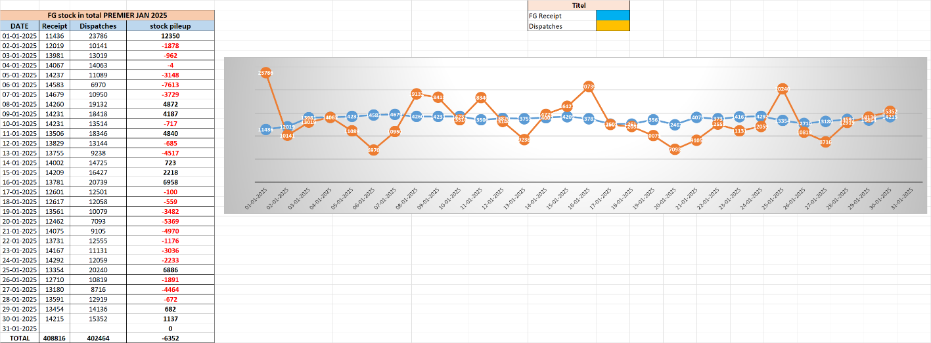
 | 2024-12-31 | 12 |  |  |  | 0 | 0 | 0
 | 2025-01-01 | 1 | 131874 | 11436 | 23786 | 119524 | -12350 | 125699
 | 2025-01-02 | 1 | 119524 | 12019 | 10141 | 121402 | 1878 | 120463
 | 2025-01-03 | 1 | 121402 | 13981 | 13019 | 122364 | 962 | 121883
 | 2025-01-04 | 1 | 122364 | 14067 | 14063 | 122368 | 4 | 122366
 | 2025-01-05 | 1 | 122368 | 14237 | 11089 | 125516 | 3148 | 123942
 | 2025-01-06 | 1 | 125516 | 1583 | 6970 | 120129 | -5387 | 122822.5
 | 2025-01-07 | 1 | 120129 | 14679 | 10950 | 123858 | 3729 | 121993.5
 | 2025-01-08 | 1 | 123858 | 14260 | 19132 | 118986 | -4872 | 121422
 | 2025-01-09 | 1 | 118986 | 14231 | 18418 | 114799 | -4187 | 116892.5
 | 2025-01-10 | 1 | 114799 | 14231 | 13514 | 115516 | 717 | 115157.5
 | 2025-01-11 | 1 | 115516 | 13506 | 18346 | 110676 | -4840 | 113096
 | 2025-01-12 | 1 | 110676 | 13829 | 13144 | 111361 | 685 | 111018.5
 | 2025-01-13 | 1 | 111361 | 13755 | 9238 | 115878 | 4517 | 113619.5
 | 2025-01-14 | 1 | 115878 | 14002 | 14725 | 115155 | -723 | 115516.5
 | 2025-01-15 | 1 | 115155 | 14209 | 16427 | 112937 | -2218 | 114046
 | 2025-01-16 | 1 | 112937 | 13781 | 20739 | 105979 | -6958 | 109458
 | 2025-01-17 | 1 | 105979 | 12601 | 12501 | 106079 | 100 | 106029
 | 2025-01-18 | 1 | 106079 | 12617 | 12058 | 106638 | 559 | 106358.5
 | 2025-01-19 | 1 | 106638 | 13561 | 10079 | 110120 | 3482 | 108379
 | 2025-01-20 | 1 | 110120 | 12462 | 7093 | 115489 | 5369 | 112804.5
 | 2025-01-21 | 1 | 115489 | 14075 | 9105 | 120459 | 4970 | 117974
 | 2025-01-22 | 1 | 120459 | 13731 | 12555 | 121635 | 1176 | 121047
 | 2025-01-23 | 1 | 121635 | 14167 | 11131 | 124671 | 3036 | 123153
 | 2025-01-24 | 1 | 124671 | 13354 | 20240 | 117785 | -6886 | 121228
 | 2025-01-25 | 1 | 117785 | 12710 | 10819 | 119676 | 1891 | 118730.5
 | 2025-01-26 | 1 | 119676 | 13180 | 8716 | 124140 | 4464 | 121908
 | 2025-01-27 | 1 | 124140 | 13591 | 12919 | 124812 | 672 | 124476
 | 2025-01-28 | 1 | 124812 | 13491 | 12919 | 125384 | 572 | 125098
 | 2025-01-29 | 1 | 125384 | 13454 | 14136 | 124702 | -682 | 125043
 | 2025-01-30 | 1 | 124702 | 14215 | 15352 | 123565 | -1137 | 124133.5
 | 2025-01-31 | 1 | 123565 | 0 | 0 | 123565 | 0 | 123565
 | 2025-02-01 | 2 | 123565 | 9021 | 8385 | 124201 | 636 | 123883
 | 2025-02-02 | 2 | 124201 | 9641 | 5828 | 128014 | 3813 | 126107.5
 | 2025-02-03 | 2 | 128014 | 9573 | 6138 | 131449 | 3435 | 129731.5
 | 2025-02-04 | 2 | 131449 | 9804 | 10269 | 130984 | -465 | 131216.5
 | 2025-02-05 | 2 | 130984 | 9041 | 14224 | 125801 | -5183 | 128392.5
 | 2025-02-06 | 2 | 125801 | 8837 | 6090 | 128548 | 2747 | 127174.5
 | 2025-02-07 | 2 | 128548 | 9052 | 16961 | 120639 | -7909 | 124593.5
 | 2025-02-08 | 2 | 120639 | 9805 | 17765 | 112679 | -7960 | 116659
 | 2025-02-09 | 2 | 112679 | 8618 | 11968 | 109329 | -3350 | 111004
 | 2025-02-10 | 2 | 109329 | 9234 | 13647 | 104916 | -4413 | 107122.5
 | 2025-02-11 | 2 | 104916 | 8896 | 10172 | 103640 | -1276 | 104278
 | 2025-02-12 | 2 | 103640 | 9889 | 11215 | 102314 | -1326 | 102977
 | 2025-02-13 | 2 | 102314 | 9172 | 11734 | 99752 | -2562 | 101033
 | 2025-02-14 | 2 | 99752 | 9437 | 10013 | 99176 | -576 | 99464
 | 2025-02-15 | 2 | 99176 | 9140 | 12009 | 96307 | -2869 | 97741.5
 | 2025-02-16 | 2 | 96307 | 9226 | 9721 | 95812 | -495 | 96059.5
 | 2025-02-17 | 2 | 95812 | 9486 | 17901 | 87397 | -8415 | 91604.5
 | 2025-02-18 | 2 | 87397 | 9983 | 17576 | 79804 | -7593 | 83600.5
 | 2025-02-19 | 2 | 79804 | 9977 | 17546 | 72235 | -7569 | 76019.5
 | 2025-02-20 | 2 | 72235 | 9077 | 19033 | 62279 | -9956 | 67257
 | 2025-02-21 | 2 | 62279 | 9714 | 8564 | 63429 | 1150 | 62854
 | 2025-02-22 | 2 | 63429 | 8348 | 7440 | 64337 | 908 | 63883
 | 2025-02-23 | 2 | 64337 | 8804 | 310 | 72831 | 8494 | 68584
 | 2025-02-24 | 2 | 72831 |  |  | 72831 | 0 | 72831
 | 2025-02-25 | 2 | 72831 |  |  | 72831 | 0 | 72831
 | 2025-02-26 | 2 | 72831 |  |  | 72831 | 0 | 72831
 | 2025-02-27 | 2 | 72831 |  |  | 72831 | 0 | 72831
 | 2025-02-28 | 2 | 72831 |  |  | 72831 | 0 | 72831
 | TOTAL |  | 213775 | 264509

