Nov
PREMIER ENERGIES GLOBAL ENVIRONMENTAL PRIVATE LIMITED
CAPEX PROJECT AUDIT REPOERT - November (NAIDUPET) - ACTION PLAN
S.No | Observation | Action plan | Responsibility | Evidence | Status
1 | Non-compliance towards TBT attendance sheet: Observed during data validation that Inclusion of a name (PM Modi, E-pack) that does not belong to an actual site employee/attendee indicates inaccurate or false record-keeping. Such, non-compliance compromises the authenticity and credibility of safety records of TBT. | 1.Every TBT attendance sheet will be verified and countersigned by the EHS Incharge on the same day.we will ensure the same 2.Contractors will be made accountable for accurate record-keeping, and any false or dummy entries will attract disciplinary action. 3.Discussed this issue with vendor in weekly review meeting | H.Rajasekhar | 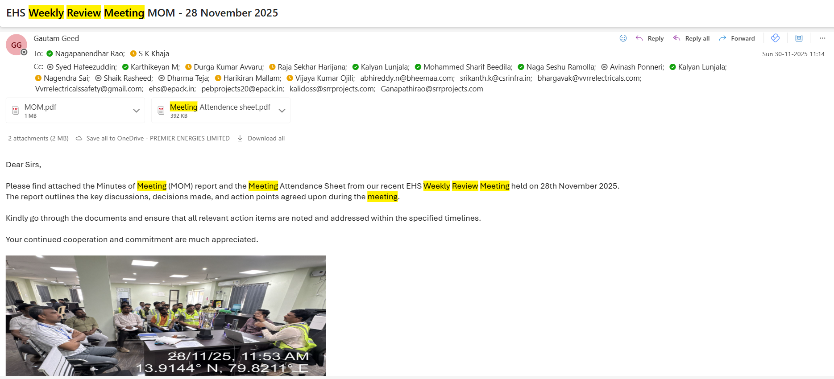 | Closed
2 | Empty Incident Logbook Submitted for Validation: During data validation, the Incident Register was found to be empty at the time of audit. In the absence of recorded incidents, the register should not have been submitted for validation. | 1.In case of zero incidents, the register will be marked as “NIL – No incidents reported”, reviewed, and approved by the EHS Head / EHS In-charge 2.End of the month will update incident register accordingly | H.Rajasekhar |  | Closed
3 | Non-compliance towards incorrect date entry: It was observed during the audit that an incorrect date was mentioned on the Job Safety Analysis (JSA) document. The date entered does not match the actual date of preparation/issue, indicating a documentation error. | Typo error | H.Rajasekhar | 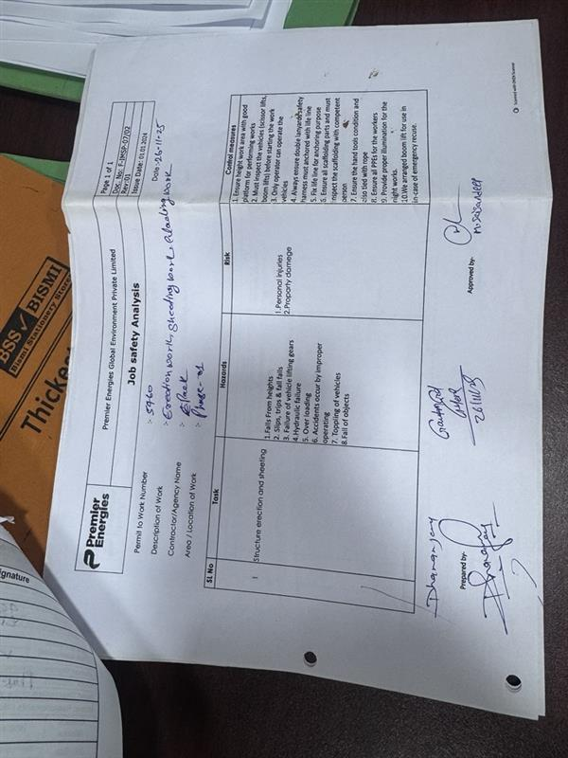 | Closed
4 | Non-compliance in machines fitness certificate: During data observation, it was noted that the machine fitness certificate lacked due inspection date. Such non-compliance can lead to safety concerns during machine usage. | Original TPI fitnrss certificate attached , please verify the document and please validate in final document | H.Rajasekhar | 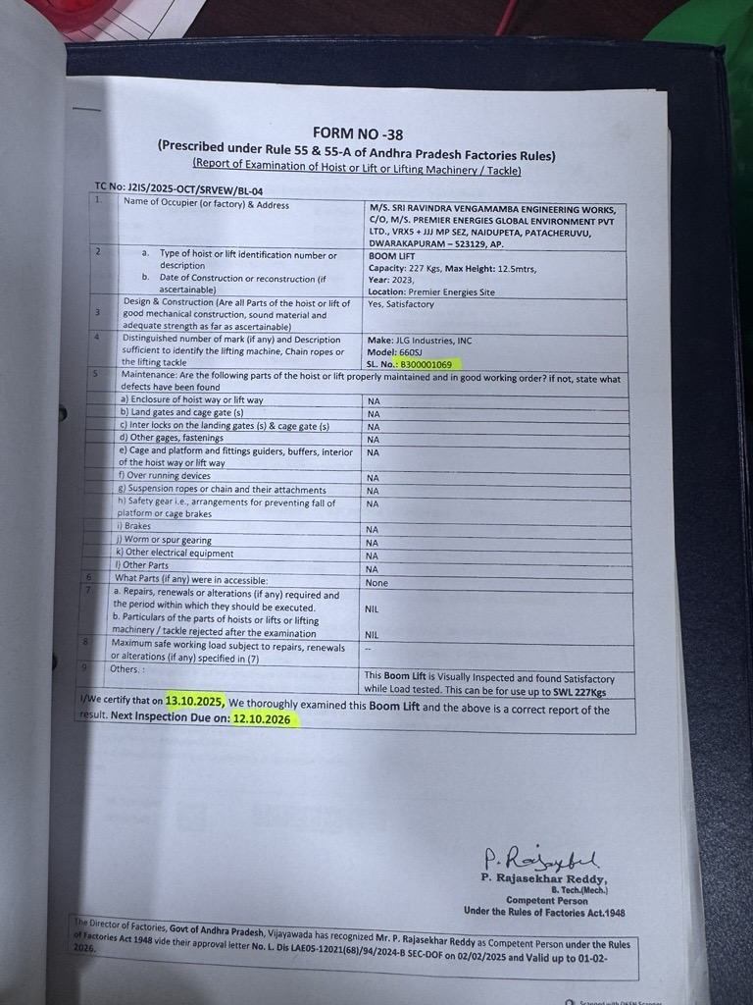 | Closed

