Dec
PREMIER ENERGIES GLOBAL ENVIRONMENTAL PRIVATE LIMITED
CAPEX PROJECT AUDIT REPOERT December- 2025 ACTION PLAN (Naidupeta site)
S.No | Observation | Action plan | Responsibility | Target | Evidence | Status
1 | Noted during site visit that, the tire on the vehicle is severely torn out. It is seen that large section of the tire is torn and degraded. Such non-compliance can produce safety issues for the vehicle at the site. | 1.Vehicle immediately removed from service. 2.Damaged tires replaced with new tires before entering into site 3.Instructed to drivers and vendors not to operate usafe vehicles 4.Vehicles with defects to be blacklisted until rectified | H.Rajasekhar | Immediately | 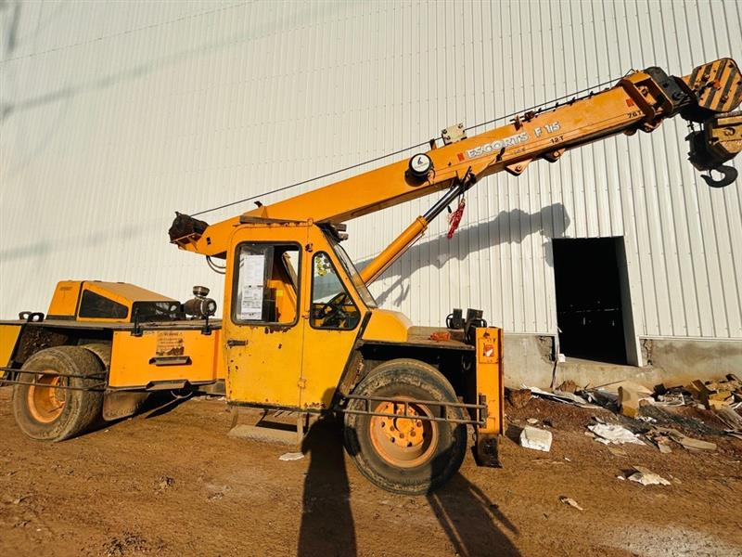 | Closed
2 | Lack of barricading near excavation Pit: Observed during site visit that the excavation pit, which is of great depth lacked proper barricade, creating a serious accidental prone area. This indicates non-compliance with site safety standards and poor housekeeping practices. | 1.No standing or working zone marked near excavation edge 2.Supervisor and EHS to ensure continuous monitoring during excavation activities. | H.Rajasekhar | 15/02/2026 | 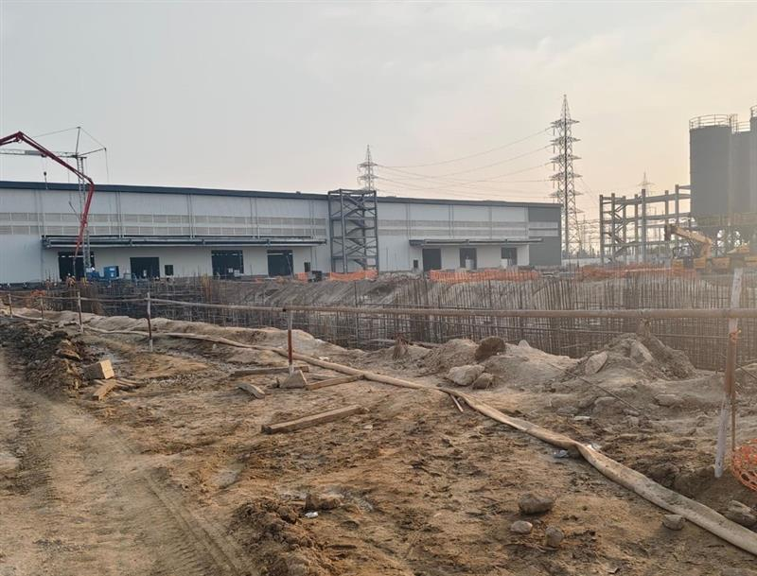 | Closed
3 | Lack of housekeeping and workplace cleanliness: Noted during site visit that, proper management of waste materials are not properly kept. This indicates non-compliance with Health & safety standards and poor housekeeping practices. | 1.Immedietly remove all scattered waste materials form the work area. 2.End-of-shift housekeeping made mandatory for all work crews | H.Rajasekhar | Immediately |  | Closed
4 | Lacked insulation mats: During the inspection, insulation (rubber) mats were not provided at the electrical installation/work area. Personnel working in proximity to exposed electrical components did not have insulating protection from the floor surface. | Additional electrical insulation (Rubber) mats are being procured. Upon receipt, the mats will be provided and installed at all remaining Power Distribution Boards (PDBs) and electrical work areas across the site to ensure adequate electrical insulation and worker safety. | H.Rajasekhar | 15/02/2026 | 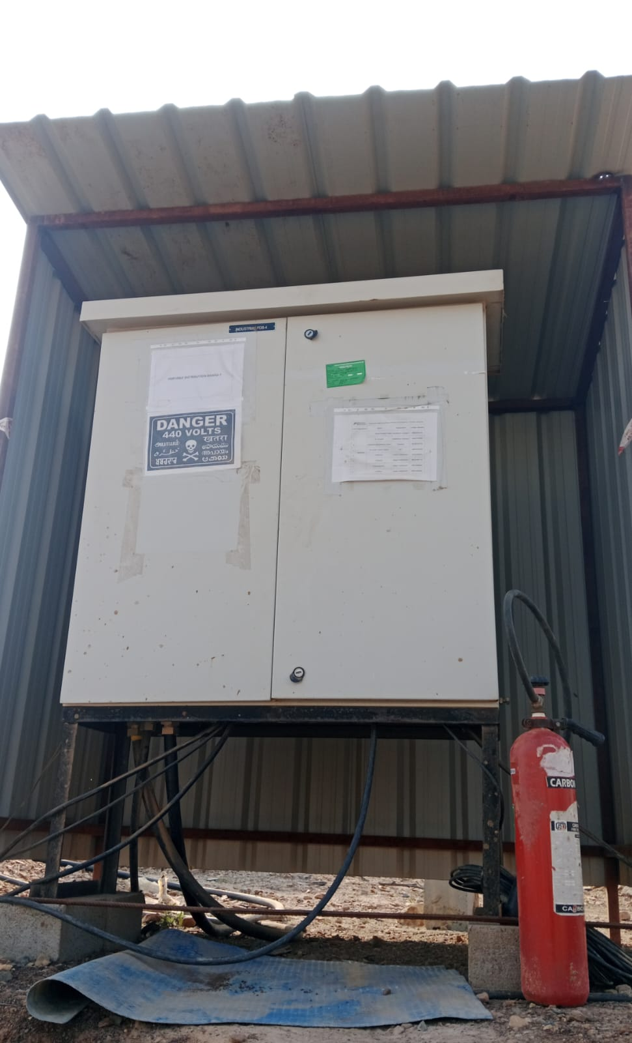 | Closed
5 | Non-compliance towards incorrect date entry & post correction: It was observed for few instances that an incorrect date was mentioned on the Job Safety Analysis (JSA) document & later corrected by white inker. The process indicates a documentation error. | 1.Any mistake in JSA shall be corrected by striking out with single line, rewriting correctly, and putting signature with date 2.Safety Officer to verify date, permit number, signatures and activity details before authorizing JSA 3.Conduct Training for all supervisors and permit issuers on proper JSA Documentation practices. | H.Rajasekhar | Immediately | 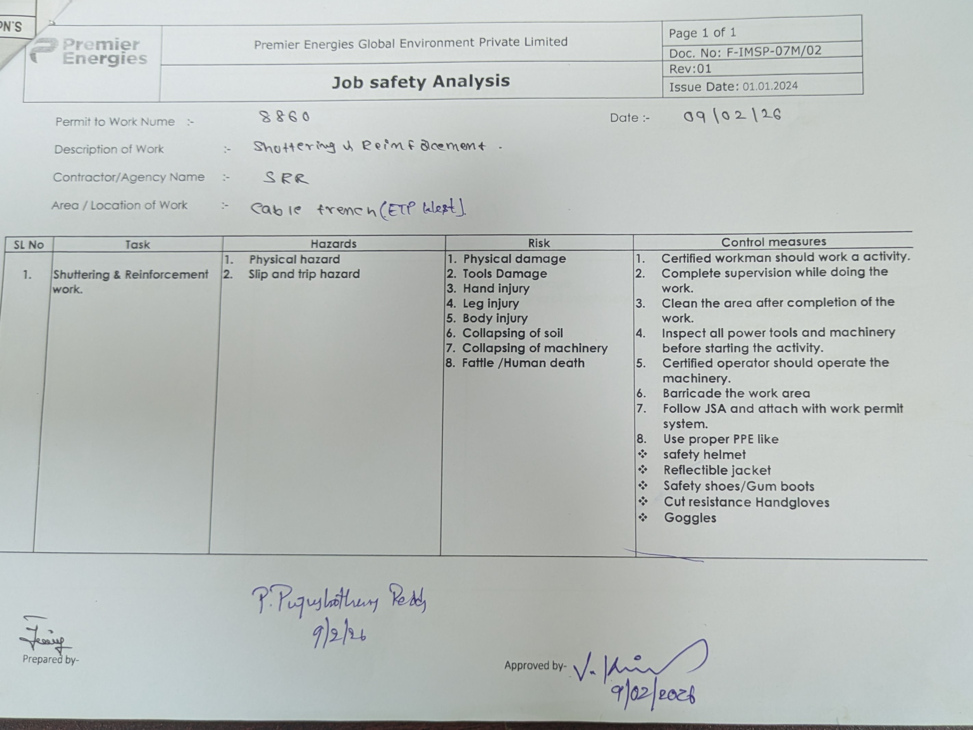 | Closed

