Task 1
Monthly Sales Bar Chart
Task 1
Dataset: Monthly Sales Bar Chart
Month | Product | Region | Sales | Profit
January | Product A | North | 5000 | 2000
February | Product B | East | 4000 | 1500
March | Product C | South | 6000 | 2500
April | Product A | North | 7000 | 3000
May | Product B | West | 8000 | 3500
June | Product C | East | 9000 | 4000

Task 2
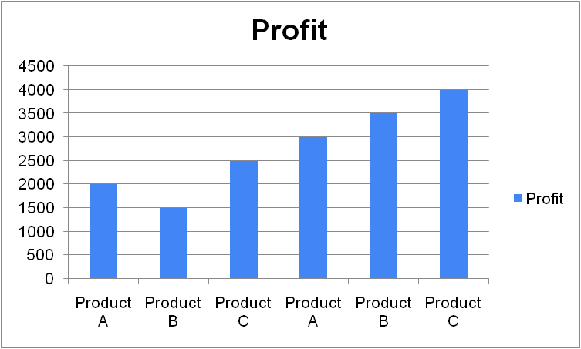
Task 2
Dataset: Monthly Sales Bar Chart
Month | Product | Region | Sales | Profit
January | Product A | North | 5000 | 2000
February | Product B | East | 4000 | 1500
March | Product C | South | 6000 | 2500
April | Product A | North | 7000 | 3000
May | Product B | West | 8000 | 3500
June | Product C | East | 9000 | 4000

Task 3
Sales
Task 3
Dataset: Monthly Sales Bar Chart
Month | Product | Region | Sales | Profit
January | Product A | North | 5000 | 2000
February | Product B | East | 4000 | 1500
March | Product C | South | 6000 | 2500
April | Product A | North | 7000 | 3000
May | Product B | West | 8000 | 3500
June | Product C | East | 9000 | 4000

Task 4
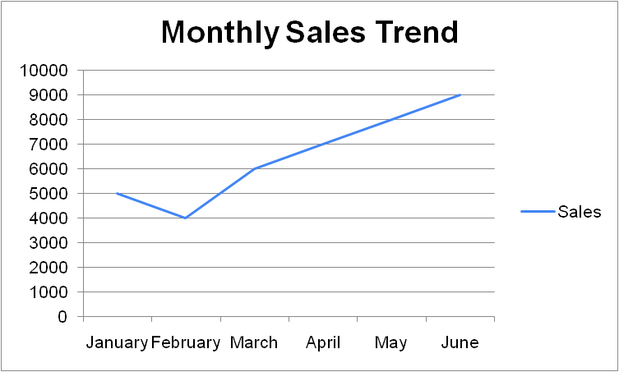
Task 4
Dataset: Monthly Sales Bar Chart
Task 4
Month | Product | Region | Sales | Profit
January | Product A | North | 5000 | 2000
February | Product B | East | 4000 | 1500
March | Product C | South | 6000 | 2500
April | Product A | North | 7000 | 3000
May | Product B | West | 8000 | 3500
June | Product C | East | 9000 | 4000

Task 5
Sales vs Profit Scatter Plot. Sales vs Profit Scatter Plot. Sales Vs Profit Scatter Plot
Task 5
Month | Product | Region | Sales | Profit
January | Product A | North | 5000 | 2000
February | Product B | East | 4000 | 1500
March | Product C | South | 6000 | 2500
April | Product A | North | 7000 | 3000
May | Product B | West | 8000 | 3500
June | Product C | East | 9000 | 4000

