Sheet1
 |  |  |  |  | The U.S. is the only country that elects prosecuters and elects judges
 |  |  |  |  | federal terrorism statute - requires the government to prove an intent to terrorize
 |  |  |  |  | mass destruction statute - does not require proof of intent to terrorize

 | Four Corners Doctrine |  |  |  |  | Exculpatory Clause, waiver |  |  |  |  |  | demurrer (motion to dismiss) |  |  | rescinded
 | Letter of Credit
 | From the moment a lawsuit is filed, your lawyer will begin preparing the case for trial, which involves gathering information to prove liability and damages. Proving liability means that you must show that the opposing party is at fault or legally responsible for what happened to you. Proving damages means that you must be able to demonstrate that you were damaged in a compensable way by the person who is liable.

 |  |  |  |  |  | Courts are closed on weekends, so cannot file bankruptcy on weekends.
 | Investment Law
 | Series 87: FINRA and New York Stock Exchange rules, the Securities Act of 1933 and the Securities Exchange Act of 1934.
 | SEC Form 4 - Insiders |  |  |  |  |  |  |  |  |  |  |  |  | United States Foreign Corrupt Practices Act
 | SEC Form 8-k - Special Events (e.g., Changes in control)
 | SEC Form S-18 |  |  |  |  | Corporations may be involuntarily dissolved by the state of incorporation, but the charter can be reinstated by the state. (e.g., Capital Group Holdings, Inc.)

 | Securities Act of 2005
 | Securities (Licensing) Rules 2007

 | C Corporation |  |  |  |  |  |  |  |  |  |  |  |  | corporate governance rules of the New York Stock Exchange
 | ▫ Double taxation - business income is taxed, dividends are taxed (but currently at a qualified dividend tax rate (0% or 15%))

 |  |  |  |  |  |  |  |  |  |  | Income tax rate |  | Dividend tax rate
 | To get around this there are, of course, dividend tax techniques such as using an Sub-Chapter S Corporation or a Limited Liability Company with pass-through taxation. |  |  |  |  |  |  |  |  |  | 35% |  | 15%

 | S Corporation |  |  |  |  |  |  |  |  |  | Effective tax rate |  | 44.75% |  | The nation's prominent futures and options pits are here, though most trading today is electronic. The company that operates the exchanges, CME Group Inc., is based here. So is the National Futures Association, the industry-funded regulator charged with overseeing futures brokerages.
 | Only individuals can hold interests, not other groups or businesses.
 | “pass-through” entities for tax purposes - the income of these companies are passed through to their owners and reported on the owners’ personal income tax returns,
 |  |  |  |  |  |  |  |  |  |  |  |  |  |  |  | You'll find a company's Form 10-K filings in the SEC's EDGAR database. To filter your results, simply enter 10-K (using a dash between the 10 and the K) in the “Form Type” box. If the company is a small business issuer, enter “10KSB” (without a dash or any spaces). To see a blank version of the Form (with instructions), you can download a PDF version from the "Forms" section of our website.
 | Limited Liability Company (LLC)
 | Originally established to create limited liability for partners
 | “pass-through” entities for tax purposes - the income of these companies are passed through to their owners and reported on the owners’ personal income tax returns,
 | Shares are referred to as "units" |  |  |  |  |  |  |  | Liens
 |  |  |  |  |  |  |  |  | ▫ 6 month statute of limitations for filing suit to enforce the lien
 |  |  |  |  |  |  |  |  | ▫ Must enforce lien within 30 days post bankruptcy per the bankruptcy code

 |  |  |  |  | The Securities and Exchange Act of 1934, Section 28(e), contains a “safe harbor” provisions allowing investment managers to use soft dollars for research purposes only.
 | Security Registration |  |  |  | Pension Act of 1995
 | $200 |  |  |  |  |  |  | Commodity Futures Trading Commission (CFTC)
 | Reg D |  |  |  |  |  |  | ▫ U.S. government agency that regulates …

 | Copyright Law |  |  |  |  | Except for issues related to 501(c)(3) tax regulations, there are very few federal regulations governing the
 | A copyright is a "bundle of rights." |  |  |  |  | administration of endowments.

 | Exclusive rights in copyrighted works
 | Copyright Law of the United States
 | Subject to sections 107 through 122, the owner of copyright under this title has the exclusive rights to do and to authorize any of the following:
 | § 104a Subject Matter and Scope of Copyright

 | (1) to reproduce the copyrighted work in copies or phonorecords;
 | (2) to prepare derivative works based upon the copyrighted work;
 | (3) to distribute copies or phonorecords of the copyrighted work to the public by sale or other transfer of ownership, or by rental, lease, or lending;
 | (4) in the case of literary, musical, dramatic, and choreographic works, pantomimes, and motion pictures and other audiovisual works, to perform the copyrighted work publicly;
 | (5) in the case of literary, musical, dramatic, and choreographic works, pantomimes, and pictorial, graphic, or sculptural works, including the individual images of a motion picture or other audiovisual work, to display the copyrighted work publicly; and
 | (6) in the case of sound recordings, to perform the copyrighted work publicly by means of a digital audio transmission.

 |  |  |  |  |  |  | Guilt or acquittal |  |  |  |  |  |  |  | When you invest in stocks, you accept the risk that your investment may decline as well as rise in value. A primary role of securities regulators such as FINRA and the SEC is to ensure that securities laws and regulations are followed and to punish violators. The FDIC generally insures checking, savings,and other deposit accounts when an FDIC-regulated bank fails. The mission of the Securities Investor Protection Corporation (SIPC) is to return funds and securities to investors if the brokerage firm holding these assets becomes insolvent. You can learn more about how SIPC operates by reading our online publication
 | Investment Advisors Act of 1940
 | ▫ Mutual funds are required to register with the SEC |  |  |  |  |  | Commodity Futures Modernization Act (2000) |  |  |  |  |  |  |  | Not all mutual funds charge sales loads. Called no-load funds, these funds do not charge a front-end sales charge or a deferred sales charge, such as a CDSC. Our rules also require that the 12b-1 fees not exceed 0.25% of the fund's average annual net assets in order to call itself a no-load fund. No-load funds can be purchased directly from a mutual fund company or brokerage firm fund supermarket, but you won't receive the assistance of a broker or investment professional. For those wanting professional advice, no-load funds also may be purchased through an investment adviser or broker, but you'll typically pay a fee for this advice. This means you will be paying a fee on top of the underlying mutual fund expenses.

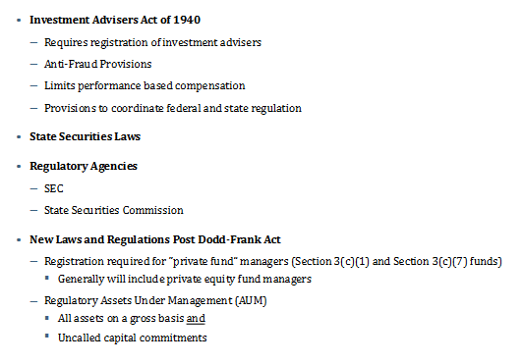
 | Investment Company Act of 1940
 | ▫ Safe harbor provision allows LBO funds, hedge funds, and ventrue capital funds to avoid regulatory registrations.
 | ▫ To qualify for the safe harbor provision, funds must have less than 100 ivnestors and must not engage in public offerings.

 | National Futures Association (NFA) - self-regulatory organization for the managed futures industry, approved by CFTC to ahndle al registrations for CTAs and CPOs (Commodity Trade Advisors) and (Commodity Pool Advisors)
 | Commodity Futures Trading Commission (CFTC)

 | Private Securities Litigation Reform Act of 1995
 |  |  |  |  |  |  |  |  |  |  | While the NASD Rules generally apply to all FINRA members, the Incorporated NYSE Rules apply only to those members of FINRA that are also members of NYSE. FINRA Rules apply to all members, unless such rules have a more limited application by their terms.
 |  |  | work with Angelo at least 5 years and take ownership in companies - get rich
 |  |  |  |  |  |  |  |  |  |  | Commerce Clause of Constitution
 | Trust |  | Create trust |  |  |  |  |  |  |  | cannot create commerce in order to regulate it
 |  |  | trustee - oversees assets
 |  |  | protector - overesees trustee (manages and replaces trustee if necessary)
 |  |  | grantor
 |  |  | beneficiary - children of children (when grandchildren reach 35 yo) |  |  |  |  |  |  | http://www.sec.gov/about/laws/secrulesregs.htm
 |  |  | Trust owns business

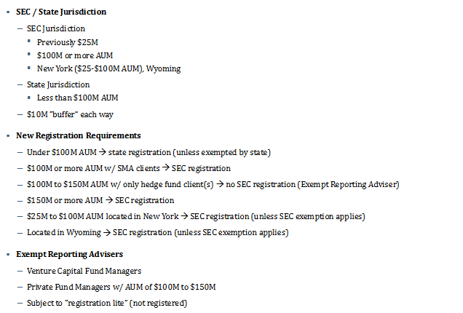
 | LLC - single-member (limited liability provision was pierced in Texas and 1 other state, because the courts viewed the single-member LLC as a non-partnership.
 | LLCs are structured as partnerships
 |  |  |  |  |  | Master Limited Partnerships (MLPs)
 |  |  |  |  |  | A type of limited partnership that is publicly traded.
 |  |  |  |  |  | One of the most crucial criteria that must be met in order for a partnership to be legally classified as an MLP is that the partnership must derive most (~90%) of its cash flows from real estate, natural resources and commodities.
 |  | Federal Reserve, Federal Deposit Insurance Corp., Securities and Exchange Commission and Office of the Comptroller of the Currency. The Commodity Futures Trading Commission proposed identical rules in January. |  |  |  | The advantage of an MLP is that it combines the tax benefits of a limited partnership (the partnership does not pay taxes from the profit - the money is only taxed when unitholders receive distributions) with the liquidity of a publicly traded company.

 | If a hedge fund manager is registered with the SEC as an investment adviser under the Investment Advisers Act of 1940, the fund must file form ADV annually, which contains information about the fund's finances and operations.

 | If a hedge fund manager is registered with the NFA in any form, he/she must obey the rules of the NFA and the CFTC.

 | Short-term capital gains are taxed at the ordinary tax rate, long-term capital gains (holding period > 1 year) is taxed at capital gains tax rate (e.g., 15%)

 | Private Placement Memorandum (PPM)
 | ▫ For securities issuances (sold to many investors at once)
 | ▫ Usually written by a lawyer
 |  |  |  |  |  |  |  |  |  |  | notify processors
 | Torts
 | A civil (as apposed to criminal) legal (legally recognized) injury |  |  |  |  |  |  |  |  |  | writ of garnishment
 | It occurs when we owe someone a duty
 |  |  |  |  |  |  |  |  |  |  | file suit and look for summary judgement
 |  |  |  |  |  |  |  |  |  |  | pecking order - bankruptcy handled by federal court
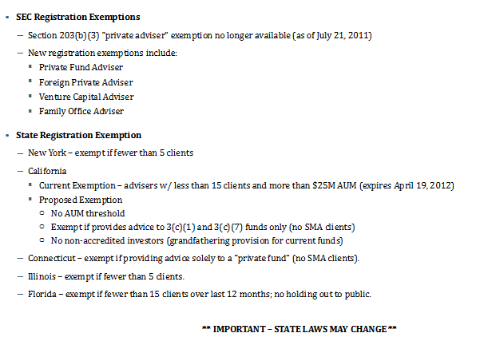
 | Plaintiff (injured party)
 | Defendant (alleged injurer)

 | 3 Types of Torts
 | ▫ Intentional
 | ▫ Unintentional
 | ▫ Strict Liability

 | ▫ Intentional |  |  |  |  |  |  |  |  |  |  |  | Employment Law
 |  | against people |  | assault: the reasonable apprehension or fear of immediate contact |  |  |  |  |  |  |  |  | Today, employment law is heavily regulated by state and federal statute
 |  |  |  | battery: completion (contact) of the assault |  |  |  |  |  |  |  |  | FMLA
 |  |  |  | defenses: |  |  |  |  |  |  |  |  | Title 7 - Civil Rights Act
 |  |  |  | consent |  |  |  |  |  |  |  |  | OSHA
 |  |  |  | self-defense and others |  |  |  |  |  |  |  |  | At-will employee |  | can quit at any time for any reason, can be fired at any time for any reason
 |  |  |  | defense of property |  |  |  |  |  |  |  |  | Contract employee |  | contract cannot be breached easily due to agreement to pay and agreement to perform service

 |  | false imprisonment
 |  |  | confinement or restraint of another person's activities without justification
 |  |  | merchants can detain a suspected shoplifter as long as there is probable cause
 |  | infliction of emotional distress
 |  |  | extreme and outrageous conduct
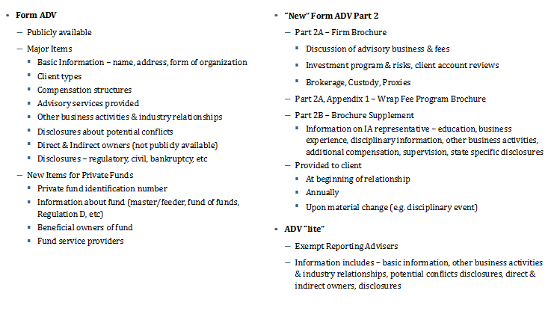
 |  |  | some courts require physical symptoms |  |  |  |  |  |  |  |  |  | Irrevocable Trust Receipts (ITR's)
 |  | Defamation |  |  |  |  |  |  |  |  |  |  | Credit Enhancement / Financial Guarantee
 |  | ▫ Publication of a false statement (oral or written) that injures a person's good reputation
 |  | ▪ Publication: third party must hear or see statement |  |  |  |  |  | oral (slander) |  |  |  |  | Through the relationships our firm has secured, and our affiliates, The PPGI can assist our clients in receiving financial securities or credit enhancement in the form of Irrevocable Trust Receipts or ITR's. Our firm has assisted our clients in receiving ITR's to enhance their business loans, development projects, and enhancements of particular deal structures.
 |  | ▪ Statements made on the internet may be actionable |  |  |  |  |  | written (libel)
 |  | ▪ An individual who re-publishes the statement will be liable
 |  | ▫ Statement must hold someone up to contempt, ridicule or hatred in the community |  |  |  |  |  |  |  |  |  |  | The ITR or "Irrevocable Trust Receipt" is a receipt for particular assets that has been placed in trust specially or segregated from a larger pool of assets already in trust for the particular purpose of supporting bonds, financial guarantees and escrows for a specific project. The ITR instrument not only is used as a cash equivalent by commercial banks and other financial institutions worldwide, but is accepted and even required for particular transactions by certain governments.

 |  | ▪ Slander per se (no proof of damages is required)
 |  | "loathesome communicable disease" |  |  |  |  |  |  |  |  |  |  | The Benefits to the Investor as well as the Client are the following, but not limited to:
 |  | professional impropriety
 |  | imprisonment for a serious crime |  |  |  |  |  |  |  |  |  |  | Not negotiable during the term of the bond.
 |  | unmarried woman unchaste |  |  |  |  |  |  |  |  |  |  | Solely pledged as backing for the bond provided for the term of a contract
 |  | Defenses: |  |  |  |  |  |  |  |  |  |  | Written for the specific purpose, authorizes the Owner as the beneficiary to collect against the trust assets
 |  | truth is normally an absolute defense |  |  |  |  |  |  |  |  |  |  | Trustee has a legally binding obligation to pay the Owner as provided in the ITR upon default.
 |  | statement was priveleged: |  |  |  |  |  |  |  |  |  |  | Assets in the trust remain inviolate
 |  | absolute: judicial and legislative proceedings |  |  |  |  |  |  |  |  |  |  | The assets are secured to support the bond until they are released or exonerated
 |  | qualified: good faith, limited
 |  | public figures: plaintiff must show statement made with "actual malice" |  |  |  |  |  |  |  |  |  |  | Standby Letter of Credit - SLOCStandby letters of credit are a sign of good faith in business transactions, and are proof of a buyer's credit and repayment abilities. SLOC is a guarantee of payment issued by a bank on behalf of a client that is used if the client fails to fulfill a commitment.
 |  | misrepresentation (fraud)
 |  |  | Intentionally deceive another to believe in a condition that is different from a condition that already exists |  |  |  |  |  |  |  |  |  | Bank GuaranteeA guarantee from a lending institution ensuring that the liabilities of a debtor will be met
can sue for most anything (but much is frivolous and goes unawarded) |  |  |  | knowing misrepresentation of fact
 |  |  |  | intent to induce innocent party to rely
 |  |  |  | justifiable reliance by innocent party
 |  |  |  | causation and damages
 |  |  | Contrast: "puffery" or statements of opinion
 |  |  |  |  |  |  |  |  |  |  |  |  |  | Stock Price Guarantee
 |  | Wrongful Interference with Contracts |  |  |  |  |  |  |  |  |  |  |  | - price floor
 |  |  | valid, enforceable contract exists between two parties
 |  |  | third party knows about contract |  |  |  |  |  |  |  |  |  |  | Share redemption agreement
 |  |  | third party intentionally causes either party to breach the original contract
 |  | Wrongful Interference with Business Relationship |  |  |  |  |  |  |  |  |  |  |  | Defined compensation plans converted into stock
 |  |  | Distringuish competition vs. predatory behavior. Predatory behavior is unlawfully driving competitors out of the market
 |  |  | To prevail, Plaintiff must show Defendant targeted only Plaintiff's customers and product
 |  |  | Defenses to Wrongful Interference:
 |  |  |  | Interference was justfied or permissible
 |  | against property |  |  |  |  | litigant | plaintiff
 |  |  | trespass to land |  |  |  | adversary | defendant
 |  |  | trespass to personal property
 |  |  |  | register.com vs. verio, inc. (2004)
 |  |  | Conversion
 |  |  | Disparagement of Property |  |  |  | Repudiation of duties - a Breach of Contract?
 |  |  |  | slander of quality |  |  | Can a party’s repudiation of future obligations under a contract after performance has begun constitute a defense to a breach of contract claim
 |  |  |  | slander of title |  |  | repudiation before performance has begun as “anticipatory breach.”
 |  |  |  |  |  |  | a party’s renunciation of his obligations can constitute repudiation
 |  |  |  |  |  |  | For a repudiation to constitute a breach, it must be clear, absolute, unequivocal, and cover the entire performance of the contract.
 |  |  |  |  |  |  | every litigant is entitled to be told in plain and explicit language his adversary’s ground of complaint

 |  |  |  |  |  |  | Contractor not able to collect payment for modifications that were not authorized in writing Yoshiro Katsura v. City of San Buenaventura (2007) 155 Cal. App. 4th 104
 | ▫ Unintentional |  |  |  |  |  | After years of disagreement at the appellate court level, the Supreme Court has held that those who wish to sue public entities for breach of contract must file claims pursuant to Government Code section 900 et seq.

 | ▫ Strict Liability |  |  |  |  |  | In order to prove fraudulent misrepresentation, you must show the following:

 |  |  |  |  |  |  | The defendant made a false representation or statement
 |  |  |  |  |  |  | The false representation was of a material or important fact
 |  |  |  |  |  |  | The defendant either knew that the statement was false or recklessly disregarded the truth
 |  |  |  |  |  |  | The defendant intended the representation to reach you
 |  |  |  |  |  |  | The defendant intended the representation to induce you to act upon it
 |  |  |  |  |  |  | You acted in justifiable reliance on the misrepresentation
 |  |  |  |  |  |  | You suffered losses as a result

 |  |  |  |  |  |  | Fraudulent misrepresentation requires the defendant to have made a representation about a fact that was untrue when made. The fact misrepresented must have been material, which means that a reasonable person would attach importance to that fact in determining a future course of conduct.

 |  |  |  |  |  |  | You also must prove that the defendant made the misrepresentation knowingly or recklessly. The knowledge requirement may be satisfied if the person making the representation ought to have known of its falsity, even if he or she did not actually know.
 | Insurance Underwriting
 |  |  |  |  |  |  | Your reliance on a defendant's material misrepresentation must have been a substantial factor in determining the course of conduct that resulted in your financial loss. Moreover, it is not sufficient for you to show mere reliance; the reliance must have been reasonable to be considered justified.
 | Questions Investors Ask:
 | 1.) How much money do you want? |  |  |  |  |  | Also, you must have suffered a financial loss while acting in reliance on the defendant's misrepresentation.
 | 2.) How am I protected (security)?
 | 3.) What am I buying (investing in)?

FINRA (finra.org)
The Financial Industry Regulatory Authority, Inc. (FINRA) is the largest independent regulator of securities firms doing business with the public in the United States. Our core mission is to pursue investor protection and market integrity, and we carry it out by overseeing virtually every aspect of the brokerage industry. All told, FINRA oversees about 4,275 brokerage firms, about 162,395 branch offices and approximately 630,650 brokers. |  |  |  |  |  |  | Issues which you should investigate in order to determine whether a contractor is responsible include the following.

 |  |  |  |  |  |  | 1. Is the Contractor licensed?

 |  |  |  |  |  |  | 2. Does the Contractor's license cover the type of work to be done?

 |  |  |  |  |  |  | 3. Is the Contractor debarred from bidding on or performing public works (for violating prevailing wage or apprenticeship requirements)?

 |  |  |  |  |  |  | 4. Are the Contractor's bonds legally adequate?

 |  |  |  |  |  |  | a. Is the surety an "admitted surety insurer"? (Civil Code § 995.120) - type in name of company, click on appropriate company in table of results, and make sure that the company's license status is active and that it has the authority to issue surety bonds. Print out the results and attach them to the bond.
 |  |  |  |  |  |  | b. Are the bonds in the correct amount?

 |  |  |  |  |  |  | c. Does the person who signed the bond have the authority to issue that type of bond?
 |  |  |  |  |  |  | The Power of Attorney (usually attached immediately behind the bond itself) describes the person's authority. This is a good issue to discuss with legal counsel.
 |  |  |  |  |  |  | d. Was the person who signed the bond authorized to do so at the time?
 |  |  |  |  |  |  | The Power of Attorney also states the duration of the person's authority.
 |  |  |  |  |  |  | 5. What other public agencies has the Contractor worked with and what were their experiences with the Contractor?
 |  |  |  |  |  |  | a. What questions should I ask? Click here for suggested questions.
 |  |  |  |  |  |  | b. How can I avoid being sued for asking those questions?
 |  |  |  |  |  |  | A public agency may communicate truthful information about an independent contractor in response to a request from a prospective client without fear of being sued for slander. The communication is protected from suit so long as it is made without ill will and based on observations and evaluations of the contractor, and the prospective client has a legitimate interest in the contractor. (See, e.g., Civil Code § 47, subd. (c); Williams v. Taylor (1982) 120 Cal.App.3d 745, 752; Conkle v. Jeong (1994) 853 F.Supp. 1160.)
 |  |  |  |  |  |  | 6. Has the contractor been barred from bidding on Federal projects?

 |  |  |  |  |  |  | The general rule is that lost profits are not recoverable because of the difficulty inherent in showing that an owner's actions were the direct cause of a contractor's losing work, how many projects the contractor would have performed and how profitable they would have been. The initial appellate opinion held that BEGL's lost profits were recoverable because the School District's construction manager had stated that sureties sometimes refuse to bond contractors which have been terminated from jobs, and allowed the contractor to collect profits which it would typically have made. The Supreme Court decided not to hear the School District's appeal, but did rule that the case may not be relied upon as authority for future actions.
 |  |  |  |  |  |  | BEGL Construction Co., Inc. v. Los Angeles Unified School District (2007) 154 Cal. App. 4th 154

 |  |  |  |  |  |  | what constitute “actual costs” in a construction contract. The appellate court determined that “actual costs” do not include office overhead and other indirect costs (including those from the inability to work at all during bad weather).

 |  |  |  |  |  |  | In Rock Creek Park View the Plaintiff alleged that the defendant, Cole Construction and its principals, the Coles, presented for payment invoices for work never performed while representing that the work covered by these invoices had in fact been performed. The Plaintiff paid the invoices and later discovered that it had paid for work never performed. Rock Creek Park View then sued for breach of contract, breach of fiduciary duty and fraud (against the two principals). The Court rejected the breach of fiduciary duty claim stating that without the contract the defendant would have no duty and therefore this claim was squarely barred by the economic loss rule. However, and interestingly, the Court (after rejecting a claim against Mrs. Cole due to failure of the Plaintiff’s to particularly plead any facts that could create a fraud claim) refused to dismiss the fraud claim against Mr. Cole.

 |  |  |  |  |  |  | the economic loss rule in Virginia states that where a loss occurs that relates in any way to a contract, the injured party cannot recover for tort related damages.

 |  |  |  |  |  |  | Between the economic loss rule and the general desire of Virginia courts to keep contract actions and tort actions separate, most of the time it is impossible to make a fraud action relating to a contract stick in a construction context.

 |  |  |  |  |  |  | courts will look at statutes and contracts, and enforce them.

 |  |  |  |  |  |  | Since a duty to tell the truth would not have existed if it weren’t for the contract, Courts are likely to decide that the economic loss rule applies.

 |  |  |  |  |  |  | Economic Loss Rule:
 |  |  |  |  |  |  | ▫ Generally, where a duty to perform in a certain way arises from the contract, the Virginia courts will not allow a plaintiff to turn a contract claim into a tort claim (e.g., fraud, negligence)
 |  |  |  |  |  |  | ▫ Occasionally, a single act or omission can give rise to both a contract and a tort claim depending upon the source of the duty.
 |  |  |  |  |  |  | ▫ The court, like others before it, reasoned that unlike false or misleading statements as to the quality of work done under the contract, fraud used to get an owner to enter into the contract in the first place is in fact actionable.
 |  |  |  |  |  |  | Always be honest in your dealings with contracts and construction. The economic loss rule does not protect those that induce others to enter construction contracts through dishonesty or misrepresentation of facts outside of the contract.
 |  |  |  |  |  |  | The courts will look carefully at your pleadings to see if you are trying to avoid the economic loss rule or if you have a legitimate case for both a breach of contract and negligence
 |  |  |  |  |  |  | If you were induced to sign a contract by an estimate that bears no relation to the actual price, you may have a claim for fraud against the contractor.
 |  |  |  |  |  |  | The most common causes of delay on a project include: differing site conditions; changes in requirements or design; weather; unavailability of labor, material or equipment; defective plans and specifications; and interference by the owner. Such delays will often force a contractor to extend its schedule to complete the work required under the contract, as well as to incur additional costs in the performance of said work. Generally, these costs may include: the costs of maintaining an idle work force and equipment; unabsorbed office overhead; lost efficiencies; and general conditions. However, in order to receive an extension of time for project completion, or to recover additional costs, the contractor must meet a number of prerequisites.

 |  |  |  |  |  |  | A delay must be excusable in order to be the basis for an extension of time or additional compensation. Categories of excusable delay are often determined in the contract and typically involve matters beyond the control of the contractor. Examples of excusable delay include design errors and omissions, owner initiated changes, unanticipated weather, and acts of God. A non-excusable delay is a delay for which the contractor has assumed the risk under the contract. Often, even if a delay appears to be excusable, it will be the responsibility of the contractor if it was foreseeable, but could have been prevented but for the acts of the contractor. The same is true if the delay was caused by the negligence of the contractor.

 |  |  |  |  |  |  | Delays
 |  |  |  |  |  |  | ▫ Compensable
 |  |  |  |  |  |  | ▪ Contractor is entitled to recover compensation for delay costs as well as to a time extension
 |  |  |  |  |  |  | ▫ Noncompensable

 |  |  |  |  |  |  | General Rule: If the delay could have been avoided by due care of one of the parties, the party which did not exercise such care is responsible for the additional costs.

 |  |  |  |  |  |  | Some courts, will allow the aggrieved party to attempt to apportion the responsibility for delay, thus allowing compensation to the contractor for the period of delay which was not its responsibility. See, e.g., Raymond Constructors v. United States, 411 F.2d 1277 (Ct. Cl. 1969). However, apportionment of delay is often difficult due to inadequate project documentation of the various delays. The best time in which a contractor can apportion delay is while the project is ongoing. Courts tend to find analyses made concurrent with the delays to be more reliable then after the fact analyses.
 |  |  |  |  |  |  | The contractor should make sure the construction contract clearly defines items which the contractor will be able to recover. Additionally, each and every delay should be well documented during the course of the project.
 |  |  |  |  |  |  | If there is any portion of delay for which the contractor is responsible, it should seek to apportion the overall delay between the items it is responsible for and those for which it has no responsibility.

 |  |  |  |  |  |  | The contractor may also be liable for the negligent acts of its subcontractors. If the negligent subcontractor is in the chain of privity with the contractor, the contractor cannot recover delay damages from the owner as those delays are the responsibility of the contractor. However, if the subcontractor has a direct contractual relationship with the owner of the project, the contractor may be able to recover damages as it was not in a position to prevent the delay. Additionally, in order to recover damages, a contractor must show a link between the delay and the resultant damage.

 |  |  |  |  |  |  | Concurrent Delay
 |  |  |  |  |  |  | a second, independent delay occurring during the same time period as the delay for which recovery is sought
 |  |  |  |  |  |  | If the party seeking increased compensation is ultimately responsible for the concurrent delay, he may not be able to recover any compensation for the initial delay.

 |  |  |  |  |  |  | Mechanic's Liens
 |  |  |  |  |  |  | ▫ Subcontractors typically pre-lien the work and later enforce the lien if necessary
 |  |  | preservation requirements will change depending on where you’re furnishing, but they always require some action at the start of providing services or materials. |  |  |  | ▫ Mechanic’s lien rights would not exist but for your contract and your construction contract is enforceable.
 |  |  | When states are referred to as “notice states,” that is typically because they’ve adopted this very traditional notice requirement, which mandates that all parties who have no contractual privity with the property owner send a “preliminary notice” or “notice to owner” to the property owner within a specific number of days after first furnishing labor or materials. |  |  |  | ▫ The general rule is that a mechanic’s lien jumps to the head of the line of liens when filed
 |  |  | These prelim notices are usually required within 10-45 days from first furnishing of materials or labor (check your state’s rules), and must contain certain information within the notice and be sent by a certain method (usually certified mail with return receipt requested). Those who fail to send their notice on time will forfeit their lien rights, with limited exceptions. |  |  |  | ▫ In the typical case, a contractor puts up a building and, when the owner refuses payment, it files a mechanic’s lien that takes priority over all other liens on that property, including the construction loan deed of trust (or mortgage, depending on your state’s property laws)
 |  |  | Preserving your mechanic lien rights requires compliance with certain notice prerequisites that apply when starting to furnish labor and/or materials. These notices must be delivered before any accounts are ever overdue, and indeed, before anyone is even owed money. |  |  |  | Unless you have labor or materials incorporated into or delivered to a job site you cannot properly file a mechanic’s lien in Virginia.
 |  |  | If lien rights were preserved, a contractor, supplier or professional can “perfect” it’s lien claim by filing the same with the county recorder or clerks office. Depending on your state, the filing can go by a number of names: Notice of Claim, Claim of Lien, Construction Lien Claim, Mechanics Lien Claim, Statement of Claim and Privilege, etc. |  |  |  | A lien is not a substitute for a breach of contract suit. Because a lien remedy and a contract remedy are separate, you can pursue your contract remedy even if you cannot pursue a lien.
 |  |  | Caution: When filing your mechanics lien claim, it’s important to be very careful. Since these claims encumber real property, courts typically require strict compliance with the lien statutes, which means you better have all the required information in your claim. There are lots of traps for the inexperienced, with the most common mistakes being a failure to identify the property with the legal property description and not including all of the statutorily required data. |  |  |  | ▫ When the construction loan is secured by the same deed of trust as the purchase loan, the mechanic’s lien takes precedence.
 |  |  | Properly preparing and recording your mechanic lien claim, and then serving a copy of the same on the property owner and all other required parties within the statutory required time frame, will act to perfect your mechanic lien rights, and a mechanics lien claim will then encumber the property…until your deadline to enforce it. |  |  |  | Aside from the obvious defenses involving the 90 day filing term, the 150 day “look back” period, and the 6 month statute of limitations for filing suit to enforce a lien
 |  |  | After a mechanics lien claim is perfected by recording, it only remains enforceable for a specific period of time. |  |  |  | Virginia mechanic’s liens, being creatures of statute, survive bankruptcy and remain in force even after the owner of the property files for bankruptcy. Even more importantly, the 6 month statute of limitations on filing a case to enforce your mechanic’s lien stops running as of the date that bankruptcy is filed.
 |  |  | Therefore, if the mechanics lien doesn’t produce payment after filing, then you will be required to file a lawsuit to foreclose upon or enforce the claim. |  |  |  | Aside from the obvious defenses involving the 90 day filing term, the 150 day “look back” period, and the 6 month statute of limitations for filing suit to enforce a lien
 |  |  | Arizona statute requires preliminary notice to preserve lien rights and this must be delivered immediately after the construction begins. |  |  |  | If the project is for residential construction, check to make sure that the contractor or subcontractor has properly notified any mechanic’s lien agent found on the building permit.
 |  |  | If you’re required to send a preliminary notice, and you don’t, you likely lose your lien rights. |  |  |  | As a defense to the priority of a mechanic’s lien filed by a contractor that refuses or is unable to complete construction, Section 43-16 places any payment by the owner made to complete the structure takes priority over the lien.
 |  |  | If your state requires certain notices, and you send them but send them incorrectly, it may be just as bad as not sending them at all. |  |  |  | The 150 day rule states that a contractor or subcontractor can only capture money owed for work performed or materials furnished to a project within 150 days of the last day on which the contractor performed work or the date of filing of the lien. Retainage or retention is not subject to this rule.
 |  |  | Just as important as delivering the notice correctly is proving that you delivered the notice. |  |  |  | ▫ A mechanic's lien is a claim against the value of a building or property to secure payment for materials or services provided to improve the property. The lien makes the property owner ultimately responsible for all of the expenses incurred in improving a property. The owner is responsible for paying all subcontractors and material suppliers, even if the owner has already paid the contractor in full. If the owner does not pay off the lien, the lienholder may go to court to get an order enforcing the lien against the property.
 |  |  | In most states that require preliminary notices, if a notice is sent late, it is effective as to materials or labor furnished just before the notice is sent. |  |  |  | Mechanics' liens serve as a tool for enforcing payment through such methods as stop notices. They are filed when work needs to be done. If payment is complete, the lien is released and removed from the property's title. If payment is not made, the lienholder can foreclose on a property to obtain payment.
 |  |  |  |  |  |  | A claim under a mechanic's lien requires court action for enforcement.
 |  |  |  |  |  |  | The lien attaches to the property when the work is performed or goods are delivered. It remains on the property until payment is made.
 |  |  |  |  |  |  | A mechanic's lien proceeding, if not settled or resolved before final judgment, may require a sale of the property to pay for the services and materials.
 |  |  |  |  |  |  | In the typical case, a contractor puts up a building and, when the owner refuses payment, it files a mechanic’s lien that takes priority over all other liens on that property, including the construction loan deed of trust (or mortgage, depending on your state’s property laws
 |  |  |  |  |  |  | In Virginia where mechanic’s liens are perfected upon filing of the lien and therefore they are a secured claim in a bankruptcy court.

 |  |  |  |  |  |  | Bankruptcy
 |  |  |  |  |  |  | Chapter 7. Liquidation Under the Bankruptcy Code Chapter 9. Municipality Bankruptcy Chapter 11. Reorganization Under the Bankruptcy Code Chapter 12. Family Farmer Bankruptcy or Family Fisherman Bankruptcy Chapter 13. Individual Debt Adjustment Chapter 15. Ancillary and Other Cross-Border Cases SCRA. Servicemembers' Civil Relief Act SIPA. Securities Investor Protection Act

 |  |  |  |  |  |  | Virginia Circuit Court dismissed a claim by the contractor because the contractor did not follow the notice provisions of the AIA General Conditions for the project. These conditions required that, prior to litigation, any claim relating to the contract had to be submitted to the architect for review.

 |  |  |  |  |  |  | AZ Registrar of Contractors (ROC)
 |  |  |  |  |  |  | ▫ The Arizona Registrar of Contractors (ROC) is an administrative agency of the state government that regulates the work of contractors and subcontractors throughout the state. It licenses general contractors and subcontractors, enforces licensing requirements and provides a venue for hearing complaints against licensed construction professionals.

 |  |  |  |  |  |  | Disputes often arise out of delays in getting the work down, unsatisfactory work or delayed/disputed payments.

 |  |  |  |  |  |  | Arbitration is like a trial, except that it is usually much less formal. The dispute is heard by one or more arbitrators, who are selected from a panel of neutral arbitrators. Depending on the local practices and rules, the arbitrators may be attorneys or people with expertise in the construction industry. The arbitrators act like a judge, in that they hear the case and make a final decision based on the evidence presented.
 |  |  |  |  |  |  | The courts will not overturn the order of an arbitrator in binding arbitration unless the arbitrator made a decision that completely lacked any legal foundation.

 |  |  |  |  |  |  | Mediation is an effort to get the parties to reach a mutually agreeable settlement. A mediator, like an arbitrator, is a neutral party, but unlike an arbitrator, a mediator does not make a decision as to who is right or who is wrong, but will do what she can to get the parties to some common ground for an agreement.
 |  |  |  |  |  |  | The mediator's role is limited to listening to each party and presenting settlement options and proposals to the parties. Most mediators are selected for their knowledge of a particular area of the law.

 |  |  |  |  |  |  | Collections in Construction
 |  |  |  |  |  |  | As soon as 30 days hits, the first “reminder” letter should go to the contractor or owner that owes you money. At 60 days, a firmer letter should go out letting the party that owes you money know that a lien is going to be on its way to the courthouse should payment not come in the next week. Finally, the 90 day “letter” (at least in Virginia) should be the mechanic’s lien notice.
 |  |  |  |  |  |  | For protection from paying money that you have yet to be paid, a “pay when paid” clause is necessary. In Virginia, this clause must be very specific and make payment from the Owner or General Contractor a prerequisite for payment of your down stream subcontractor.

 |  |  |  |  |  |  | Contractor Bonding
 |  |  |  |  |  |  | As a specific type of surety bond, each contractor license bond that's issued functions as a legally enforceable contract that binds together three separate parties. The contractor that buys the contractor bond acts as the principal. The state agency that requires the contractor to get the bond acts as the obligee. The company that financially backs the contractor bond acts as the surety. If a contractor fails to fulfill the bond's terms, then the obligee can make a claim on the contractor bond as a way to gain compensation for any damages.

 |  |  |  |  |  |  | Securities Investor Protection Corporation (SIPC)
 |  |  |  |  |  |  | The Securities Investor Protection Corporation (SIPC) was created in 1970 as a non-profit, non-government, membership corporation, funded by member broker-dealers. Its primary role is to return funds and securities to investors if the broker-dealer holding these assets becomes insolvent.

 |  | Labor Law
 |  | ▫ Fair Labor Standards Act

 |  | Contracts
 |  | Common law - comes from case law (precedents) |  |  |  |  |  |  |  |  |  |  | Amend a Corporate Charter/Articles of Incorporation
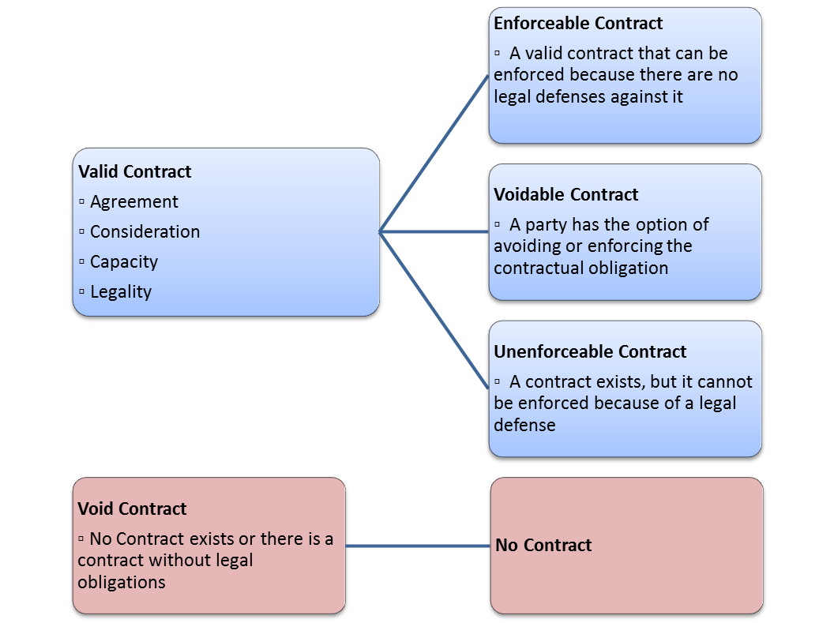
 |  |  |  |  |  |  |  |  |  |  |  |  | The articles of incorporation for your corporation are the documents you filed with your state's secretary of state registering the corporation within the state.

 |  |  |  |  |  |  |  |  |  |  |  |  | The process to amend your articles of incorporation for changes such as address, purpose, or other major change, varies by state, but in general the process includes these steps:

 |  |  |  |  |  |  |  |  |  |  |  |  | 1.) A proposal must be prepared and presented to the company board of directors. The board adopts a corporate resolution approving the proposal.

 |  |  |  |  |  |  |  |  |  |  |  |  | 2.) If there are shareholders or members, they must vote on the change. The vote usually takes place at a formal meeting of the corporation (annual meeting or other) and shareholders must be advised of the proposed change before the meeting.

 |  |  |  |  |  |  |  |  |  |  |  |  | 3.) If the shareholders approve the change to the articles of incorporation, the amended document must be sent to your state's secretary of state for filing (there is usually a fee for filing this change.

 |  |  |  |  |  |  |  |  |  |  |  |  | An amendment is not necessary in most states for the following (but check with your state before making any changes to articles of incorporation):

 |  |  |  |  |  |  |  |  |  |  |  |  | → To change names and address of directors, incorporators, etc. But an amendment or other change notice must be filed with your state if the registered agent changes or the resident agent's address changes.

 |  |  |  |  |  |  |  |  |  |  |  |  | → To reduce the number of authorized shares of stock. But an increase in the number of shares of stock requires an amendment.
 |  |  |  |  |  |  |  |  |  |  |  |  | → To change the corporation's name.

 |  | Defenses to Enforceability of a Contract
 |  | ▫ Genuineness of Assent
 |  | ▫ Form

 |  | One can only accept a unilateral contract by doing, not promising to do!

 |  | Bilateral contracts include and exchange of promises; unilateral contracts can only be enforced by action, not promises

 |  | Unilateral Contracts
 |  | ▫ Offeror wants performance in exchange for his promise
 |  | ▫ Contract is formed when offeree performs
 |  | ▫ Examples: contests, lottery

 |  | Revocation of offers for Unilateral Contracts: modern view is that offer is irrevocable once the Offeree substantially performs

 |  | Express Contracts
 |  | ▫ Terms of contract are set forth either in writing or orally

 |  | Implied-In-Fact Contracts
 |  | ▫ Based on conduct
 |  | ▪ Plaintiff furnished service or product
 |  | ▪ Plaintiff expects to be compensated
 |  | ▪ Defendant had a chance to reject and did not

 |  | Contract Performance
 |  | ▫ Executed: fully performed by both parties
 |  | ▫ Executory: at least one of the parties has not performed

 |  | Quasi Contracts
 |  | ▫ Fictional, created by court to avoid unjust enrichment
 |  | ▫ Limitations on quasi-contractual recovery
 |  | ▫ When an actual contract already exists, quasi contract cannot be used

 |  | An offer requires:
 |  | ▫ Serious, objective intention
 |  | ▪ Expressions of opinions are not offers
 |  | ▪ Statements of future intent are not offers
 |  | ▪ Preliminary negotiations are not offers
 |  | ▪ Advertisements, catalog, and circulars are not offers
 |  | ▪ Auctions are not offers
 |  | ▪ Agreements to agree are not offers

 |  | Case: Lucy v. Zehmer (1954). Although the parties had been drinking, the court found the circumstance indicated a serious offer, acceptance and consideration, and a writing
 |  | ▫ Definiteness: reasonably definite terms so that a court can determine whether a breach has occurred and give an appropriate remedy
 |  | ▫ Communication of offer to offeree

 | Termination of the Offer by Act of the Parties
 |  | Revocation of the Offer (by Offeree) is possible if communicated to Offeree before the offer is accepted
 |  | ▫ Exception: irrevocable offers, based on detrimental reliance or promissory estoppel, cannot be revoked
 |  | ▫ Option Contracts: requires consideration

 |  | Rejection of the Offer by the Offeree
 |  | ▫ Effective only when actually received by the Offeror or its agetn

 |  | Counter Offer by the Offeree
 |  | ▫ Rejection of original offer and simultaneous making new offer with different, material terms. Original Offeror can accept.
 |  | ▫ "Mirror Image" Rule: at common law, material terms must be identical or rejection

 | Termination of the Offer by Operation of Law
 |  | Lapse of Time
 |  | ▫ Offer automatically terminates by law based on terms specified in the offer itself

 |  | Destruction of Subject Matter
 |  | ▫ Offer automatically terminates if subject matter destroyed before offer accepted

 |  | Death or Incompetence of either party
 |  | ▫ Unless offer is irrevocable

 |  | Supervening Illegality of Proposed Contract
 |  | ▫ Statute or court decision making the offer illegal automatically terminates it

 | Acceptance
 |  | Voluntary act by Offeree that shows assent to terms of original offer
 |  | Mirror Image Rule
 |  | ▫ Offeree must unequivocally accept offer
 |  | ▫ Additional terms may be considered a counteroffer
 |  | Silence as Acceptance

 |  | Communication of Acceptance
 |  | ▫ Authorized means of communication is either express or impolied by form of offer (e.g., U.S. mail, fax, email)
 |  | ▫ "Mailbox Rule": Offeree accepts offer when the acceptance is dispatched to Offeror in the form it was received, unless offer requires a different method (e.g., Fed-Ex, or receipt by Offeror)
 |  | ▫ Exceptions:
 |  | ▪ Acceptance is not properly dispatched
 |  | ▪ Offer stipulates not accepted until received
 |  | ▪ Offeree rejects then accepts. First communication received determines whether contract is formed.

 | Agreement in E-Contracts
 |  | Online Offers should include:
 |  | ▫ Remedies for Buyer
 |  | ▫ Statute of Limitations
 |  | ▫ What constitutes Buyer's acceptance
 |  | ▫ Method of Payment
 |  | ▫ Seller's refund and return policies
 |  | ▫ Disclaimers of liability
 |  | ▫ How seller will use buyer's information (privacy)

 |  | Provisions to Include
 |  | ▫ Choice of law
 |  | ▫ Choice of forum
 |  | ▫ E-Bay uses online dispute resolution

 |  | Displaying the Offer (via hyperlink)

 |  | How Offer will be Accepted
 |  | ▫ Amazon.com - Checkout
 |  | ▫ "I accept" Button to Click

 | Online Acceptances
 |  | Click-On Agreements
 |  | ▫ Buyer "checks out" or clicks "I Accept" button on Seller's website or when software is installed

 |  | Shrink-Wrap Agreements
 |  | ▫ Contract terms are inside the box
 |  | ▫ Party opening box agrees to terms by keeping merchandise
 |  | ▫ Limits: when was contract formed? Before or after terms communicated to buyer?

 | E-Signatures
 |  | E-Signature Technologies
 |  | ▫ Asymmetric Cryptosystem
 |  | ▫ Cyber Notary
 |  | State Law Governing E-Signitures
 |  | ▫ Uniform Electronic Transactions Act (1999)
 |  | Federal Law
 |  | ▫ E-SIGN (2000) gives e-signatures and e-documents legal force

 |  | Uniform Electronic Transactions Act
 |  | ▫ Purpose is to remove barriers to forming electronic commerce
 |  | ▫ E-Signature is "electronic sound, symbol or process…associated with a record and… adopted by a person with intent to sign the record."
 |  | ▫ UETA applies only to e-records and e-signatures relating to a transaction

 | Consideration
 |  | Consideration is value given in return for a promise

 |  | Elements:
 |  | ▫ Something of legally sufficient value given in exchange ofr a promist and
 |  | ▫ That is bargained-for-exchange between the parties

 |  | Adequacy of Consideration
 |  | ▫ Courts generally do not look for "how much" consideration is given

 | Contracts the Lack Consideration
 |  | Pre-Existing Duty
 |  | ▫ A promise to do what one is already legally obligated to do is not consideration
 |  | ▫ Unforeseen difficulties
 |  | ▫ Rescission and New Contract

 |  | Past Consideration
 |  | ▫ A promise made in return for actions or events have already taken place are unenforceable

 |  | Illusory Promises
 |  | ▫ If the terms of performance are so uncertain that the promisor has not legally promised anything, the promise is illusory
 |  | ▫ Option to Cancell clauses

 | Settlement of Claims
 |  | Accord and Satisfaction
 |  | ▫ Debtor and Creditor agree on lesser amount

 |  | Release
 |  | ▫ One of the parties forfeits the right to pursue legal claim against the other

 |  | Covenant Not to Sue
 |  | ▫ Parties substitute a contractual obligation for some other type of legal action

 | Promissory Estoppel
 |  | Promissory Estoppel ("detrimental reliance") doctrine applies when a person relies on the promise of another to her legal detriment. Promisor is "estopped" (precluded) from revoking the promise.

 |  | Elements:
 |  | ▫ Clear and definite promise
 |  | ▫ Promisor expected promisee would rely
 |  | ▫ Promisee reasonably relies by acting
 |  | ▫ Reliance with definite and substantial detriment
 |  | ▫ Enforcement of promise is necessary to avoid injustice

 | Essentials of Business Contracts
 | There are six essential elements for a contract to be valid (enforceable by a court). The first three, considered here together, relate to the agreement itself; the other three relate to the parties making the contract:

 | Offer, Acceptance, and Mutual Consent
 | Every contract must include a specific offer and acceptance of that specific offer. Both parties must consent of their free will. Neither party can be coerced or forced to sign the contract, and both parties must agree to the same terms. Implied in these three conditions is intent of the parties to create a binding agreement. If one or both parties are not serious, there's no contract.

 | Consideration. There must be something of value exchanged between the parties. The thing of value may be money or services, but both parties must give something (otherwise, it is a gift, not a contract).

 | Competence. Both parties must be of "sound mind" to comprehend the seriousness of the situation and understand what is required. This definition requires that neither party be a minor, both must be sober (not under the influence of drugs or alcohol when signing the contract), and neither can be mentally deficient. If one party is not competent the contract is not valid and the non-competent party can disavow (ignore) the contract. This article on entering into a contract with a minor explains the issues involved in this kind of situation.

 | Legal Purpose.The contract must be for a legal purpose. It cannot be for something illegal, like a selling drugs or prostitution.

 | Remember that it is not illegal to enter into a contract that doesn't have all of these essential items; it just means that if an essential is missing the contract cannot be enforced by a court.

 | Contracts that Must Be in Writing
 | While it is not a requirement that a contract be in writing in order for the contract to be enforceable, there are some specific types of contracts that, by state law, are required to be in writing in order to protect the parties from fraud. The state laws relating to this issue are called "statutes of frauds." Here are some types of contracts that must be in writing:

 | Contracts to answer to a creditor for the debt of another (as an executor for a will, for example)

 | marriage contracts (prenuptial)

 | contracts for the sale of real estate or relating to an interest in real property

 | contracts not to be performed (completed) within one year of the contract effective date.

 | The list of contracts that must be in writing varies by state and jurisdiction.

