Table 4
MONDAY through FRIDAY
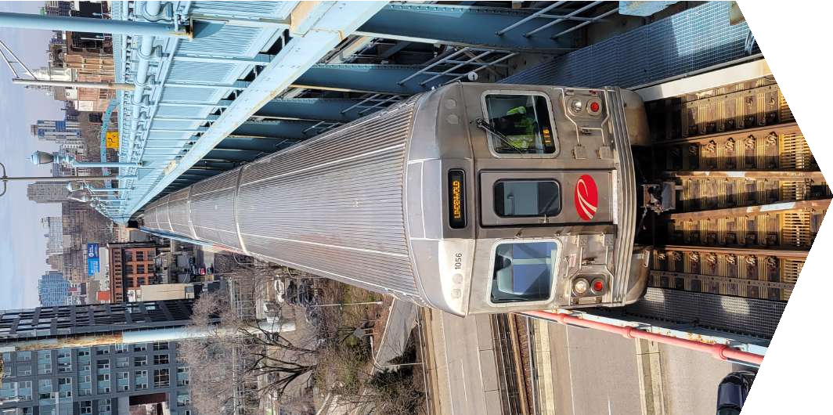
FARES | ONE-WAY | ROUND-TRIP
Lindenwold, Ashland, Woodcrest to Philadelphia | $3.00 | $6.00
Haddonfield, Westmont, Collingswood to Philadelphia | $2.60 | $5.20
Ferry Avenue to Philadelphia | $2.25 | $4.50
NJ station to another NJ Station | $1.60 | $3.20
Broadway, City Hall to Philadelphia | $1.40 | $2.80
PA station to another PA station | $1.40 | $2.80

Table 12

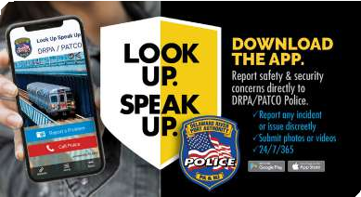

CONNECT WITH US! We’re online weekdays from 7 a.m. - 7 p.m. to assist with questions & information.

