Cover
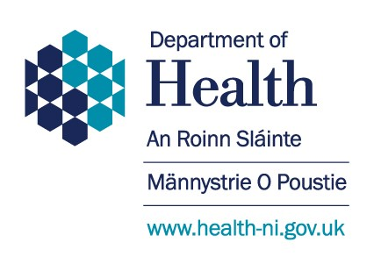
COVID-19 Dashboard Data

 | Official Statistics relating to the COVID-19 Pandemic in Northern Ireland

 |  | 2021-10-14

 |  | Please Note: All sources are provisional and subject to revision.
 |  | All available data has been provided.

