CHAPTER 4
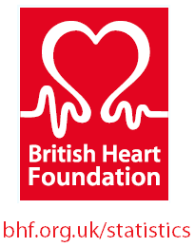
 |  | Please note the citation details on each table. Contents can be used for
 |  | educational purposes and by other not-for-profit organisations, if BHF and
 |  | other sources are referenced. For queries contact healthinsights@bhf.org.uk

Heart and Circulatory Disease Statistics 2024 - Chapter 4 - Costs
In this chapter we present the cost to the NHS and the wider economy of treating heart and circulatory diseases (CVD) in the UK

UK
4.1 | Economic and healthcare costs of heart and circulatory disease (CVD), UK - 2019/20 to 2021/22

ENGLAND
4.2 | Economic and healthcare costs of heart and circulatory disease (CVD), England - 2019/20 to 2021/22

SCOTLAND
4.3 | Economic and healthcare costs of heart and circulatory disease (CVD), Scotland - 2019/20 to 2021/22

WALES
4.4 | Economic and healthcare costs of heart and circulatory disease (CVD), Wales - 2019/20 to 2021/22
4.5 | NHS expenditure on CVD by Health Board, Wales - 2021/22 & 2022/23

NORTHERN IRELAND
4.6 | Economic and healthcare costs of heart and circulatory disease (CVD), Northern Ireland - 2019/20 to 2021/22

