Competitive prices
Headspace | Betterhelp

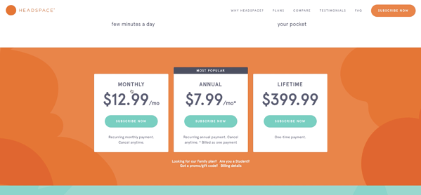
 | With BetterHelp you can have professional counseling for only €60 per week, charged every 4 weeks. Unlike traditional in-office therapy which can cost €125-€200 for a single session, your BetterHelp membership includes unlimited text, video, audio messaging as well as weekly live sessions. The subscription is billed and renewed every 4 weeks. It includes both the use of the secured site and the counseling service itself.

 | Traditional in-office therapy

 | Which can cost €125-€200 for a single session
 | NEED A SOLID SOURCE FOR THIS!

Calm | Limbix

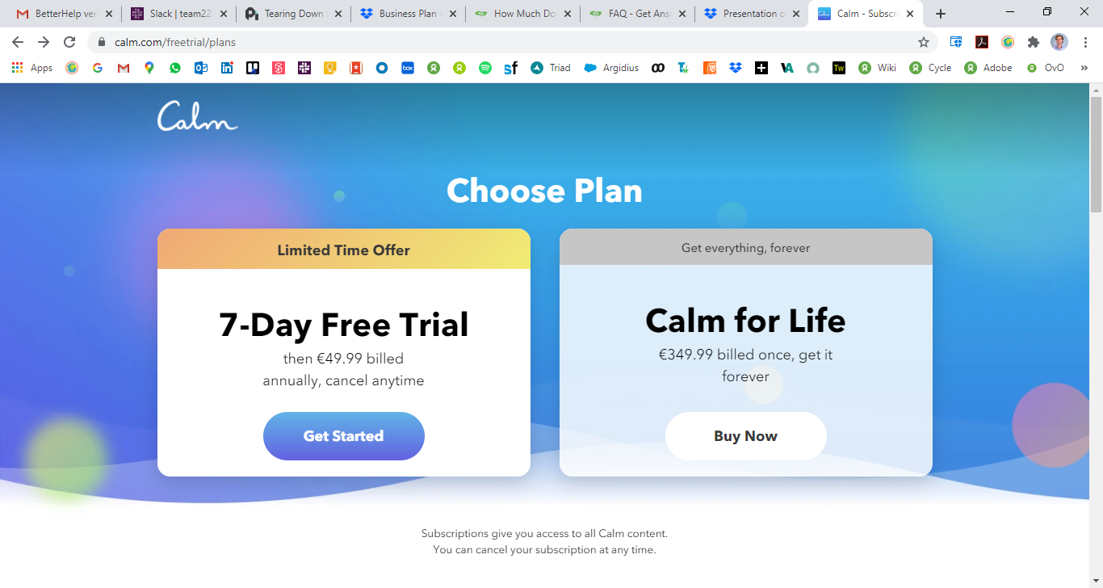
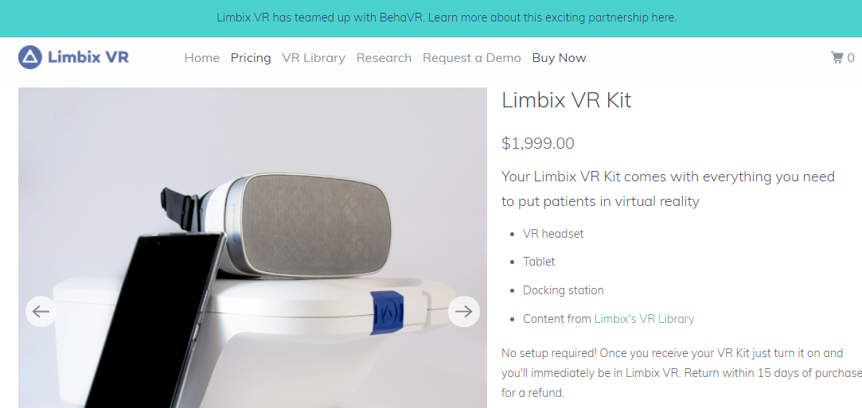

Price comparison - https://www.priceintelligently.com/blog/headspace-calm-pricing

