Sheet1
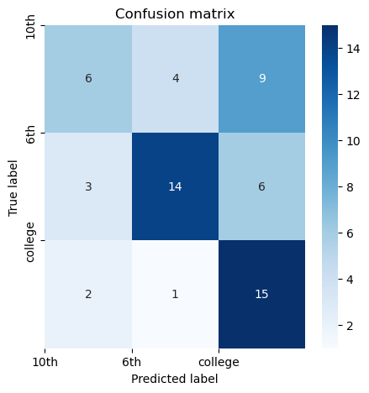
 | Fine-Tuning |  |  |  |  | TensorFlow
 |  | Predicted |  |  |  |  | Predicted
 | 6th | 17 | 3 | 1 |  | 6th | 14 | 3 | 6
Actual | 10th | 2 | 11 | 4 | Actual | 10th | 4 | 6 | 9
 | College | 1 | 10 | 8 |  | College | 1 | 2 | 15
 |  | 6th | 10th | College |  |  | 6th | 10th | College

