gc_glm_pairwise_diffs
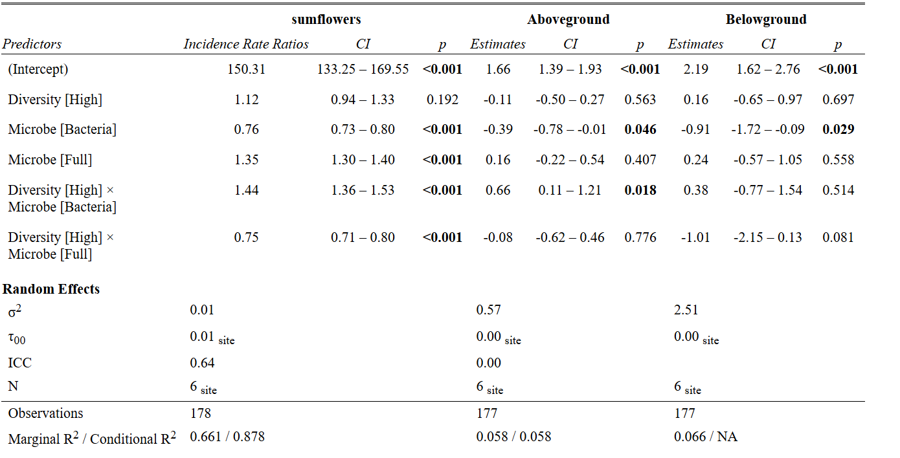
response | Comparison | estimate | SE | p.value | z.ratio | t.ratio | df
Floral Production | Low Sterile - High Sterile | -0.1133 | 0.0868 | 0.78241 | -1.305 | NA | Inf
Floral Production | Low Sterile - Low Bacteria | 0.272 | 0.0228 | 0 | 11.955 | NA | Inf
Floral Production | Low Sterile - High Bacteria | -0.2049 | 0.0867 | 0.16933 | -2.363 | NA | Inf
Floral Production | Low Sterile - Low Full | -0.2978 | 0.0196 | 0 | -15.212 | NA | Inf
Floral Production | Low Sterile - High Full | -0.1283 | 0.0868 | 0.67763 | -1.479 | NA | Inf
Floral Production | High Sterile - Low Bacteria | 0.3852 | 0.0872 | 0.00015 | 4.416 | NA | Inf
Floral Production | High Sterile - High Bacteria | -0.0917 | 0.0196 | 0.00004 | -4.678 | NA | Inf
Floral Production | High Sterile - Low Full | -0.1846 | 0.0865 | 0.26927 | -2.135 | NA | Inf
Floral Production | High Sterile - High Full | -0.0151 | 0.0198 | 0.97373 | -0.762 | NA | Inf
Floral Production | Low Bacteria - High Bacteria | -0.4769 | 0.0872 | 0 | -5.471 | NA | Inf
Floral Production | Low Bacteria - Low Full | -0.5698 | 0.0215 | 0 | -26.539 | NA | Inf
Floral Production | Low Bacteria - High Full | -0.4003 | 0.0872 | 0.00006 | -4.59 | NA | Inf
Floral Production | High Bacteria - Low Full | -0.0929 | 0.0864 | 0.89141 | -1.075 | NA | Inf
Floral Production | High Bacteria - High Full | 0.0766 | 0.0195 | 0.00123 | 3.923 | NA | Inf
Floral Production | Low Full - High Full | 0.1695 | 0.0864 | 0.36525 | 1.961 | NA | Inf
Floral Duration | Low Sterile - High Sterile | -0.2352 | 0.0621 | 0.00214 | -3.784 | NA | Inf
Floral Duration | Low Sterile - Low Bacteria | -0.0111 | 0.0289 | 0.99891 | -0.385 | NA | Inf
Floral Duration | Low Sterile - High Bacteria | -0.1278 | 0.0624 | 0.3162 | -2.046 | NA | Inf
Floral Duration | Low Sterile - Low Full | -0.3004 | 0.0268 | 0 | -11.209 | NA | Inf
Floral Duration | Low Sterile - High Full | -0.1375 | 0.0624 | 0.23578 | -2.204 | NA | Inf
Floral Duration | High Sterile - Low Bacteria | 0.224 | 0.0622 | 0.00429 | 3.601 | NA | Inf
Floral Duration | High Sterile - High Bacteria | 0.1074 | 0.0263 | 0.00063 | 4.083 | NA | Inf
Floral Duration | High Sterile - Low Full | -0.0652 | 0.0613 | 0.89539 | -1.065 | NA | Inf
Floral Duration | High Sterile - High Full | 0.0976 | 0.0262 | 0.00273 | 3.72 | NA | Inf
Floral Duration | Low Bacteria - High Bacteria | -0.1166 | 0.0625 | 0.42349 | -1.866 | NA | Inf
Floral Duration | Low Bacteria - Low Full | -0.2893 | 0.027 | 0 | -10.732 | NA | Inf
Floral Duration | Low Bacteria - High Full | -0.1264 | 0.0625 | 0.32888 | -2.023 | NA | Inf
Floral Duration | High Bacteria - Low Full | -0.1726 | 0.0616 | 0.05685 | -2.804 | NA | Inf
Floral Duration | High Bacteria - High Full | -0.0098 | 0.0269 | 0.99917 | -0.364 | NA | Inf
Floral Duration | Low Full - High Full | 0.1628 | 0.0615 | 0.08653 | 2.646 | NA | Inf
Floral Initiation | Low Sterile - High Sterile | 0.1632 | 0.0908 | 0.46749 | 1.797 | NA | Inf
Floral Initiation | Low Sterile - Low Bacteria | -0.0364 | 0.0273 | 0.76632 | -1.334 | NA | Inf
Floral Initiation | Low Sterile - High Bacteria | 0.1341 | 0.0907 | 0.678 | 1.479 | NA | Inf
Floral Initiation | Low Sterile - Low Full | 0.2049 | 0.0288 | 0 | 7.111 | NA | Inf
Floral Initiation | Low Sterile - High Full | 0.149 | 0.0907 | 0.56958 | 1.643 | NA | Inf
Floral Initiation | High Sterile - Low Bacteria | -0.1996 | 0.0908 | 0.23826 | -2.199 | NA | Inf
Floral Initiation | High Sterile - High Bacteria | -0.029 | 0.0299 | 0.9271 | -0.971 | NA | Inf
Floral Initiation | High Sterile - Low Full | 0.0417 | 0.0913 | 0.99752 | 0.457 | NA | Inf
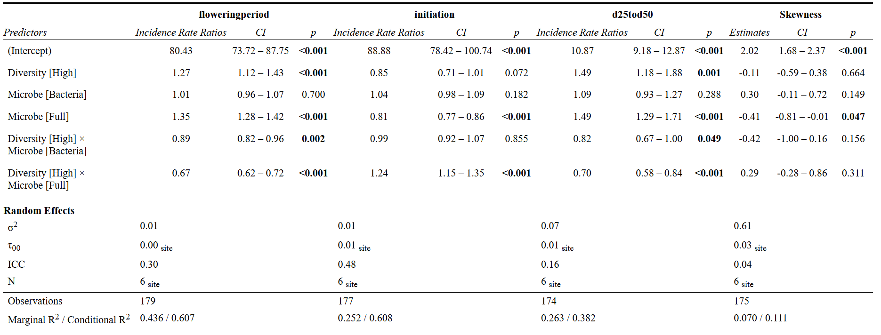
Floral Initiation | High Sterile - High Full | -0.0142 | 0.0298 | 0.99699 | -0.476 | NA | Inf
Floral Initiation | Low Bacteria - High Bacteria | 0.1706 | 0.0907 | 0.41427 | 1.88 | NA | Inf
Floral Initiation | Low Bacteria - Low Full | 0.2413 | 0.0288 | 0 | 8.369 | NA | Inf
Floral Initiation | Low Bacteria - High Full | 0.1855 | 0.0907 | 0.31662 | 2.045 | NA | Inf
Floral Initiation | High Bacteria - Low Full | 0.0707 | 0.0912 | 0.97167 | 0.776 | NA | Inf
Floral Initiation | High Bacteria - High Full | 0.0149 | 0.0296 | 0.99608 | 0.503 | NA | Inf
Floral Initiation | Low Full - High Full | -0.0559 | 0.0911 | 0.99015 | -0.613 | NA | Inf
Flowering Girth | Low Sterile - High Sterile | -0.399 | 0.1172 | 0.00868 | -3.405 | NA | Inf
Flowering Girth | Low Sterile - Low Bacteria | -0.0835 | 0.0786 | 0.89639 | -1.062 | NA | Inf
Flowering Girth | Low Sterile - High Bacteria | -0.279 | 0.119 | 0.17654 | -2.344 | NA | Inf
Flowering Girth | Low Sterile - Low Full | -0.3979 | 0.0719 | 0 | -5.538 | NA | Inf
Flowering Girth | Low Sterile - High Full | -0.4392 | 0.1169 | 0.00236 | -3.759 | NA | Inf
Flowering Girth | High Sterile - Low Bacteria | 0.3156 | 0.1171 | 0.07604 | 2.696 | NA | Inf
Flowering Girth | High Sterile - High Bacteria | 0.12 | 0.0673 | 0.47627 | 1.784 | NA | Inf
Flowering Girth | High Sterile - Low Full | 0.0011 | 0.1124 | 1 | 0.01 | NA | Inf
Flowering Girth | High Sterile - High Full | -0.0402 | 0.0634 | 0.98849 | -0.634 | NA | Inf
Flowering Girth | Low Bacteria - High Bacteria | -0.1955 | 0.1189 | 0.56884 | -1.644 | NA | Inf
Flowering Girth | Low Bacteria - Low Full | -0.3145 | 0.0715 | 0.00016 | -4.4 | NA | Inf
Flowering Girth | Low Bacteria - High Full | -0.3557 | 0.1167 | 0.02792 | -3.048 | NA | Inf
Flowering Girth | High Bacteria - Low Full | -0.1189 | 0.1143 | 0.9043 | -1.04 | NA | Inf
Flowering Girth | High Bacteria - High Full | -0.1602 | 0.0667 | 0.15533 | -2.402 | NA | Inf
Flowering Girth | Low Full - High Full | -0.0413 | 0.1121 | 0.99912 | -0.368 | NA | Inf
Flowering Skew | Low Sterile - High Sterile | 0.1073 | 0.2464 | 0.99754 | NA | 0.435 | 13.225
Flowering Skew | Low Sterile - Low Bacteria | -0.304 | 0.2099 | 0.69728 | NA | -1.449 | 165.283
Flowering Skew | Low Sterile - High Bacteria | 0.2203 | 0.2479 | 0.9429 | NA | 0.889 | 13.522
Flowering Skew | Low Sterile - Low Full | 0.4089 | 0.2042 | 0.34559 | NA | 2.002 | 165.062
Flowering Skew | Low Sterile - High Full | 0.2239 | 0.2464 | 0.93751 | NA | 0.909 | 13.225
Flowering Skew | High Sterile - Low Bacteria | -0.4113 | 0.2499 | 0.58469 | NA | -1.646 | 13.873
Flowering Skew | High Sterile - High Bacteria | 0.113 | 0.2042 | 0.99376 | NA | 0.553 | 165.057
Flowering Skew | High Sterile - Low Full | 0.3016 | 0.2449 | 0.81453 | NA | 1.231 | 12.932
Flowering Skew | High Sterile - High Full | 0.1166 | 0.2024 | 0.99247 | NA | 0.576 | 165.001
Flowering Skew | Low Bacteria - High Bacteria | 0.5243 | 0.2514 | 0.34674 | NA | 2.086 | 14.175
Flowering Skew | Low Bacteria - Low Full | 0.7129 | 0.2084 | 0.01007 | NA | 3.42 | 165.59
Flowering Skew | Low Bacteria - High Full | 0.528 | 0.2499 | 0.33538 | NA | 2.113 | 13.873
Flowering Skew | High Bacteria - Low Full | 0.1886 | 0.2464 | 0.96886 | NA | 0.765 | 13.226
Flowering Skew | High Bacteria - High Full | 0.0036 | 0.2042 | 1 | NA | 0.018 | 165.057
Flowering Skew | Low Full - High Full | -0.185 | 0.2449 | 0.9705 | NA | -0.755 | 12.932
Aboveground Biomass | Low Sterile - High Sterile | 0.1127 | 0.1943 | 0.99167 | NA | 0.58 | 31.804
Aboveground Biomass | Low Sterile - Low Bacteria | 0.3941 | 0.1959 | 0.34029 | NA | 2.011 | 167.133
Aboveground Biomass | Low Sterile - High Bacteria | -0.1559 | 0.1979 | 0.96771 | NA | -0.788 | 33.508
Aboveground Biomass | Low Sterile - Low Full | -0.1613 | 0.1942 | 0.96143 | NA | -0.831 | 167.002
Aboveground Biomass | Low Sterile - High Full | 0.0297 | 0.1943 | 0.99999 | NA | 0.153 | 31.804
Aboveground Biomass | High Sterile - Low Bacteria | 0.2814 | 0.196 | 0.70548 | NA | 1.436 | 32.698
Aboveground Biomass | High Sterile - High Bacteria | -0.2685 | 0.1978 | 0.75213 | NA | -1.358 | 167.541
Aboveground Biomass | High Sterile - Low Full | -0.274 | 0.1943 | 0.72056 | NA | -1.41 | 31.804
Aboveground Biomass | High Sterile - High Full | -0.083 | 0.1942 | 0.99816 | NA | -0.427 | 167.002
Aboveground Biomass | Low Bacteria - High Bacteria | -0.5499 | 0.1995 | 0.08971 | NA | -2.756 | 34.406
Aboveground Biomass | Low Bacteria - Low Full | -0.5554 | 0.1959 | 0.0569 | NA | -2.835 | 167.133
Aboveground Biomass | Low Bacteria - High Full | -0.3644 | 0.196 | 0.44391 | NA | -1.859 | 32.698
Aboveground Biomass | High Bacteria - Low Full | -0.0055 | 0.1979 | 1 | NA | -0.028 | 33.508
Aboveground Biomass | High Bacteria - High Full | 0.1855 | 0.1978 | 0.93606 | NA | 0.938 | 167.541
Aboveground Biomass | Low Full - High Full | 0.191 | 0.1943 | 0.91992 | NA | 0.983 | 31.804
Belowground Biomass | Low Sterile - High Sterile | -0.1597 | 0.4087 | 0.99871 | NA | -0.391 | 31.859
Belowground Biomass | Low Sterile - Low Bacteria | 0.907 | 0.4123 | 0.24335 | NA | 2.2 | 167.133
Belowground Biomass | Low Sterile - High Bacteria | 0.364 | 0.4163 | 0.95 | NA | 0.875 | 33.566
Belowground Biomass | Low Sterile - Low Full | -0.2397 | 0.4087 | 0.99182 | NA | -0.586 | 167.002
Belowground Biomass | Low Sterile - High Full | 0.6137 | 0.4087 | 0.66575 | NA | 1.502 | 31.859
Belowground Biomass | High Sterile - Low Bacteria | 1.0666 | 0.4123 | 0.12922 | NA | 2.587 | 32.755
Belowground Biomass | High Sterile - High Bacteria | 0.5237 | 0.4163 | 0.80715 | NA | 1.258 | 167.541
Belowground Biomass | High Sterile - Low Full | -0.08 | 0.4087 | 0.99996 | NA | -0.196 | 31.859
Belowground Biomass | High Sterile - High Full | 0.7733 | 0.4087 | 0.41054 | NA | 1.892 | 167.002
Belowground Biomass | Low Bacteria - High Bacteria | -0.5429 | 0.4198 | 0.78657 | NA | -1.293 | 34.465
Belowground Biomass | Low Bacteria - Low Full | -1.1466 | 0.4123 | 0.06551 | NA | -2.781 | 167.133
Belowground Biomass | Low Bacteria - High Full | -0.2933 | 0.4123 | 0.97921 | NA | -0.711 | 32.755
Belowground Biomass | High Bacteria - Low Full | -0.6037 | 0.4163 | 0.69684 | NA | -1.45 | 33.566
Belowground Biomass | High Bacteria - High Full | 0.2496 | 0.4163 | 0.99094 | NA | 0.6 | 167.541
Belowground Biomass | Low Full - High Full | 0.8533 | 0.4087 | 0.31881 | NA | 2.088 | 31.859

