How to
Not an Excel Expert? Follow these instructions:

1. Go to Enterprise Scanning (Click this Link)

2. Login to get to this screen:

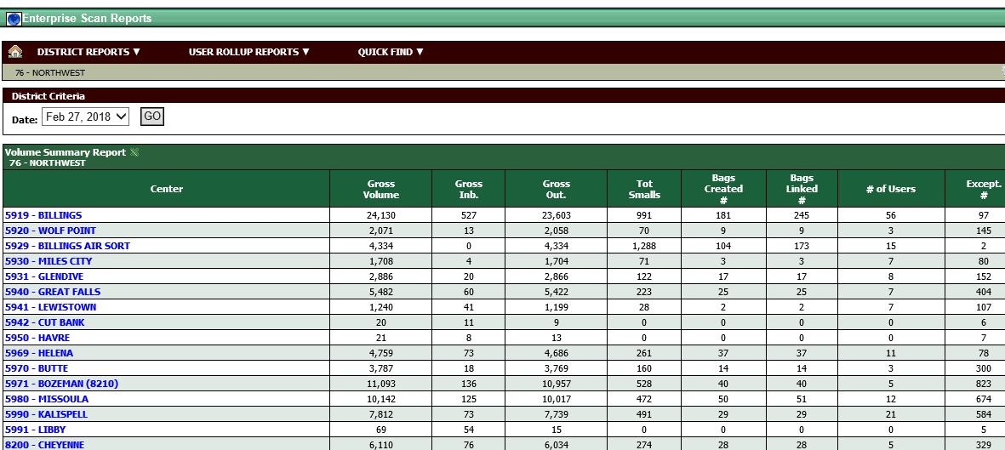

3. Find your operation and click on it

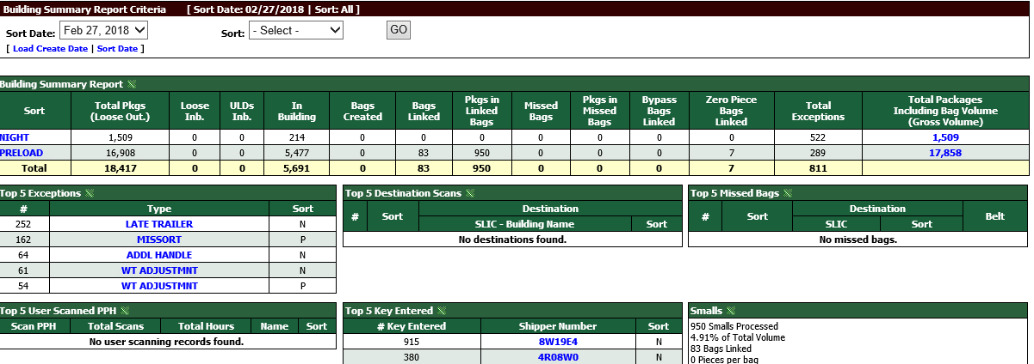

4. Hover over Site Reports. Click on ULD Forecast toward the bottom

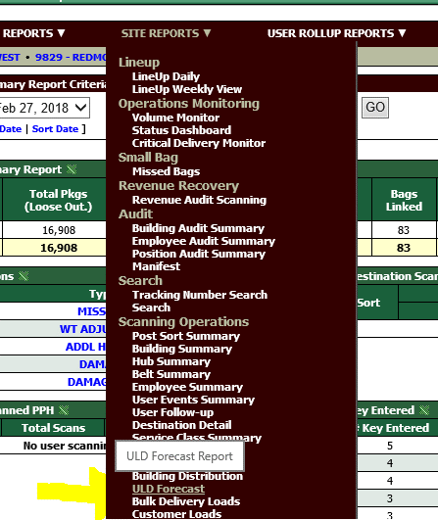

5. Select your sort and change the view to detail then hit Go

6. This gives a list of all ULD's forecasted for your operation.

7. Press the green X button to export the data to Excel

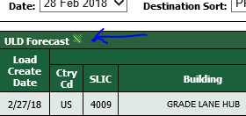

8. Copy everything from A3 dowon to the bottom

9. Paste this into cell A2 of the ULD Forecast Paste tab found at the bottom of this sheet.

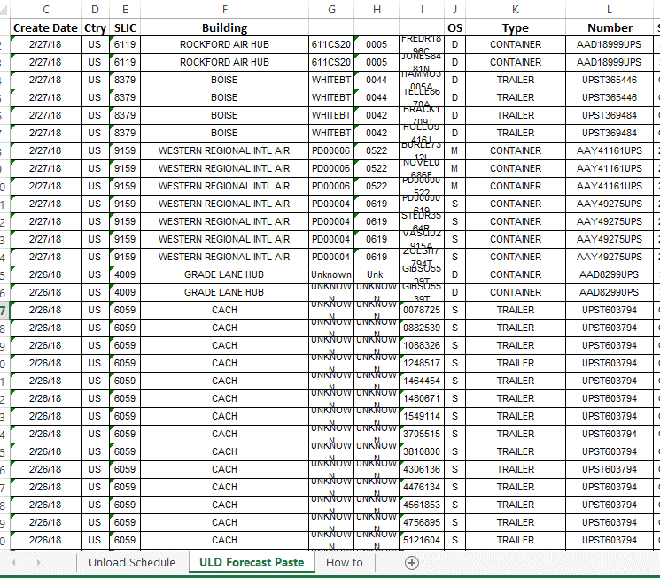

10. This will populate the Unload Schedule tab. The gray cells have formulas so don't type in them. If you need a blank form just clear out the ULD Paste. The Unload Schedule will print blank.

