Blad1
Dataset details: | total | 492 |  | Metrics evaluated only on following classes:
 | train | 375 | 76,2% | 1. ionic kyma decoration
 | validation | 67 | 13,6% | 2. lesbian kyma decoration
 | test | 50 | 10,1% | 3 bead-and-reel (double double)
 |  |  |  | 4. scroll pattern (large)
Configuration details: | optimizer AdamW | max learning rate = 1e-3 |  | 5. anthemion large
 | scheduler: OneCycleR | weight decay = 1e-4 |  | 6. anthemion small
 | 200 epochs |  |  | 7. acanthus leaves (solo)
 | batch = 32

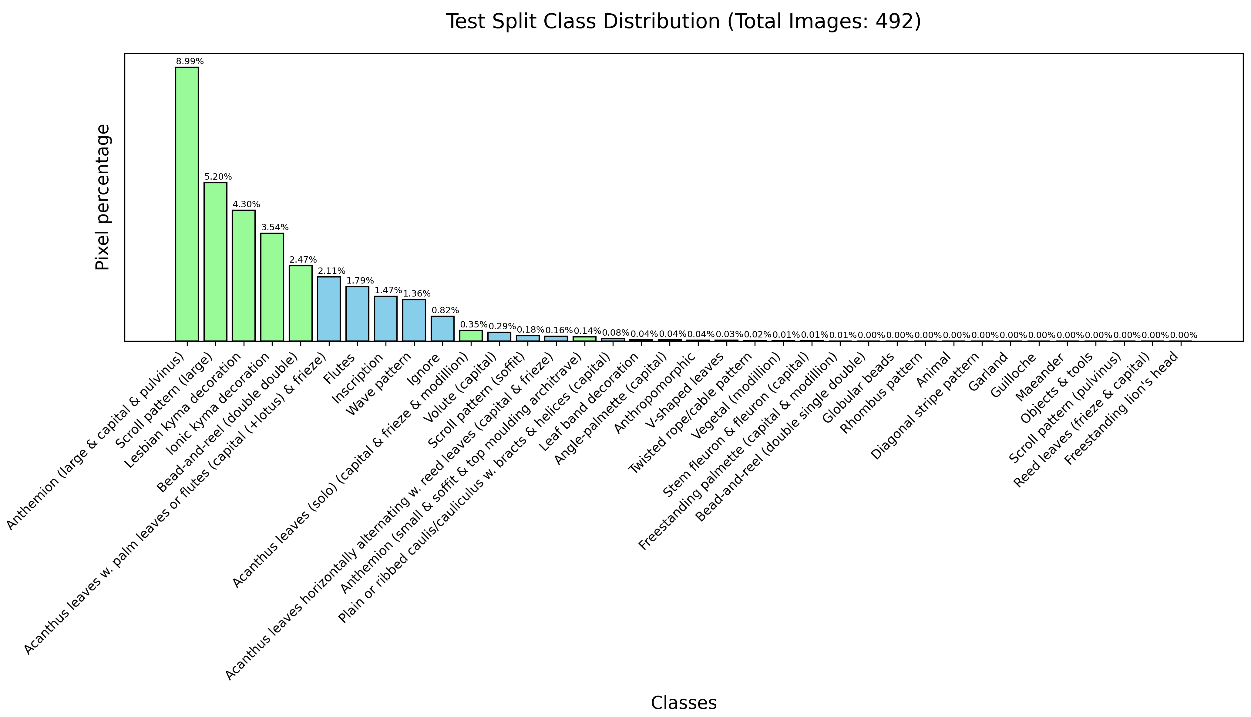
 | Experiments: | IOU macro | IOU weighted
 | 1) Unet - ResNet34
 | 224 x 224 | 0,406 | 0,425
 | 512 x 512 | 0,671 | 0,713
 | 1024 x 1024 | 0,660 | 0,697
 | 704 x 1056 | 0,689 | 0,723

 | 2) Unet++ - ResNet34
 | 224 x 224 + padding | 0,583 | 0,595
 | 512 x 512 | 0,715 | 0,753
 | 512 x 512 + padding | 0,661 | 0,680
 | 704 x 1056 | 0,698 | 0,742
 | 512 x 512 + center crop | 0,450 | 0,445

 | 3) Segformer - mit_b2
 | 512 x 512 | 0,759 | 0,788
 | 512 x 512 + padding | 0,679 | 0,699
 | 704 x 1056 | 0,741 | 0,772
 | 512 x 512 (dice loss) | 0,732 | 0,762
 | 512 x 512 + tiles | 0,589 | 0,634

 | 5) Unet++ - ResNet18
 | 512 x 512 | 0,653 | 0,684
 | 704 x 1056 | 0,645 | 0,687

 | 6) Segformer - mit_b0
 | 224 x 224 | 0,622 | 0,651
 | 512 x 512 | 0,723 | 0,758
 | 512 x 512 + padding | 0,701 | 0,726
 | 704 x 1056 | 0,710 | 0,733
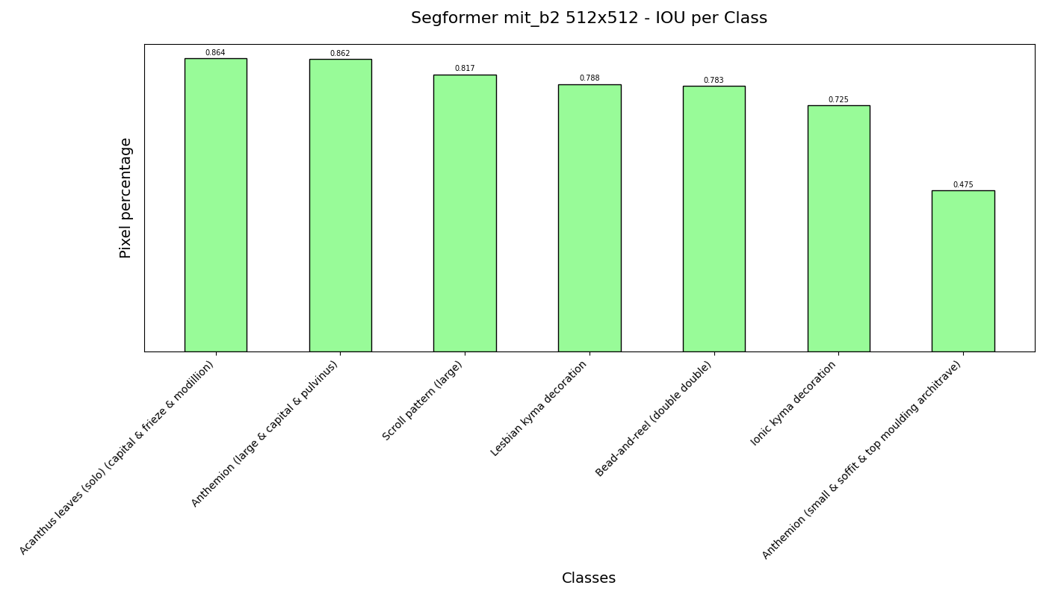
 | 7) Segformer - mit_b3
 | 512 x 512 | 0,674 | 0,701

