Sheet1
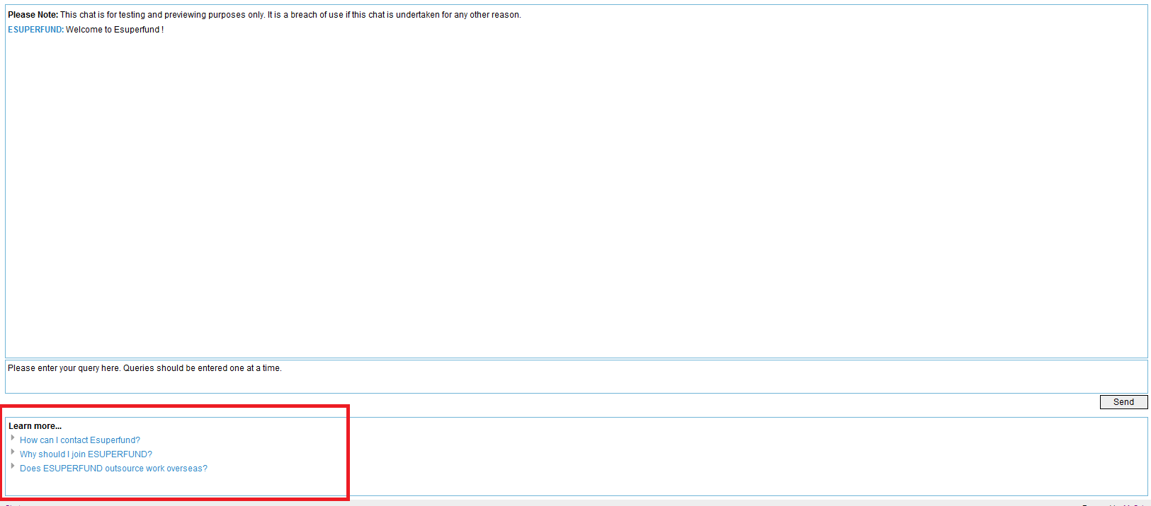
Page | Module | Function | Note
Chat page(Client) | Message viewing box | Show the last 4 questions in it and a "Read history" link to get more history conversation.
 |  | List "related questions" with link if system can not match the question exactly.
 |  | Click question in "related questions" will show question and anwer in current box
 | Chat view | Open by "Read history" link to view all converstation for current session.
 |  | Support "Print" all conversation in this view
 | Messge input box | Input box and sent button
 | "Learn more" view | Contain Links that can locate questions exactly
 |  | Give different questions list according to the last question user asked.
 | Login view | Login view for asking private questions

Content | Message view and Thesaurus | May be a tree as cybertwin | Will not contains the function the same as "Misc" in Cybertwin. The sentances that can be set in "Misc" will be fixed in code.
 |  | Can show/hide messages that has added to system. | No system folders in message view, such as "personal", you will add the folder from the first one.
 |  | Support "Add & Delete & Copy & Cut & Paste & Set online/offline" action for each message/folder in this view | Will not support adding questions under questions. What's questions under question? For example. User : "What kind of service do you provide?" . ESuperfund: we provide "Service A", "Service B", "Service C". User : "Give me more detail about "Service A"" . ESuperfund : "Service A means ......". We do not support adding sub questions under a question, but we can give you what you want with providing the question link in answer editor. It means that you can set "Service A" as a link to question "What's service A?" and user can click it and get the answer with the accuracy of 100%.
 | Thesaurus view | May be a tree as cybertwin, may be not
 |  | Can show/hide messages that has added to system.
 |  | Support "Add & Delete & Copy & Cut & Paste & Set online/offline" action for each group/folder in this view
 | Toolbox | Tool for "Add & Delete & Copy & Cut & Paste & Set online/offline" action
 | Editor for folder | Editor and save button
 | Editor for thesaurus | Editor and save button
 |  | words in one row will be thought as one phase,in other words, use "Enter" to separate each words/phase that defined in this group.
 | Editor for Message | Required question editor
 |  | Optional question editor
 |  | Answer editor(support URL Link, List, parameters for DB table in answer, can set font to bold/italic) * source view (as that in Cybertwin) * preview view (as that in Cybertwin) * DB scheme view to select fileds that will be showed in answer according to the username （This is for private question） * Existed question selection view. used to support question link in anwer.(It means user can add a link to another existed question) | not support one required quesiton maps to multiple answers (which cyberwin supports) | Yang: will Yanbin be able to develop a common retrieve database info method.? I.e. admin only needs to spacify database name.database tabel. Field name to get the right information. | 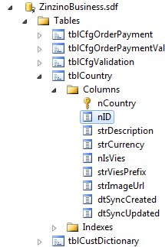
 |  | Save button
Monitor & Optimize | Filter for period | Allow user to select a specific time period to check the conversation history.
 | Filter for status | Allow user to select matching status of conversation to filter the showing result. | This feature is not existed in Cybertwin, but I think you may need this. For example, user can select "Understood" for only show understood questions. And "Didn't understand" for those system cannot match.
 | Chat list | A table to show chats that in filter period | No Dashboard tab
 | Chat detail table | selecting one chat in chat list will load chat detail with status that set in filter | No feedback and info tab for chat detail
 |  | Use different colors or signs to show different stauts of converation
 |  | Optimize button for each question that user asked | Optimize window will be similar with that in Cybertwin
Setting | Account | Settings for "Username, password" | No chat tab here

