ex_3
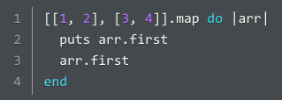

Line | Action | Object | Side Effect | Return Value | Is Return Value Used?
1 | method call (map) | The outer array | None | New array [1, 3] | No
1-4 | block execution | Each sub-array | None | Element at index 0 of sub-array | Yes, used by map for transformation
2 | method call (first) | Each sub-array | None | Element at index 0 of sub-array | Yes, used by puts
2 | method call (puts) | Element at index 0 of sub-array | Outputs a string representation of an Integer | nil | No
3 | method call (first) | Each sub-array | None | Element at index 0 of sub-array | Yes, used to determine return value of block

ex_4
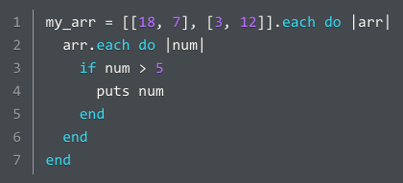
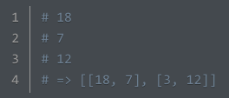
Line | Action | Object | Side Effect | Return Value | Is Return Value Used?
1 | variable assignment | N/A | None | [[18, 7], [3, 12]] | No
1 | method call (each) | [[18, 7], [3, 12]] | None | The calling object: [[18, 7], [3, 12]] | Yes, assigned to my_arr
1-7 | outer block execution | Each sub-array | None | Each sub-array | No
2 | method call (each) | Each sub-array | None | Each sub-array in current iteration | Yes, used to determine return value of outer block
2-6 | inner block execution | Each element of sub-array in current iteration | None | nil | No
3 | comparison (>) | Each element of sub-array in current iteration | None | Boolean | Yes, evaluated by if statement
3 | conditional (if) | Each element of sub-array in current iteration | None | nil | Yes, used to determine return value of inner block
4 | method call (puts) | Each element of sub-array in current iteration greater than 5 | Outputs a string representation of an Integer | nil | Yes, used to determine return value of if statement

ex_5
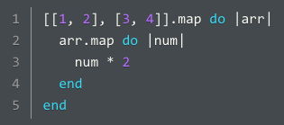
Line | Action | Object | Side Effect | Return Value | Is Return Value Used?
1 | method call (map) | [[1, 2], [3, 4]] | None | [[2, 4], [6, 8]] | No
1-5 | outer block execution | Each sub-array | None | New transformed array | Yes, used by map for transformation
2 | method call (map) | Each sub-array | None | New transformed array | Yes, used to determine return value of outer block
2-4 | inner block execution | Each element of sub-array in current iteration | None | Integer | Yes, used by map for transformation
3 | Method call (*) with integer 2 as an argument | Each element of sub-array in current iteration | None | Integer | Yes, used to determine return value of inner block

