2014
Product | Revenue | Expenditure | Profit
Board | 1604675 | 1442078 | 162597
Legos | 1531119 | 1371631 | 159488
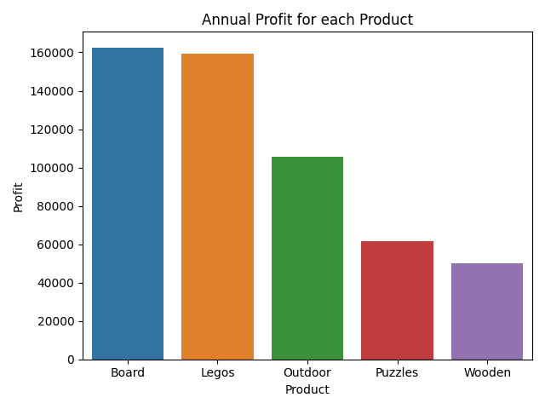
Outdoor | 1324561 | 1219133 | 105428
Puzzles | 738423 | 676850 | 61573
Wooden | 1072869 | 1022994 | 49875

