1️⃣ Order Status
Order Status Distribution

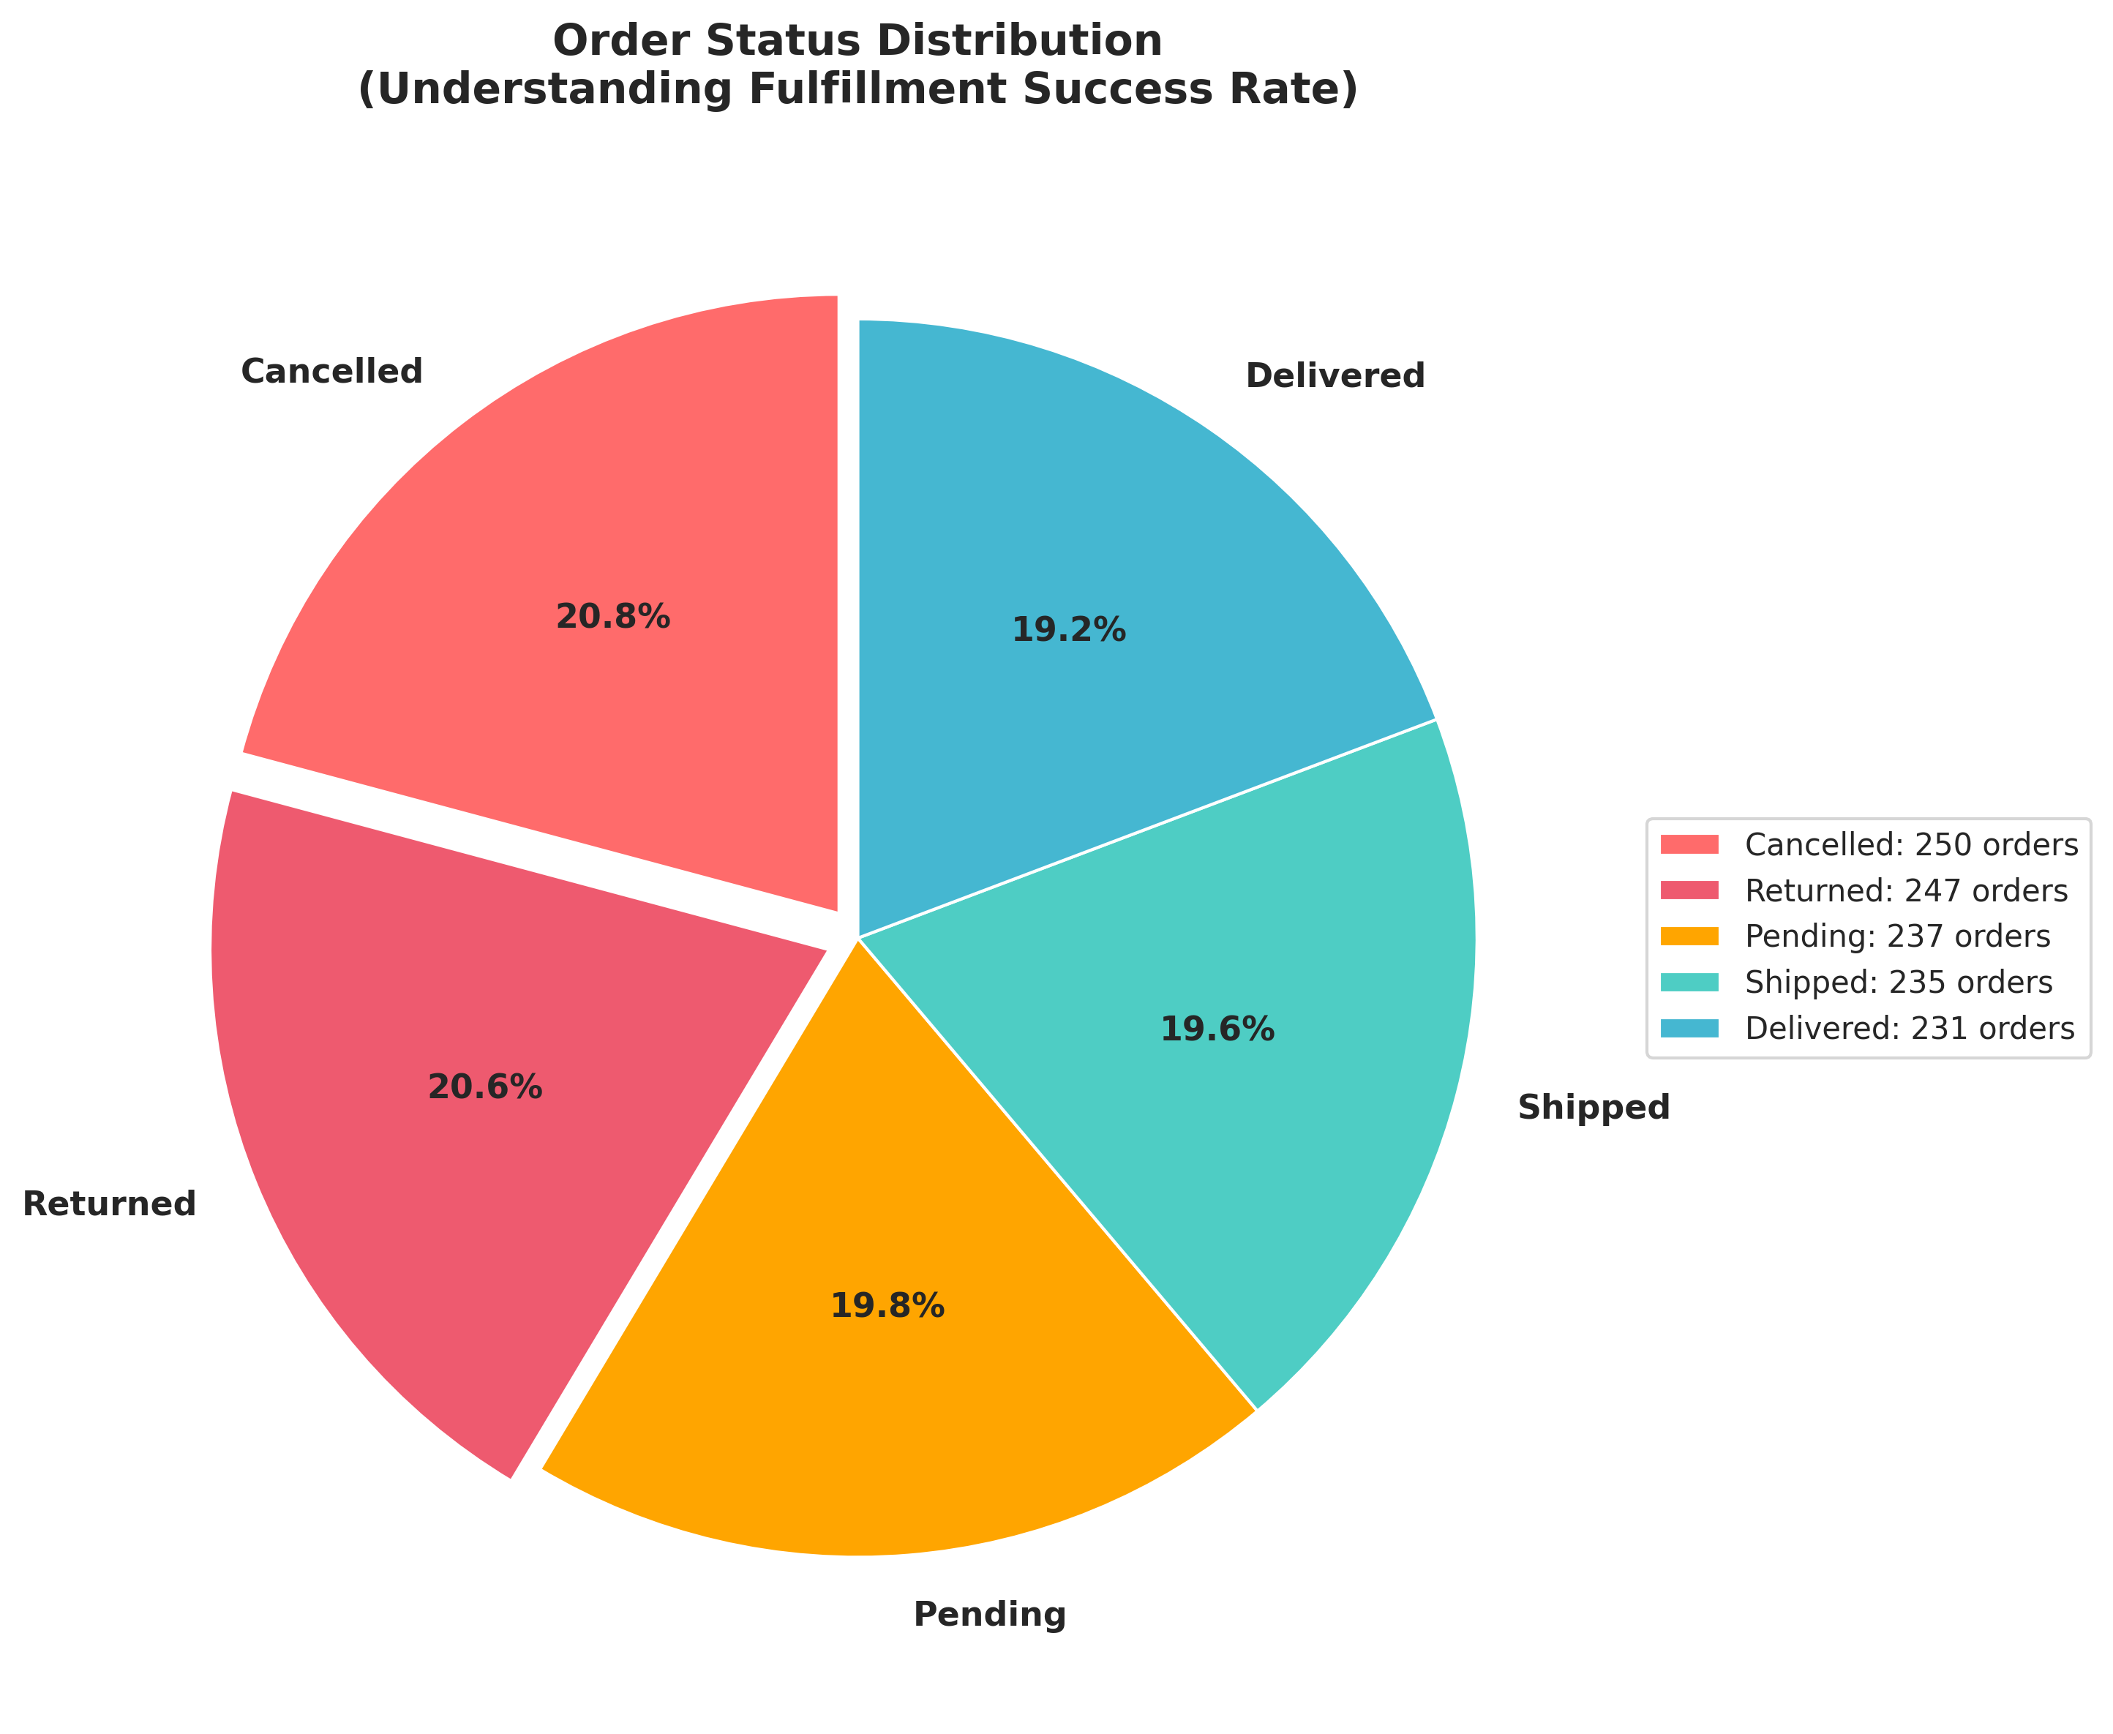

Key Insight:
Only 19.3% delivered; 41.4% cancelled/returned

2️⃣ Payment Method
Revenue by Payment Method

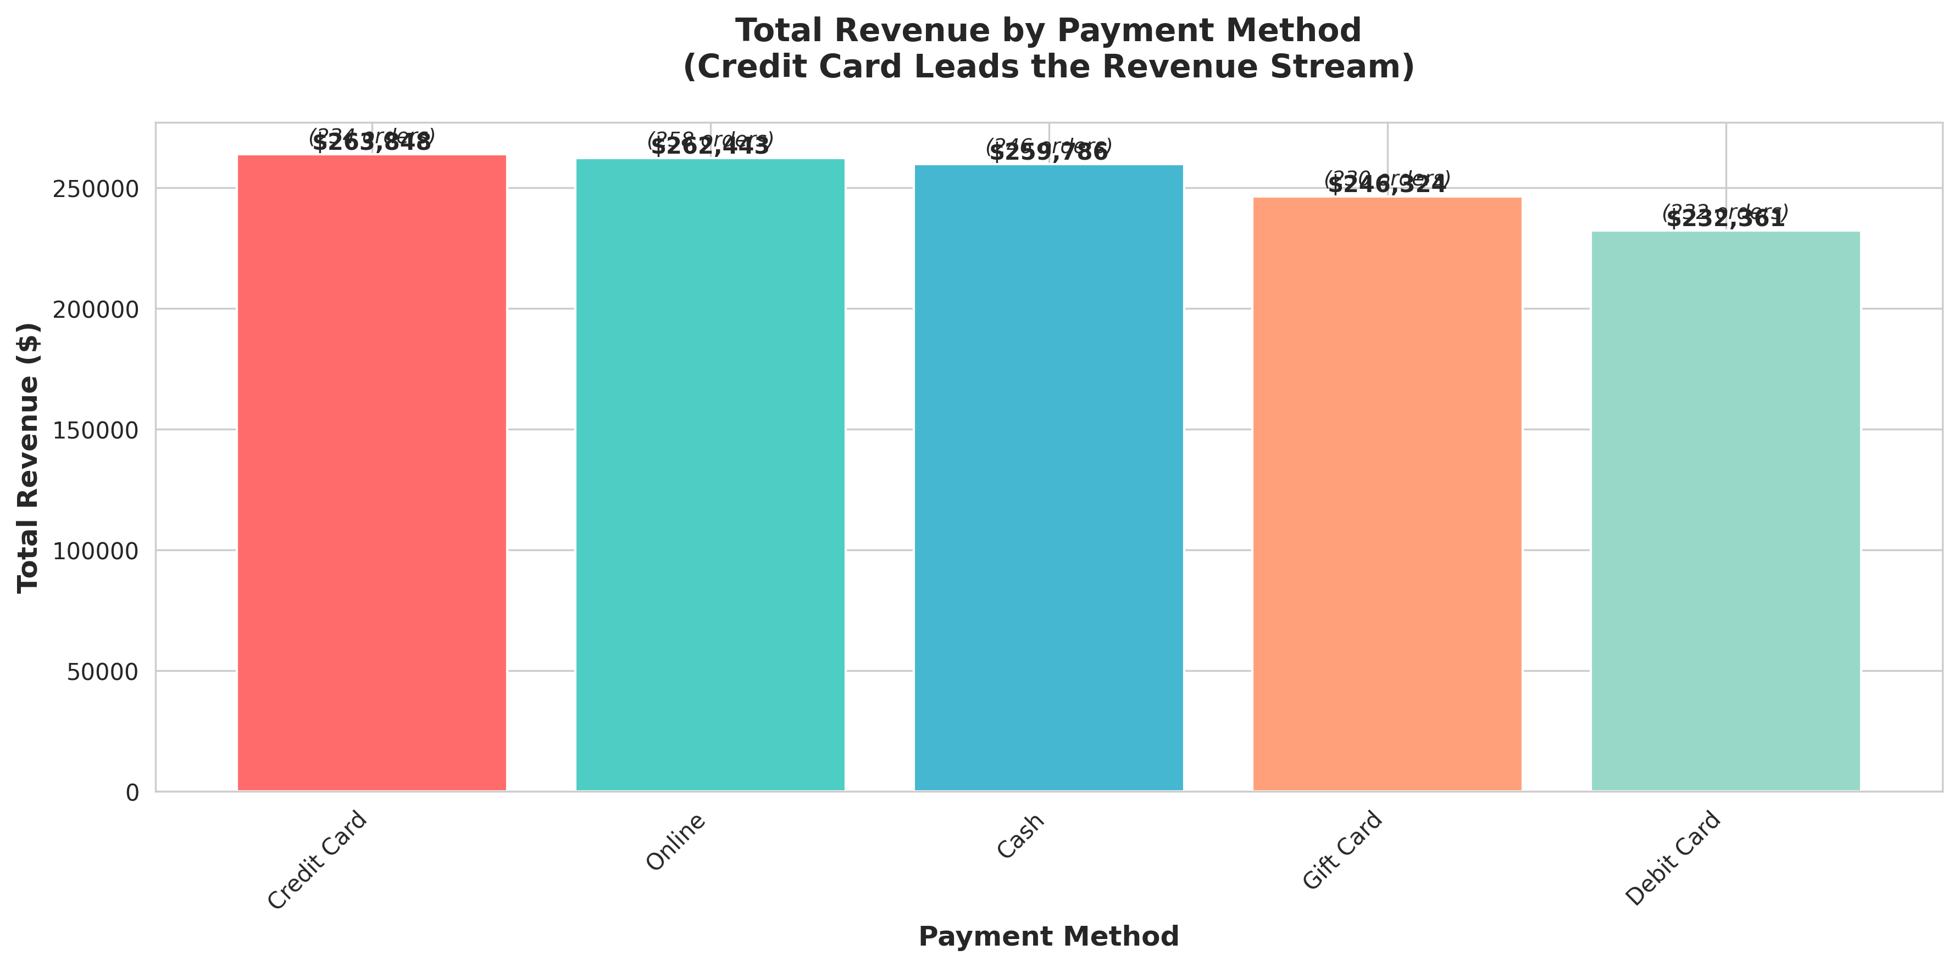

Key Insight:
Credit Card leads with $263.8k; 7.5% higher AOV

3️⃣ Marketing Channels
Marketing Channel Performance

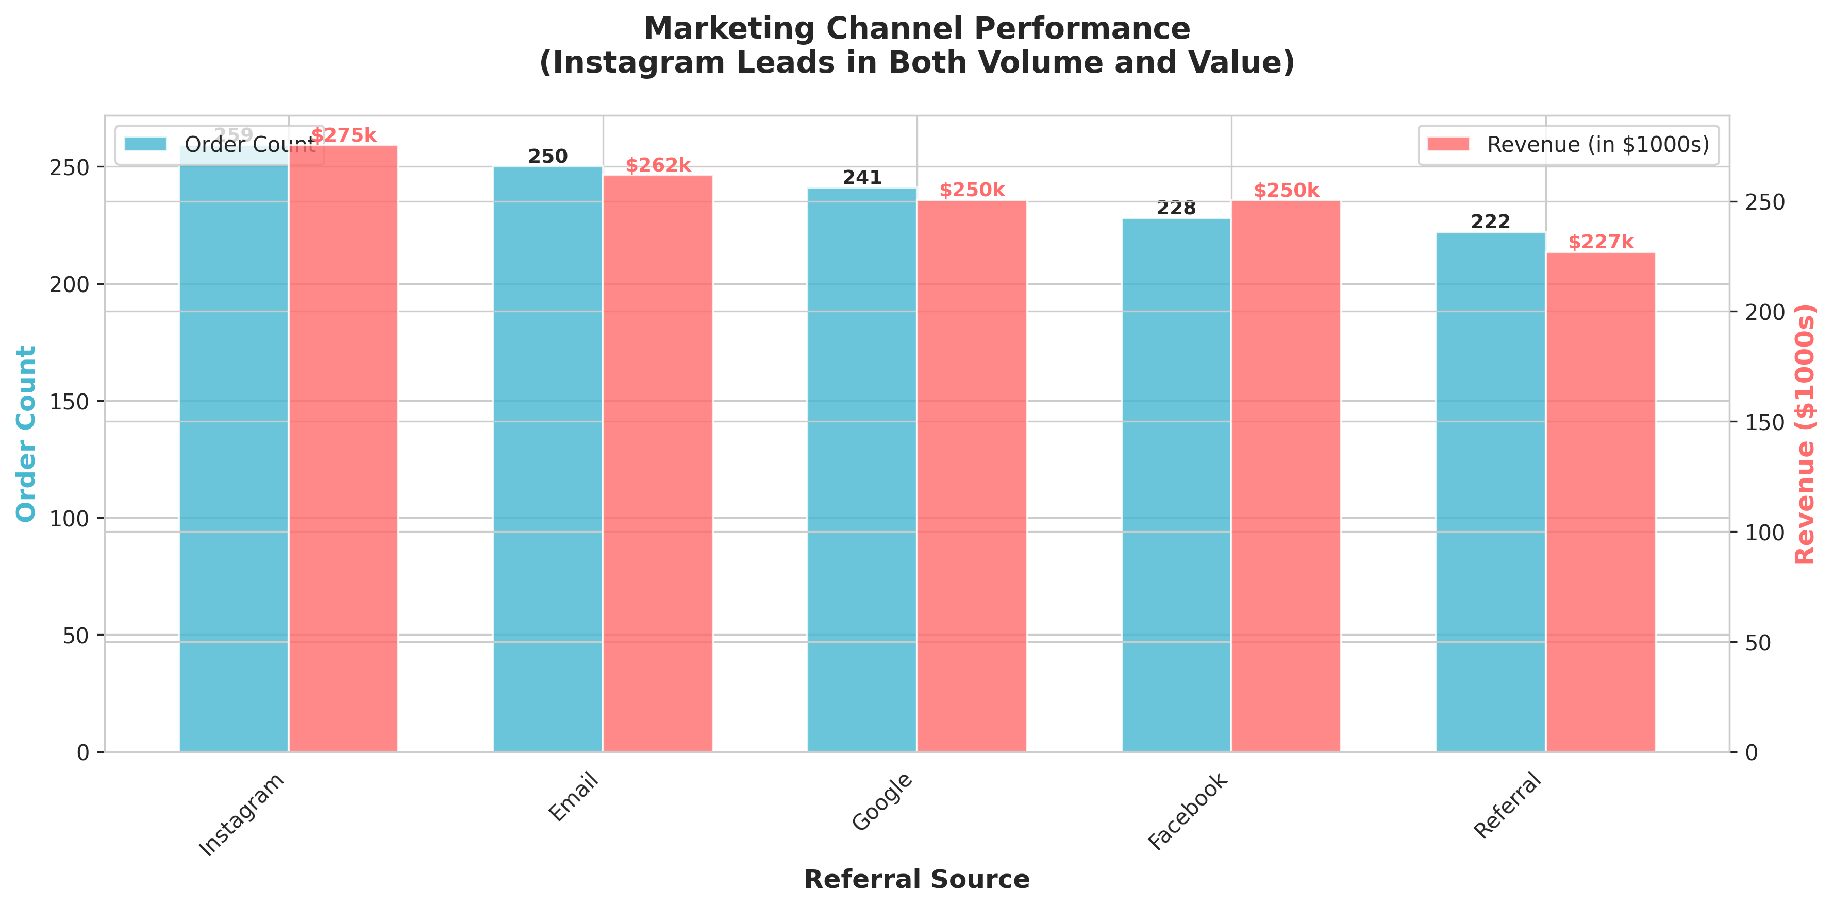

Key Insight:
Instagram best volume (259); Facebook best value ($1,098 AOV)

4️⃣ Top Products
Top Products by Sales

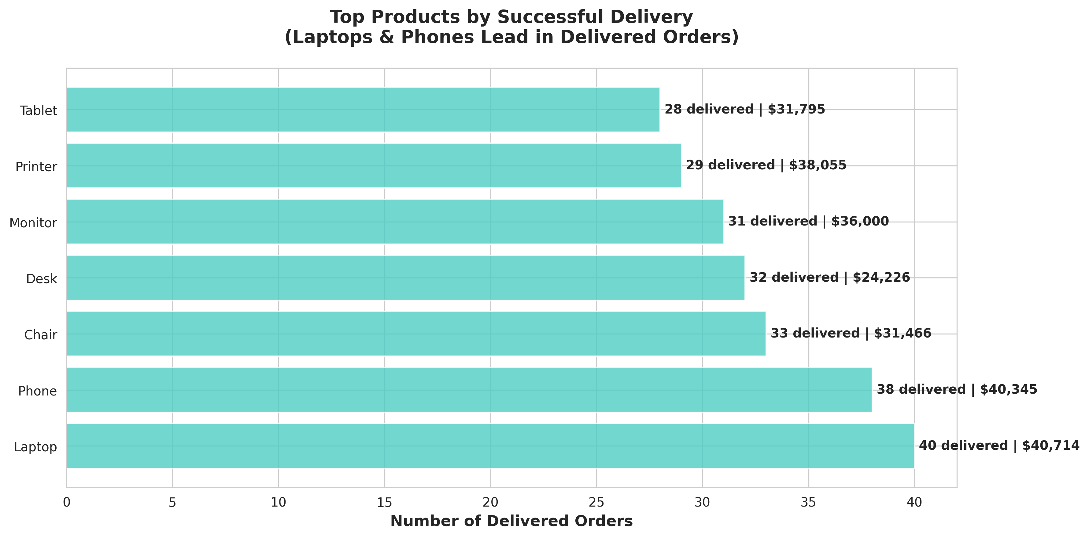

Key Insight:
Laptops lead with 40 delivered orders

5️⃣ AOV by Channel
Average Order Value by Referral Source

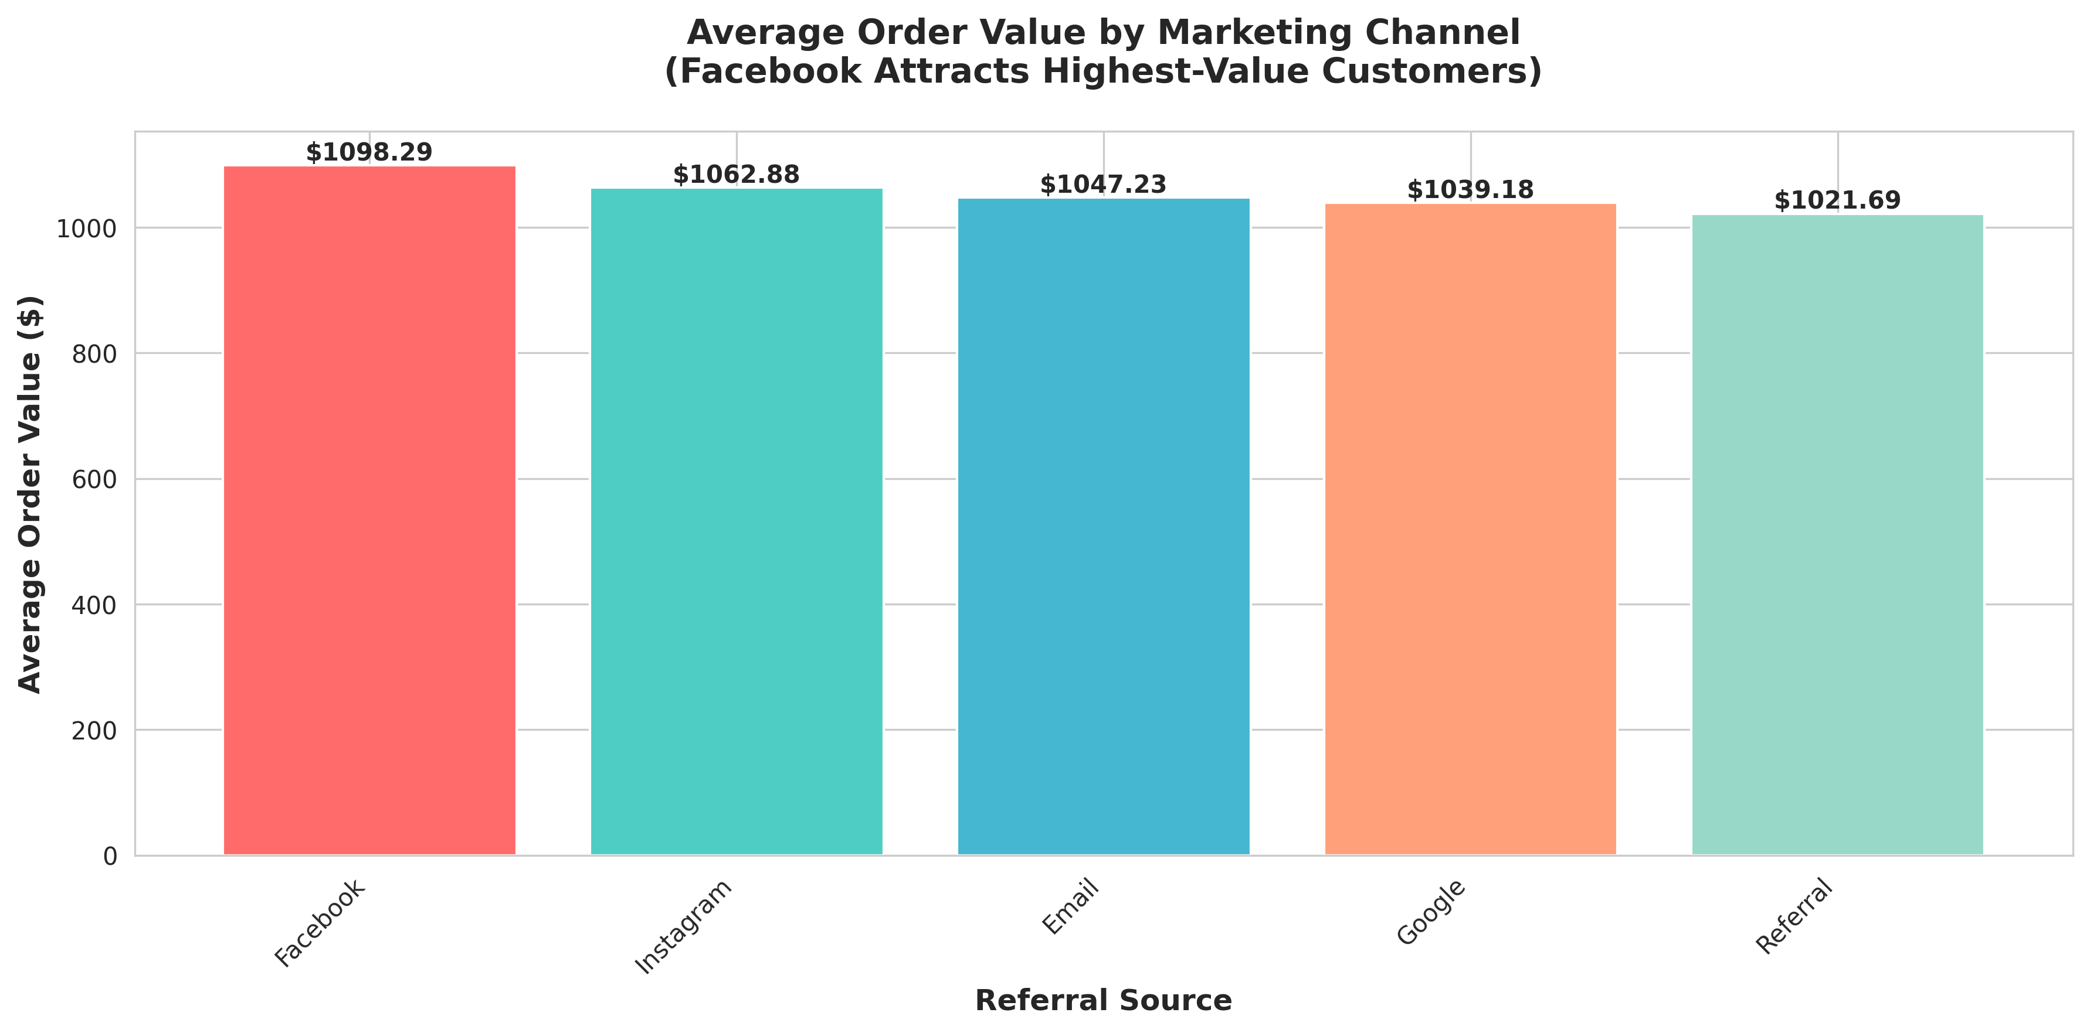

Key Insight:
Facebook customers most valuable at $1,098

6️⃣ Price Distribution
Order Price Distribution

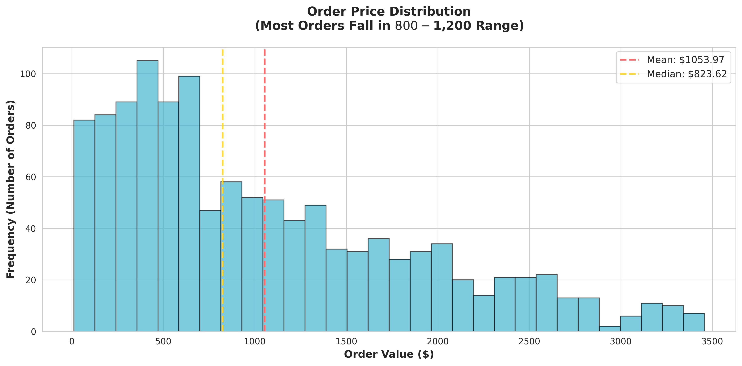

Key Insight:
Healthy normal distribution; mean=$1,054

7️⃣ Sales Trend
Monthly Sales Trend

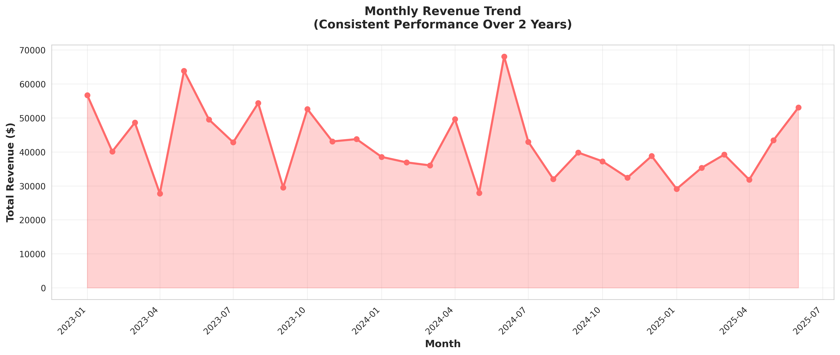

Key Insight:
Consistent $42k/month; flat growth (no expansion)

8️⃣ Status by Payment
Order Status by Payment Method

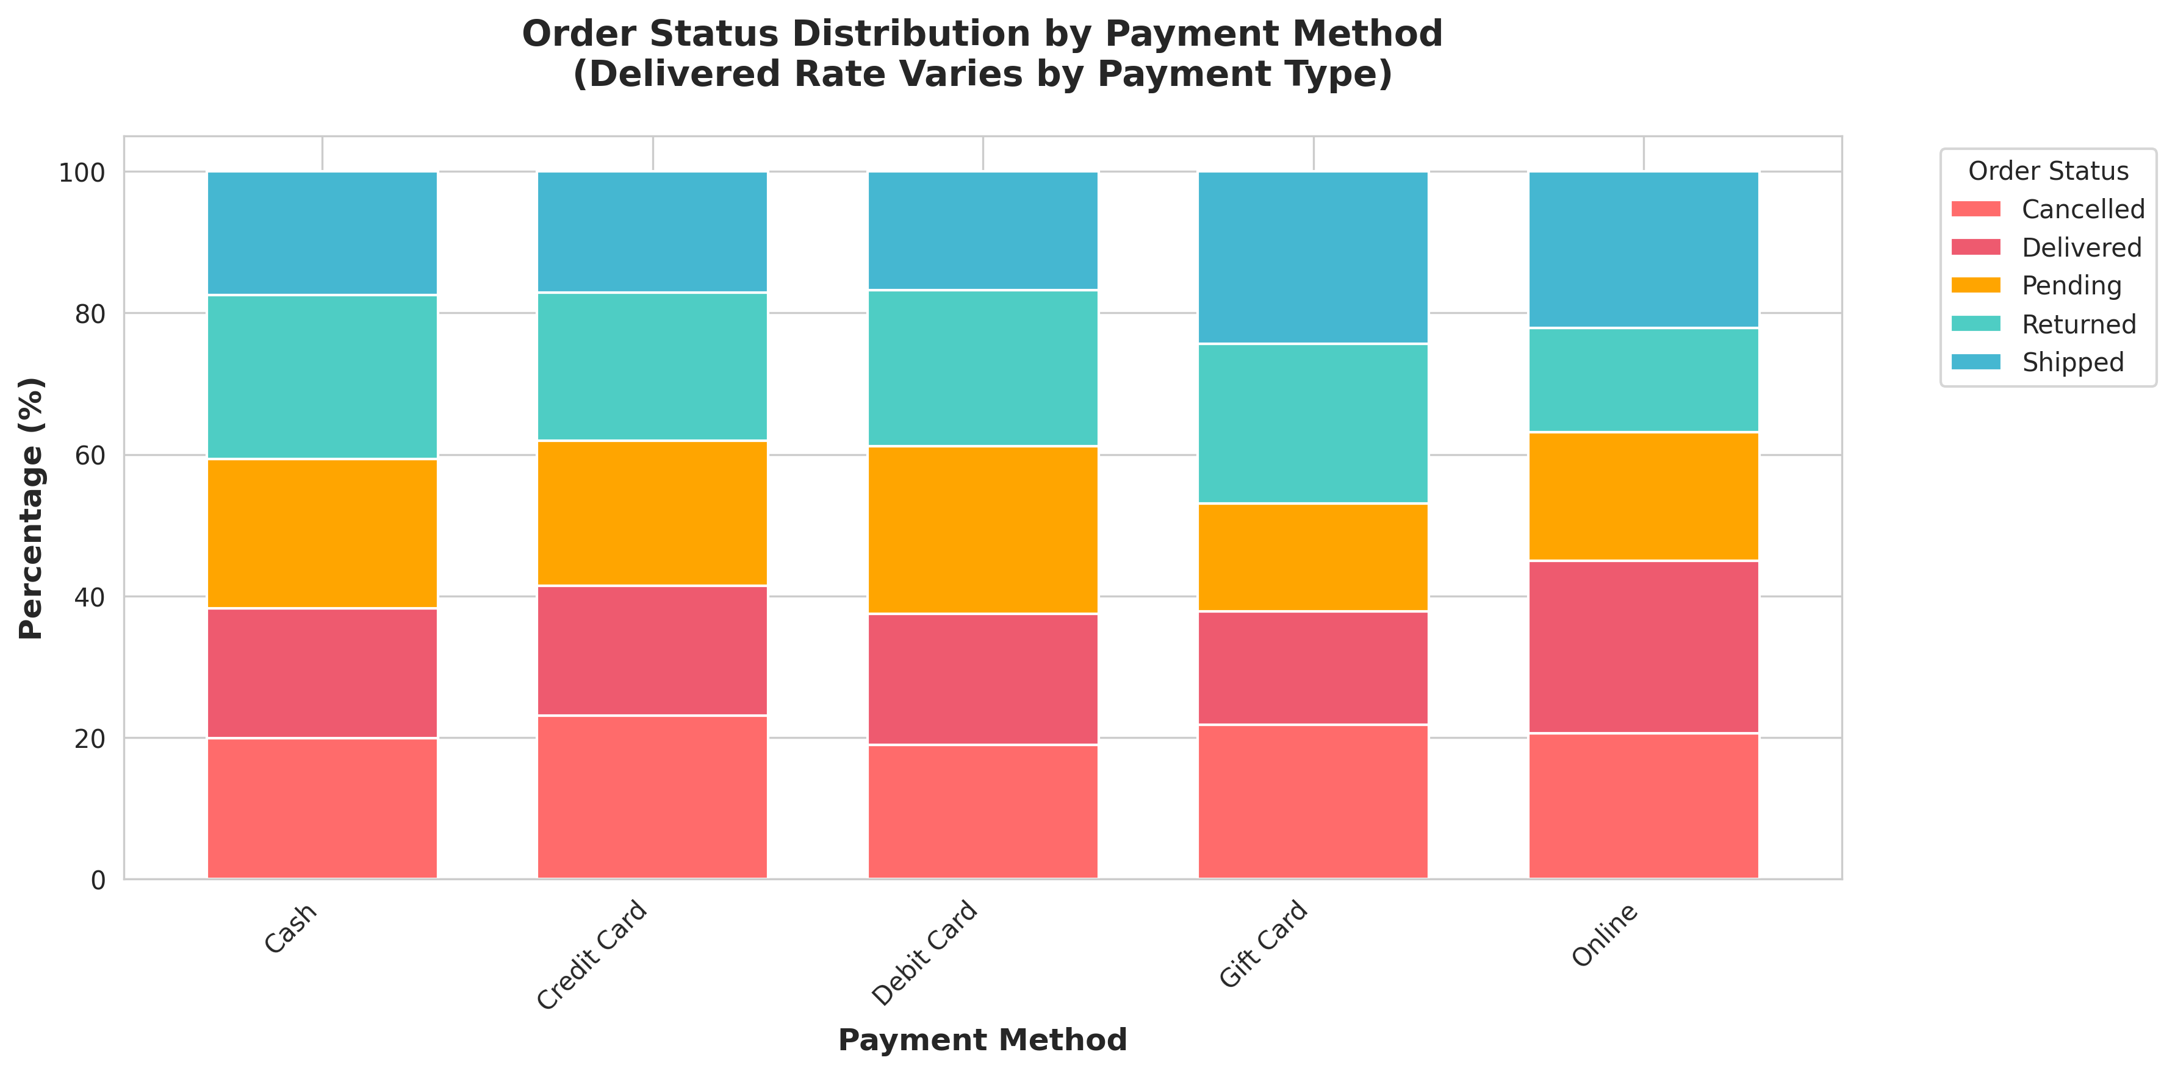

Key Insight:
All payment methods have equal ~20% delivery rate

9️⃣ Customer Segments
Customer Segmentation

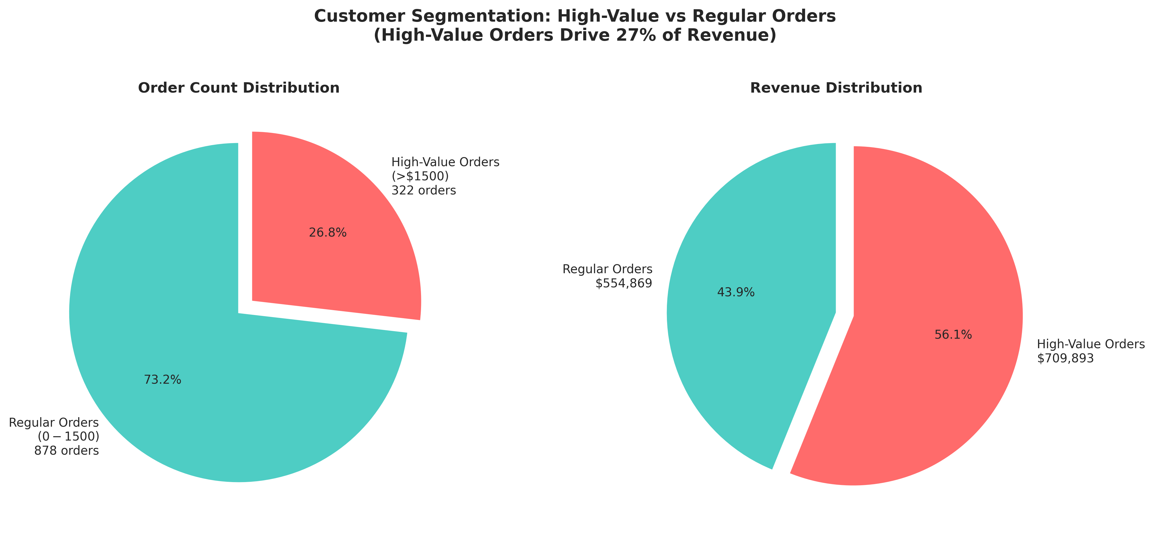

Key Insight:
14.7% premium customers generate 27.1% of revenue

🔟 Quantity vs Value
Quantity vs Order Value

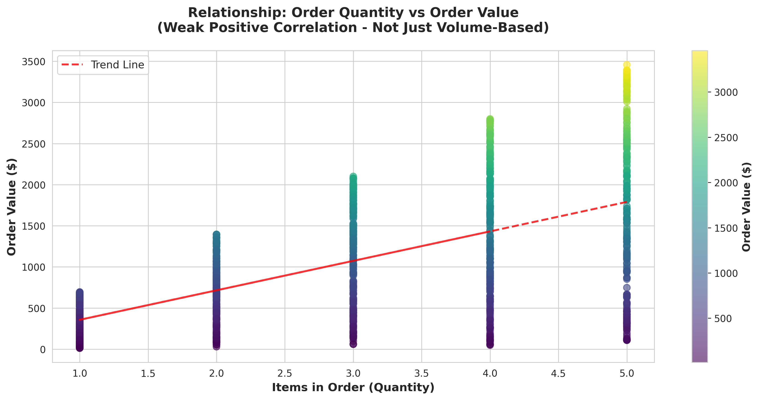

Key Insight:
Weak correlation; both premium and bulk strategies work

