Screen Layout
Customer Entry Screen | Put a rough screen layout here

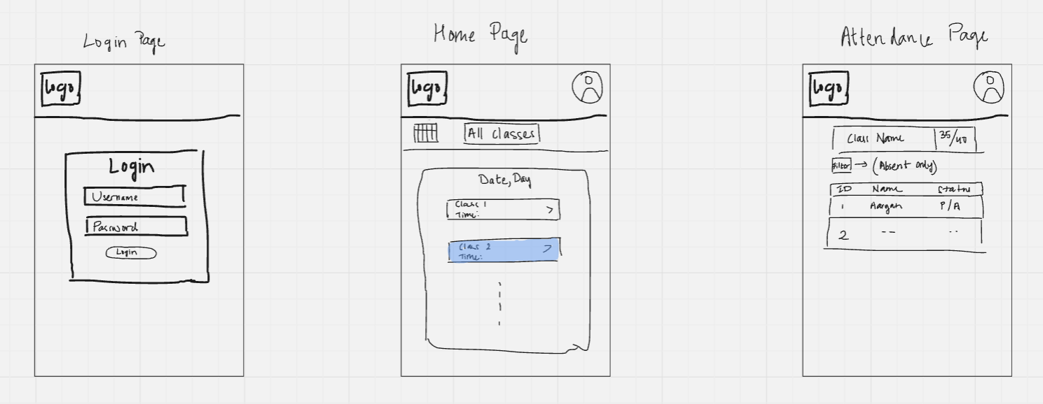
Customer Id
Customer Name

