Recap
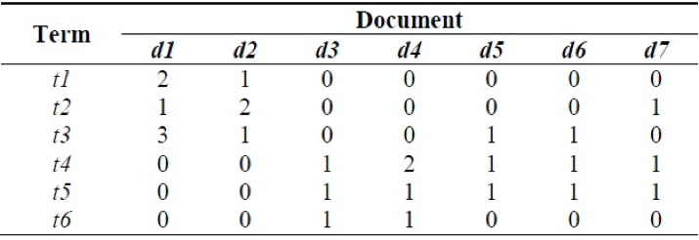

 |  |  |  |  |  | TFIDF(T4) |  |  | TFIDF(T3)
DF(t1) | =2/7 | IDF(t1) | 1.2527629685 | TF(T4,d1) | 0 | 0 | TF(T3,d1) | 1 | 0.55961578794
DF(t2) | =3/7 | IDF(t2) | 1.2527629685 | TF(T4,d2) | 0 | 0 | TF(T3,d2) | 0.33333333333 | 0.18653859598
DF(t3) | =4/7 | IDF(t3) | 0.55961578794 | TF(T4,d3) | 0.33333333333 | 0.11215741221 | TF(T3,d3) | 0 | 0
DF(t4) | =5/7 | IDF(t4) | 0.33647223662 | TF(T4,d4) | 0.66666666667 | 0.22431482441 | TF(T3,d4) | 0 | 0
DF(t5) | =5/7 | IDF(t5) | 0.33647223662 | TF(T4,d5) | 0.33333333333 | 0.11215741221 | TF(T3,d5) | 0.33333333333 | 0.18653859598
DF(t6) | =2/7 | IDF(t6) | 1.2527629685 | TF(T4,d6) | 0.33333333333 | 0.11215741221 | TF(T3,d6) | 0.33333333333 | 0.18653859598
 |  |  |  | TF(T4,d7) | 0.33333333333 | 0.11215741221 | TF(T3,d7) | 0 | 0

a. What is the above diagram called in text analytics? |  |  |  |  |  |  |  |  |  | Term Document Matrix
b. Which are the most common and the rarest term of the corpus? |  |  |  |  |  |  |  |  |  | T6 - Rarest - 2/7; common T4 or T5 - 5/7
c. What is the term frequency of a term which is used a most number of times in that document? Mention the term as well as the term frequency |  |  |  |  |  |  |  |  |  | T3 - 3 times in doc 1
d. Identify the document frequency and its IDF of a term which occurs :
i. In least no. of documents |  |  |  |  |  |  |  |  |  | T6 or T1 - 2/7 as DF and 1.252 as IDF
ii. Most of the documents |  |  |  |  |  |  |  |  |  | T4 or T5 - 5/7 as DF and 0.33 as IDF
e. Which document is most relevant for the term t3 and t4 |  |  |  |  |  |  |  |  |  | T3 has the highest TFIDF in doc1
 |  |  |  |  |  |  |  |  |  | T4 has the highest TFIDF in T4

